Figure 4
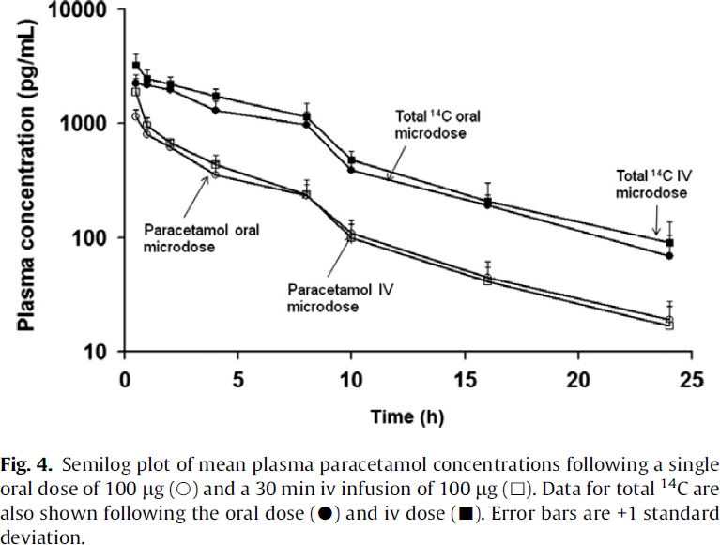
Lappin2011-Comparative pharmacokinetics between a microdose and therapeutic dose for clarithromycin, sumatriptan, propafenone, paracetamol (acetaminophen), and phenobarbital in human volunteers

species | human
method | single oral dose of 100μg and 30min IV infusion of 100μg
n
subjects | volunteers

Figure 4
study | time paracetamol oral microdose [h] | paracetamol oral microdose concentration [pg/ml] | paracetamol oral microdose concentration SD [pg/ml] | time paracetamol IV microdose [h] | paracetamol IV microdose concentration [pg/ml] | paracetamol IV microdose concentration SD [pg/ml] | time total 14C oral microdose [h] | total 14C oral microdose concentration [pg/ml] | total 14C oral microdose concentration SD [pg/ml] | time total 14C IV microdose [h] | total 14C IV microdose concentration [pg/ml] | total 14C IV microdose concentration SD [pg/ml]
study | time_paracetamol_oral_microdose | paracetamol_oral_microdose_concentration | paracetamol_oral_microdose_concentration_SD | time_paracetamol_IV_microdose | paracetamol_IV_microdose_concentration | paracetamol_IV_microdose_concentration_SD | time_total_14C_oral_microdose | total_14C_oral_microdose_concentration | total_14C_oral_microdose_concentration_SD | time_total_14C_IV_microdose | total_14C_IV_microdose_concentration | total_14C_IV_microdose_concentration_SD
Lappin2011 | 0.4 | 1128.0896 | 160.3481 | 0.5 | 1,778.9920 | 371.7004 | 0.5 | 2233.9607 | 366.2581 | 0.4 | 3143.5054 | 879.6906
Lappin2011 | 1.0 | 786.9380 | 94.9327 | 1.0 | 969.6475 | 158.9738 | 0.9 | 2071.3735 | 249.9545 | 1.0 | 2411.0513 | 503.8537
Lappin2011 | 2.0 | 627.1428 | 49.4810 | 2.1 | 689.6304 |  | 2.0 | 1921.4646 |  | 2.0 | 2236.5593 | 269.7297
Lappin2011 | 4.0 | 342.2139 | 79.4545 | 4.1 | 437.9941 | 170.0926 | 3.9 | 1291.8022 | 155.8373 | 3.9 | 1717.2083 | 244.0863
Lappin2011 | 8.0 | 239.3390 | 72.8363 | 7.9 | 234.8324 | 125.8286 | 8.0 | 974.8100 | 159.8202 | 8.1 | 1156.4045 | 295.7450
Lappin2011 | 10.0 | 108.0256 | 25.0728 | 10.0 | 98.2466 | 99.1755 | 10.0 | 392.6043 | 55.7912 | 10.0 | 502.4723 | 82.3804
Lappin2011 | 16.1 | 45.3311 | 11.5932 | 16.0 | 39.6896 | 44.4777 | 16.0 | 199.1849 | 32.6491 | 16.1 | 214.9004 | 81.8016
Lappin2011 | 24.0 | 19.4155 | 7.3913 | 24.0 | 16.6802 | 14.3639 | 24.1 | 70.5697 | 36.5568 | 24.0 | 92.0399 | 42.4795

