Figure1
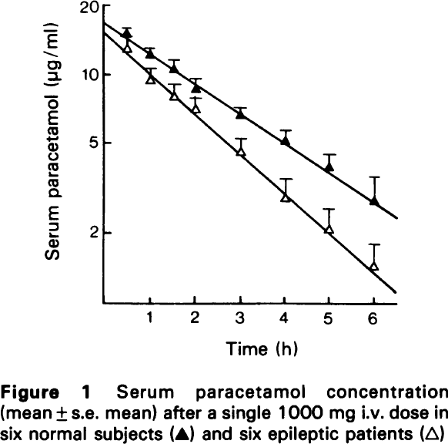
Perucca 1979 - PARACETAMOL DISPOSITION IN NORMAL SUBJECTS AND IN PATIENTS TREATED WITH ANTIEPILEPTIC DRUGS

species | human
method | 1000mg intravenous dose paracetamol
n | 6
subjects | normal & epileptic

Figure 1
study | time normal i.v. [h] | normal i.v. serum paracetamol concentration [μg/ml] | normal i.v. serum paracetamol concentration SE [μg/ml] | time epileptic i.v. [h] | epileptic i.v. serum paracetamol concentration [μg/ml] | epileptic i.v. serum paracetamol concentration SE [μg/ml]
study | time_normal_i.v. | normal_i.v._serum_paracetamol_concentration | normal_i.v._serum_paracetamol_concentration_SE | time_epileptic_i.v. | epileptic_i.v._serum_paracetamol_concentration | epileptic_i.v._serum_paracetamol_concentration_SE
Perucca1979 | 0.5 | 14.7854 | 1.0740 | 0.5 | 12.6551 | 1.1303
Perucca1979 | 1.0 | 11.9996 | 1.0706 | 1.0 | 8.9989 | 1.6778
Perucca1979 | 1.5 | 10.6090 | 0.9486 | 1.6 | 7.7728 | 1.1682
Perucca1979 | 2.0 | 8.4776 | 1.0496 | 2.1 | 6.9792 | 0.9239
Perucca1979 | 3.0 | 6.6251 | 0.5355 | 3.0 | 4.5604 | 0.7271
Perucca1979 | 4.0 | 5.0593 | 0.6703 | 4.0 | 2.8665 | 0.6702
Perucca1979 | 5.0 | 3.9234 | 0.4851 | 5.0 | 2.0251 | 0.5321
Perucca1979 | 6.0 | 2.7287 | 0.8822 | 6.0 | 1.4643 | 0.3422

Figure2
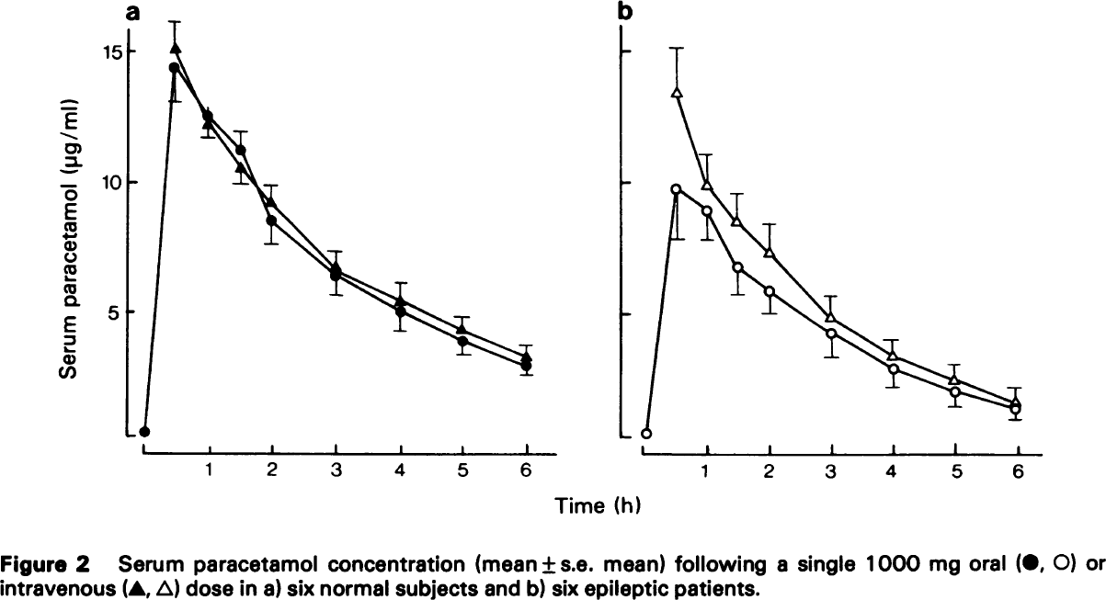
Perucca 1979 - PARACETAMOL DISPOSITION IN NORMAL SUBJECTS AND IN PATIENTS TREATED WITH ANTIEPILEPTIC DRUGS

species | human
method | 1000mg dose paracetamol
n | 6
subjects | normal & epileptic

Figure 2
study | time normal oral [h] | normal oral serum paracetamol concentration [μg/ml] | normal oral serum paracetamol concentration SE [μg/ml] | time normal i.v. [h] | normal i.v. serum paracetamol concentration [μg/ml] | normal i.v. serum paracetamol concentration SE [μg/ml] | time epileptic oral [h] | epileptic oral serum paracetamol concentration [μg/ml] | epileptic oral serum paracetamol concentration SE [μg/ml] | time epileptic i.v. [h] | epileptic i.v. serum paracetamol concentration [μg/ml] | epileptic i.v. serum paracetamol concentration SE [μg/ml]
study | time_normal_oral | normal_oral_serum_paracetamol_concentration | normal_oral_serum_paracetamol_concentration_SE | time_normal_i.v. | normal_i.v._serum_paracetamol_concentration | normal_i.v._serum_paracetamol_concentration_SE | time_epileptic_oral | epileptic_oral_serum_paracetamol_concentration | epileptic_oral_serum_paracetamol_concentration_SE | time_epileptic_i.v. | epileptic_i.v._serum_paracetamol_concentration | epileptic_i.v._serum_paracetamol_concentration_SE
Perucca1979 | 0.0 | 0.1449 |  |  |  |  | 0.0 | 0.1047
Perucca1979 | 0.4 | 14.4316 | 1.3245 | 0.4 | 15.1477 | 1.0383 | 0.5 | 9.6377 | 2.0003 | 0.6 | 13.3160 | 1.785977
Perucca1979 | 1.0 | 12.5376 | 0.8595 | 1.0 | 12.0721 | 0.3580 | 1.0 | 8.7417 | 1.0355 | 1.0 | 9.6345 | 1.2857145
Perucca1979 | 1.5 | 11.2160 | 0.7517 | 1.5 | 10.3567 | 1.5392 | 1.5 | 6.6317 | 1.2857 | 1.5 | 8.3819 | 1.10688
Perucca1979 | 2.0 | 8.4263 | 0.8947 | 2.0 | 9.1425 | 0.6443 | 2.0 | 5.6286 | 0.8928 | 2.0 | 7.0930 | 1.1785715
Perucca1979 | 3.0 | 6.1771 | 0.6445 | 3.0 | 6.7498 | 0.4297 | 3.0 | 3.9798 | 0.8929 | 3.0 | 4.5157 | 0.8929447
Perucca1979 | 4.0 | 4.8229 | 0.7519 | 4.0 | 5.2881 | 0.7160 | 4.0 | 2.6168 | 0.7855 | 3.9 | 3.0815 | 0.6425071
Perucca1979 | 5.0 | 3.6472 | 0.3580 | 5.0 | 4.2201 | 0.5008 | 5.0 | 1.6823 | 0.5712 | 5.0 | 2.0755 | 0.6428571
Perucca1979 | 6.0 | 2.7941 | 0.3222 | 6.0 | 3.0803 | 0.5012 | 6.0 | 1.0338 | 0.3929 | 6.0 | 1.3193 | 0.5717788

(a) normal
(b) epileptic

