Figure 2
Shinoda2007 - Pharmacokinetics/Pharmacodynamics of Acetaminophen Analgesia in Japanese patients with chronic pain

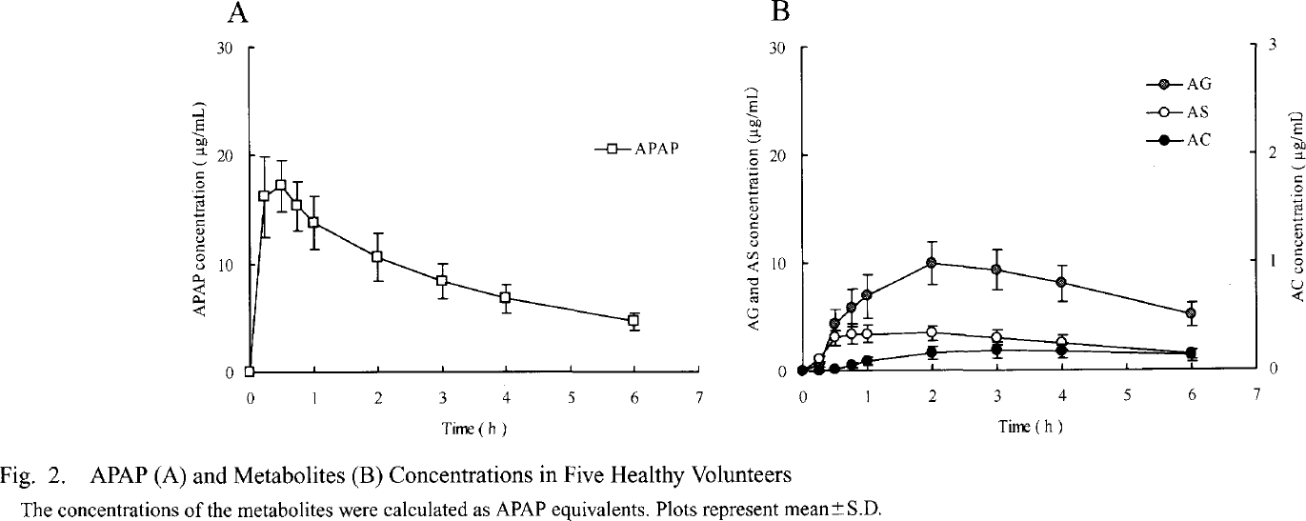
species | human
method | 1000mg oral dose acetaminophen
n | 5
subjects | healthy volunteers

Figure 2 A
study | time acetaminophen [h] | acetaminophen plasma concentration [μg/ml] | acetaminophen plasma concentration SD [μg/ml]
study | time_acetaminophen | acetaminophen_concentration | acetaminophen_concentration_SD
Shinonda2007 | 0.0 | 0.1768 | NA
Shinonda2007 | 0.2 | 16.3260 | 3.4418
Shinonda2007 | 0.5 | 17.3893 | 2.1171
Shinonda2007 | 0.7 | 15.5386 | 1.9414
Shinonda2007 | 1.0 | 13.8659 | 2.3820
Shinonda2007 | 2.0 | 10.8780 | 2.0298
Shinonda2007 | 3.0 | 8.5084 | 1.5000
Shinonda2007 | 4.0 | 7.0214 | 1.0585
Shinonda2007 | 6.0 | 4.7522 | 0.7059

Figure 2 B
study | time sulphate [h] | sulphate plasma concentration [μg/ml] | sulphate plasma concentration SD [μg/ml] | time glucuronide [h] | glucuronide plasma concentration [μg/ml] | glucuronide plasma concentration SD [μg/ml] | time cysteine [h] | cysteine plasma concentration [μg/ml] | cysteine plasma concentration SD [μg/ml]
study | time_sulphate | sulphate_concentration | sulphate_concentration_SD | time_glucuronide | glucuronide_concentration | glucuronide_concentration_SD | time_cysteine | cysteine_concentration | cysteine_concentration_SD
Shinonda2007 | 0.0 | 0.0882 | NA | 0.0147 | 0 | NA | 0.0000 | 0.0000 | NA
Shinonda2007 | 0.2 | 1.0560 | NA | 0.2503 | 0.9674 | NA | 0.2353 | 0.0000 | NA
Shinonda2007 | 0.5 | 3.1701 | 0.88197 | 0.4868 | 4.3174 | 1.4998 | 0.4706 | 0.0083 | NA
Shinonda2007 | 0.8 | 3.2550 | 0.79392 | 0.7373 | 5.7260 | 1.8531 | 0.7354 | 0.0345 | NA
Shinonda2007 | 1.0 | 3.3405 | 0.79411 | 0.9582 | 6.6055 | 2.3820 | 1.0150 | 0.0695 | 0.0442
Shinonda2007 | 2.0 | 3.5045 | 0.79429 | 2.0182 | 10.0333 | 1.9415 | 1.9859 | 0.1568 | 0.0619
Shinonda2007 | 3.0 | 3.1388 | 0.52922 | 2.9885 | 9.2270 | 1.9412 | 2.9712 | 0.1644 | 0.0708
Shinonda2007 | 4.0 | 2.5970 | 0.44136 | 3.9734 | 8.1557 | 1.4998 | 4.0006 | 0.1543 | 0.0531
Shinonda2007 | 6.0 | 1.5130 | 0.52978 | 5.9871 | 5.2186 | 1.1474 | 5.9858 | 0.1252 | 0.0443

