Fig1
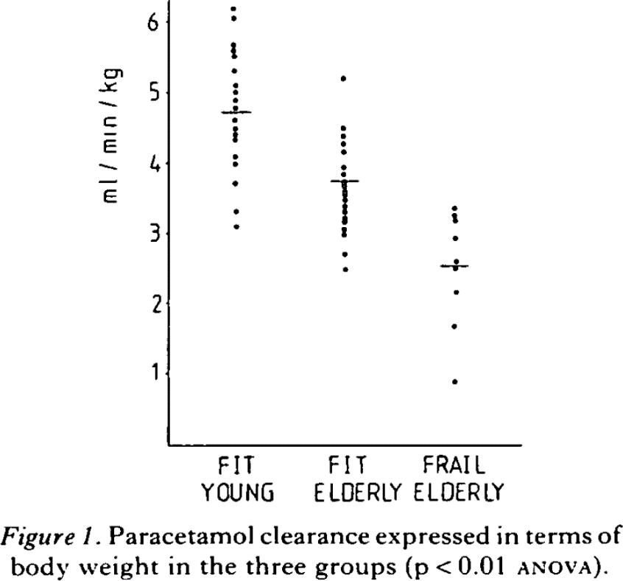
study | Health status [-] values=[healthy] | Age class [-] values=[young, elderly] | Fitness status [-] values=[fit,frail] | Paracetamol clearance per bodyweight [ml/min/kg] values=double
study | health_status | age_class | fitness_status | cl
Wynne1990 | healthy | young | fit | 6.1950
Wynne1990 | healthy | young | fit | 6.0495
Wynne1990 | healthy | young | fit | 5.7017
Wynne1990 | healthy | young | fit | 5.6068
Wynne1990 | healthy | young | fit | 5.5246
Wynne1990 | healthy | young | fit | 5.3032
Wynne1990 | healthy | young | fit | 5.1136
Wynne1990 | healthy | young | fit | 5.0187
Wynne1990 | healthy | young | fit | 4.9112
Wynne1990 | healthy | young | fit | 4.7973
Wynne1990 | healthy | young | fit | 4.6075
Wynne1990 | healthy | young | fit | 4.4747
Wynne1990 | healthy | young | fit | 4.4051
Wynne1990 | healthy | young | fit | 4.3292
Wynne1990 | healthy | young | fit | 4.0952
Wynne1990 | healthy | young | fit | 3.9751
Wynne1990 | healthy | young | fit | 3.6968
Wynne1990 | healthy | young | fit | 3.3236
Wynne1990 | healthy | young | fit | 3.0770
Wynne1990 | healthy | elderly | fit | 5.2172
Wynne1990 | healthy | elderly | fit | 4.5025
Wynne1990 | healthy | elderly | fit | 4.3949
Wynne1990 | healthy | elderly | fit | 4.2938
Wynne1990 | healthy | elderly | fit | 4.1547
Wynne1990 | healthy | elderly | fit | 3.9332
Wynne1990 | healthy | elderly | fit | 3.8510
Wynne1990 | healthy | elderly | fit | 3.7625
Wynne1990 | healthy | elderly | fit | 3.6866
Wynne1990 | healthy | elderly | fit | 3.6045
Wynne1990 | healthy | elderly | fit | 3.5033
Wynne1990 | healthy | elderly | fit | 3.4084
Wynne1990 | healthy | elderly | fit | 3.3198
Wynne1990 | healthy | elderly | fit | 3.2312
Wynne1990 | healthy | elderly | fit | 3.1680
Wynne1990 | healthy | elderly | fit | 3.0731
Wynne1990 | healthy | elderly | fit | 2.9909
Wynne1990 | healthy | elderly | fit | 2.7252
Wynne1990 | healthy | elderly | fit | 2.4850
Wynne1990 | healthy | elderly | frail | 3.3857
Wynne1990 | healthy | elderly | frail | 3.2844
Wynne1990 | healthy | elderly | frail | 3.1959
Wynne1990 | healthy | elderly | frail | 2.9430
Wynne1990 | healthy | elderly | frail | 2.6267
Wynne1990 | healthy | elderly | frail | 2.5255
Wynne1990 | healthy | elderly | frail | 2.1903
Wynne1990 | healthy | elderly | frail | 1.7095
Wynne1990 | healthy | elderly | frail | 0.9189

Fig2
study | Health status [-] values=[healthy] | Age class [-] values=[young, elderly] | Fitness status [-] values=[fit,frail] | Paracetamol clearance per unit volume of liver [ml/min/l]
study | health_status | age_class | fitness_status | cl_lw
Wynne1990 | healthy | young | fit | 406.193
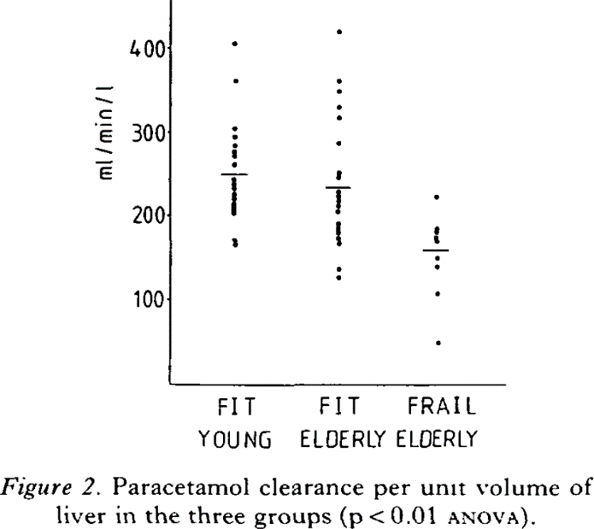
Wynne1990 | healthy | young | fit | 361.61008
Wynne1990 | healthy | young | fit | 304.4288
Wynne1990 | healthy | young | fit | 293.85043
Wynne1990 | healthy | young | fit | 283.77487
Wynne1990 | healthy | young | fit | 277.72952
Wynne1990 | healthy | young | fit | 272.18796
Wynne1990 | healthy | young | fit | 261.10388
Wynne1990 | healthy | young | fit | 243.97444
Wynne1990 | healthy | young | fit | 238.9357
Wynne1990 | healthy | young | fit | 231.38095
Wynne1990 | healthy | young | fit | 226.34413
Wynne1990 | healthy | young | fit | 220.80064
Wynne1990 | healthy | young | fit | 213.74484
Wynne1990 | healthy | young | fit | 207.19766
Wynne1990 | healthy | young | fit | 202.15988
Wynne1990 | healthy | young | fit | 170.92851
Wynne1990 | healthy | young | fit | 165.38792
Wynne1990 | healthy | elderly | fit | 420.03146
Wynne1990 | healthy | elderly | fit | 361.09036
Wynne1990 | healthy | elderly | fit | 349.50443
Wynne1990 | healthy | elderly | fit | 329.85706
Wynne1990 | healthy | elderly | fit | 316.75787
Wynne1990 | healthy | elderly | fit | 285.01886
Wynne1990 | healthy | elderly | fit | 251.26862
Wynne1990 | healthy | elderly | fit | 244.71756
Wynne1990 | healthy | elderly | fit | 230.10992
Wynne1990 | healthy | elderly | fit | 223.55887
Wynne1990 | healthy | elderly | fit | 218.51917
Wynne1990 | healthy | elderly | fit | 212.47285
Wynne1990 | healthy | elderly | fit | 204.41338
Wynne1990 | healthy | elderly | fit | 190.81136
Wynne1990 | healthy | elderly | fit | 186.27638
Wynne1990 | healthy | elderly | fit | 181.2386
Wynne1990 | healthy | elderly | fit | 174.18764
Wynne1990 | healthy | elderly | fit | 167.63948
Wynne1990 | healthy | elderly | fit | 136.40425
Wynne1990 | healthy | elderly | fit | 127.33625
Wynne1990 | healthy | elderly | frail | 223.27803
Wynne1990 | healthy | elderly | frail | 185.9994
Wynne1990 | healthy | elderly | frail | 181.96822
Wynne1990 | healthy | elderly | frail | 174.40865
Wynne1990 | healthy | elderly | frail | 169.8785
Wynne1990 | healthy | elderly | frail | 150.23114
Wynne1990 | healthy | elderly | frail | 139.65276
Wynne1990 | healthy | elderly | frail | 106.40629
Wynne1990 | healthy | elderly | frail | 47.967033

Tab1
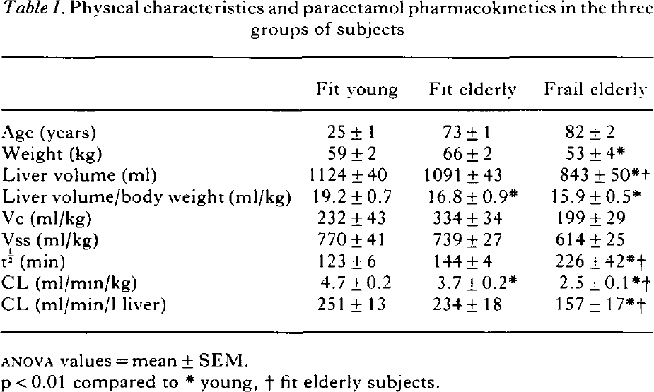
study | Health status [-] values=[healthy] | Age class [-] values=[young, elderly] | Fitness status [-] values=[fit,frail] | Age [years] | Age SE [years] | weight [kg] | weight SE [kg] | liver volume [ml] | liver volume SE [ml] | liver volume per body weight [ml/kg] | liver volume per body weight SE [ml/kg] | Vc [ml/kg] | Vc SE [ml/kg] | Vss [ml/kg] | Vss SE [ml/kg] | Paracetamol halflife [min] | Paracetamol halflife SE [min] | Paracetamol clearance [ml/min/kg] | Paracetamol clearance SE [ml/min/kg] | Paracetamol clearance per liver volume [ml/min/l] | Paracetamol clearance per liver volume SE [ml/min/l]
study | health_status | age_class | fitness_status | age | age_se | weight | weight_se | liv_vol | liv_vol_se | liv_vol_bw | liv_vol_bw_se | vc | vc_se | vss | vss_se | t_half | t_half_se | cl | cl_se | Cl_liver | Cl_liver_SE
Wynne1990 | healthy | young | fit | 25 | 1 | 59 | 2 | 1124 | 40 | 19.2 | 0.7 | 232 | 43 | 770 | 41 | 123 | 6 | 4.7 | 0.2 | 251 | 13
Wynne1990 | healthy | elderly | fit | 73 | 1 | 66 | 2 | 1091 | 43 | 16.8 | 0.9 | 334 | 34 | 739 | 27 | 144 | 4 | 3.7 | 0.2 | 234 | 18
Wynne1990 | healthy | elderly | frail | 82 | 2 | 53 | 4 | 843 | 50 | 15.9 | 0.5 | 199 | 29 | 614 | 25 | 226 | 42 | 2.5 | 0.1 | 157 | 17

Tab3
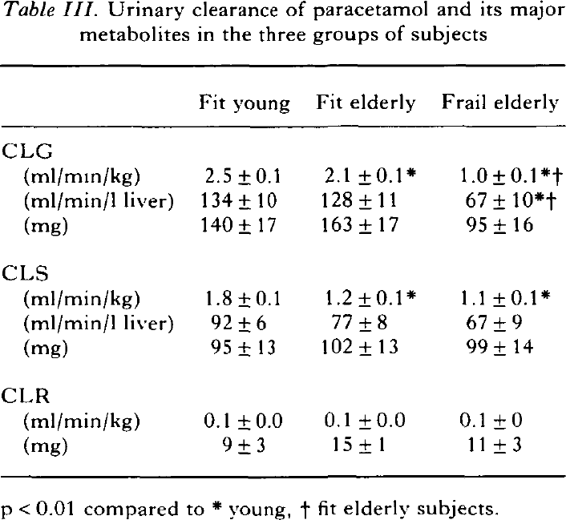
study | Health status [-] values=[healthy] | Age class [-] values=[young, elderly] | Fitness status [-] values=[fit,frail] | CLG [ml/(min*kg)] | CLG_SE [ml/(min*kg)] | CLG [ml/(min*l liver)] | CLG_SE [ml/(min*l liver)] | CLG [mg] | CLG_SE [mg] | CLS [ml/(min*kg)] | CLS_SE [ml/(min*kg)] | CLS [ml/(min*l liver)] | CLS_SE [ml/(min*l liver)] | CLS [mg] | CLS_SE [mg] | CLR [ml/(min*kg)] | CLR_SE [ml/(min*kg)] | CLR [mg] | CLR_SE [mg]
study | health_status | age_class | fitness_status | clg | clg_se | clg_lw | clg_lw_se | clg_mg | clg_mg_se | cls | cls_se | cls_lw | cls_lw_se | cls_mg | cls_mg_se | clr | clr_se | clr_mg | clr_mg_se
Wynne1990 | healthy | young | fit | 2.5 | 0.1 | 134 | 10 | 140 | 17 | 1.8 | 0.1 | 92 | 6 | 95 | 13 | 0.1 | 0.0 | 9 | 3
Wynne1990 | healthy | elderly | fit | 2.1 | 0.1 | 128 | 11 | 163 | 17 | 1.2 | 0.1 | 77 | 8 | 102 | 13 | 0.1 | 0.0 | 15 | 1
Wynne1990 | healthy | elderly | frail | 1.0 | 0.1 | 67 | 10 | 95 | 16 | 1.1 | 0.1 | 67 | 9 | 99 | 14 | 0.1 | 0.0 | 11 | 3

