Tab1
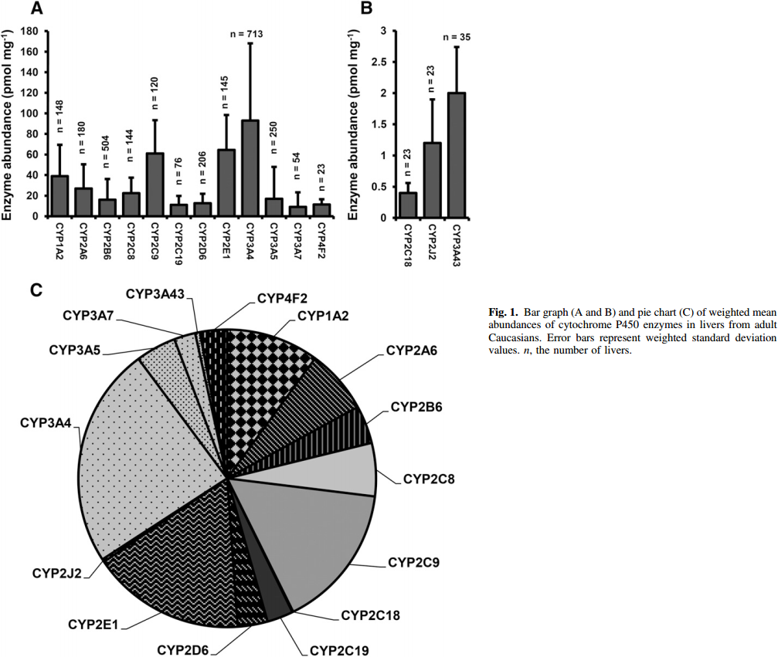
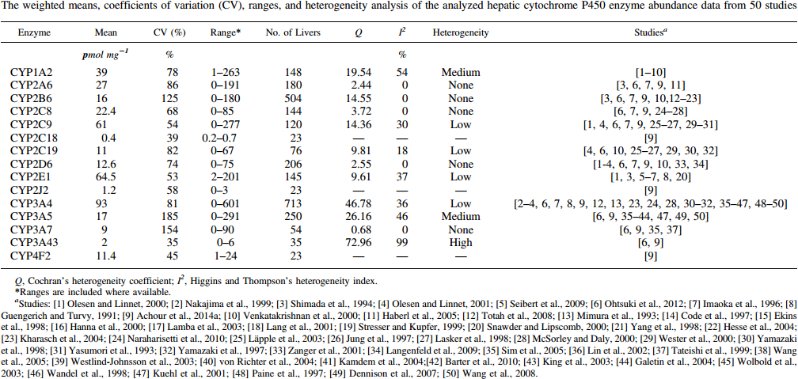
study | enzyme | N | enzyme abundance [pmol/mg] | enzyme abundance CV [%] | enzyme abundance range bottom [pmol/mg] | enzyme abundance range top [pmol/mg] | No. of livers | Cochran's heterogeneity coefficient Q | Higgins and Thompson's heterogeneity index l^2 | heterogeneity
study | enzyme | N | abundance | abundance_cv | abundance_min | abundance_max | N_livers | Q | Isquare | heterogeneity
Archour2014 | CYP1A2 | 148 | 39 | 78 | 1 | 263 | 148 | 19.54 | 54 | medium
Archour2014 | CYP2A6 | 180 | 27 | 86 | 0 | 191 | 180 | 2.44 | 0 | none
Archour2014 | CYP2B6 | 504 | 16 | 125 | 0 | 180 | 504 | 14.55 | 0 | none
Archour2014 | CYP2C8 | 144 | 22.4 | 68 | 0 | 85 | 144 | 3.72 | 0 | none
Archour2014 | CYP2C9 | 120 | 61 | 54 | 0 | 277 | 120 | 14.36 | 30 | low
Archour2014 | CYP2C18 | 76 | 0.4 | 39 | 0.2 | 0.7 | 23 | NA | NA | NA
Archour2014 | CYP2C19 | 206 | 11 | 82 | 0 | 67 | 76 | 9.81 | 18 | low
Archour2014 | CYP2D6 | 145 | 12.6 | 74 | 0 | 75 | 206 | 2.55 | 0 | none
Archour2014 | CYP2E1 | 713 | 64.5 | 53 | 2 | 201 | 145 | 9.61 | 37 | low
Archour2014 | CYP2J2 | 250 | 1.2 | 58 | 0 | 3 | 23 | NA | NA | NA
Archour2014 | CYP3A4 | 54 | 93 | 81 | 0 | 601 | 713 | 46.78 | 36 | low
Archour2014 | CYP3A5 | 23 | 17 | 185 | 0 | 291 | 250 | 26.16 | 46 | medium
Archour2014 | CYP3A7 | 23 | 9 | 154 | 0 | 90 | 54 | 0.68 | 0 | none
Archour2014 | CYP3A43 | 23 | 2 | 35 | 0 | 6 | 35 | 72.96 | 99 | high
Archour2014 | CYP4F2 | 35 | 11.4 | 45 | 1 | 24 | 45 | NA | NA | NA

Fig3
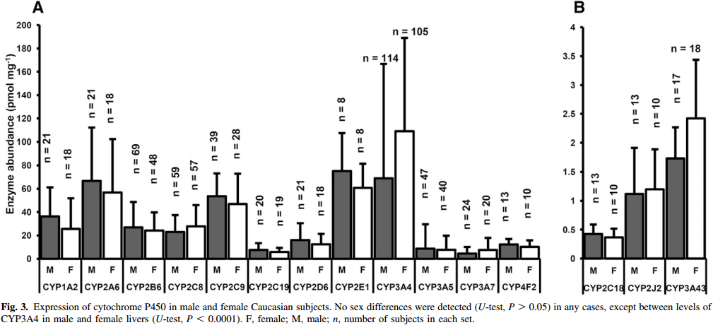
study | enzyme | gender | N | enzyme abundance [pmol/mg] | enzyme abundance SD [pmol/mg]
study | enzyme | gender | N | abundance | abundance_sd
Archour2014 | CYP1A2 | M | 21 | 36.98 | 24.85
Archour2014 | CYP2A6 | M | 21 | 67.33 | 45.46
Archour2014 | CYP2B6 | M | 69 | 27.39 | 21.82
Archour2014 | CYP2C8 | M | 59 | 21.38 | 16.36
Archour2014 | CYP2C9 | M | 39 | 54.76 | 20.61
Archour2014 | CYP2C18 | M | 20 | 7.54 | 7.88
Archour2014 | CYP2C19 | M | 21 | 17.29 | 15.15
Archour2014 | CYP2D6 | M | 8 | 76.73 | 32.12
Archour2014 | CYP2E1 | M | 114 | 68.90 | 98.18
Archour2014 | CYP2J2 | M | 47 | 9.56 | 21.21
Archour2014 | CYP3A4 | M | 24 | 5.37 | 6.06
Archour2014 | CYP3A5 | M | 13 | 14.51 | 3.64
Archour2014 | CYP3A7 | M | 13 | 0.44 | 0.17
Archour2014 | CYP3A43 | M | 13 | 1.09 | 0.82
Archour2014 | CYP4F2 | M | 17 | 1.74 | 0.51
Archour2014 | CYP1A2 | F | 18 | 26.10 | 26.06
Archour2014 | CYP2A6 | F | 18 | 57.67 | 46.06
Archour2014 | CYP2B6 | F | 48 | 23.77 | 16.97
Archour2014 | CYP2C8 | F | 57 | 28.67 | 18.79
Archour2014 | CYP2C9 | F | 28 | 47.51 | 25.46
Archour2014 | CYP2C18 | F | 19 | 5.74 | 5.46
Archour2014 | CYP2C19 | F | 18 | 13.07 | 9.09
Archour2014 | CYP2D6 | F | 8 | 61.00 | 21.21
Archour2014 | CYP2E1 | F | 105 | 110.75 | 79.39
Archour2014 | CYP2J2 | F | 40 | 6.55 | 12.73
Archour2014 | CYP3A4 | F | 20 | 9.64 | 8.48
Archour2014 | CYP3A5 | F | 10 | 10.29 | 6.06
Archour2014 | CYP3A7 | F | 10 | 0.36 | 0.17
Archour2014 | CYP3A43 | F | 10 | 1.20 | 0.69
Archour2014 | CYP4F2 | F | 18 | 2.45 | 0.99

