Figure 2
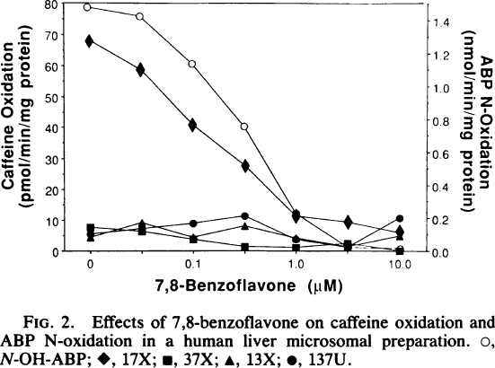
Butler 1989 - Human cytochrome P-450PA (P-450IA2), the phenacetin O-deet-hylase, is primarily responsible for the hepatic 3-demethylation of caffeine and N-oxidation of carcinogenic arylamines

species
method
n
subjects

Figure 2
study | N-OH-ABP - 7,8-Benzoflavone [μM] | N-OH-ABP - Caffeine oxidation [pmol/(min*mg protein)] | N-OH-ABP - ABP N-Oxidation [nmol/(min*mg protein)] | 17X - 7,8-Benzoflavone [μM] | 17X - Caffeine oxidation [pmol/(min*mg protein)] | 17X - ABP N-Oxidation [nmol/(min*mg protein)] | 37X - 7,8-Benzoflavone [μM] | 37X - Caffeine oxidation [pmol/(min*mg protein)] | 37X - ABP N-Oxidation [nmol/(min*mg protein)] | 13X - 7,8-Benzoflavone [μM] | 13X - Caffeine oxidation [pmol/(min*mg protein)] | 13X - ABP N-Oxidation [nmol/(min*mg protein)] | 137U - 7,8-Benzoflavone [μM] | 137U - Caffeine oxidation [pmol/(min*mg protein)] | 137U - ABP N-Oxidation [nmol/(min*mg protein)]
study | N-OH-ABP_7,8-Benzoflavone | N-OH-ABP_caffeine_oxidation | N-OH-ABP_ABP_N-oxidation | 17X_7,8-Benzoflavone | 17X_caffeine_oxidation | 17X_ABP_N-oxidation | 37X_7,8-Benzoflavone | 37X_caffeine_oxidation | 37X_ABP_N-oxidation | 13X_7,8-Benzoflavone | 13X_caffeine_oxidation | 13X_ABP_N-oxidation | 137U_7,8-Benzoflavone | 137U_caffeine_oxidation | 137U_ABP_N-oxidation
Butler1989 | -0.1 | 78.2744 | 1.4789 | 0.0 | 68.1274 | 1.2688 | 0.0 | 7.8378 | 0.1417 | 0.0 | 3.9256 | 0.0735 | 0.0 | 5.0846 | 0.0953
Butler1989 | 1.6 | 75.4058 | 1.4248 | 1.6 | 58.5866 | 1.1082 | 1.7 | 6.4132 | 0.1149 | 1.7 | 9.0217 | 0.1694 | 1.7 | 6.9927 | 0.1367
Butler1989 | 3.3 | 60.6746 | 1.1387 | 3.3 | 41.2193 | 0.7675 | 3.3 | 3.6834 | 0.0662 | 3.3 | 4.2629 | 0.0798 | 3.3 | 8.7557 | 0.1699
Butler1989 | 5.0 | 40.3011 | 0.7598 | 5.0 | 27.7659 | 0.5169 | 4.9 | 1.2437 | 0.0311 | 5.0 | 7.7650 | 0.1430 | 4.9 | 11.2433 | 0.2113
Butler1989 | 6.6 | 11.2472 | 0.2199 | 6.6 | 10.8326 | 0.2144 | 6.6 | 1.4125 | 0.0234 | 6.6 | 3.8760 | 0.0753 | 6.6 | 4.1655 | 0.0671
Butler1989 | 8.3 | 1.7228 | 0.0348 | 8.3 | 9.4073 | 0.1794 | 8.3 | 2.4506 | 0.0457 | 8.3 | 1.8709 | 0.0403 | 8.3 | 1.7260 | 0.0266
Butler1989 | 9.9 | 1.3131 | 0.0161 | 9.9 | 6.2432 | 0.1171 | 9.9 | 0.5910 | 0.0079 | 10.0 | 4.5038 | 0.0816 | 9.9 | 10.4459 | 0.2072

Figure 4
Butler 1989 - Human cytochrome P-450PA (P-450IA2), the phenacetin O-deet-hylase, is primarily responsible for the hepatic 3-demethylation of caffeine and N-oxidation of carcinogenic arylamines

species | human
method
n | 15
subjects | microsomal preparations from liver samples

Figure 4
study | Blot intensity | Caffeine 3-Demethylation [pmol/(min*mg protein)]
study | blot_intensity | caffeine_3-demethylation
Butler1989 | 0.2 | 12.3751
Butler1989 | 0.5 | 23.3797
Butler1989 | 0.6 | 11.1313
Butler1989 | 0.6 | 7.7219
Butler1989 | 0.7 | 15.9389
Butler1989 | 0.7 | 7.7670
Butler1989 | 0.6 | 37.7851
Butler1989 | 0.8 | 60.3769
Butler1989 | 1.1 | 65.2501
Butler1989 | 1.4 | 53.7459
Butler1989 | 1.3 | 109.7478
Butler1989 | 1.5 | 156.9267
Butler1989 | 2.0 | 109.2730
Butler1989 | 1.9 | 155.7135
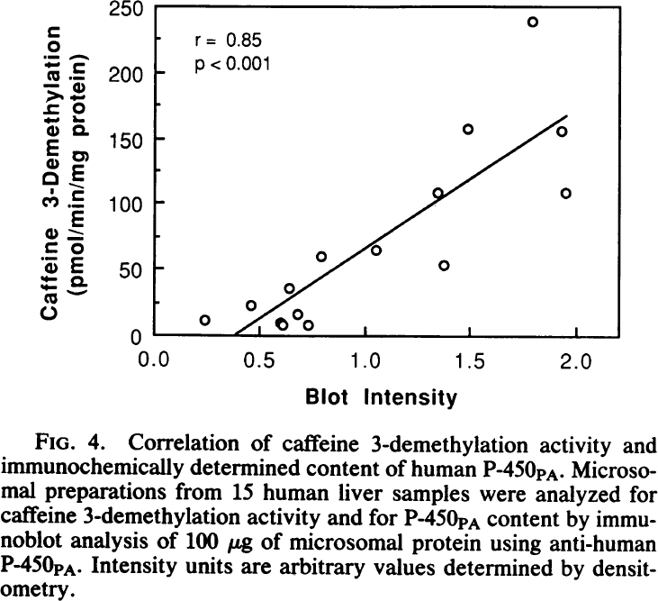
Butler1989 | 1.8 | 238.9997

Table 2
Butler 1989 - Human cytochrome P-450PA (P-450IA2), the phenacetin O-deet-hylase, is primarily responsible for the hepatic 3-demethylation of caffeine and N-oxidation of carcinogenic arylamines

species | human
method
n | 3-4
subjects | microsomal preparations from liver samples

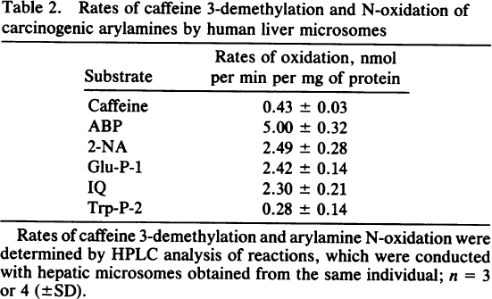
Figure 4
study | substrate | rates of oxidation [nmol/(min*mgprotein)] | rates of oxidation_SE [nmol/(min*mgprotein)]
study | substrate | rates_of_oxidation | rates_of_oxidation_SE
Butler1989 | caffeine | 0.43 | 0.03
Butler1989 | ABP | 5.00 | 0.32
Butler1989 | 2-NA | 2.49 | 0.28
Butler1989 | Glu-P-1 | 2.42 | 0.14
Butler1989 | IQ | 2.30 | 0.21
Butler1989 | Trp-P-2 | 0.28 | 0.14

