Figure 1
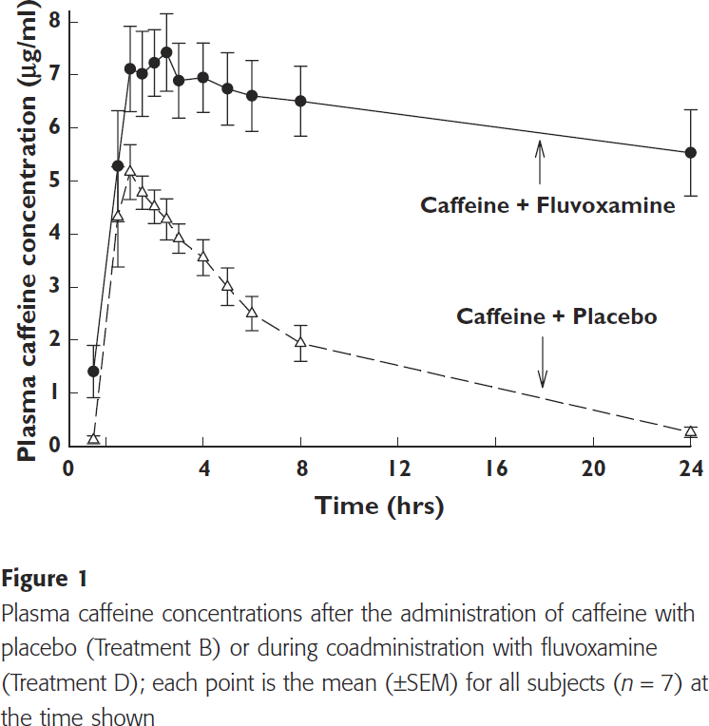
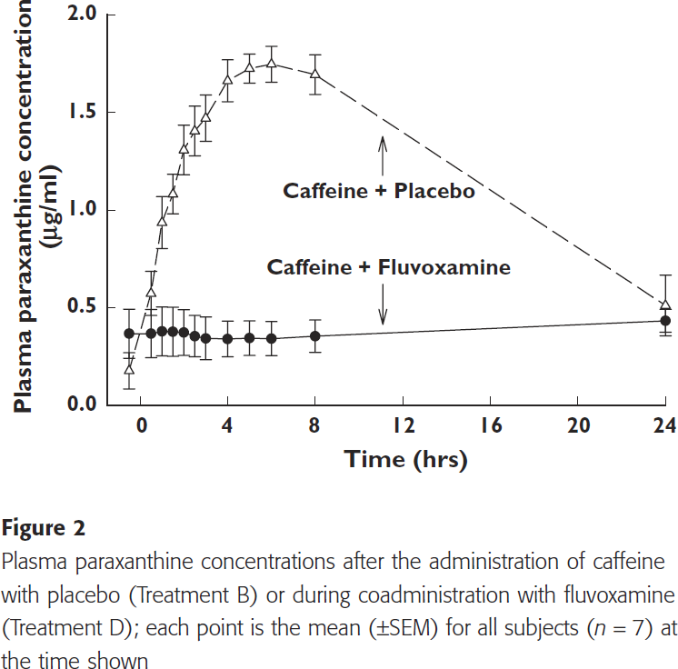
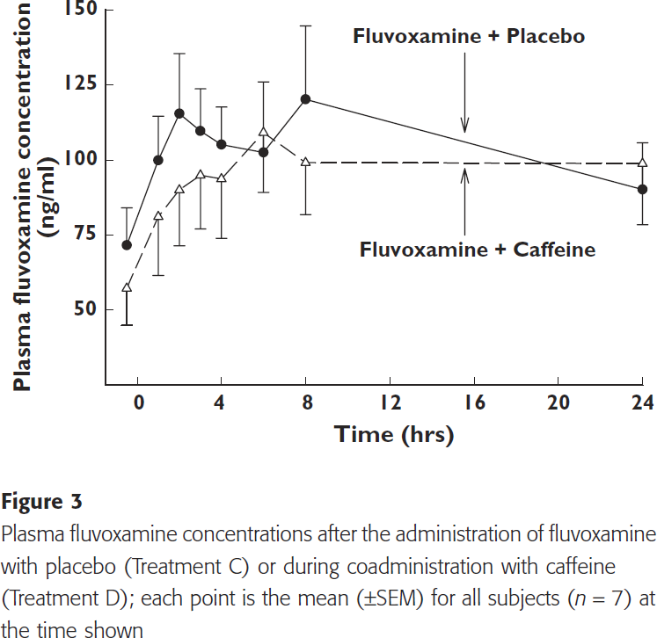
Culm-Merdek2005-Fluvoxamine impairs single-dose caffeine clearance without altering caffeine pharmacodynamics

species | human
method
n | 7
subjects | 6 men, 1 woman

Figure 1-3
study | time [h] | Plasma caffeine concentration [µg/ml] (Caffeine + Placebo) | Plasma caffeine concentration SE [µg/ml] (Caffeine + Placebo) | Plasma caffeine concentration [µg/ml] (Caffeine + Fluvoxamine) | Plasma caffeine concentration SE [µg/ml] (Caffeine + Fluvoxamine) | Plasma paraxanthine concentration [µg/ml] (Caffeine + Placebo) | Plasma paraxanthine concentration SE [µg/ml] (Caffeine + Placebo) | Plasma paraxanthine concentration [µg/ml] (Caffeine + Fluvoxamine) | Plasma paraxanthine concentration SE [µg/ml] (Caffeine + Fluvoxamine) | Plasma fluvoxamine concentration [ng/ml] (Fluvoxamine + Placebo) | Plasma fluvoxamine concentration SE [ng/ml] (Fluvoxamine + Placebo) | Plasma fluvoxamine concentration [ng/ml] (Fluvoxamine + Caffeine) | Plasma fluvoxamine concentration SE [ng/ml] (Fluvoxamine + Caffeine)
study | time | caffeine | caffeine_SE | caffeine_fluvoxamine | caffeine_fluvoxamine_SE | paraxanthine | paraxanthine_SE | paraxanthine_fluvoxamine | paraxanthine_fluvoxamine_SE | fluvoxamine | fluvoxamine_SE | fluvoxamine_caffeine | fluvoxamine_caffeine_SE
CulmMerdek2005 | -0.5 | 0.1432836 | 0.0716418 | 1.432836 | 0.465672 | 0.1725 | 0.0886 | 0.3667 | 0.1274 | 56.4252 | 14.3692 | 38.9019 | 14.7196
CulmMerdek2005 | 0.5 | 4.3343280 | 0.9552240 | 5.289552 | 1.050747 | 0.5781 | 0.1181 | 0.3667 | 0.1212 | NA | NA | NA | NA
CulmMerdek2005 | 1.0 | 5.1940300 | 0.5014923 | 7.128358 | 0.788060 | 0.9355 | 0.1305 | 0.3792 | 0.1212 | 90.0701 | 17.5234 | 67.2897 | 23.4813
CulmMerdek2005 | 1.5 | 4.7761190 | 0.3343290 | 7.032836 | 0.811940 | 1.0816 | 0.0995 | 0.3761 | 0.1274 | NA | NA | NA | NA
CulmMerdek2005 | 2.0 | 4.5253730 | 0.3223880 | 7.259702 | 0.620895 | 1.3116 | 0.1305 | 0.3730 | 0.1150 | 108.6449 | 23.8318 | 77.4533 | 21.7290
CulmMerdek2005 | 2.5 | 4.3462687 | 0.3343283 | 7.414926 | 0.752238 | 1.4048 | 0.1181 | 0.3543 | 0.1026 | NA | NA | NA | NA
CulmMerdek2005 | 3.0 | 3.9402986 | 0.2626867 | 6.913433 | 0.704478 | 1.4732 | 0.1243 | 0.3419 | 0.1088 | 101.6355 | 16.8224 | 84.1122 | 21.3785
CulmMerdek2005 | 4.0 | 3.5582090 | 0.3462686 | 6.961194 | 0.656716 | 1.6628 | 0.1057 | 0.3419 | 0.0901 | 96.0280 | 15.0701 | 82.3598 | 23.8318
CulmMerdek2005 | 5.0 | 3.0089552 | 0.3701492 | 6.770149 | 0.662687 | 1.7249 | 0.0746 | 0.3450 | 0.0870 | NA | NA | NA | NA
CulmMerdek2005 | 6.0 | 2.5074627 | 0.3223880 | 6.626866 | 0.656716 | 1.7467 | 0.0932 | 0.3450 | 0.0839 | 92.5234 | 28.0374 | 100.9346 | 23.8318
CulmMerdek2005 | 8.0 | 1.9701493 | 0.3104477 | 6.519403 | 0.662686 | 1.6939 | 0.1026 | 0.3543 | 0.0839 | 114.6028 | 29.0888 | 88.6682 | 19.9766
CulmMerdek2005 | 24.0 | 0.2746269 | 0.1074627 | 5.540299 | 0.817911 | 0.5097 | 0.1523 | 0.4320 | 0.0559 | 78.1542 | 18.9252 | 88.3178 | 24.1823

Table 1
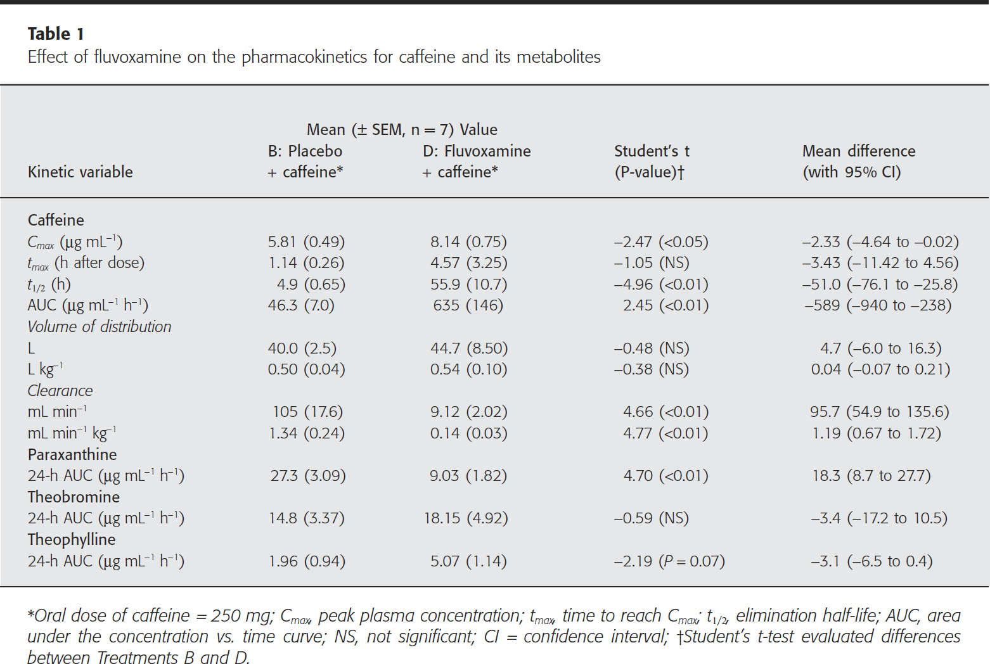
Table 1
study | kinetic variable | kinetic variable | Placebo + Caffeine | Placebo + Caffeine_SE | Fluvoxamine + Caffeine | Fluvoxamine + Caffeine_SE | Student's t-test | P-value | Mean Difference | 95% Confidence Interval low | 95% Confidence Interval high
 |  | kinetic variable | placebo_caffeine | placebo_caffeine_SE | fluvoxamine_caffeine | fluvoxamine_caffeine_SE | student's_t | p_value | mean_difference | 95%CI_low | 95%CI_high
CulmMerdek2005 | Caffeine | Caffeine
CulmMerdek2005 | Cmax (peak plasma concentration) [μg/ml] | Cmax | 5.81 | 0.49 | 8.14 | 0.75 | -2.47 | <0.05 | -2.33 | -4.64 | -0.02
CulmMerdek2005 | tmax (Time to reach Cmax) [h after dose] | tmax | 1.14 | 0.26 | 4.57 | 3.25 | -1.05 | NS | -3.43 | -11.42 | 4.56
CulmMerdek2005 | t1/2 (elimination half-life) [h] | t1/2 | 4.9 | 0.65 | 55.9 | 10.7 | -4.96 | <0.01 | -51 | -76.1 | -25.8
CulmMerdek2005 | AUC (area under the concentration vs. time curve) [μg/(ml*h)] | AUC | 46.3 | 7 | 635 | 146 | 2.45 | <0.01 | -589 | -940 | -238
CulmMerdek2005 | Vd (volume of distribution) [l] | Vd | 40 | 2.5 | 44.7 | 8.5 | -0.48 | NS | 4.7 | -6 | 16.3
CulmMerdek2005 | Vd (volume of distribution) [l/kg] | Vd | 0.5 | 0.04 | 0.54 | 0.1 | -0.38 | NS | 0.04 | -0.07 | 0.21
CulmMerdek2005 | Cl (Clearance) [ml/min] | Cl | 105 | 17.6 | 9.12 | 2.02 | 4.66 | <0.01 | 95.7 | 54.9 | 135.6
CulmMerdek2005 | Cl (Clearance) [ml/(min*kg)] | Cl | 1.34 | 0.24 | 0.14 | 0.03 | 4.77 | <0.01 | 1.19 | 0.67 | 1.72
CulmMerdek2005 | Paraxanthine | Paraxanthine
CulmMerdek2005 | 24h_AUC [μg/(ml*h)] | 24h_AUC | 27.3 | 3.09 | 9.03 | 1.82 | 4.7 | <0.01 | 18.3 | 8.7 | 27.7
CulmMerdek2005 | Theobromine | Theobromine
CulmMerdek2005 | 24h_AUC [μg/(ml*h)] | 24h_AUC | 14.8 | 3.37 | 18.15 | 4.92 | -0.59 | NS | -3.4 | -17.2 | 10.5
CulmMerdek2005 | Theophylline | Theophylline
CulmMerdek2005 | 24h_AUC [μg/(ml*h)] | 24h_AUC | 1.96 | 0.94 | 5.07 | 1.14 | -2.19 | 0.07 | -3.1 | -6.5 | 0.4

