Table 3
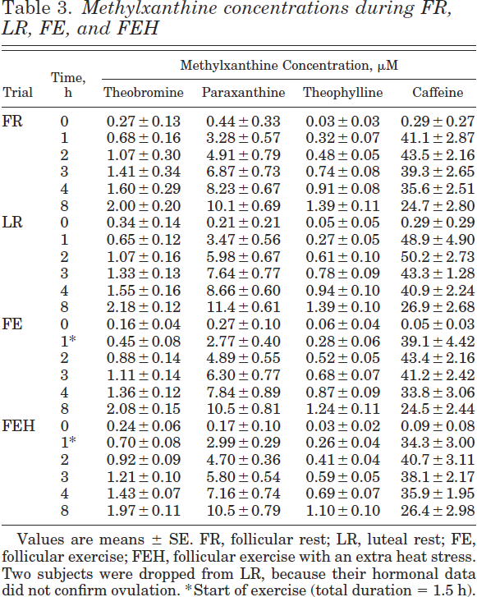
McLean2002 - Effects of thermal stress and exercise on caffeine pharmacokinetics

species | human
method
n
subjects | 8 women, 6 men

Table 3
study | trial | time [h] | theobromine (methylxanthine concentration, [µM]) | theobromine_SE (methylxanthine concentration, [µM]) | paraxanthine (methylxanthine concentration, [µM]) | paraxanthine_SE (methylxanthine concentration, [µM]) | theophylline (methylxanthine concentration, [µM]) | theophylline_SE (methylxanthine concentration, [µM]) | caffeine (methylxanthine concentration, [µM]) | caffeine_SE (methylxanthine concentration, [µM])
study | trial | time | theobromine | theobromine_SE | paraxanthine | paraxanthine_SE | theophylline | theophylline_SE | caffeine | caffeine_SE
McLean2002 | FR | 0 | 0.27 | 0.13 | 0.44 | 0.33 | 0.03 | 0.03 | 0.29 | 0.27
McLean2002 | FR | 1 | 0.68 | 0.16 | 3.28 | 0.57 | 0.32 | 0.07 | 41.1 | 2.87
McLean2002 | FR | 2 | 1.07 | 0.3 | 4.91 | 0.79 | 0.48 | 0.05 | 43.5 | 2.16
McLean2002 | FR | 3 | 1.41 | 0.34 | 6.87 | 0.73 | 0.74 | 0.08 | 39.3 | 2.65
McLean2002 | FR | 4 | 1.6 | 0.29 | 8.23 | 0.67 | 0.91 | 0.08 | 35.6 | 2.51
McLean2002 | FR | 8 | 2 | 0.2 | 10.1 | 0.69 | 1.39 | 0.11 | 24.7 | 2.8
McLean2002 | LR | 0 | 0.34 | 0.14 | 0.21 | 0.21 | 0.05 | 0.05 | 0.29 | 0.29
McLean2002 | LR | 1 | 0.65 | 0.12 | 3.47 | 0.56 | 0.27 | 0.05 | 48.9 | 4.9
McLean2002 | LR | 2 | 1.07 | 0.16 | 5.98 | 0.67 | 0.61 | 0.1 | 50.2 | 2.73
McLean2002 | LR | 3 | 1.33 | 0.13 | 7.64 | 0.77 | 0.78 | 0.09 | 43.3 | 1.28
McLean2002 | LR | 4 | 1.55 | 0.16 | 8.66 | 0.6 | 0.94 | 0.1 | 40.9 | 2.24
McLean2002 | LR | 8 | 2.18 | 0.12 | 11.4 | 0.61 | 1.39 | 0.1 | 26.9 | 2.68
McLean2002 | FE | 0 | 0.16 | 0.04 | 0.27 | 0.1 | 0.06 | 0.04 | 0.05 | 0.03
McLean2002 | FE | 1 | 0.45 | 0.08 | 2.77 | 0.4 | 0.28 | 0.06 | 39.1 | 4.42
McLean2002 | FE | 2 | 0.88 | 0.14 | 4.89 | 0.55 | 0.52 | 0.05 | 43.4 | 2.16
McLean2002 | FE | 3 | 1.11 | 0.14 | 6.3 | 0.77 | 0.68 | 0.07 | 41.2 | 2.42
McLean2002 | FE | 4 | 1.36 | 0.12 | 7.84 | 0.89 | 0.87 | 0.09 | 33.8 | 3.06
McLean2002 | FE | 8 | 2.08 | 0.15 | 10.5 | 0.81 | 1.24 | 0.11 | 24.5 | 2.44
McLean2002 | FEH | 0 | 0.24 | 0.06 | 0.17 | 0.1 | 0.03 | 0.02 | 0.09 | 0.08
McLean2002 | FEH | 1 | 0.7 | 0.08 | 2.99 | 0.29 | 0.26 | 0.04 | 34.3 | 3
McLean2002 | FEH | 2 | 0.92 | 0.09 | 4.7 | 0.36 | 0.41 | 0.04 | 40.7 | 3.11
McLean2002 | FEH | 3 | 1.21 | 0.1 | 5.8 | 0.54 | 0.59 | 0.05 | 38.1 | 2.17
McLean2002 | FEH | 4 | 1.43 | 0.07 | 7.16 | 0.74 | 0.69 | 0.07 | 35.9 | 1.95
McLean2002 | FEH | 8 | 1.97 | 0.11 | 10.5 | 0.79 | 1.1 | 0.1 | 26.4 | 2.98

Table 5
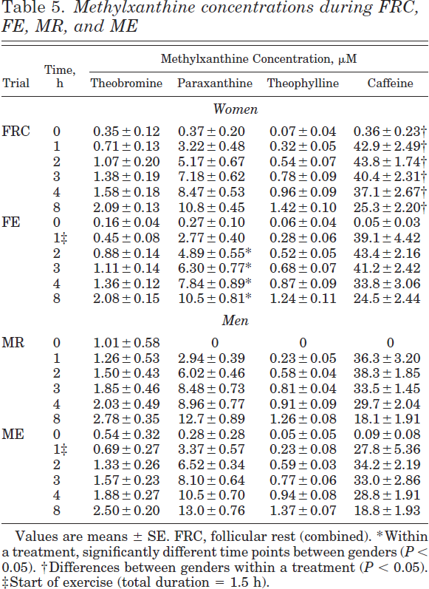
Table 5
study | trial | gender | time [h] | theobromine (methylxanthine concentration, [µM]) | theobromine_SE (methylxanthine concentration, [µM]) | paraxanthine (methylxanthine concentration, [µM]) | paraxanthine_SE (methylxanthine concentration, [µM]) | theophylline (methylxanthine concentration, [µM]) | theophylline_SE (methylxanthine concentration, [µM]) | caffeine (methylxanthine concentration, [µM]) | caffeine_SE (methylxanthine concentration, [µM])
study | trial | gender | time | theobromine | theobromine_SE | paraxanthine | paraxanthine_SE | theophylline | theophylline_SE | caffeine | caffeine_SE
McLean2002 | FRC | F | 0 | 0.35 | 0.12 | 0.37 | 0.2 | 0.07 | 0.04 | 0.36 | 0.23
McLean2002 | FRC | F | 1 | 0.71 | 0.13 | 3.22 | 0.48 | 0.32 | 0.05 | 42.9 | 2.49
McLean2002 | FRC | F | 2 | 1.07 | 0.2 | 5.17 | 0.67 | 0.54 | 0.07 | 43.8 | 1.74
McLean2002 | FRC | F | 3 | 1.38 | 0.19 | 7.18 | 0.62 | 0.78 | 0.09 | 40.4 | 2.31
McLean2002 | FRC | F | 4 | 1.58 | 0.18 | 8.47 | 0.53 | 0.96 | 0.09 | 37.1 | 2.67
McLean2002 | FRC | F | 8 | 2.09 | 0.13 | 10.8 | 0.45 | 1.42 | 0.1 | 25.3 | 2.2
McLean2002 | FE | F | 0 | 0.16 | 0.04 | 0.27 | 0.1 | 0.06 | 0.04 | 0.05 | 0.03
McLean2002 | FE | F | 1 | 0.45 | 0.08 | 2.77 | 0.4 | 0.28 | 0.06 | 39.1 | 4.42
McLean2002 | FE | F | 2 | 0.88 | 0.14 | 4.89 | 0.55 | 0.52 | 0.05 | 43.4 | 2.16
McLean2002 | FE | F | 3 | 1.11 | 0.14 | 6.3 | 0.77 | 0.68 | 0.07 | 41.2 | 2.42
McLean2002 | FE | F | 4 | 1.36 | 0.12 | 7.84 | 0.89 | 0.87 | 0.09 | 33.8 | 3.06
McLean2002 | FE | F | 8 | 2.08 | 0.15 | 10.5 | 0.81 | 1.24 | 0.11 | 24.5 | 2.44
McLean2002 | MR | M | 0 | 1.01 | 0.58 | NA | NA | NA | NA | NA | NA
McLean2002 | MR | M | 1 | 1.26 | 0.53 | 2.94 | 0.39 | 0.23 | 0.05 | 36.3 | 3.2
McLean2002 | MR | M | 2 | 1.5 | 0.43 | 6.02 | 0.46 | 0.58 | 0.04 | 38.3 | 1.85
McLean2002 | MR | M | 3 | 1.85 | 0.46 | 8.48 | 0.73 | 0.81 | 0.04 | 33.5 | 1.45
McLean2002 | MR | M | 4 | 2.03 | 0.49 | 8.96 | 0.77 | 0.91 | 0.09 | 29.7 | 2.04
McLean2002 | MR | M | 8 | 2.78 | 0.35 | 12.7 | 0.89 | 1.26 | 0.08 | 18.1 | 1.91
McLean2002 | ME | M | 0 | 0.54 | 0.32 | 0.28 | 0.28 | 0.05 | 0.05 | 0.09 | 0.08
McLean2002 | ME | M | 1 | 0.69 | 0.27 | 3.37 | 0.57 | 0.23 | 0.08 | 27.8 | 5.36
McLean2002 | ME | M | 2 | 1.33 | 0.26 | 6.52 | 0.34 | 0.59 | 0.03 | 34.2 | 2.19
McLean2002 | ME | M | 3 | 1.57 | 0.23 | 8.1 | 0.64 | 0.77 | 0.06 | 33 | 2.86
McLean2002 | ME | M | 4 | 1.88 | 0.27 | 10.5 | 0.7 | 0.94 | 0.08 | 28.8 | 1.91
McLean2002 | ME | M | 8 | 2.5 | 0.2 | 13 | 0.76 | 1.37 | 0.07 | 18.8 | 1.93

