Fig1
study | gender | Oral contraceptives (OCS) | N | time [h] | caffeine concentration [µg/ml] | caffeine concentration +- SE [µg/ml] | caffeine concentration SE [µg/ml] | caffeine concentration SD [µg/ml]
study | gender | oc | N | time | caf | caf_pm_se | caf_se | caf_sd
Patwardhan1980 | M | no | 13 | 0.259 | 4.009 | 4.987 | 0.978 | 3.525
Patwardhan1980 | M | no | 13 | 0.399 | 5.415 | 6.202 | 0.786 | 2.835
Patwardhan1980 | M | no | 13 | 0.602 | 7.060 | 7.805 | 0.744 | 2.684
Patwardhan1980 | M | no | 13 | 0.856 | 6.386 | 7.101 | 0.715 | 2.577
Patwardhan1980 | M | no | 13 | 1.433 | 5.776 | 6.423 | 0.647 | 2.332
Patwardhan1980 | M | no | 13 | 1.944 | 4.955 | 5.445 | 0.490 | 1.768
Patwardhan1980 | M | no | 13 | 2.458 | 4.698 | 5.132 | 0.435 | 1.567
Patwardhan1980 | M | no | 13 | 2.906 | 4.175 | 4.507 | 0.333 | 1.199
Patwardhan1980 | M | no | 13 | 3.864 | 3.239 | 3.415 | 0.177 | 0.636
Patwardhan1980 | M | no | 13 | 4.889 | 2.619 | 2.729 | 0.110 | 0.398
Patwardhan1980 | M | no | 13 | 6.880 | 2.007 | 2.092 | 0.085 | 0.305
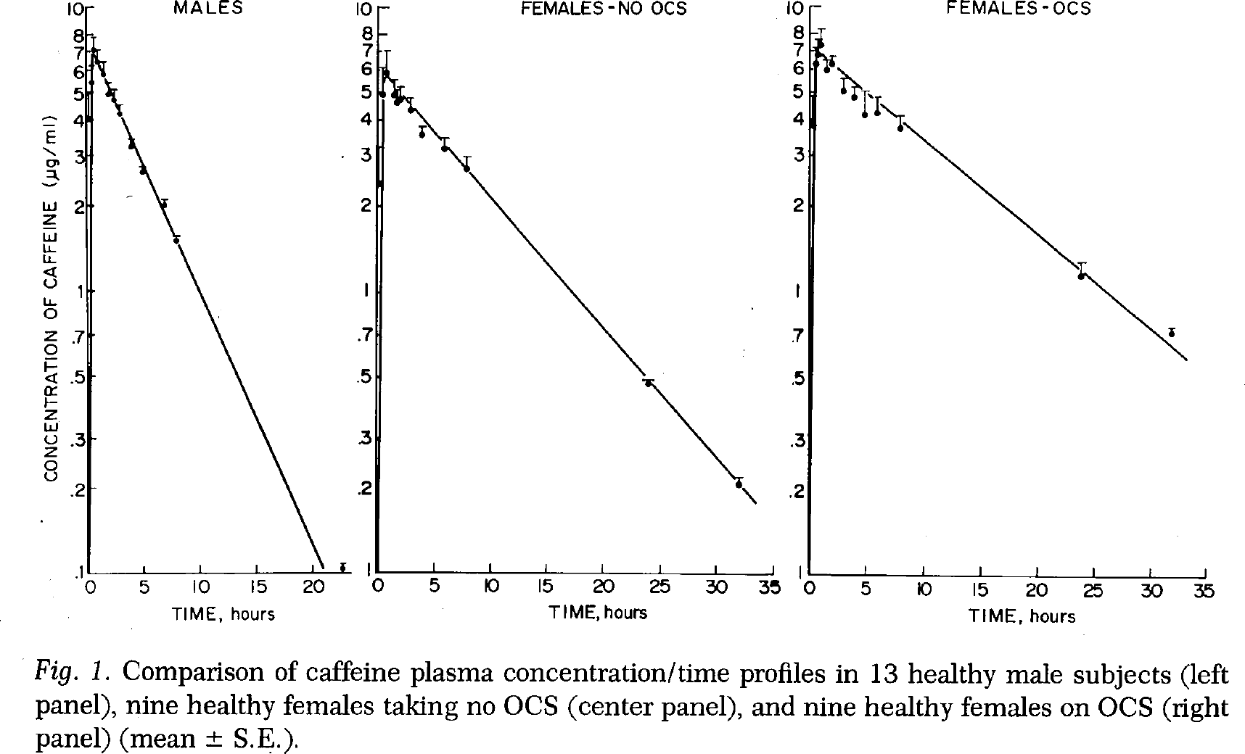
Patwardhan1980 | M | no | 13 | 7.837 | 1.494 | 1.548 | 0.054 | 0.194
Patwardhan1980 | M | no | 13 | 22.646 | 0.104 | 0.120 | 0.016 | 0.059
Patwardhan1980 | F | no | 9 | 0.131 | 2.392 | 3.214 | 0.822 | 2.467
Patwardhan1980 | F | no | 9 | 0.281 | 4.921 | 6.123 | 1.203 | 3.609
Patwardhan1980 | F | no | 9 | 0.655 | 5.877 | 7.059 | 1.182 | 3.546
Patwardhan1980 | F | no | 9 | 1.306 | 4.923 | 5.541 | 0.618 | 1.853
Patwardhan1980 | F | no | 9 | 1.567 | 4.614 | 5.071 | 0.457 | 1.372
Patwardhan1980 | F | no | 9 | 1.757 | 4.725 | 5.225 | 0.500 | 1.500
Patwardhan1980 | F | no | 9 | 2.660 | 4.351 | 4.783 | 0.432 | 1.296
Patwardhan1980 | F | no | 9 | 3.633 | 3.561 | 3.778 | 0.217 | 0.651
Patwardhan1980 | F | no | 9 | 5.755 | 3.186 | 3.461 | 0.275 | 0.824
Patwardhan1980 | F | no | 9 | 7.753 | 2.687 | 2.988 | 0.302 | 0.905
Patwardhan1980 | F | no | 9 | 23.882 | 0.474 | 0.488 | 0.014 | 0.043
Patwardhan1980 | F | no | 9 | 31.879 | 0.208 | 0.219 | 0.011 | 0.034
Patwardhan1980 | F | yes | 9 | 0.287 | 3.790 | 4.967 | 1.177 | 3.531
Patwardhan1980 | F | yes | 9 | 0.310 | 6.323 | 7.196 | 0.873 | 2.618
Patwardhan1980 | F | yes | 9 | 0.496 | 6.826 | 7.634 | 0.807 | 2.422
Patwardhan1980 | F | yes | 9 | 0.682 | 7.370 | 8.338 | 0.968 | 2.905
Patwardhan1980 | F | yes | 9 | 1.210 | 6.001 | 6.516 | 0.516 | 1.547
Patwardhan1980 | F | yes | 9 | 1.718 | 6.292 | 6.713 | 0.421 | 1.263
Patwardhan1980 | F | yes | 9 | 2.695 | 5.094 | 5.630 | 0.535 | 1.606
Patwardhan1980 | F | yes | 9 | 3.659 | 4.807 | 5.250 | 0.444 | 1.331
Patwardhan1980 | F | yes | 9 | 4.630 | 4.201 | 5.042 | 0.840 | 2.521
Patwardhan1980 | F | yes | 9 | 5.717 | 4.229 | 4.842 | 0.613 | 1.838
Patwardhan1980 | F | yes | 9 | 7.774 | 3.765 | 4.161 | 0.396 | 1.188
Patwardhan1980 | F | yes | 9 | 23.801 | 1.140 | 1.275 | 0.135 | 0.405
Patwardhan1980 | F | yes | 9 | 31.835 | 0.724 | 0.775 | 0.051 | 0.152

