Fig3
study | Number of subjects {type=int} | time paracetamol [h] | paracetamol plasma concentration [μM] | paracetamol plasma concentration SE [μM] | time sulphate [h] | sulphate plasma concentration [μM] | sulphate plasma concentration SE [μM] | time glucuronide [h] | glucuronide plasma concentration [μM] | glucuronide plasma concentration SE [μM]
study | n | time_paracetamol | paracetamol_concentration | paracetamol_concentration_SE | time_sulphate | sulphate_concentration | sulphate_concentration_SE | time_glucuronide | glucuronide_concentration | glucuronide_concentration_SE
Jensen2004 |  | 0.0 | 0.5865 | NA | 0.0 | 0.5865 | NA | 0.1 | 0.2933 | NA
Jensen2004 |  | 0.6 | 71.5543 | 6.7449 | 0.5 | 17.5953 | 3.81 | 0.4 | 13.7830 | 4.3988
Jensen2004 |  | 1.0 | 84.1642 | 7.6246 | 1.0 | 28.7390 | 2.64 | 1.0 | 35.4839 | 4.1056
Jensen2004 |  | 1.6 | 71.5543 | 3.8123 | 1.4 | 34.6041 | 2.93 | 1.5 | 55.7185 | 3.8123
Jensen2004 |  | 1.9 | 57.1848 | 5.5719 | 2.0 | 31.6716 | 1.17 | 2.0 | 66.2757 | 3.8123
Jensen2004 |  | 3.0 | 41.0557 | 2.3460 | 3.0 | 28.7390 | 2.35 | 3.0 | 70.6745 | 4.9853
Jensen2004 |  | 4.1 | 29.6188 | 1.4663 | 4.0 | 22.2874 | 1.47 | 4.0 | 62.1701 | 5.8651
Jensen2004 |  | 5.0 | 24.0469 | 1.4663 | 5.0 | 18.7683 | 1.76 | 4.9 | 54.8387 | 7.3314
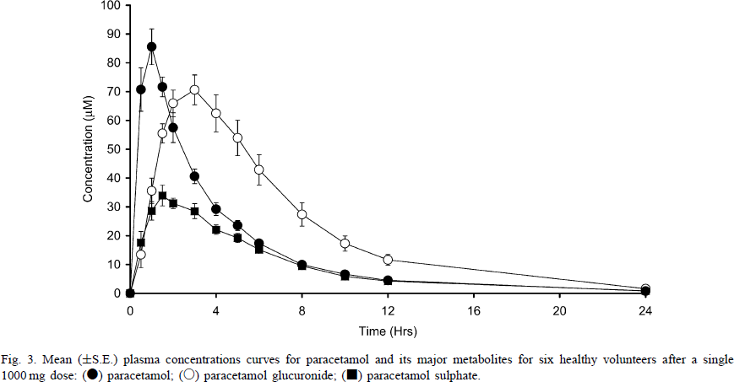
Jensen2004 |  | 6.0 | 17.8886 | NA | 6.0 | 14.9560 | NA | 5.9 | 42.5220 | 4.9853
Jensen2004 |  | 7.9 | 10.5572 | NA | 8.0 | 9.3842 | NA | 8.0 | 27.5660 | 4.1056
Jensen2004 |  | 10.0 | 7.0381 | NA | 9.9 | 5.8651 | NA | 10.0 | 17.3021 | 2.6393
Jensen2004 |  | 12.0 | 5.2786 | NA | 12.0 | 3.8123 | NA | 12.1 | 12.0235 | 2.0528
Jensen2004 |  | 23.9 | 1.1730 | NA | 24.0 | 0.8798 | NA | 23.9 | 1.7595 | NA

Fig4
Jensen2004 - The quantification of paracetamol, paracetamol glucuronide and paracetamol sulphate in plasma and urine using a single high-performance liquid chromatography assay

species | human
method | oral dose 1g
n | 6
subjects | volunteers

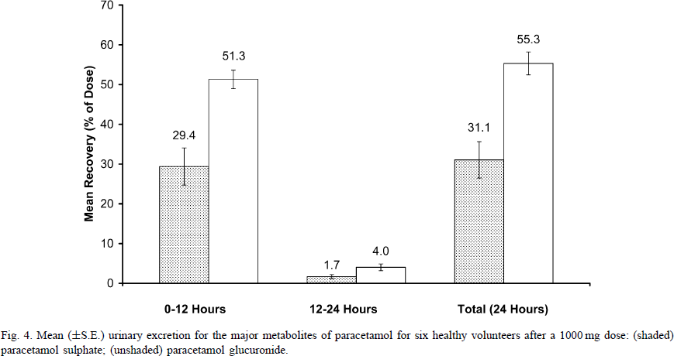
Figure 4
study | time range [h] | sulphate mean urinary excretion [% of dose] | sulphate mean urinary excretion SE [% of dose] | glucuronide mean urinary excretion [% of dose] | glucuronide mean urinary excretion SE [% of dose]
study | time_range | sulphate_mean_urinary_excretion | sulphate_mean_urinary_excretion_SE | glucuronide_mean_urinary_excretion | glucuronide_mean_urinary_excretion_SE
Jensen2004 | 0-12h | 29.4 | 4.5 | 51.3 | 2.1
Jensen2004 | 12-24h | 1.7 | 0.8 | 4.0 | 1.1
Jensen2004 | total | 31.1 | 4.8 | 55.3 | 2.8

