Figure 2
Kim 2011 - Effects of imatinib mesylate on the pharmacokinetics of paracetamol (acetaminophen) in Korean patients with chronic myelogenous leukaemia

species | human
method | 1000mg orally administered paracetamol, imatinib/ control treatment
n | 12
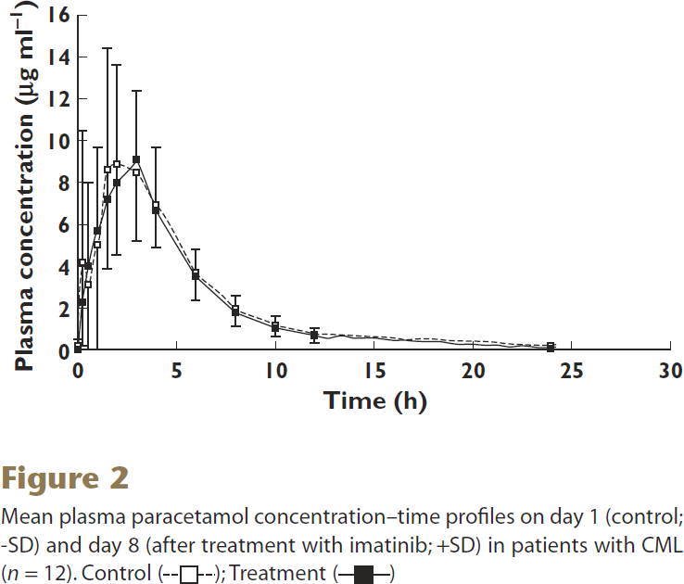
subjects | patients with CML

study | time control (day 1) [h] | control (day 1) plasma paracetamol concentration [μg/ml] | control (day 1) plasma paracetamol concentration SD [μg/ml] | time imatinib treatment (day 8) [h] | imatinib treatment (day 8) plasma paracetamol concentration [μg/ml] | imatinib treatment (day 8) plasma paracetamol concentration SD [μg/ml]
study | time_control | control_paracetamol_concentration | control_paracetamol_concentration_SD | time_imatinib_treatment | imatinib_treatment_paracetamol_concentration | imatinib_treatment_paracetamol_concentration_SD
Kim2011 | 0.0 | 0.1768 | 0.1768 | 0.0 | 0.0884 | 0.4862
Kim2011 | 0.2 | 4.1989 | 3.9779 | 0.2 | 2.2541 | 3.8453
Kim2011 | 0.6 | 3.0939 | 2.9613 | 0.6 | 4.0221 | 3.9337
Kim2011 | 1.0 | 4.9945 | 4.9061 | 1.1 | 5.7459 | 3.9337
Kim2011 | 1.4 | 8.5304 | 4.6851 | 1.5 | 7.2044 | 7.2044
Kim2011 | 1.9 | 8.9282 | 4.2873 | 1.9 | 8.0442 | 5.5249
Kim2011 | 3.0 | 8.4420 | 3.2265 | 3.0 | 9.1492 | 3.1381
Kim2011 | 3.9 | 6.9834 | 2.0331 | 4.0 | 6.6740 | 3.0497
Kim2011 | 6.0 | 3.8011 | 1.4144 | 6.0 | 3.6243 | 1.0608
Kim2011 | 8.1 | 1.9890 | 0.8398 | 7.9 | 1.8122 | 0.7514
Kim2011 | 9.9 | 1.1050 | 0.3536 | 10.1 | 0.9724 | 0.5304
Kim2011 | 11.9 | 0.7072 | 0.3094 | 12.0 | 0.6630 | 0.3978
Kim2011 | 23.9 | 0.2652 | 0.2210 | 24.0 | 0.2210 | NA

Figure 3
Kim 2011 - Effects of imatinib mesylate on the pharmacokinetics of paracetamol (acetaminophen) in Korean patients with chronic myelogenous leukaemia

species | human
method | 1000mg orally administered paracetamol, imatinib/ control treatment
n | 12
subjects | patients with CML

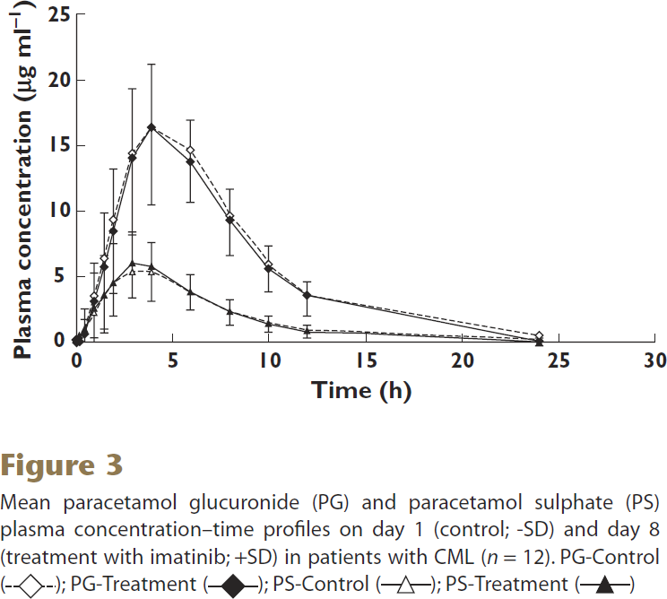
study | time control (day 1) paracetamol glucuronide [h] | control (day 1) plasma paracetamol glucuronide concentration [μg/ml] | control (day 1) plasma paracetamol glucuronide concentration SD [μg/ml] | time imatinib treatment (day 8) paracetamol glucuronide [h] | imatinib treatment (day 8) plasma paracetamol glucuronide concentration [μg/ml] | imatinib treatment (day 8) plasma paracetamol glucuronide concentration SD [μg/ml] | time control (day 1) paracetamol sulphate [h] | control (day 1) plasma paracetamol sulphate concentration [μg/ml] | control (day 1) plasma paracetamol sulphate concentration SD [μg/ml] | time imatinib treatment (day 8) paracetamol sulphate [h] | imatinib treatment (day 8) plasma paracetamol sulphate concentration [μg/ml] | imatinib treatment (day 8) plasma paracetamol sulphate concentration SD [μg/ml]
study | time_control_paracetamol_glucuronide | control_paracetamol_glucuronide_concentration | control_paracetamol_glucuronide_concentration_SD | time_imatinib_treatment_paracetamol_glucuronide | imatinib_treatment_paracetamol_glucuronide_concentration | imatinib_treatment_paracetamol_glucuronide_concentration_SD | time_control_paracetamol_sulphate | control_paracetamol_sulphate_concentration | control_paracetamol_sulphate_concentration_SD | time_imatinib_treatment_paracetamol_sulphate | imatinib_treatment_paracetamol_sulphate_concentration | imatinib_treatment_paracetamol_sulphate_concentration_SD
Kim2011 | 0.1 | 0.2740 | NA | 0.1 | 0.1712 | NA | 0.1 | 0.0342 | NA | 0.1 | 0.0685 | NA
Kim2011 | 1.0 | 3.5959 | NA | 0.4 | 0.5822 | NA | 0.4 | 0.7534 | NA | 0.5 | 0.7877 | NA
Kim2011 | 1.5 | 6.4041 | NA | 0.9 | 3.1507 | NA | 1.0 | 2.0890 | NA | 0.9 | 2.5685 | NA
Kim2011 | 1.9 | 9.4863 | NA | 1.6 | 5.8562 | 4.0753 | 1.5 | 3.6644 | NA | 1.5 | 3.4589 | NA
Kim2011 | 2.9 | 14.6575 | 6.4384 | 2.0 | 8.5616 | 4.6918 | 2.0 | 4.4521 | NA | 2.0 | 4.4521 | NA
Kim2011 | 3.9 | 16.4041 | 5.8904 | 2.9 | 14.1096 | 5.3082 | 2.9 | 5.3082 | 1.9178 | 2.9 | 5.9932 | 2.5000
Kim2011 | 5.9 | 14.7603 | 4.0753 | 3.9 | 16.4041 | 4.7603 | 3.9 | 5.3082 | 2.1233 | 3.9 | 5.6849 | 1.8493
Kim2011 | 8.0 | 9.7260 | 3.1164 | 5.9 | 13.8014 | 3.1849 | 5.9 | 3.8014 | 1.3356 | 5.9 | 3.8699 | 1.3356
Kim2011 | 10.0 | 5.9932 | 2.0548 | 7.9 | 9.3151 | 2.4658 | 8.0 | 2.1575 | 0.8904 | 8.0 | 2.2603 | 1.0616
Kim2011 | 12.0 | 3.6301 | 1.5411 | 10.0 | 5.6849 | 1.6781 | 10.0 | 1.3699 | 0.5822 | 9.9 | 1.4384 | 0.6507
Kim2011 | 24.1 | 0.5822 | NA | 12.0 | 3.5959 | 1.0959 | 12.0 | 0.8904 | 0.5137 | 12.0 | 0.8904 | 0.4452
 |  |  |  | 24.0 | 0.2397 | NA | 24.0 | 0.2740 | NA | 24.0 | 0.1370 | NA

 | control_paracetamol_glucuronide_concentration |  | imatinib_treatment_paracetamol_glucuronide_concentration |  | control_paracetamol_sulphate_concentration |  | imatinib_treatment_paracetamol_sulphate_concentration
0.1 | 0.2740 | 0.1 | 0.1712 | 0.1 | 0.0342 | 0.1 | 0.0685
1.0 | 3.5959 | 0.4 | 0.5822 | 0.4 | 0.7534 | 0.5 | 0.7877
1.5 | 6.4041 | 0.9 | 3.1507 | 1.0 | 2.0890 | 0.9 | 2.5685
1.9 | 9.4863 | 1.6 | 5.8562 | 1.5 | 3.6644 | 1.5 | 3.4589
2.9 | 14.6575 | 2.0 | 8.5616 | 2.0 | 4.4521 | 2.0 | 4.4521
3.9 | 16.4041 | 2.9 | 14.1096 | 2.9 | 5.3082 | 2.9 | 5.9932
5.9 | 14.7603 | 3.9 | 16.4041 | 3.9 | 5.3082 | 3.9 | 5.6849
8.0 | 9.7260 | 5.9 | 13.8014 | 5.9 | 3.8014 | 5.9 | 3.8699
10.0 | 5.9932 | 7.9 | 9.3151 | 8.0 | 2.1575 | 8.0 | 2.2603
12.0 | 3.6301 | 10.0 | 5.6849 | 10.0 | 1.3699 | 9.9 | 1.4384
24.1 | 0.5822 | 12.0 | 3.5959 | 12.0 | 0.8904 | 12.0 | 0.8904
 |  | 24.0 | 0.2397 | 24.0 | 0.2740 | 24.0 | 0.1370

