Figure 4
Tan2012 - Simultaneous quantitative determination of paracetamol and its glucuronide conjugate in human plasma and urine by liquid chromatography coupled to electrospray tandem mass spectrometry: Application to a clinical pharmacokinetic study

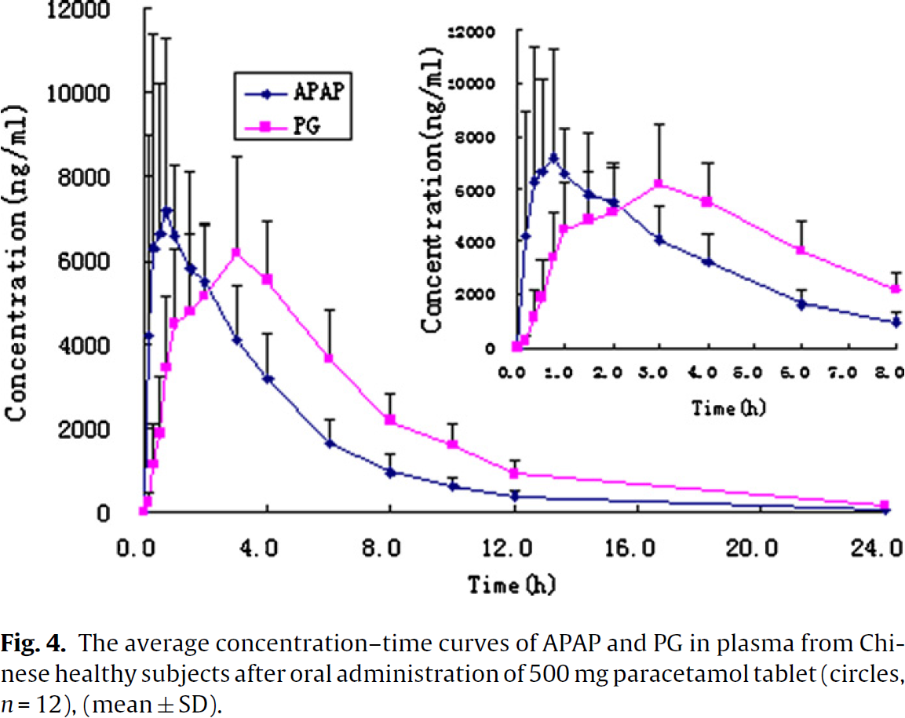
species | human
method | administration of 500mg paracetamol tablets
n | 12
subjects | healthy Chinese

study | time [h] | APAP (acetaminophen) plasma concentration [ng/ml] | APAP (paracetamol) plasma concentration SD [ng/ml] | PG (paracetamol glucuronide) plasma concentration [ng/ml] | PG (paracetamol glucuronide) plasma concentration SD [ng/ml]
study | time | APAP_plasma_concentration | APAP_plasma_concentration_SD | PG_plasma_concentration | PG_plasma_concentration_SD
Tan2012 | 0.1 | 148.9845 | NA | 111.9 | NA
Tan2012 | 0.2 | 4217.2560 | 4777.5260 | 279.5 | 224.0292
Tan2012 | 0.3 | 6344.3096 | 5057.7014 | 1231.0 | 876.9805
Tan2012 | 0.5 | 6660.9414 | 3564.3046 | 1920.7 | 1306.2974
Tan2012 | 0.8 | 7220.0280 | 4087.1700 | 3450.3 | 1735.8514
Tan2012 | 1.1 | 6622.0380 | 1661.0430 | 4550.3 | 1679.8637
Tan2012 | 1.6 | 5855.2964 | 2277.0640 | 4772.9 | 1885.2300
Tan2012 | 2.0 | 5536.6133 | 1306.2973 | 5200.8 | 1642.1440
Tan2012 | 3.1 | 4058.8809 | 1362.5221 | 6186.4 | 2333.2090
Tan2012 | 4.0 | 3197.4854 | 1101.0096 | 5567.7 | 1381.0265
Tan2012 | 6.0 | 1642.2622 | 597.3584 | 3658.1300 | 1194.1644
Tan2012 | 8.0 | 945.5150 | 429.2380 | 2196.0618 | 652.9514
Tan2012 | 10.0 | 603.4346 | 205.0510 | 1629.8732 | 503.9668
Tan2012 | 12.0 | 373.3293 | 130.3220 | 951.7885 | 242.6127
Tan2012 | 23.9 | 18.8203 | NA | 168.1994 | NA

Figure 5
Tan2012 - Simultaneous quantitative determination of paracetamol and its glucuronide conjugate in human plasma and urine by liquid chromatography coupled to electrospray tandem mass spectrometry: Application to a clinical pharmacokinetic study

species | human
method | administration of 500mg paracetamol tablets
n | 12
subjects | healthy Chinese

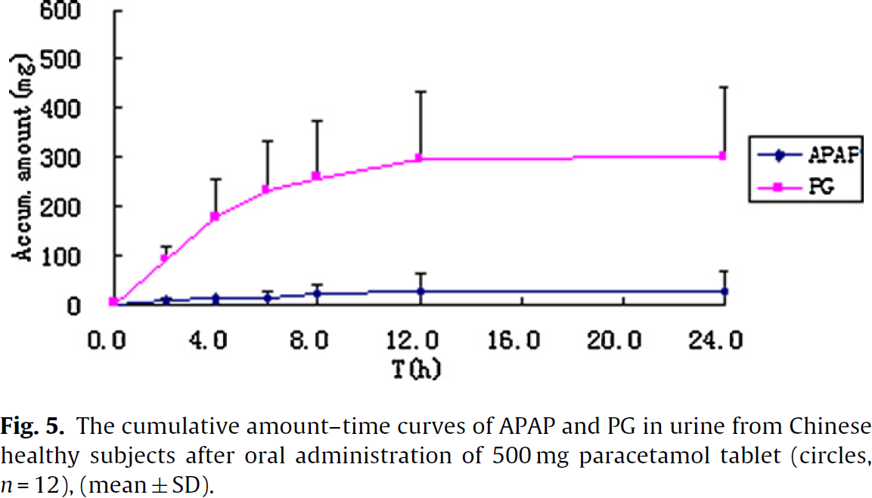
study | time [h] | APAP (acetaminophen) cumulative amount [mg] | APAP (paracetamol) cumulative amount SD [mg] | PG (paracetamol glucuronide) cumulative amount [mg] | PG (paracetamol glucuronide) cumulative amount SD [mg]
study | time | APAP_cumulative_amount | APAP_cumulative_amount_SD | PG_cumulative_amount | PG_cumulative_amount_SD
Tan2012 | 0.0 | 6.1500 | NA | 7.7037177
Tan2012 | 2.0 | 9.4932 | 6.1577 | 94.10098 | 24.61538
Tan2012 | 4.0 | 15.8943 | 6.1615 | 180.49825 | 75.39602
Tan2012 | 6.0 | 14.6220 | 15.3846 | 237.68756 | 98.47294
Tan2012 | 8.0 | 22.5692 | 18.4539 | 262.56155 | 113.84998
Tan2012 | 12.0 | 30.7825 | 33.8423 | 301.53275 | 135.39985
Tan2012 | 24.0 | 32.3077 | 39.9924 | 306.13864 | 141.54606

