Figure 1
Birkett1991 - Caffeine renal clearance and urine caffeine concentrations during steady state dosing. Implications for monitoring caffeine intake during sports events

species | human
method
n | 6
subjects | healthy

Figure 1
study | Plasma caffeine concentration [mg/l] | Urine caffeine concentration [mg/l]
study | plasma_caffeine_concentration | urine_caffeine_concentration
Birkett1991 | 1.5029 | 1.7901
Birkett1991 | 2.0981 | 1.3984
Birkett1991 | 2.1873 | 1.5748
Birkett1991 | 2.1496 | 1.9702
Birkett1991 | 2.1992 | 2.9595
Birkett1991 | 2.4185 | 2.1698
Birkett1991 | 2.4026 | 1.6861
Birkett1991 | 3.9120 | 2.0038
Birkett1991 | 3.9058 | 3.4103
Birkett1991 | 4.2664 | 3.2149
Birkett1991 | 4.4489 | 2.6007
Birkett1991 | 4.4824 | 3.1724
Birkett1991 | 4.3187 | 3.5888
Birkett1991 | 4.6082 | 3.1952
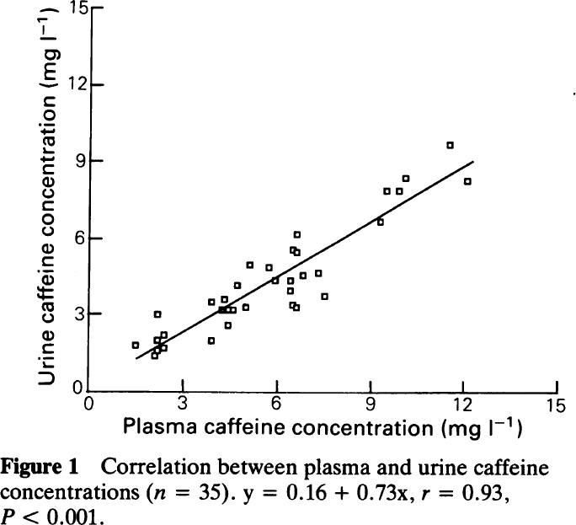
Birkett1991 | 5.0394 | 3.2859
Birkett1991 | 4.7298 | 4.1630
Birkett1991 | 5.1222 | 4.9128
Birkett1991 | 5.7700 | 4.8292
Birkett1991 | 5.9521 | 4.3249
Birkett1991 | 6.4958 | 3.4054
Birkett1991 | 6.4933 | 3.9548
Birkett1991 | 6.6583 | 3.2526
Birkett1991 | 6.4559 | 4.2842
Birkett1991 | 6.5042 | 5.5593
Birkett1991 | 6.6637 | 6.1098
Birkett1991 | 6.7025 | 5.4727
Birkett1991 | 6.8325 | 4.5285
Birkett1991 | 7.3537 | 4.6198
Birkett1991 | 7.5195 | 3.7198
Birkett1991 | 9.3412 | 6.6329
Birkett1991 | 9.4975 | 7.9086
Birkett1991 | 9.8934 | 7.8453
Birkett1991 | 10.1248 | 8.3963
Birkett1991 | 11.5759 | 9.7025
Birkett1991 | 12.0500 | 8.2331

Table 1
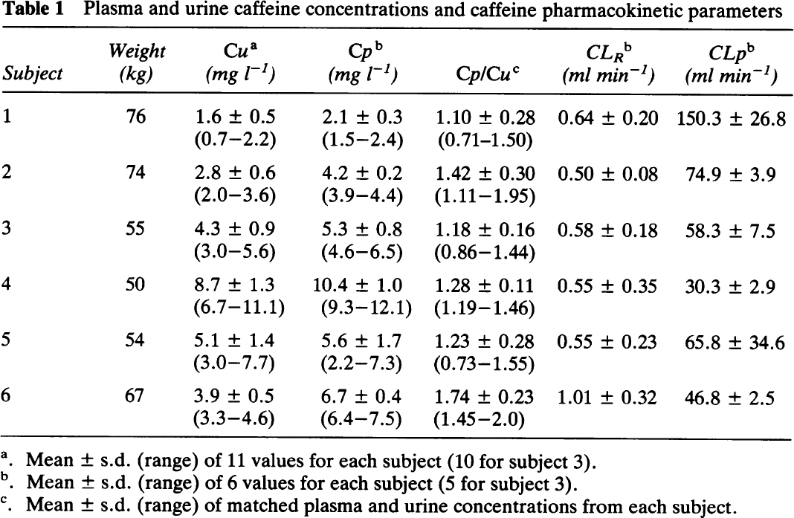
Birkett1991 - Caffeine renal clearance and urine caffeine concentrations during steady state dosing. Implications for monitoring caffeine intake during sports events

species | human
method
n | 6
subjects | healthy

Table 1
study | subject | Weight [kg] | Cu [mg/l] | Cu SE [mg/l] | Cu range low [mg/l] | Cu range high [mg/l] | Cp [mg/l] | Cp SE [mg/l] | Cp range low [mg/l] | Cp range high [mg/l] | Cp/Cu [mg/l] | Cp/Cu SE [mg/l] | Cp/Cu range low [mg/l] | Cp/Cu range high [mg/l] | ClR [ml/min] | ClR SE [ml/min] | ClP [ml/min] | ClP SE [ml/min]
study | subject | weight | Cu | Cu_SE | Cu_range_low | Cu_range_high | Cp | Cp_SE | Cp_range_low | Cp_range_high | Cp/Cu | Cp/Cu_SE | Cp/Cu_range_low | Cp/Cu_range_high | ClR | ClR_SE | ClP | ClP_SE
Birkett1991 | 1 | 76 | 1.6 | 0.5 | 0.7 | 2.2 | 2.1 | 0.3 | 1.5 | 2.4 | 1.1 | 0.28 | 0.71 | 1.5 | 0.64 | 0.2 | 150.3 | 26.8
Birkett1991 | 2 | 74 | 2.8 | 0.6 | 2 | 3.6 | 4.2 | 0.2 | 3.9 | 4.4 | 1.42 | 0.3 | 1.11 | 1.95 | 0.5 | 0.08 | 74.9 | 3.9
Birkett1991 | 3 | 55 | 4.3 | 0.9 | 3 | 5.6 | 5.3 | 0.8 | 4.6 | 6.5 | 1.18 | 0.16 | 0.86 | 1.44 | 0.58 | 0.18 | 58.3 | 7.5
Birkett1991 | 4 | 50 | 8.7 | 1.3 | 6.7 | 11.1 | 10.4 | 1 | 9.3 | 12.1 | 1.28 | 0.11 | 1.19 | 1.46 | 0.55 | 0.35 | 30.3 | 2.9
Birkett1991 | 5 | 54 | 5.1 | 1.4 | 3 | 7.7 | 5.6 | 1.7 | 2.2 | 7.3 | 1.23 | 0.28 | 0.73 | 1.55 | 0.55 | 0.23 | 65.8 | 34.6
Birkett1991 | 6 | 67 | 3.9 | 0.5 | 3.3 | 4.6 | 6.7 | 0.4 | 6.4 | 7.5 | 1.74 | 0.23 | 1.45 | 2 | 1.01 | 0.32 | 46.8 | 2.5

