Fig1
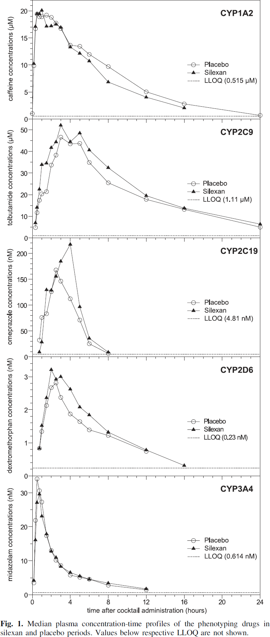
study | subjects | intervention | substance | time [h] | Median plasma concentration [μM]
study | subjects | intervention | substance | time | c
Doroshyenko2013 | 17 | silexan | caffeine | 0.07 | 0.92
Doroshyenko2013 | 17 | silexan | caffeine | 0.14 | 10.25
Doroshyenko2013 | 17 | silexan | caffeine | 0.28 | 17.06
Doroshyenko2013 | 17 | silexan | caffeine | 0.46 | 19.63
Doroshyenko2013 | 17 | silexan | caffeine | 0.91 | 20.06
Doroshyenko2013 | 17 | silexan | caffeine | 1.47 | 17.06
Doroshyenko2013 | 17 | silexan | caffeine | 1.96 | 17.06
Doroshyenko2013 | 17 | silexan | caffeine | 2.56 | 17.73
Doroshyenko2013 | 17 | silexan | caffeine | 2.95 | 16.87
Doroshyenko2013 | 17 | silexan | caffeine | 4.04 | 13.44
Doroshyenko2013 | 17 | silexan | caffeine | 4.95 | 12.15
Doroshyenko2013 | 17 | silexan | caffeine | 5.89 | 10.74
Doroshyenko2013 | 17 | silexan | caffeine | 7.96 | 6.87
Doroshyenko2013 | 17 | silexan | caffeine | 11.96 | 4.11
Doroshyenko2013 | 17 | silexan | caffeine | 15.96 | 1.96
Doroshyenko2013 | 17 | placebo | caffeine | 0.11 | 0.98
Doroshyenko2013 | 17 | placebo | caffeine | 0.18 | 9.94
Doroshyenko2013 | 17 | placebo | caffeine | 0.42 | 16.63
Doroshyenko2013 | 17 | placebo | caffeine | 0.81 | 18.96
Doroshyenko2013 | 17 | placebo | caffeine | 1.12 | 19.39
Doroshyenko2013 | 17 | placebo | caffeine | 1.54 | 19.33
Doroshyenko2013 | 17 | placebo | caffeine | 2.04 | 18.71
Doroshyenko2013 | 17 | placebo | caffeine | 2.49 | 17.98
Doroshyenko2013 | 17 | placebo | caffeine | 3.09 | 16.75
Doroshyenko2013 | 17 | placebo | caffeine | 4.18 | 13.37
Doroshyenko2013 | 17 | placebo | caffeine | 5.02 | 13.50
Doroshyenko2013 | 17 | placebo | caffeine | 6.04 | 12.09
Doroshyenko2013 | 17 | placebo | caffeine | 7.93 | 9.69
Doroshyenko2013 | 17 | placebo | caffeine | 12.04 | 5.15
Doroshyenko2013 | 17 | placebo | caffeine | 15.86 | 2.94
Doroshyenko2013 | 17 | placebo | caffeine | 23.89 | 0.86
Doroshyenko2013 | 17 | silexan | tolbutamide | 0.32 | 6.79
Doroshyenko2013 | 17 | silexan | tolbutamide | 0.53 | 14.35
Doroshyenko2013 | 17 | silexan | tolbutamide | 0.70 | 22.53
Doroshyenko2013 | 17 | silexan | tolbutamide | 0.95 | 34.57
Doroshyenko2013 | 17 | silexan | tolbutamide | 1.54 | 34.26
Doroshyenko2013 | 17 | silexan | tolbutamide | 2.04 | 41.82
Doroshyenko2013 | 17 | silexan | tolbutamide | 2.53 | 44.60
Doroshyenko2013 | 17 | silexan | tolbutamide | 3.09 | 52.62
Doroshyenko2013 | 17 | silexan | tolbutamide | 4.04 | 44.44
Doroshyenko2013 | 17 | silexan | tolbutamide | 4.98 | 48.61
Doroshyenko2013 | 17 | silexan | tolbutamide | 5.96 | 41.36
Doroshyenko2013 | 17 | silexan | tolbutamide | 8.18 | 33.49
Doroshyenko2013 | 17 | silexan | tolbutamide | 12.00 | 19.75
Doroshyenko2013 | 17 | silexan | tolbutamide | 16.04 | 13.73
Doroshyenko2013 | 17 | silexan | tolbutamide | 23.96 | 6.48
Doroshyenko2013 | 17 | placebo | tolbutamide | 0.35 | 5.25
Doroshyenko2013 | 17 | placebo | tolbutamide | 0.56 | 11.57
Doroshyenko2013 | 17 | placebo | tolbutamide | 0.74 | 16.98
Doroshyenko2013 | 17 | placebo | tolbutamide | 1.02 | 20.52
Doroshyenko2013 | 17 | placebo | tolbutamide | 1.51 | 22.07
Doroshyenko2013 | 17 | placebo | tolbutamide | 2.07 | 33.49
Doroshyenko2013 | 17 | placebo | tolbutamide | 2.49 | 38.43
Doroshyenko2013 | 17 | placebo | tolbutamide | 2.91 | 47.07
Doroshyenko2013 | 17 | placebo | tolbutamide | 4.00 | 43.83
Doroshyenko2013 | 17 | placebo | tolbutamide | 5.09 | 43.83
Doroshyenko2013 | 17 | placebo | tolbutamide | 6.00 | 34.88
Doroshyenko2013 | 17 | placebo | tolbutamide | 8.00 | 25.46
Doroshyenko2013 | 17 | placebo | tolbutamide | 11.96 | 18.06
Doroshyenko2013 | 17 | placebo | tolbutamide | 15.89 | 13.12
Doroshyenko2013 | 17 | placebo | tolbutamide | 23.93 | 5.09
Doroshyenko2013 | 17 | silexan | omeprazole | 0.84 | 9.00
Doroshyenko2013 | 17 | silexan | omeprazole | 1.05 | 27.65
Doroshyenko2013 | 17 | silexan | omeprazole | 1.47 | 129.90
Doroshyenko2013 | 17 | silexan | omeprazole | 1.93 | 129.90
Doroshyenko2013 | 17 | silexan | omeprazole | 2.49 | 157.56
Doroshyenko2013 | 17 | silexan | omeprazole | 2.91 | 187.78
Doroshyenko2013 | 17 | silexan | omeprazole | 3.96 | 218.01
Doroshyenko2013 | 17 | silexan | omeprazole | 4.98 | 97.11
Doroshyenko2013 | 17 | silexan | omeprazole | 6.00 | 35.37
Doroshyenko2013 | 17 | silexan | omeprazole | 8.07 | 8.36
Doroshyenko2013 | 17 | placebo | omeprazole | 0.74 | 31.51
Doroshyenko2013 | 17 | placebo | omeprazole | 0.95 | 78.46
Doroshyenko2013 | 17 | placebo | omeprazole | 1.61 | 83.60
Doroshyenko2013 | 17 | placebo | omeprazole | 2.00 | 126.05
Doroshyenko2013 | 17 | placebo | omeprazole | 2.46 | 171.06
Doroshyenko2013 | 17 | placebo | omeprazole | 2.95 | 149.20
Doroshyenko2013 | 17 | placebo | omeprazole | 4.14 | 112.54
Doroshyenko2013 | 17 | placebo | omeprazole | 4.95 | 71.38
Doroshyenko2013 | 17 | placebo | omeprazole | 6.00 | 26.37
Doroshyenko2013 | 17 | placebo | omeprazole | 7.82 | 8.36
Doroshyenko2013 | 17 | silexan | dextromethorpham | 0.70 | 0.84
Doroshyenko2013 | 17 | silexan | dextromethorpham | 1.05 | 1.50
Doroshyenko2013 | 17 | silexan | dextromethorpham | 1.51 | 2.38
Doroshyenko2013 | 17 | silexan | dextromethorpham | 1.93 | 3.20
Doroshyenko2013 | 17 | silexan | dextromethorpham | 2.46 | 2.91
Doroshyenko2013 | 17 | silexan | dextromethorpham | 2.98 | 3.03
Doroshyenko2013 | 17 | silexan | dextromethorpham | 4.04 | 2.58
Doroshyenko2013 | 17 | silexan | dextromethorpham | 4.84 | 2.08
Doroshyenko2013 | 17 | silexan | dextromethorpham | 5.93 | 1.84
Doroshyenko2013 | 17 | silexan | dextromethorpham | 8.00 | 1.31
Doroshyenko2013 | 17 | silexan | dextromethorpham | 12.00 | 0.78
Doroshyenko2013 | 17 | silexan | dextromethorpham | 16.00 | 0.26
Doroshyenko2013 | 17 | placebo | dextromethorpham | 0.77 | 0.82
Doroshyenko2013 | 17 | placebo | dextromethorpham | 0.91 | 1.31
Doroshyenko2013 | 17 | placebo | dextromethorpham | 1.54 | 2.10
Doroshyenko2013 | 17 | placebo | dextromethorpham | 2.00 | 2.67
Doroshyenko2013 | 17 | placebo | dextromethorpham | 2.42 | 2.83
Doroshyenko2013 | 17 | placebo | dextromethorpham | 3.02 | 2.35
Doroshyenko2013 | 17 | placebo | dextromethorpham | 3.93 | 1.85
Doroshyenko2013 | 17 | placebo | dextromethorpham | 5.05 | 1.63
Doroshyenko2013 | 17 | placebo | dextromethorpham | 6.07 | 1.36
Doroshyenko2013 | 17 | placebo | dextromethorpham | 8.04 | 1.25
Doroshyenko2013 | 17 | placebo | dextromethorpham | 11.89 | 0.75
Doroshyenko2013 | 17 | silexan | midazolam | 0.18 | 3.56
Doroshyenko2013 | 17 | silexan | midazolam | 0.32 | 16.14
Doroshyenko2013 | 17 | silexan | midazolam | 0.46 | 21.39
Doroshyenko2013 | 17 | silexan | midazolam | 0.39 | 26.44
Doroshyenko2013 | 17 | silexan | midazolam | 0.81 | 29.31
Doroshyenko2013 | 17 | silexan | midazolam | 0.98 | 22.57
Doroshyenko2013 | 17 | silexan | midazolam | 1.61 | 17.13
Doroshyenko2013 | 17 | silexan | midazolam | 2.07 | 12.87
Doroshyenko2013 | 17 | silexan | midazolam | 2.53 | 10.59
Doroshyenko2013 | 17 | silexan | midazolam | 3.05 | 8.12
Doroshyenko2013 | 17 | silexan | midazolam | 4.07 | 5.64
Doroshyenko2013 | 17 | silexan | midazolam | 4.88 | 5.15
Doroshyenko2013 | 17 | silexan | midazolam | 6.04 | 4.36
Doroshyenko2013 | 17 | silexan | midazolam | 7.96 | 3.17
Doroshyenko2013 | 17 | silexan | midazolam | 11.89 | 1.19
Doroshyenko2013 | 17 | placebo | midazolam | 0.21 | 3.07
Doroshyenko2013 | 17 | placebo | midazolam | 0.28 | 21.88
Doroshyenko2013 | 17 | placebo | midazolam | 0.53 | 33.37
Doroshyenko2013 | 17 | placebo | midazolam | 0.77 | 30.40
Doroshyenko2013 | 17 | placebo | midazolam | 0.98 | 26.93
Doroshyenko2013 | 17 | placebo | midazolam | 1.47 | 16.73
Doroshyenko2013 | 17 | placebo | midazolam | 2.04 | 12.87
Doroshyenko2013 | 17 | placebo | midazolam | 2.53 | 9.60
Doroshyenko2013 | 17 | placebo | midazolam | 3.02 | 8.22
Doroshyenko2013 | 17 | placebo | midazolam | 3.89 | 5.15
Doroshyenko2013 | 17 | placebo | midazolam | 5.02 | 4.36
Doroshyenko2013 | 17 | placebo | midazolam | 6.11 | 3.96
Doroshyenko2013 | 17 | placebo | midazolam | 8.00 | 2.38
Doroshyenko2013 | 17 | placebo | midazolam | 12.07 | 0.99

