Tab1
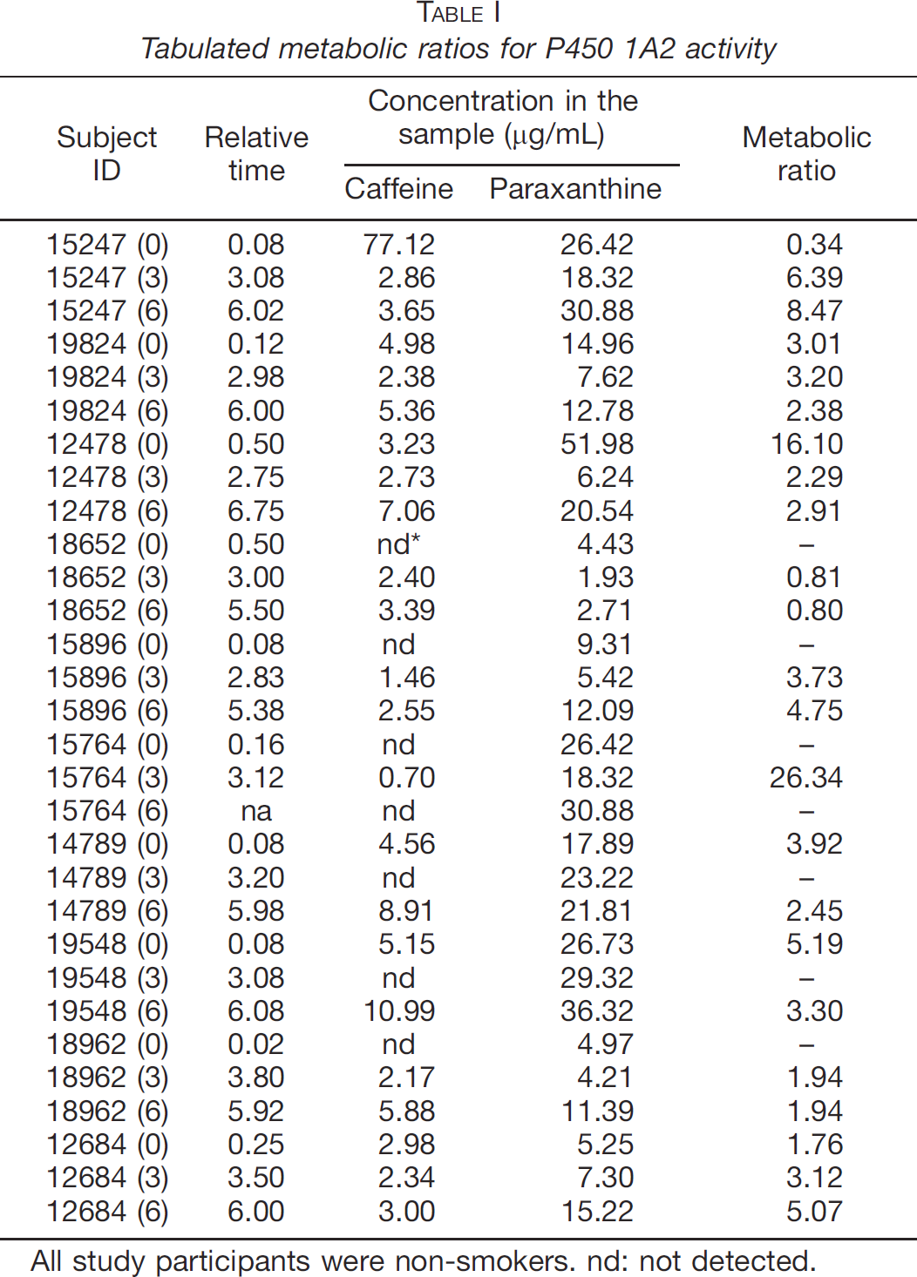
study | subject ID | relative time [h] | caffeine [μg/ml] | paraxanthine [μg/ml] | metabolic ratio [paraxanthine/caffeine]
study | subject_ID | time | caf_u | px_u | px_caf_u
Furge2007 | 15247 | 0.08 | 77.12 | 26.42 | 0.34
Furge2007 | 15247 | 3.08 | 2.86 | 18.32 | 6.39
Furge2007 | 15247 | 6.02 | 3.65 | 30.88 | 8.47
Furge2007 | 19824 | 0.12 | 4.98 | 14.96 | 3.01
Furge2007 | 19824 | 2.98 | 2.38 | 7.62 | 3.2
Furge2007 | 19824 | 6 | 5.36 | 12.78 | 2.38
Furge2007 | 12478 | 0.5 | 3.23 | 51.98 | 16.1
Furge2007 | 12478 | 2.75 | 2.73 | 6.24 | 2.29
Furge2007 | 12478 | 6.75 | 7.06 | 20.64 | 2.91
Furge2007 | 18652 | 0.5 | NA | 4.43 | NA
Furge2007 | 18652 | 3 | 2.4 | 1.93 | 0.81
Furge2007 | 18652 | 5.5 | 3.39 | 2.71 | 0.8
Furge2007 | 15896 | 0.08 | NA | 9.31 | NA
Furge2007 | 15896 | 2.83 | 1.46 | 5.42 | 3.73
Furge2007 | 15896 | 5.38 | 2.55 | 12.09 | 4.75
Furge2007 | 15764 | 0.16 | NA | 26.42 | NA
Furge2007 | 15764 | 3.12 | 0.7 | 18.32 | 26.34
Furge2007 | 15764 | NA | NA | 30.88 | NA
Furge2007 | 14789 | 0.08 | 4.56 | 17.89 | 3.92
Furge2007 | 14789 | 3.2 | NA | 23.22 | NA
Furge2007 | 14789 | 5.98 | 8.91 | 21.81 | 2.45
Furge2007 | 19548 | 0.08 | 5.15 | 26.73 | 5.19
Furge2007 | 19548 | 3.08 | NA | 29.32 | NA
Furge2007 | 19548 | 6.08 | 10.99 | 36.32 | 3.3
Furge2007 | 18962 | 0.02 | NA | 4.97 | NA
Furge2007 | 18962 | 3.8 | 2.17 | 4.21 | 1.94
Furge2007 | 18962 | 5.92 | 5.88 | 11.39 | 1.94
Furge2007 | 12684 | 0.25 | 2.98 | 5.25 | 1.76
Furge2007 | 12684 | 3.5 | 2.34 | 7.3 | 3.12
Furge2007 | 12684 | 6 | 3 | 15.22 | 5.07

