Figure 2
Fig2A - cocktail alone
study | Subjects | Substance | Dose [mg] | Route of application | time [h] | Plasma caffeine concentration [ng/ml] (Cocktail alone) | Plasma caffeine concentration SD [ng/ml] (Cocktail alone) | Plasma caffeine concentration [mg/l] | Plasma caffeine concentration SD [mg/l] | Plasma caffeine concentration SE [mg/l]
study | n | substance | dose | route | time | caf_ng | caf_ng_sd | caf | caf_sd | caf_se
Kakuda2014 | 14 | caffeine | 150 | oral | 0.0 | 24.93 | NA | 0.02 | NA | NA
Kakuda2014 | 14 | caffeine | 150 | oral | 0.5 | 938.32 | 830.99 | 0.94 | 0.83 | 0.22
Kakuda2014 | 14 | caffeine | 150 | oral | 1.0 | 1435.87 | 939.07 | 1.44 | 0.94 | 0.25
Kakuda2014 | 14 | caffeine | 150 | oral | 1.5 | 1925.11 | 772.92 | 1.93 | 0.77 | 0.21
Kakuda2014 | 14 | caffeine | 150 | oral | 3.0 | 1888.75 | 423.94 | 1.89 | 0.42 | 0.11
Kakuda2014 | 14 | caffeine | 150 | oral | 6.0 | 1284.23 | 390.59 | 1.28 | 0.39 | 0.10
Kakuda2014 | 14 | caffeine | 150 | oral | 12.0 | 507.20 | 340.67 | 0.51 | 0.34 | 0.09

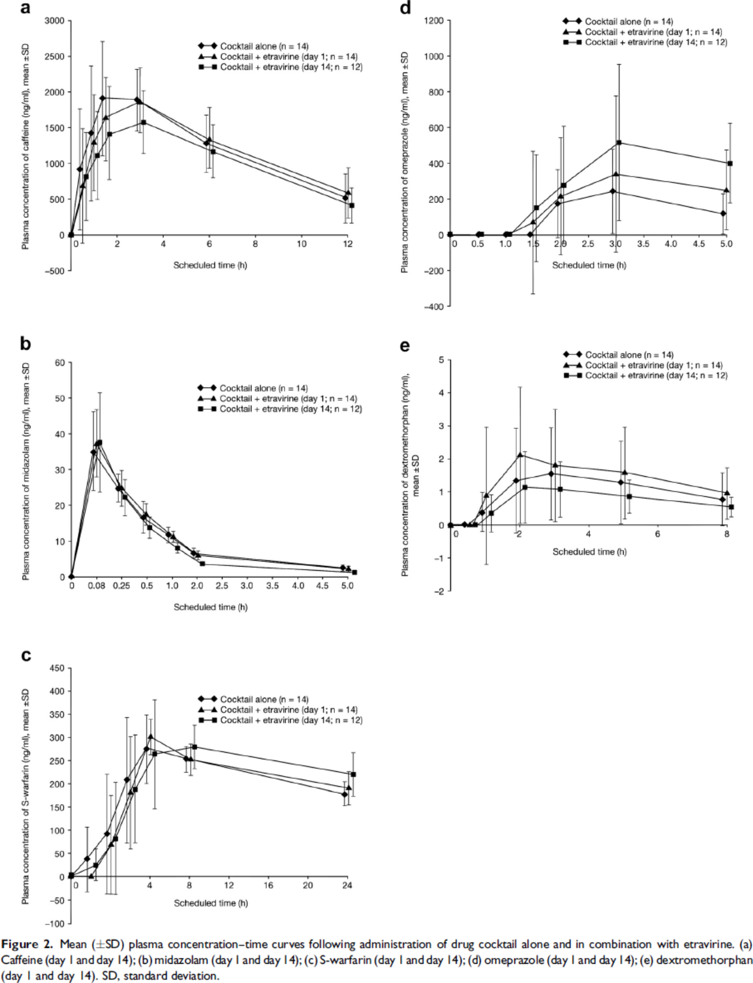
Fig2B - cocktail alone
study | Subjects | Substance | Dose [mg/kg] | Route of application | time [h] | Plasma midazolam concentration [ng/ml] (Cocktail alone) | Plasma midazolam concentration SD [ng/ml] (Cocktail alone)
study | n | substance | dose_bw | route | time | mid_ng | mid_ng_sd
Kakuda2014 | 14 | midazolam | 0.0250 | oral | 0.0 | 0.2778 | NA
Kakuda2014 | 14 | midazolam | 0.0250 | oral | 0.1 | 35.0556 | 11.0000
Kakuda2014 | 14 | midazolam | 0.0250 | oral | 0.3 | 24.5000 | 4.3333
Kakuda2014 | 14 | midazolam | 0.0250 | oral | 0.5 | 16.6111 | 4.4444
Kakuda2014 | 14 | midazolam | 0.0250 | oral | 1.0 | 11.7222 | 2.2222
Kakuda2014 | 14 | midazolam | 0.0250 | oral | 2.0 | 7.1667 | 0.8889
Kakuda2014 | 14 | midazolam | 0.0250 | oral | 5.0 | 2.7222 | 0.6667

Fig2C - cocktail alone
study | Subjects | Substance | Dose [mg] | Route of application | time [h] | Plasma S-warfarin concentration [ng/ml] (Cocktail alone) | Plasma S-warfarin concentration SD [ng/ml] (Cocktail alone)
study | n | substance | dose | route | time | wars_ng | wars_ng_sd
Kakuda2014 | 14 | warfarin | 10 | oral | 0.0 | 3.4532 | NA
Kakuda2014 | 14 | warfarin | 10 | oral | 1.0 | 36.2600 | 68.9639
Kakuda2014 | 14 | warfarin | 10 | oral | 2.0 | 91.4917 | 129.3084
Kakuda2014 | 14 | warfarin | 10 | oral | 3.0 | 210.5186 | 131.8959
Kakuda2014 | 14 | warfarin | 10 | oral | 4.0 | 276.0987 | 74.1350
Kakuda2014 | 14 | warfarin | 10 | oral | 8.0 | 252.9445 | 27.5861
Kakuda2014 | 14 | warfarin | 10 | oral | 24.0 | 177.5753 | 27.5861

Fig2D - cocktail alone
study | Subjects | Substance | Dose [mg] | Route of application | time [h] | Plasma omeprazole concentration [ng/ml] (Cocktail alone) | Plasma omeprazole concentration SD [ng/ml] (Cocktail alone)
study | n | substance | dose | route | time | omp_ng | omp_ng_sd
Kakuda2014 | 14 | omeprazole | 40 | oral | 0.0 | 0.0000 | NA
Kakuda2014 | 14 | omeprazole | 40 | oral | 0.5 | 0.0000 | NA
Kakuda2014 | 14 | omeprazole | 40 | oral | 1.0 | 0.0000 | NA
Kakuda2014 | 14 | omeprazole | 40 | oral | 2.0 | 0.0000 | NA
Kakuda2014 | 14 | omeprazole | 40 | oral | 2.5 | 170.0105 | 191.8246
Kakuda2014 | 14 | omeprazole | 40 | oral | 3.0 | 244.9559 | 234.2109
Kakuda2014 | 14 | omeprazole | 40 | oral | 5.0 | 111.5837 | 109.3018

Fig2E - cocktail alone
study | Subjects | Substance | Dose [mg] | Route of application | time [h] | Plasma dextromethorphan concentration [ng/ml] (Cocktail alone) | Plasma dextromethorphan concentration SD [ng/ml] (Cocktail alone)
study | n | substance | dose | route | time | dmp_ng | dmp_ng_sd
Kakuda2014 | 14 | dextromethorphan | 30 | oral | 0.0 | 0.0000 | NA
Kakuda2014 | 14 | dextromethorphan | 30 | oral | 0.4 | 0.0356 | NA
Kakuda2014 | 14 | dextromethorphan | 30 | oral | 0.9 | 0.3730 | 0.6159
Kakuda2014 | 14 | dextromethorphan | 30 | oral | 1.9 | 1.3256 | 1.5821
Kakuda2014 | 14 | dextromethorphan | 30 | oral | 2.9 | 1.5415 | 1.3889
Kakuda2014 | 14 | dextromethorphan | 30 | oral | 4.9 | 1.2728 | 1.2319
Kakuda2014 | 14 | dextromethorphan | 30 | oral | 7.9 | 0.7732 | 0.7850

