Table 2
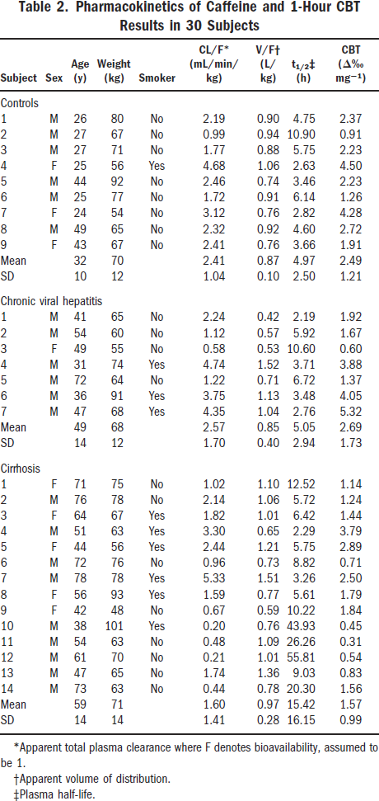
Park 2003 - Validity of the 13C-Caffeine Breath Test as a Noninvasive, Quantitative Test of Liver Function

species
method
n | 30
subjects

Table 2
study | Subject | Sex | Age [y] | Weight [kg] | Smoker | Cl /F [ml/(min*kg)] | V /F [l/kg] | t1/2 [h] | CBT [Δ%/mg]
study | subject | sex | age | weight | smoker | Cl/F | V/F | t1/2 | CBT
Park2003 | Control1 | M | 26 | 80 | N | 2.19 | 0.9 | 4.75 | 2.37
Park2003 | Control2 | M | 27 | 67 | N | 0.99 | 0.94 | 10.9 | 0.91
Park2003 | Control3 | M | 27 | 71 | N | 1.77 | 0.88 | 5.75 | 2.23
Park2003 | Control4 | F | 25 | 56 | Y | 4.68 | 1.06 | 2.63 | 4.5
Park2003 | Control5 | M | 44 | 92 | N | 2.46 | 0.74 | 3.46 | 2.23
Park2003 | Control6 | M | 25 | 77 | N | 1.72 | 0.91 | 6.14 | 1.26
Park2003 | Control7 | F | 24 | 54 | N | 3.12 | 0.76 | 2.82 | 4.28
Park2003 | Control8 | M | 49 | 65 | N | 2.32 | 0.92 | 4.6 | 2.72
Park2003 | Control9 | F | 43 | 67 | N | 2.41 | 0.76 | 3.66 | 1.91
Park2003 | ControlMean |  | 32 | 70 |  | 2.41 | 0.87 | 4.97 | 2.49
Park2003 | ControlSE |  | 10 | 12 |  | 1.04 | 0.10 | 2.54 | 1.21
Park2003 | CVH1 | M | 41 | 65 | N | 2.24 | 0.42 | 2.19 | 1.92
Park2003 | CVH2 | M | 54 | 60 | N | 1.12 | 0.57 | 5.92 | 1.67
Park2003 | CVH3 | F | 49 | 55 | N | 0.58 | 0.53 | 10.6 | 0.6
Park2003 | CVH4 | M | 31 | 74 | Y | 4.74 | 1.52 | 3.71 | 3.88
Park2003 | CVH5 | M | 72 | 64 | N | 1.22 | 0.71 | 6.72 | 1.37
Park2003 | CVH6 | M | 36 | 91 | Y | 3.75 | 1.13 | 3.48 | 4.05
Park2003 | CVH7 | M | 47 | 68 | Y | 4.35 | 1.04 | 2.76 | 5.32
Park2003 | CVHMean |  | 47 | 68 |  | 2.57 | 0.85 | 5.05 | 2.69
Park2003 | CVHSE |  | 13 | 12 |  | 1.70 | 0.40 | 2.94 | 1.73
Park2003 | Cirrhosis1 | F | 71 | 75 | N | 1.02 | 1.1 | 12.52 | 1.14
Park2003 | Cirrhosis2 | M | 76 | 78 | N | 2.14 | 1.06 | 5.72 | 1.24
Park2003 | Cirrhosis3 | F | 64 | 67 | Y | 1.82 | 1.01 | 6.42 | 1.44
Park2003 | Cirrhosis4 | M | 51 | 63 | Y | 3.30 | 0.65 | 2.29 | 3.79
Park2003 | Cirrhosis5 | F | 44 | 56 | Y | 2.44 | 1.21 | 5.75 | 2.89
Park2003 | Cirrhosis6 | M | 72 | 76 | N | 0.96 | 0.73 | 8.82 | 0.71
Park2003 | Cirrhosis7 | M | 78 | 78 | Y | 5.33 | 1.51 | 3.26 | 2.5
Park2003 | Cirrhosis8 | F | 56 | 93 | Y | 1.59 | 0.77 | 5.61 | 1.79
Park2003 | Cirrhosis9 | F | 42 | 48 | N | 0.67 | 0.59 | 10.22 | 1.84
Park2003 | Cirrhosis10 | M | 38 | 101 | Y | 0.20 | 0.76 | 43.93 | 0.45
Park2003 | Cirrhosis11 | M | 54 | 63 | N | 0.48 | 1.09 | 26.26 | 0.31
Park2003 | Cirrhosis12 | M | 61 | 70 | N | 0.21 | 1.01 | 55.81 | 0.54
Park2003 | Cirrhosis13 | M | 47 | 65 | N | 1.74 | 1.36 | 9.03 | 0.83
Park2003 | Cirrhosis14 | M | 73 | 63 | N | 0.44 | 0.78 | 20.3 | 1.56
Park2003 | CirrhosisMean |  | 59 | 71 |  | 1.60 | 0.97 | 15.42 | 1.50
Park2003 | CirrhosisSE |  | 14 | 14 |  | 1.41 | 0.27 | 16.15 | 1.00

