Fig1
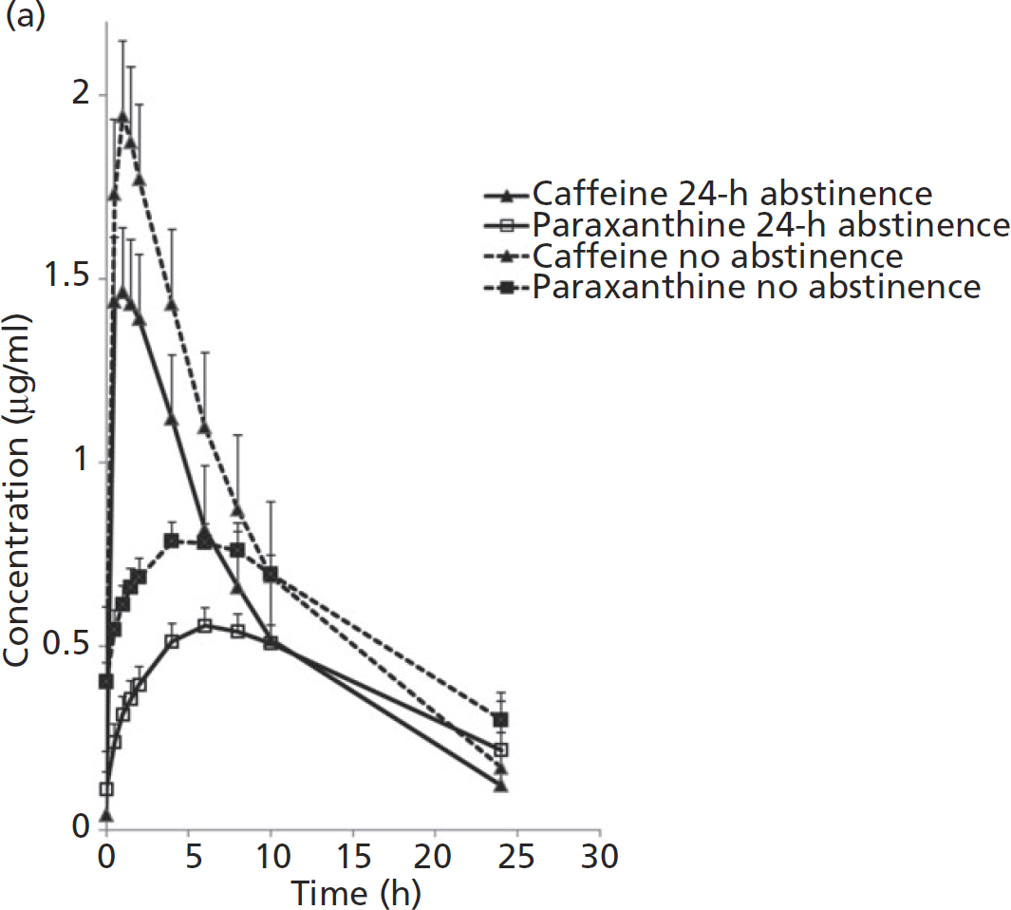
study | Number of subjects | Caffeine dose [mg] | time [h] | Tissue | Caffeine abstinence | Caffeine concentration [μg/ml] | Caffeine concentration SE [μg/ml] | Caffeine concentration SD [μg/ml] | Paraxanthine concentration [μg/ml] | Paraxanthine concentration SE [μg/ml] | Paraxanthine concentration SD [μg/ml] | Paraxanthine/Caffeine [-] | Paraxanthine/Caffeine SD [-]
study | n | dose_caf | time | tissue | caf_abstinence | caf | caf_se | caf_sd | px | px_se | px_sd | px_caf | px_caf_sd
Perera2011 | 30 | 100 | 0.0 | plasma | 24h | 0.000 | 0.000 | 0.000 | 0.116 | 0.044 | 0.240 | NA | NA
Perera2011 | 30 | 100 | 0.5 | plasma | 24h | 1.436 | 0.173 | 0.946 | 0.237 | 0.062 | 0.339 | 0.165 | 0.260
Perera2011 | 30 | 100 | 1.0 | plasma | 24h | 1.459 | 0.180 | 0.988 | 0.325 | 0.044 | 0.240 | 0.223 | 0.223
Perera2011 | 30 | 100 | 1.5 | plasma | 24h | 1.433 | 0.172 | 0.941 | 0.358 | 0.054 | 0.296 | 0.250 | 0.264
Perera2011 | 30 | 100 | 2.0 | plasma | 24h | 1.384 | 0.183 | 1.002 | 0.402 | 0.052 | 0.282 | 0.290 | 0.293
Perera2011 | 30 | 100 | 4.0 | plasma | 24h | 1.121 | 0.171 | 0.936 | 0.512 | 0.052 | 0.282 | 0.457 | 0.458
Perera2011 | 30 | 100 | 6.0 | plasma | 24h | 0.816 | 0.176 | 0.965 | 0.564 | 0.044 | 0.240 | 0.691 | 0.867
Perera2011 | 30 | 100 | 8.0 | plasma | 24h | 0.659 | 0.179 | 0.979 | 0.543 | 0.046 | 0.254 | 0.824 | 1.283
Perera2011 | 30 | 100 | 10.0 | plasma | 24h | 0.517 | 0.162 | 0.889 | 0.509 | 0.049 | 0.268 | 0.985 | 1.773
Perera2011 | 30 | 100 | 24.0 | plasma | 24h | 0.121 | 0.151 | 0.828 | 0.221 | 0.046 | 0.254 | 1.831 | 12.714
Perera2011 | 30 | 100 | 0.0 | plasma | no | 0.000 | 0.000 | 0.000 | 0.407 | 0.052 | 0.282 | NA | NA
Perera2011 | 30 | 100 | 0.5 | plasma | no | 1.729 | 0.204 | 1.115 | 0.546 | 0.059 | 0.325 | 0.316 | 0.277
Perera2011 | 30 | 100 | 1.0 | plasma | no | 1.938 | 0.209 | 1.143 | 0.616 | 0.059 | 0.325 | 0.318 | 0.251
Perera2011 | 30 | 100 | 1.5 | plasma | no | 1.874 | 0.198 | 1.087 | 0.660 | 0.057 | 0.311 | 0.352 | 0.263
Perera2011 | 30 | 100 | 2.0 | plasma | no | 1.763 | 0.204 | 1.115 | 0.696 | 0.046 | 0.254 | 0.395 | 0.288
Perera2011 | 30 | 100 | 4.0 | plasma | no | 1.417 | 0.216 | 1.186 | 0.786 | 0.059 | 0.325 | 0.554 | 0.517
Perera2011 | 30 | 100 | 6.0 | plasma | no | 1.097 | 0.204 | 1.115 | 0.788 | 0.041 | 0.226 | 0.718 | 0.758
Perera2011 | 30 | 100 | 8.0 | plasma | no | 0.870 | 0.201 | 1.101 | 0.765 | 0.046 | 0.254 | 0.879 | 1.149
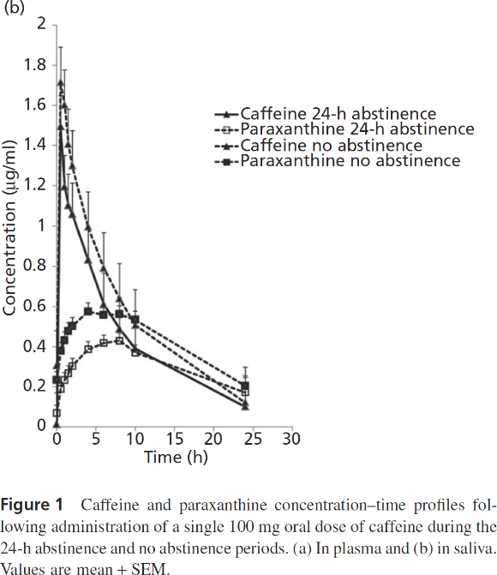
Perera2011 | 30 | 100 | 10.0 | plasma | no | 0.700 | 0.193 | 1.059 | 0.692 | 0.059 | 0.325 | 0.989 | 1.566
Perera2011 | 30 | 100 | 24.0 | plasma | no | 0.165 | 0.214 | 1.172 | 0.312 | 0.041 | 0.226 | 1.892 | 13.522
Perera2011 | 30 | 100 | 0.0 | saliva | 24h | 0.286 | 0.191 | 1.044 | 0.063 | 0.040 | 0.219 | 0.219 | 1.106
Perera2011 | 30 | 100 | 0.5 | saliva | 24h | 1.486 | 0.160 | 0.876 | 0.183 | 0.045 | 0.245 | 0.123 | 0.180
Perera2011 | 30 | 100 | 1.0 | saliva | 24h | 1.188 | 0.158 | 0.863 | 0.230 | 0.038 | 0.206 | 0.194 | 0.223
Perera2011 | 30 | 100 | 1.5 | saliva | 24h | 1.091 | 0.165 | 0.902 | 0.261 | 0.040 | 0.219 | 0.239 | 0.282
Perera2011 | 30 | 100 | 2.0 | saliva | 24h | 1.054 | 0.158 | 0.863 | 0.296 | 0.042 | 0.232 | 0.281 | 0.319
Perera2011 | 30 | 100 | 4.0 | saliva | 24h | 0.819 | 0.151 | 0.825 | 0.381 | 0.040 | 0.219 | 0.466 | 0.540
Perera2011 | 30 | 100 | 6.0 | saliva | 24h | 0.608 | 0.155 | 0.851 | 0.420 | 0.035 | 0.193 | 0.690 | 1.017
Perera2011 | 30 | 100 | 8.0 | saliva | 24h | 0.477 | 0.167 | 0.915 | 0.420 | 0.045 | 0.245 | 0.882 | 1.769
Perera2011 | 30 | 100 | 10.0 | saliva | 24h | 0.390 | 0.144 | 0.786 | 0.364 | 0.045 | 0.245 | 0.934 | 1.983
Perera2011 | 30 | 100 | 24.0 | saliva | 24h | 0.100 | 0.155 | 0.850 | 0.170 | 0.052 | 0.283 | 1.708 | 14.845
Perera2011 | 30 | 100 | 0.0 | saliva | no | 0.006 | 0.162 | 0.889 | 0.232 | 0.045 | 0.245 | NA | NA
Perera2011 | 30 | 100 | 0.5 | saliva | no | 1.712 | 0.179 | 0.979 | 0.371 | 0.045 | 0.245 | 0.217 | 0.189
Perera2011 | 30 | 100 | 1.0 | saliva | no | 1.592 | 0.184 | 1.005 | 0.430 | 0.045 | 0.244 | 0.270 | 0.229
Perera2011 | 30 | 100 | 1.5 | saliva | no | 1.397 | 0.184 | 1.006 | 0.475 | 0.049 | 0.271 | 0.340 | 0.312
Perera2011 | 30 | 100 | 2.0 | saliva | no | 1.289 | 0.179 | 0.979 | 0.494 | 0.052 | 0.284 | 0.383 | 0.365
Perera2011 | 30 | 100 | 4.0 | saliva | no | 0.989 | 0.176 | 0.967 | 0.572 | 0.045 | 0.245 | 0.579 | 0.618
Perera2011 | 30 | 100 | 6.0 | saliva | no | 0.789 | 0.174 | 0.954 | 0.556 | 0.033 | 0.180 | 0.705 | 0.882
Perera2011 | 30 | 100 | 8.0 | saliva | no | 0.639 | 0.169 | 0.928 | 0.561 | 0.035 | 0.193 | 0.878 | 1.311
Perera2011 | 30 | 100 | 10.0 | saliva | no | 0.496 | 0.191 | 1.044 | 0.534 | 0.038 | 0.206 | 1.076 | 2.303
Perera2011 | 30 | 100 | 24.0 | saliva | no | 0.123 | 0.179 | 0.980 | 0.210 | 0.045 | 0.245 | 1.707 | 13.721

Fig2
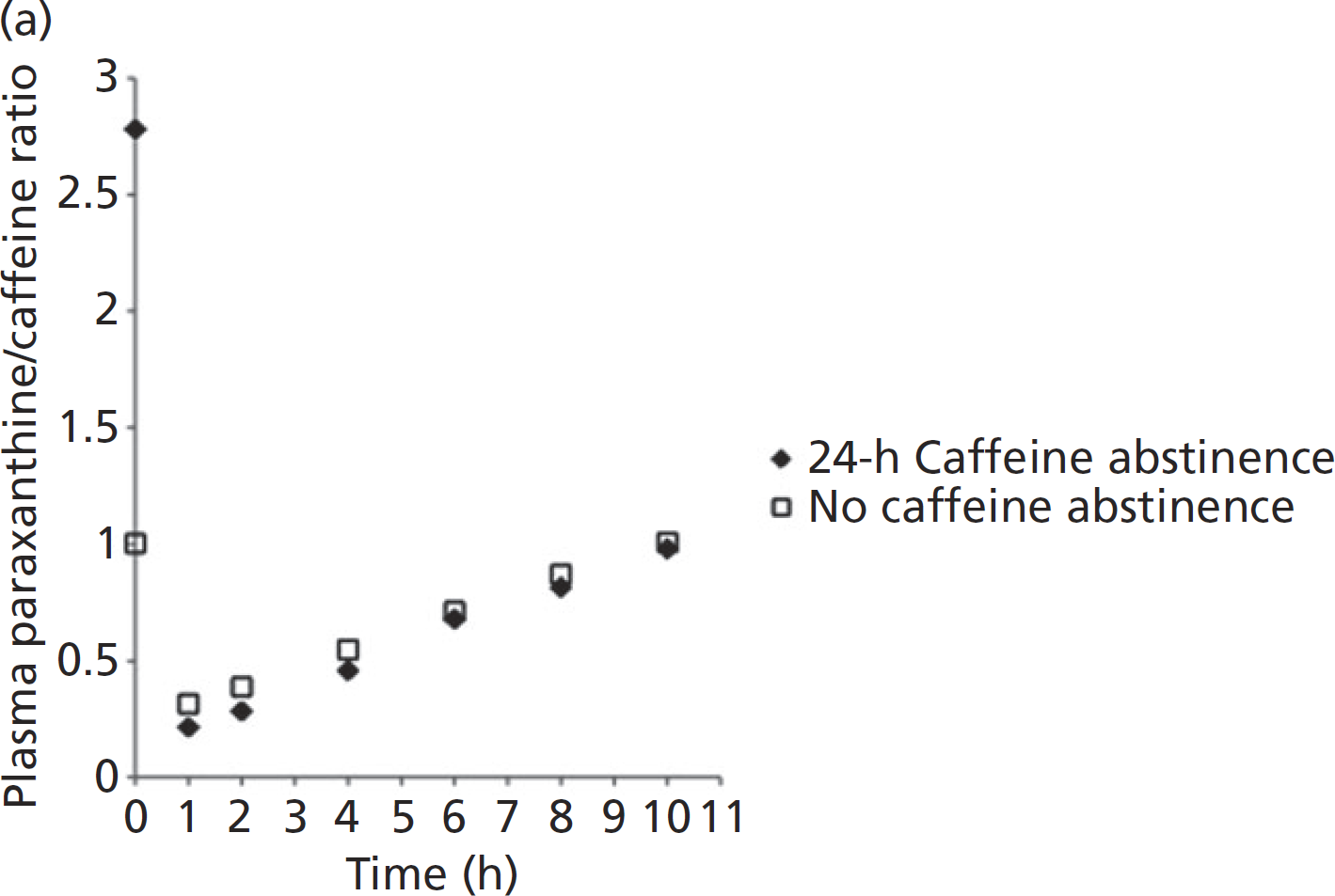
study | Number of subjects | Oral caffeine dose [mg] | Tissue | Caffeine abstinence | Time [h] | Paraxanthine/caffeine ratio
study | n | dose_caf | tissue | caf_abstinence | time | px_caf
Perera2011 | 30 | 100 | saliva | 24h | 0 | 4.9258
Perera2011 | 30 | 100 | saliva | 24h | 1 | 0.1846
Perera2011 | 30 | 100 | saliva | 24h | 2 | 0.3037
Perera2011 | 30 | 100 | saliva | 24h | 4 | 0.4240
Perera2011 | 30 | 100 | saliva | 24h | 6 | 0.6885
Perera2011 | 30 | 100 | saliva | 24h | 8 | 0.8480
Perera2011 | 30 | 100 | saliva | 24h | 10 | 0.9683
Perera2011 | 30 | 100 | plasma | 24h | 0 | 2.7780
Perera2011 | 30 | 100 | plasma | 24h | 1 | 0.2013
Perera2011 | 30 | 100 | plasma | 24h | 2 | 0.2619
Perera2011 | 30 | 100 | plasma | 24h | 4 | 0.4534
Perera2011 | 30 | 100 | plasma | 24h | 6 | 0.6828
Perera2011 | 30 | 100 | plasma | 24h | 8 | 0.8147
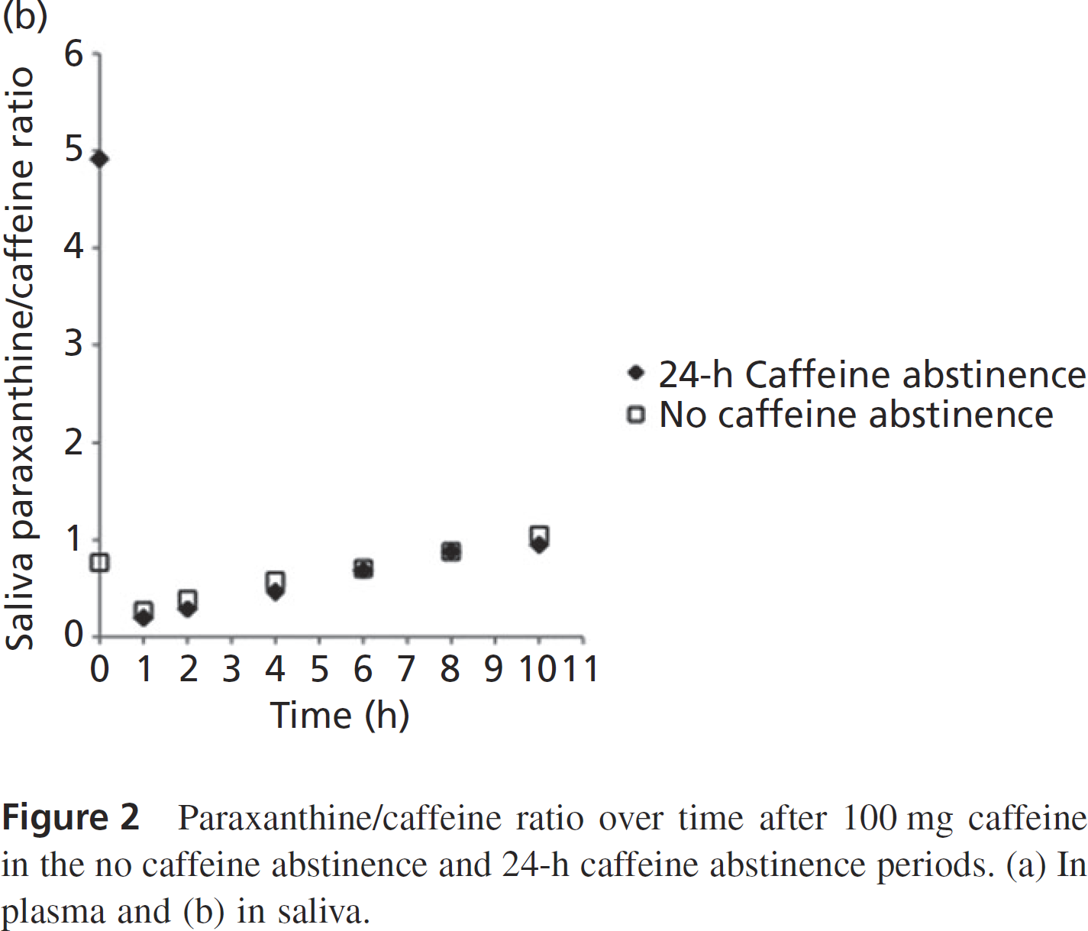
Perera2011 | 30 | 100 | plasma | 24h | 10 | 0.9955
Perera2011 | 30 | 100 | saliva | no | 0 | 0.7730
Perera2011 | 30 | 100 | saliva | no | 1 | 0.2631
Perera2011 | 30 | 100 | saliva | no | 2 | 0.4215
Perera2011 | 30 | 100 | saliva | no | 4 | 0.6205
Perera2011 | 30 | 100 | saliva | no | 6 | 0.6882
Perera2011 | 30 | 100 | saliva | no | 8 | 0.9003
Perera2011 | 30 | 100 | saliva | no | 10 | 1.0469
Perera2011 | 30 | 100 | plasma | no | 0 | 1.0127
Perera2011 | 30 | 100 | plasma | no | 1 | 0.2988
Perera2011 | 30 | 100 | plasma | no | 2 | 0.3865
Perera2011 | 30 | 100 | plasma | no | 4 | 0.5508
Perera2011 | 30 | 100 | plasma | no | 6 | 0.7153
Perera2011 | 30 | 100 | plasma | no | 8 | 0.8797
Perera2011 | 30 | 100 | plasma | no | 10 | 1.0225

