Figure 1
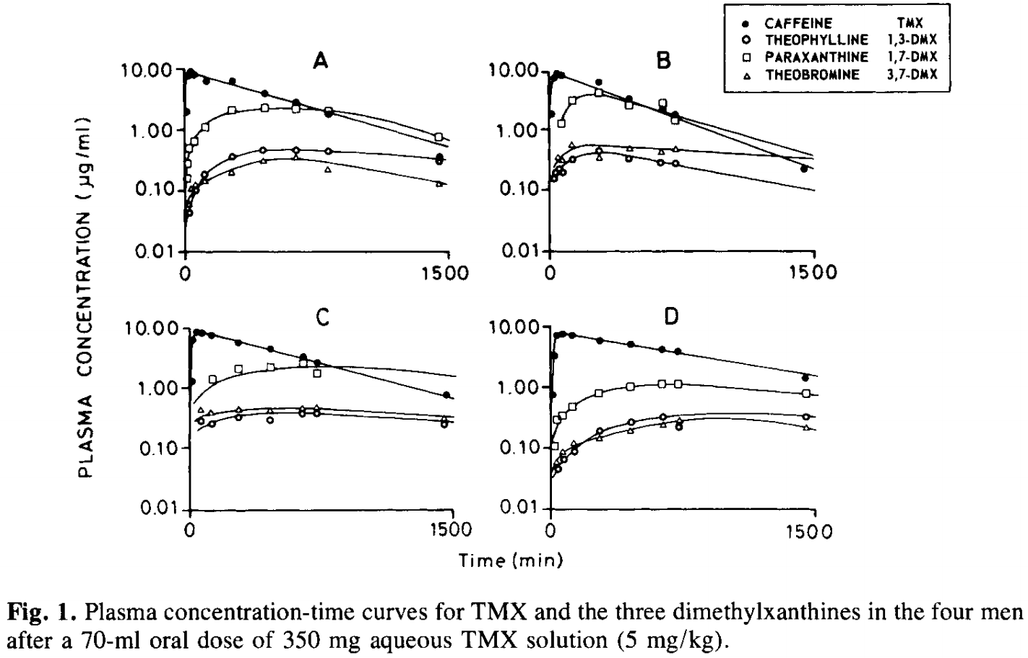
study | subject | substance | time caffeine [min] | plasma concentration [μg/ml]
study | subject | substance | time | c
Bonati1982 | A | caffeine | 10 | 1.9836
Bonati1982 | A | caffeine | 11 | 7.3936
Bonati1982 | A | caffeine | 28 | 9.4594
Bonati1982 | A | caffeine | 61 | 7.5922
Bonati1982 | A | caffeine | 118 | 6.2601
Bonati1982 | A | caffeine | 267 | 6.2431
Bonati1982 | A | caffeine | 449 | 4.0132
Bonati1982 | A | caffeine | 647 | 2.8000
Bonati1982 | A | caffeine | 820 | 1.9016
Bonati1982 | A | caffeine | 1460 | 0.3531
Bonati1982 | B | caffeine | 10 | 1.8531
Bonati1982 | B | caffeine | 23 | 7.7943
Bonati1982 | B | caffeine | 40 | 8.9462
Bonati1982 | B | caffeine | 77 | 8.6965
Bonati1982 | B | caffeine | 290 | 6.5711
Bonati1982 | B | caffeine | 459 | 3.4698
Bonati1982 | B | caffeine | 652 | 2.1616
Bonati1982 | B | caffeine | 721 | 1.8802
Bonati1982 | B | caffeine | 1456 | 0.2272
Bonati1982 | C | caffeine | 23 | 1.3246
Bonati1982 | C | caffeine | 29 | 5.9446
Bonati1982 | C | caffeine | 50 | 8.4680
Bonati1982 | C | caffeine | 74 | 8.0072
Bonati1982 | C | caffeine | 124 | 7.1594
Bonati1982 | C | caffeine | 292 | 5.5482
Bonati1982 | C | caffeine | 469 | 4.1820
Bonati1982 | C | caffeine | 658 | 3.0652
Bonati1982 | C | caffeine | 736 | 2.6626
Bonati1982 | C | caffeine | 1472 | 0.7284
Bonati1982 | D | caffeine | 20 | 0.7391
Bonati1982 | D | caffeine | 21.1 | 3.1596
Bonati1982 | D | caffeine | 38.2 | 7.3859
Bonati1982 | D | caffeine | 71.0 | 7.5821
Bonati1982 | D | caffeine | 124.2 | 6.9699
Bonati1982 | D | caffeine | 279.8 | 5.8794
Bonati1982 | D | caffeine | 460.1 | 5.2342
Bonati1982 | D | caffeine | 640.2 | 4.1760
Bonati1982 | D | caffeine | 730.3 | 3.7300
Bonati1982 | D | caffeine | 1454.9 | 1.3917
Bonati1982 | A | theophylline | 34 | 0.0404
Bonati1982 | A | theophylline | 21 | 0.0562
Bonati1982 | A | theophylline | 67 | 0.0972
Bonati1982 | A | theophylline | 121 | 0.1824
Bonati1982 | A | theophylline | 266 | 0.3511
Bonati1982 | A | theophylline | 444 | 0.4604
Bonati1982 | A | theophylline | 626 | 0.4464
Bonati1982 | A | theophylline | 820 | 0.4328
Bonati1982 | A | theophylline | 1452 | 0.2996
Bonati1982 | B | theophylline | 26 | 0.1499
Bonati1982 | B | theophylline | 34 | 0.2031
Bonati1982 | B | theophylline | 63 | 0.2463
Bonati1982 | B | theophylline | 83 | 0.2086
Bonati1982 | B | theophylline | 125 | 0.3334
Bonati1982 | B | theophylline | 281 | 0.5173
Bonati1982 | B | theophylline | 454 | 0.3407
Bonati1982 | B | theophylline | 643 | 0.3125
Bonati1982 | B | theophylline | 721 | 0.2872
Bonati1982 | C | theophylline | 66 | 0.2943
Bonati1982 | C | theophylline | 136 | 0.2489
Bonati1982 | C | theophylline | 289 | 0.3071
Bonati1982 | C | theophylline | 461.6316 | 0.2880
Bonati1982 | C | theophylline | 647.3982 | 0.3747
Bonati1982 | C | theophylline | 725.6556 | 0.3630
Bonati1982 | C | theophylline | 1462.6995 | 0.2253
Bonati1982 | D | theophylline | 50.3882 | 0.0415
Bonati1982 | D | theophylline | 75.3359 | 0.0643
Bonati1982 | D | theophylline | 141.1989 | 0.0916
Bonati1982 | D | theophylline | 277.0006 | 0.1809
Bonati1982 | D | theophylline | 461.7125 | 0.2566
Bonati1982 | D | theophylline | 646.2899 | 0.3088
Bonati1982 | D | theophylline | 727.9412 | 0.2098
Bonati1982 | D | theophylline | 1449.5670 | 0.3082
Bonati1982 | A | paraxanthine | 18 | 0.1428
Bonati1982 | A | paraxanthine | 18 | 0.2911
Bonati1982 | A | paraxanthine | 26 | 0.4900
Bonati1982 | A | paraxanthine | 51 | 0.7189
Bonati1982 | A | paraxanthine | 122 | 1.0539
Bonati1982 | A | paraxanthine | 271 | 2.0291
Bonati1982 | A | paraxanthine | 453 | 2.1957
Bonati1982 | A | paraxanthine | 630 | 2.1294
Bonati1982 | A | paraxanthine | 820 | 2.1810
Bonati1982 | A | paraxanthine | 1460 | 0.7201
Bonati1982 | B | paraxanthine | 64 | 1.3289
Bonati1982 | B | paraxanthine | 138 | 3.1252
Bonati1982 | B | paraxanthine | 286 | 4.4636
Bonati1982 | B | paraxanthine | 450 | 2.6325
Bonati1982 | B | paraxanthine | 647.5313 | 2.9295
Bonati1982 | B | paraxanthine | 717.1235 | 1.5075
Bonati1982 | C | paraxanthine | 125.6443 | 1.3536
Bonati1982 | C | paraxanthine | 282.7026 | 1.9669
Bonati1982 | C | paraxanthine | 468.3333 | 2.2936
Bonati1982 | C | paraxanthine | 657.9487 | 2.3974
Bonati1982 | C | paraxanthine | 727.5914 | 1.7210
Bonati1982 | D | paraxanthine | 30.6136 | 0.0999
Bonati1982 | D | paraxanthine | 39.6835 | 0.2908
Bonati1982 | D | paraxanthine | 72.5590 | 0.3241
Bonati1982 | D | paraxanthine | 138.3771 | 0.4372
Bonati1982 | D | paraxanthine | 257.6516 | 0.7327
Bonati1982 | D | paraxanthine | 466.9080 | 0.9830
Bonati1982 | D | paraxanthine | 639.1012 | 1.0606
Bonati1982 | D | paraxanthine | 729.3073 | 1.1167
Bonati1982 | D | paraxanthine | 1442.0872 | 0.7412
Bonati1982 | A | theobromine | 17 | 0.0578
Bonati1982 | A | theobromine | 13 | 0.1116
Bonati1982 | A | theobromine | 55 | 0.1244
Bonati1982 | A | theobromine | 117 | 0.1349
Bonati1982 | A | theobromine | 257 | 0.1770
Bonati1982 | A | theobromine | 448 | 0.2969
Bonati1982 | A | theobromine | 634 | 0.3302
Bonati1982 | A | theobromine | 811 | 0.2123
Bonati1982 | A | theobromine | 1451 | 0.1281
Bonati1982 | B | theobromine | 47 | 0.3729
Bonati1982 | B | theobromine | 80 | 0.3626
Bonati1982 | B | theobromine | 129 | 0.5794
Bonati1982 | B | theobromine | 293.2423 | 0.3513
Bonati1982 | B | theobromine | 465.9901 | 0.5015
Bonati1982 | B | theobromine | 638.5465 | 0.4476
Bonati1982 | B | theobromine | 724.8810 | 0.4855
Bonati1982 | C | theobromine | 54.2017 | 0.4436
Bonati1982 | C | theobromine | 115.8070 | 0.3753
Bonati1982 | C | theobromine | 293.0946 | 0.4034
Bonati1982 | C | theobromine | 453.7980 | 0.3999
Bonati1982 | C | theobromine | 647.6359 | 0.4536
Bonati1982 | C | theobromine | 717.6861 | 0.4518
Bonati1982 | C | theobromine | 1458.8845 | 0.2881
Bonati1982 | D | theobromine | 34.2416 | 0.0562
Bonati1982 | D | theobromine | 67.3634 | 0.0846
Bonati1982 | D | theobromine | 133.1816 | 0.1141
Bonati1982 | D | theobromine | 285.0403 | 0.1493
Bonati1982 | D | theobromine | 461.4661 | 0.1898
Bonati1982 | D | theobromine | 637.8471 | 0.2285
Bonati1982 | D | theobromine | 740.4374 | 0.2684
Bonati1982 | D | theobromine | 1453.2845 | 0.1934

Tab3
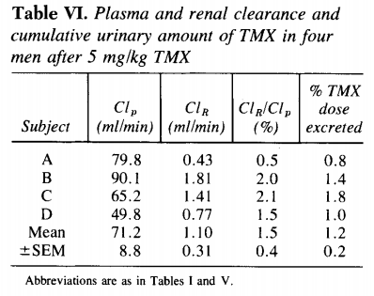
study | subject | urine volume [l] | TMX | ADMU | 1,7-DMX | 3,7-DMX | 1,3-DMU | 1,7-DMU | 1-MX | 3-MX | 7-MX | 1-MU | total | Plasma Clearance [ml/min] | Renal Clearance [ml/min] | Clr/Clp [%] | TMX dose excreted [%]
study | subject | urine_volume | TMX | ADMU | 1,7-DMX | 3,7-DMX | 1,3-DMU | 1,7-DMU | 1-MX | 3-MX | 7-MX | 1-MU | total | Clp | Clr | Clr_Clp | caf_ex
Bonati1982 | A | 2.2 | 0.8 | 1.3 | 3.3 | 2 | 3.3 | 5.6 | 10.7 | 1.9 | 7.8 | 52.1 | 88.8 | 79.8 | 0.43 | 0.5 | 0.8
Bonati1982 | B | 2.9 | 1.4 | 0.8 | 2.3 | 3.2 | 2.5 | 4.5 | 7.3 | 2.1 | 5.2 | 35.4 | 64.7 | 90.1 | 1.81 | 2 | 1.4
Bonati1982 | C | 2.2 | 1.8 | 0.9 | 6.7 | 2.1 | 3.4 | 11.8 | 15.9 | 3.8 | 10.3 | 51.1 | 107.8 | 65.2 | 1.41 | 2.1 | 1.8
Bonati1982 | D | 2.2 | 1 | 1.3 | 5.4 | 2.5 | 2.6 | 7.9 | 17.3 | 2.4 | 4.4 | 35.8 | 80.6 | 49.8 | 0.77 | 1.5 | 1

