Fig3
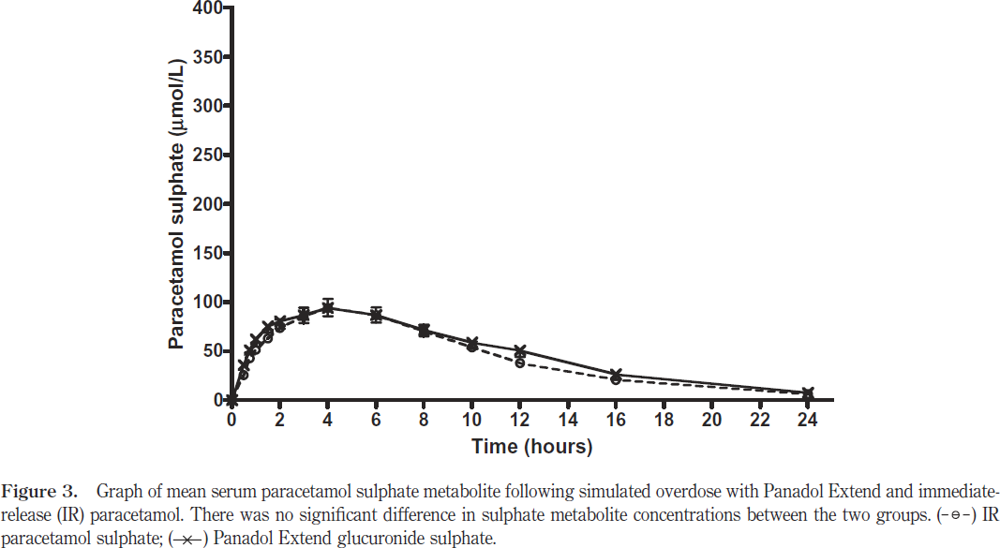
study | Number of subjects [-] {type=int} | Substance [-] {values=paracetamol, Pex} | Time [h] {type=double} | Paracetamol sulfate [μmol/l] {type=double} | Paracetamol sulfate SE [μmol/l] {type=double} | Paracetamol sulfate SD [μmol/l] {type=double} | Paracetamol sulfate [mg/l] {type=double} | Paracetamol sulfate SE [mg/l] {type=double} | Paracetamol sulfate SD [mg/l] {type=double}
study | n | substance | time | apap_sul_mol | apap_sul_mol_se | apap_sul_mol_sd | apap_sul | apap_sul_se | apap_sul_sd
Chiew2010 | 9 | paracetamol | 0.0 | 0.95 | NA | NA | 0.22 | NA | NA
Chiew2010 | 9 | paracetamol | 0.5 | 25.69 | NA | NA | 5.94 | NA | NA
Chiew2010 | 9 | paracetamol | 0.8 | 42.82 | NA | NA | 9.90 | NA | NA
Chiew2010 | 9 | paracetamol | 1.0 | 51.39 | NA | NA | 11.88 | NA | NA
Chiew2010 | 9 | paracetamol | 1.5 | 58.99 | NA | NA | 13.64 | NA | NA
Chiew2010 | 9 | paracetamol | 2.0 | 73.25 | NA | NA | 16.94 | NA | NA
Chiew2010 | 9 | paracetamol | 3.0 | 84.64 | 9.53 | 28.58 | 19.57 | 2.20 | 6.61
Chiew2010 | 9 | paracetamol | 4.0 | 93.17 | 8.58 | 25.73 | 21.54 | 1.98 | 5.95
Chiew2010 | 9 | paracetamol | 6.0 | 85.47 | 7.62 | 22.85 | 19.76 | 1.76 | 5.28
Chiew2010 | 9 | paracetamol | 8.0 | 69.21 | 6.66 | 19.98 | 16.00 | 1.54 | 4.62
Chiew2010 | 9 | paracetamol | 10.0 | 54.84 | 3.81 | 11.43 | 12.68 | 0.88 | 2.64
Chiew2010 | 9 | paracetamol | 12.0 | 37.62 | 9.52 | 28.57 | 8.70 | 2.20 | 6.61
Chiew2010 | 6 | paracetamol | 16.0 | 19.37 | NA | NA | 4.48 | NA | NA
Chiew2010 | 6 | paracetamol | 24.0 | 6.67 | NA | NA | 1.54 | NA | NA
Chiew2010 | 9 | PEx | 0.0 | 0.00 | NA | NA | 0.00 | NA | NA
Chiew2010 | 9 | PEx | 0.5 | 34.63 | NA | NA | 8.01 | NA | NA
Chiew2010 | 9 | PEx | 0.8 | 51.95 | NA | NA | 12.01 | NA | NA
Chiew2010 | 9 | PEx | 1.0 | 60.61 | NA | NA | 14.02 | NA | NA
Chiew2010 | 9 | PEx | 1.5 | 75.06 | NA | NA | 17.36 | NA | NA
Chiew2010 | 9 | PEx | 2.0 | 77.96 | NA | NA | 18.03 | NA | NA
Chiew2010 | 9 | PEx | 3.0 | 85.70 | 8.66 | 25.98 | 19.82 | 2.00 | 6.01
Chiew2010 | 9 | PEx | 4.0 | 94.39 | 11.54 | 34.62 | 21.83 | 2.67 | 8.01
Chiew2010 | 9 | PEx | 6.0 | 85.82 | 8.65 | 25.96 | 19.84 | 2.00 | 6.00
Chiew2010 | 9 | PEx | 8.0 | 69.55 | NA | NA | 16.08 | NA | NA
Chiew2010 | 9 | PEx | 10.1 | 57.13 | NA | NA | 13.21 | NA | NA
Chiew2010 | 9 | PEx | 12.0 | 50.48 | NA | NA | 11.67 | NA | NA
Chiew2010 | 6 | PEx | 16.0 | 25.64 | NA | NA | 5.93 | NA | NA
Chiew2010 | 6 | PEx | 24.0 | 7.69 | NA | NA | 1.78 | NA | NA

