Figure 4
Lau1994 - The estimation of paracetamol and its major metabolites in both plasma and urine by a single high performance liquid chromatography

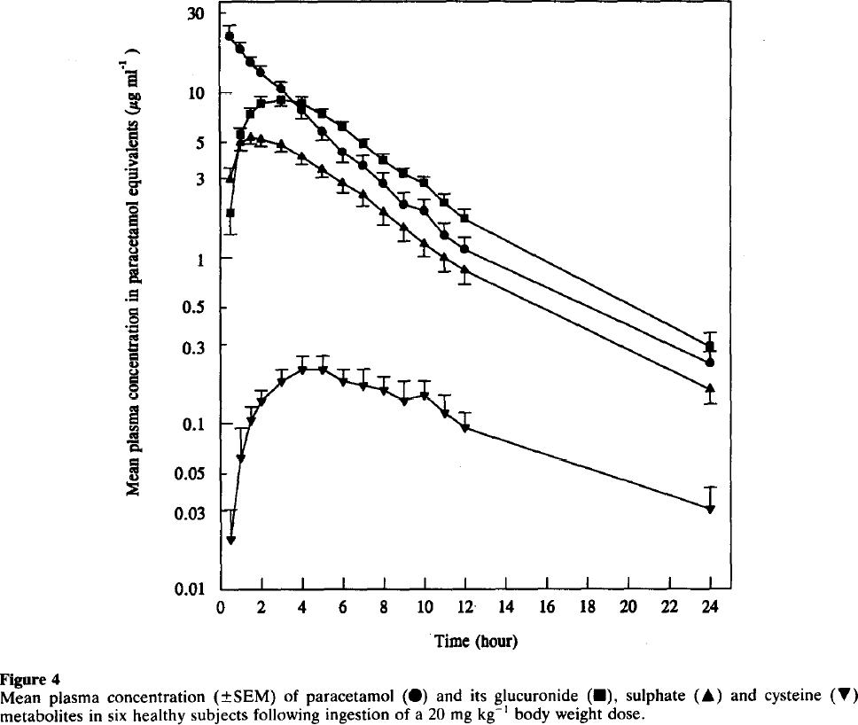
species | human
method | 20mg/kg oral dose paracetamol
n | 6
subjects | healthy volunteers

Figure 4
study | time paracetamol [h] | paracetamolplasma concentration [μg/ml] | paracetamolplasma concentration SE [μg/ml] | time sulphate [h] | sulphate plasma concentration [μg/ml] | sulphate plasma concentration SE [μg/ml] | time glucuronide [h] | glucuronide plasma concentration [μg/ml] | glucuronide plasma concentration SE [μg/ml] | time cysteine [h] | cysteine plasma concentration [μg/ml] | cysteine plasma concentration SE [μg/ml]
study | time_paracetamol | paracetamol_concentration | paracetamol_concentration_SE | time_sulphate | sulphate_concentration | sulphate_concentration_SE | time_glucuronide | glucuronide_concentration | glucuronide_concentration_SE | time_cysteine | cysteine_concentration | cysteine_concentration_SE
Lau1994 | 0.3 | 21.7820 | 3.1542 | 0.5 | 2.9821 | 0.4735 | 0.5 | 1.8397 | 0.4583 | 0.6 | 0.0202 | 0.0102
Lau1994 | 0.9 | 17.8800 | 2.0927 | 0.9 | 4.7552 | 0.4449 | 1.0 | 5.4653 | 0.7141 | 1.1 | 0.0631 | 0.0311
Lau1994 | 1.6 | 14.6764 | 1.9229 | 1.6 | 5.2461 | 0.4518 | 1.4 | 7.2193 | 0.8107 | 1.6 | 0.1065 | 0.0200
Lau1994 | 2.0 | 13.4598 | 1.0308 | 2.0 | 5.1188 | 0.4408 | 2.0 | 8.4342 | 0.9471 | 2.1 | 0.1384 | 0.0220
Lau1994 | 3.0 | 10.7754 | 0.8267 | 3.0 | 4.7552 | 0.4449 | 3.0 | 9.0791 | 1.0492 | 3.0 | 0.1784 | 0.0335
Lau1994 | 3.9 | 7.7239 | 0.6371 | 4.0 | 4.1037 | 0.4742 | 3.9 | 8.5734 | 0.7314 | 4.0 | 0.2119 | 0.0397
Lau1994 | 5.0 | 5.7431 | 0.6018 | 5.0 | 3.3305 | 0.2492 | 5.0 | 7.2786 | 0.5565 | 5.1 | 0.2136 | 0.0401
Lau1994 | 6.1 | 4.3235 | 0.6385 | 5.9 | 2.8391 | 0.3689 | 5.9 | 6.1289 | 0.5775 | 6.1 | 0.1784 | 0.0317
Lau1994 | 6.9 | 3.5484 | 0.5639 | 7.0 | 2.3907 | 0.3611 | 7.0 | 4.7943 | 0.4090 | 7.0 | 0.1699 | 0.0455
Lau1994 | 7.9 | 2.8060 | 0.4461 | 8.0 | 1.8247 | 0.2628 | 8.0 | 3.8435 | 0.3622 | 8.1 | 0.1631 | 0.0274
Lau1994 | 8.9 | 2.1124 | 0.3662 | 9.0 | 1.5365 | 0.2844 | 9.0 | 3.2101 | 0.2454 | 9.1 | 0.1351 | 0.0463
Lau1994 | 10.0 | 1.8890 | 0.3550 | 9.9 | 1.2019 | 0.1898 | 10.0 | 2.8625 | 0.2189 | 10.0 | 0.1478 | 0.0321
Lau1994 | 10.8 | 1.3541 | 0.2542 | 11.0 | 1.0121 | 0.1940 | 10.9 | 2.1318 | 0.2983 | 11.0 | 0.1185 | 0.0293
Lau1994 | 11.8 | 1.1388 | 0.1808 | 11.9 | 0.8418 | 0.1530 | 12.0 | 1.7231 | 0.2411 | 12.0 | 0.0942 | 0.0233
Lau1994 | 24.0 | 0.2218 | 0.0450 | 24.0 | 0.1585 | 0.0277 | 24.0 | 0.2916 | 0.0662 | 24.1 | 0.0307 | 0.0102

