Figure 1
Manyike 2000 - Contribution of CYP2E1 and CYP3A to acetaminophen reactive metabolite formation

species | human
method | pretreatment with disulfiram/rifampin
n | 8
subjects | volunteers

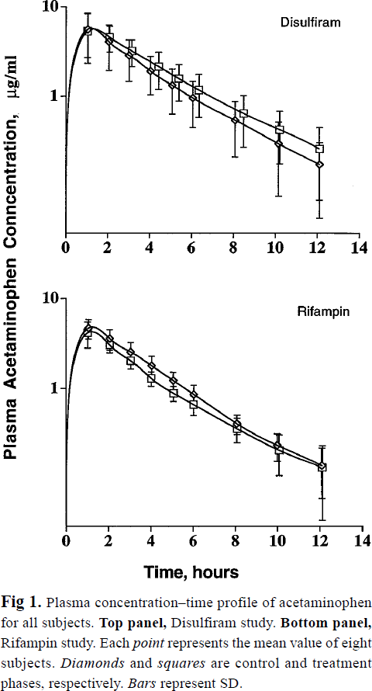
Figure 1
study | time control disulfram [h] | control disulfiram plasma acetaminophen concentration [μg/ml] | control disulfiram plasma acetaminophen concentration SD [μg/ml] | time Disulfiram treatment [h] | Disulfiram treatment plasma acetaminophen concentration [μg/ml] | Disulfiram treatment plasma acetaminophen concentration SD [μg/ml] | time control [h] | control plasma acetaminophen concentration [μg/ml] | control rifampin plasma acetaminophen concentration SD [μg/ml] | time Rifampin treatment [h] | Rifampin treatment plasma acetaminophen concentration [μg/ml] | Rifampin treatment plasma acetaminophen concentration SD [μg/ml]
study | time_control_disulfram | control_disulfram_plasma_acetaminophen | control_disulfram_plasma_acetaminophen_SD | time_disulfiram_treatment | disulfiram_treatment_plasma_acetaminophen | disulfiram_treatment_plasma_acetaminophen_SD | time_control_rifampin | control_rifampin_plasma_acetaminophen | control_rifampin_plasma_acetaminophen_SD | time_Rifampin_treatment | Rifampin_treatment_plasma_acetaminophen | Rifampin_treatment_plasma_acetaminophen_SD
Manyike2000 | 0.1 | 0.10160 |  | 0.1 | 0.1000 |  | 0.0 | 0.1032 |  | 0.0 | 0.0984
Manyike2000 | 1.0 | 6.31669 | 2.64064 | 1.1 | 6.0233 | 2.2513 | 1.0 | 5.5904 | 0.8495 | 1.0 | 4.7773 | 1.0622
Manyike2000 | 2.0 | 4.82748 | 1.80520 | 2.1 | 5.2268 | 1.5123 | 2.1 | 4.4862 | 0.6817 | 2.0 | 3.8337 | 0.4530
Manyike2000 | 3.0 | 3.68967 | 1.29902 | 3.2 | 4.1900 | 0.7997 | 3.0 | 3.3807 | 0.7664 | 3.0 | 2.7996 | 0.3693
Manyike2000 | 4.1 | 2.73188 | 0.96181 | 4.4 | 2.9589 | 1.0422 | 4.0 | 2.6290 | 0.5457 | 4.0 | 1.9503 | 0.2032
Manyike2000 | 5.0 | 2.02255 | 0.80056 | 5.4 | 2.4096 | 0.6969 | 5.1 | 1.9503 | 0.2268 | 5.1 | 1.4468 | 0.1908
Manyike2000 | 6.0 | 1.59559 | 0.59666 | 6.3 | 1.8124 | 0.7174 | 6.0 | 1.4468 | 0.2731 | 6.0 | 1.1794 | 0.2180
Manyike2000 | 8.1 | 1.00911 | 0.42209 | 8.5 | 1.1464 | 0.4537 | 8.2 | 0.8088 | 0.1229 | 8.1 | 0.6804 | 0.1344
Manyike2000 | 10.2 | 0.60853 | 0.34078 | 10.2 | 0.8360 | 0.2944 | 10.0 | 0.5127 | 0.1162 | 10.1 | 0.4666 | 0.1754
Manyike2000 | 12.2 | 0.40360 | 0.22591 | 12.1 | 0.5633 | 0.2746 | 12.1 | 0.3354 | 0.1537 | 12.1 | 0.3354 | 0.2238

Disulfiram
Rifampin

