Figure 3A
Volak 2013 - Effect of a herbal extract containing curcumin and piperine on midazolam, flurbiprofen and paracetamol (acetaminophen) pharmacokinetics in healthy volunteers

species | human
method | randomized placebo-controlled six way crossover study, curcuminoid/piperine preparation (4 g curcuminoids plus 24 mg piperine) or matched placebo was given orally four times over 2 days before oral administration of paracetamol
n | 8
subjects | healthy

study | time [h] | curcuminoid/piperine treatment paracetamol plasma concentration [μg/ml] | curcuminoid/piperine treatment paracetamol plasma concentration SD [μg/ml] | placebo treatment paracetamol plasma concentration [μg/ml] | placebo treatment paracetamol plasma concentration SD [μg/ml]
study | time | curcuminoid/piperine_paracetamol_plasma_concentration | curcuminoid/piperine_paracetamol_plasma_concentration_SD | placebo_paracetamol_plasma_concentration | placebo_paracetamol_plasma_concentration_SD
Volak2013 | 0.0 | 0.0120 | NA | 0.0482 | NA
Volak2013 | 0.5 | 2.5181 | 0.6506 | 1.9759 | 0.5422
Volak2013 | 1.0 | 3.4578 | 0.4096 | 2.6988 | 0.1928
Volak2013 | 1.5 | 2.9759 | 0.2651 | 3.1084 | 0.3012
Volak2013 | 2.0 | 2.4819 | 0.2169 | 2.8434 | 0.3133
Volak2013 | 2.5 | 2.1084 | 0.2169 | 2.3253 | 0.3012
Volak2013 | 3.0 | 1.8313 | 0.2048 | 1.9880 | 0.2410
Volak2013 | 4.0 | 1.3373 | 0.1205 | 1.5060 | 0.2410
Volak2013 | 6.0 | 0.6867 | NA | 0.7952 | 0.1325
Volak2013 | 8.0 | 0.4699 | NA | 0.4940 | 0.0361
Volak2013 | 10.0 | 0.3012 | NA | 0.3373 | NA

Figure 3B
Volak 2013 - Effect of a herbal extract containing curcumin and piperine on midazolam, flurbiprofen and paracetamol (acetaminophen) pharmacokinetics in healthy volunteers

species | human
method | randomized placebo-controlled six way crossover study, curcuminoid/piperine preparation (4 g curcuminoids plus 24 mg piperine) or matched placebo was given orally four times over 2 days before oral administration of paracetamol
n | 8
subjects | healthy

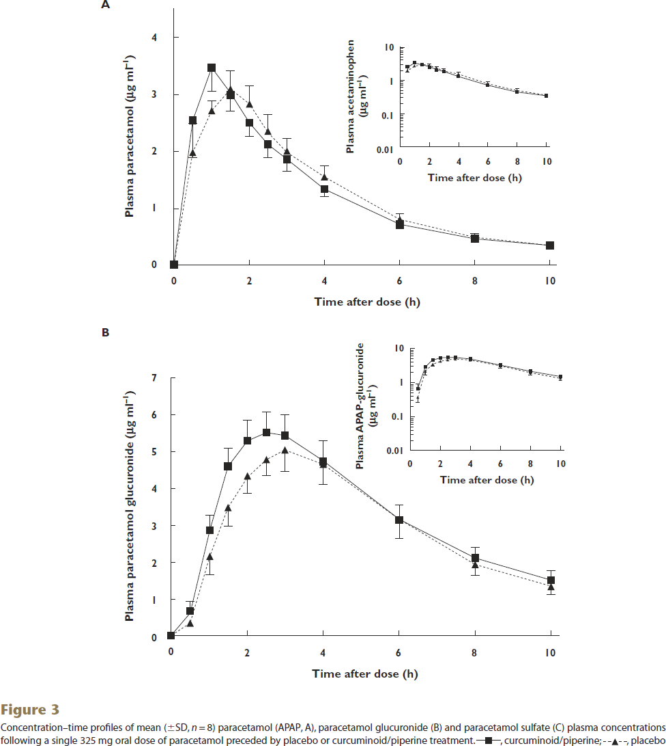
study | time [h] | curcuminoid/piperine treatment paracetamol glucuronide plasma concentration [μg/ml] | curcuminoid/piperine treatment paracetamol glucuronide plasma concentration SD [μg/ml] | placebo treatment paracetamol glucuronide plasma concentration [μg/ml] | placebo treatment paracetamol glucuronide plasma concentration SD [μg/ml]
study | time | curcuminoid/piperine_paracetamol_glucuronide_plasma_concentration | curcuminoid/piperine_paracetamol_glucuronide_plasma_concentration_SD | placebo_paracetamol_glucuronide_plasma_concentration | placebo_paracetamol_glucuronide_plasma_concentration_SD
Volak2013 | 0.1 | 0.0923 | NA | 0.0184 | NA
Volak2013 | 0.5 | 0.6833 | 0.2776 | 0.3314 | NA
Volak2013 | 1.0 | 2.8850 | 0.4260 | 2.1444 | 0.4630
Volak2013 | 1.5 | 4.6057 | 0.4628 | 3.4575 | 0.4816
Volak2013 | 2.0 | 5.3443 | 0.5371 | 4.3258 | 0.4444
Volak2013 | 2.5 | 5.5089 | 0.5560 | 4.7870 | 0.4629
Volak2013 | 3.0 | 5.4890 | 0.4999 | 5.0260 | 0.5927
Volak2013 | 4.0 | 4.7074 | 0.5925 | 4.6149 | 0.4816
Volak2013 | 6.0 | 3.1259 | 0.4075 | 3.1446 | 0.4632
Volak2013 | 8.0 | 2.0998 | 0.2780 | 1.8963 | 0.2591
Volak2013 | 10.0 | 1.4812 | 0.2782 | 1.3519 | 0.2222

Figure 3C
Volak 2013 - Effect of a herbal extract containing curcumin and piperine on midazolam, flurbiprofen and paracetamol (acetaminophen) pharmacokinetics in healthy volunteers

species | human
method | randomized placebo-controlled six way crossover study, curcuminoid/piperine preparation (4 g curcuminoids plus 24 mg piperine) or matched placebo was given orally four times over 2 days before oral administration of paracetamol
n | 8
subjects | healthy

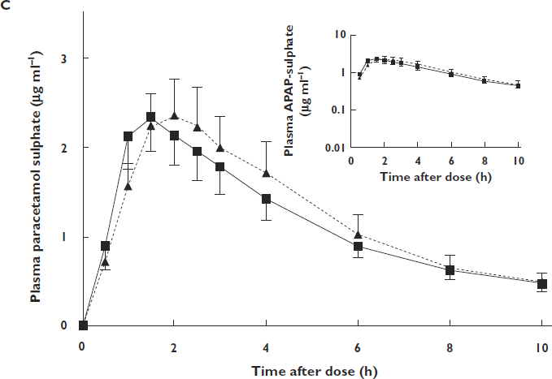
study | time [h] | curcuminoid/piperine treatment paracetamol sulphate plasma concentration [μg/ml] | curcuminoid/piperine treatment paracetamol sulphate plasma concentration SD [μg/ml] | placebo treatment paracetamol sulphate plasma concentration [μg/ml] | placebo treatment paracetamol sulphate plasma concentration SD [μg/ml]
study | time | curcuminoid/piperine_paracetamol_sulphate_plasma_concentration | curcuminoid/piperine_paracetamol_sulphate_plasma_concentration_SD | placebo_paracetamol_sulphate_plasma_concentration | placebo_paracetamol_sulphate_plasma_concentration_SD
Volak2013 | 0.0 | 0.0000 | NA | 0.0453 | NA
Volak2013 | 0.4 | 0.8969 | 0.2810 | 0.7065 | 0.1632
Volak2013 | 1.0 | 2.1381 | 0.3897 | 1.5399 | 0.2900
Volak2013 | 1.5 | 2.3552 | 0.3897 | 2.2283 | 0.3535
Volak2013 | 2.0 | 2.1191 | 0.3172 | 2.3366 | 0.4078
Volak2013 | 2.5 | 1.9555 | 0.3263 | 2.2002 | 0.4713
Volak2013 | 3.0 | 1.7556 | 0.2900 | 1.9822 | 0.3716
Volak2013 | 4.0 | 1.4284 | 0.2538 | 1.6822 | 0.3806
Volak2013 | 6.0 | 0.8828 | 0.1087 | 1.0097 | 0.2356
Volak2013 | 8.0 | 0.6362 | 0.1269 | 0.6453 | 0.1360
Volak2013 | 10.0 | 0.4804 | 0.1088 | 0.4804 | 0.0997

