Figure 1
Yin 2001 - Pharmacokinetics of acetaminophen in Hong Kong Chinese subjects

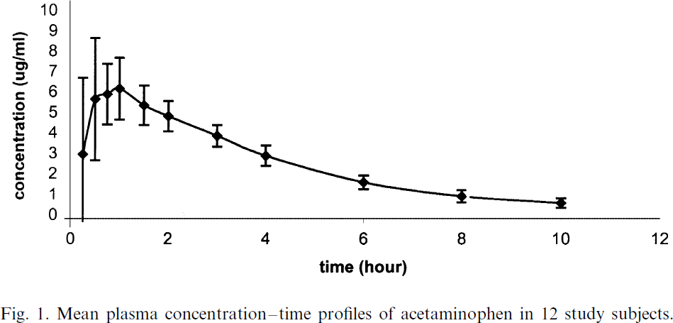
species | human
method | single 500mg acetaminophen dose under fasting conditions
n | 12
subjects | healthy male Chinese

study | time [h] | APAP (acetaminophen) plasma concentration [μg/ml] | APAP (paracetamol) plasma concentration SD μg/ml]
study | time | APAP_plasma_concentration | APAP_plasma_concentration_SD
Yin2001 | 0.2 | 2.9636 | 3.70
Yin2001 | 0.5 | 5.6917 | 2.8619
Yin2001 | 0.8 | 5.8945 | 1.3805
Yin2001 | 1.0 | 6.0972 | 1.4814
Yin2001 | 1.5 | 5.3241 | 0.9765
Yin2001 | 2.0 | 4.7867 | 0.7408
Yin2001 | 3.0 | 3.8805 | 0.5051
Yin2001 | 4.0 | 3.0078 | 0.4376
Yin2001 | 6.0 | 1.6667 | 0.4377
Yin2001 | 8.0 | 1.0326 | 0.3702
Yin2001 | 10.0 | 0.7015 | 0.2693

