Fig2
study | gender | Oral contraceptives (OCS) or control | measurement | measurement long description |  | measurement value
study | gender | oc | m | m_long | m_unit | value
Abernethy1985 | F | yes | halflife | caffeine elimination half-life [h] | h | 5.415
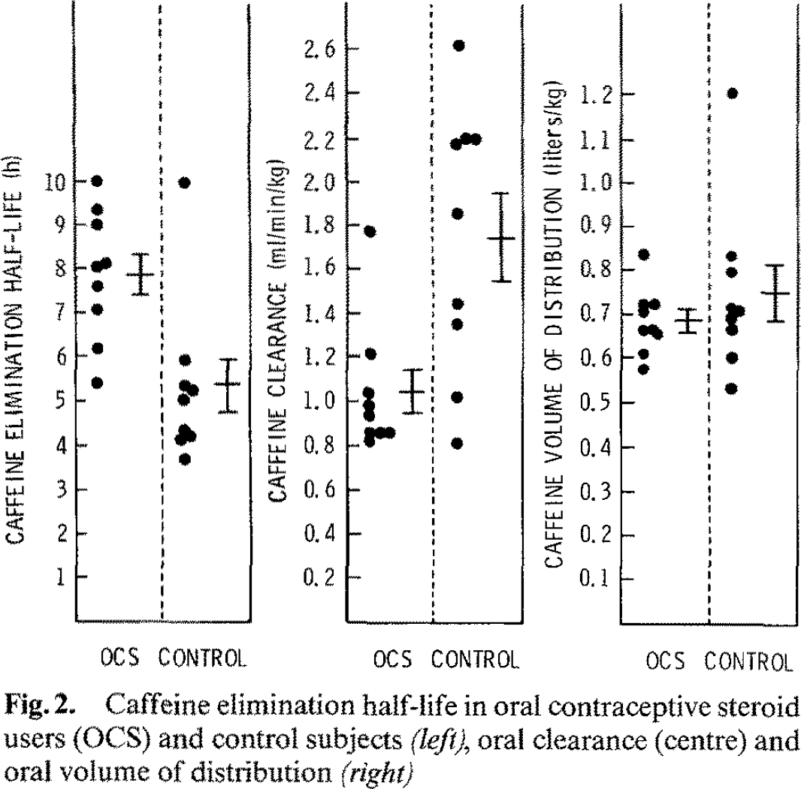
Abernethy1985 | F | yes | halflife | caffeine elimination half-life [h] | h | 6.199
Abernethy1985 | F | yes | halflife | caffeine elimination half-life [h] | h | 7.068
Abernethy1985 | F | yes | halflife | caffeine elimination half-life [h] | h | 7.614
Abernethy1985 | F | yes | halflife | caffeine elimination half-life [h] | h | 8.040
Abernethy1985 | F | yes | halflife | caffeine elimination half-life [h] | h | 8.142
Abernethy1985 | F | yes | halflife | caffeine elimination half-life [h] | h | 9.011
Abernethy1985 | F | yes | halflife | caffeine elimination half-life [h] | h | 9.369
Abernethy1985 | F | yes | halflife | caffeine elimination half-life [h] | h | 9.983
Abernethy1985 | F | no | halflife | caffeine elimination half-life [h] | h | 3.659
Abernethy1985 | F | no | halflife | caffeine elimination half-life [h] | h | 4.136
Abernethy1985 | F | no | halflife | caffeine elimination half-life [h] | h | 4.188
Abernethy1985 | F | no | halflife | caffeine elimination half-life [h] | h | 4.324
Abernethy1985 | F | no | halflife | caffeine elimination half-life [h] | h | 5.023
Abernethy1985 | F | no | halflife | caffeine elimination half-life [h] | h | 5.227
Abernethy1985 | F | no | halflife | caffeine elimination half-life [h] | h | 5.330
Abernethy1985 | F | no | halflife | caffeine elimination half-life [h] | h | 5.943
Abernethy1985 | F | no | halflife | caffeine elimination half-life [h] | h | 9.932
Abernethy1985 | F | yes | clearance | caffeine clearance [ml/min/kg] | ml/min/kg | 0.815
Abernethy1985 | F | yes | clearance | caffeine clearance [ml/min/kg] | ml/min/kg | 0.852
Abernethy1985 | F | yes | clearance | caffeine clearance [ml/min/kg] | ml/min/kg | 0.852
Abernethy1985 | F | yes | clearance | caffeine clearance [ml/min/kg] | ml/min/kg | 0.855
Abernethy1985 | F | yes | clearance | caffeine clearance [ml/min/kg] | ml/min/kg | 0.934
Abernethy1985 | F | yes | clearance | caffeine clearance [ml/min/kg] | ml/min/kg | 0.978
Abernethy1985 | F | yes | clearance | caffeine clearance [ml/min/kg] | ml/min/kg | 1.036
Abernethy1985 | F | yes | clearance | caffeine clearance [ml/min/kg] | ml/min/kg | 1.214
Abernethy1985 | F | yes | clearance | caffeine clearance [ml/min/kg] | ml/min/kg | 1.770
Abernethy1985 | F | no | clearance | caffeine clearance [ml/min/kg] | ml/min/kg | 0.811
Abernethy1985 | F | no | clearance | caffeine clearance [ml/min/kg] | ml/min/kg | 1.013
Abernethy1985 | F | no | clearance | caffeine clearance [ml/min/kg] | ml/min/kg | 1.347
Abernethy1985 | F | no | clearance | caffeine clearance [ml/min/kg] | ml/min/kg | 1.439
Abernethy1985 | F | no | clearance | caffeine clearance [ml/min/kg] | ml/min/kg | 1.849
Abernethy1985 | F | no | clearance | caffeine clearance [ml/min/kg] | ml/min/kg | 2.166
Abernethy1985 | F | no | clearance | caffeine clearance [ml/min/kg] | ml/min/kg | 2.194
Abernethy1985 | F | no | clearance | caffeine clearance [ml/min/kg] | ml/min/kg | 2.190
Abernethy1985 | F | no | clearance | caffeine clearance [ml/min/kg] | ml/min/kg | 2.617
Abernethy1985 | F | yes | Vd | caffeine volume of distribution [L/kg] | L/kg | 0.576
Abernethy1985 | F | yes | Vd | caffeine volume of distribution [L/kg] | L/kg | 0.612
Abernethy1985 | F | yes | Vd | caffeine volume of distribution [L/kg] | L/kg | 0.656
Abernethy1985 | F | yes | Vd | caffeine volume of distribution [L/kg] | L/kg | 0.666
Abernethy1985 | F | yes | Vd | caffeine volume of distribution [L/kg] | L/kg | 0.663
Abernethy1985 | F | yes | Vd | caffeine volume of distribution [L/kg] | L/kg | 0.707
Abernethy1985 | F | yes | Vd | caffeine volume of distribution [L/kg] | L/kg | 0.722
Abernethy1985 | F | yes | Vd | caffeine volume of distribution [L/kg] | L/kg | 0.722
Abernethy1985 | F | yes | Vd | caffeine volume of distribution [L/kg] | L/kg | 0.840
Abernethy1985 | F | no | Vd | caffeine volume of distribution [L/kg] | L/kg | 0.533
Abernethy1985 | F | no | Vd | caffeine volume of distribution [L/kg] | L/kg | 0.605
Abernethy1985 | F | no | Vd | caffeine volume of distribution [L/kg] | L/kg | 0.668
Abernethy1985 | F | no | Vd | caffeine volume of distribution [L/kg] | L/kg | 0.692
Abernethy1985 | F | no | Vd | caffeine volume of distribution [L/kg] | L/kg | 0.709
Abernethy1985 | F | no | Vd | caffeine volume of distribution [L/kg] | L/kg | 0.716
Abernethy1985 | F | no | Vd | caffeine volume of distribution [L/kg] | L/kg | 0.796
Abernethy1985 | F | no | Vd | caffeine volume of distribution [L/kg] | L/kg | 0.835
Abernethy1985 | F | no | Vd | caffeine volume of distribution [L/kg] | L/kg | 1.205

