Table 1
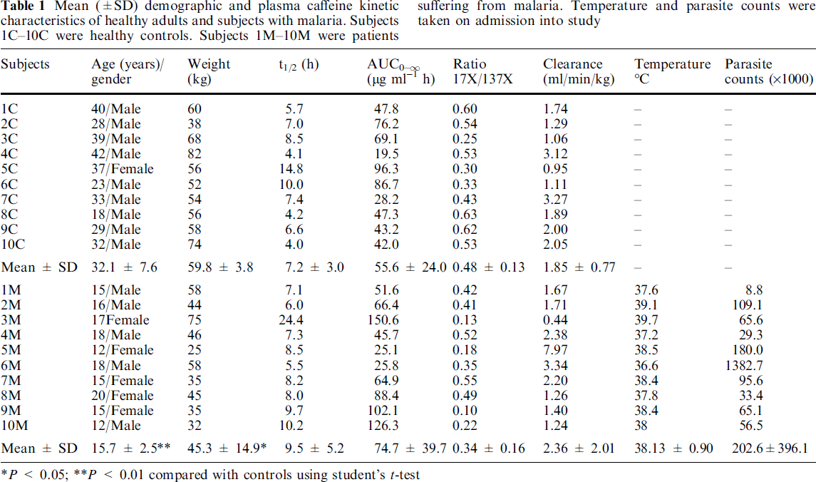
study | subject | status | age [y] | gender | weight [kg] | t1/2 (half-life) [h] | area under the curve (AUC 0-∞) [μg/(ml*h)] | ratio 17X/137X | clearance [ml/(min*h)] | temperature [°C] | parasite counts [*1000]
study | subject | status | age | gender | weight | t_half | AUC | px_caf | Cl | T | parasite_counts
Akinyinka2000 | 1C | control | 40 | M | 60 | 5.7 | 47.8 | 0.60 | 1.74 | NA | NA
Akinyinka2000 | 2C | control | 28 | M | 38 | 7.0 | 76.2 | 0.54 | 1.29 | NA | NA
Akinyinka2000 | 3C | control | 39 | M | 68 | 8.5 | 69.1 | 0.25 | 1.06 | NA | NA
Akinyinka2000 | 4C | control | 42 | M | 82 | 4.1 | 19.5 | 0.53 | 3.12 | NA | NA
Akinyinka2000 | 5C | control | 37 | F | 56 | 14.8 | 96.3 | 0.30 | 0.95 | NA | NA
Akinyinka2000 | 6C | control | 23 | M | 52 | 10.0 | 86.7 | 0.33 | 1.11 | NA | NA
Akinyinka2000 | 7C | control | 33 | M | 54 | 7.4 | 28.2 | 0.43 | 3.27 | NA | NA
Akinyinka2000 | 8C | control | 18 | M | 56 | 4.2 | 47.3 | 0.63 | 1.89 | NA | NA
Akinyinka2000 | 9C | control | 29 | M | 58 | 6.6 | 43.2 | 0.62 | 2.00 | NA | NA
Akinyinka2000 | 10C | control | 32 | M | 74 | 4.0 | 42.0 | 0.53 | 2.05 | NA | NA
Akinyinka2000 | 1M | malaria | 15 | M | 58 | 7.1 | 51.6 | 0.42 | 1.67 | 37.6 | 8.8
Akinyinka2000 | 2M | malaria | 16 | M | 44 | 6.0 | 66.4 | 0.41 | 1.71 | 39.1 | 109.1
Akinyinka2000 | 3M | malaria | 17 | F | 75 | 24.4 | 150.6 | 0.13 | 0.44 | 39.7 | 65.6
Akinyinka2000 | 4M | malaria | 18 | M | 46 | 7.3 | 45.7 | 0.52 | 2.38 | 37.2 | 29.3
Akinyinka2000 | 5M | malaria | 12 | F | 25 | 8.5 | 25.1 | 0.18 | 7.97 | 38.5 | 180.0
Akinyinka2000 | 6M | malaria | 18 | M | 58 | 5.5 | 25.8 | 0.35 | 3.34 | 36.6 | 1382.7
Akinyinka2000 | 7M | malaria | 15 | F | 35 | 8.2 | 64.9 | 0.55 | 2.20 | 38.4 | 95.6
Akinyinka2000 | 8M | malaria | 20 | F | 45 | 8.0 | 88.4 | 0.49 | 1.26 | 37.8 | 33.4
Akinyinka2000 | 9M | malaria | 15 | F | 35 | 9.7 | 102.1 | 0.10 | 1.40 | 38.4 | 65.1
Akinyinka2000 | 10M | malaria | 12 | M | 32 | 10.2 | 126.3 | 0.22 | 1.24 | 38.0 | 56.5

Figure 1
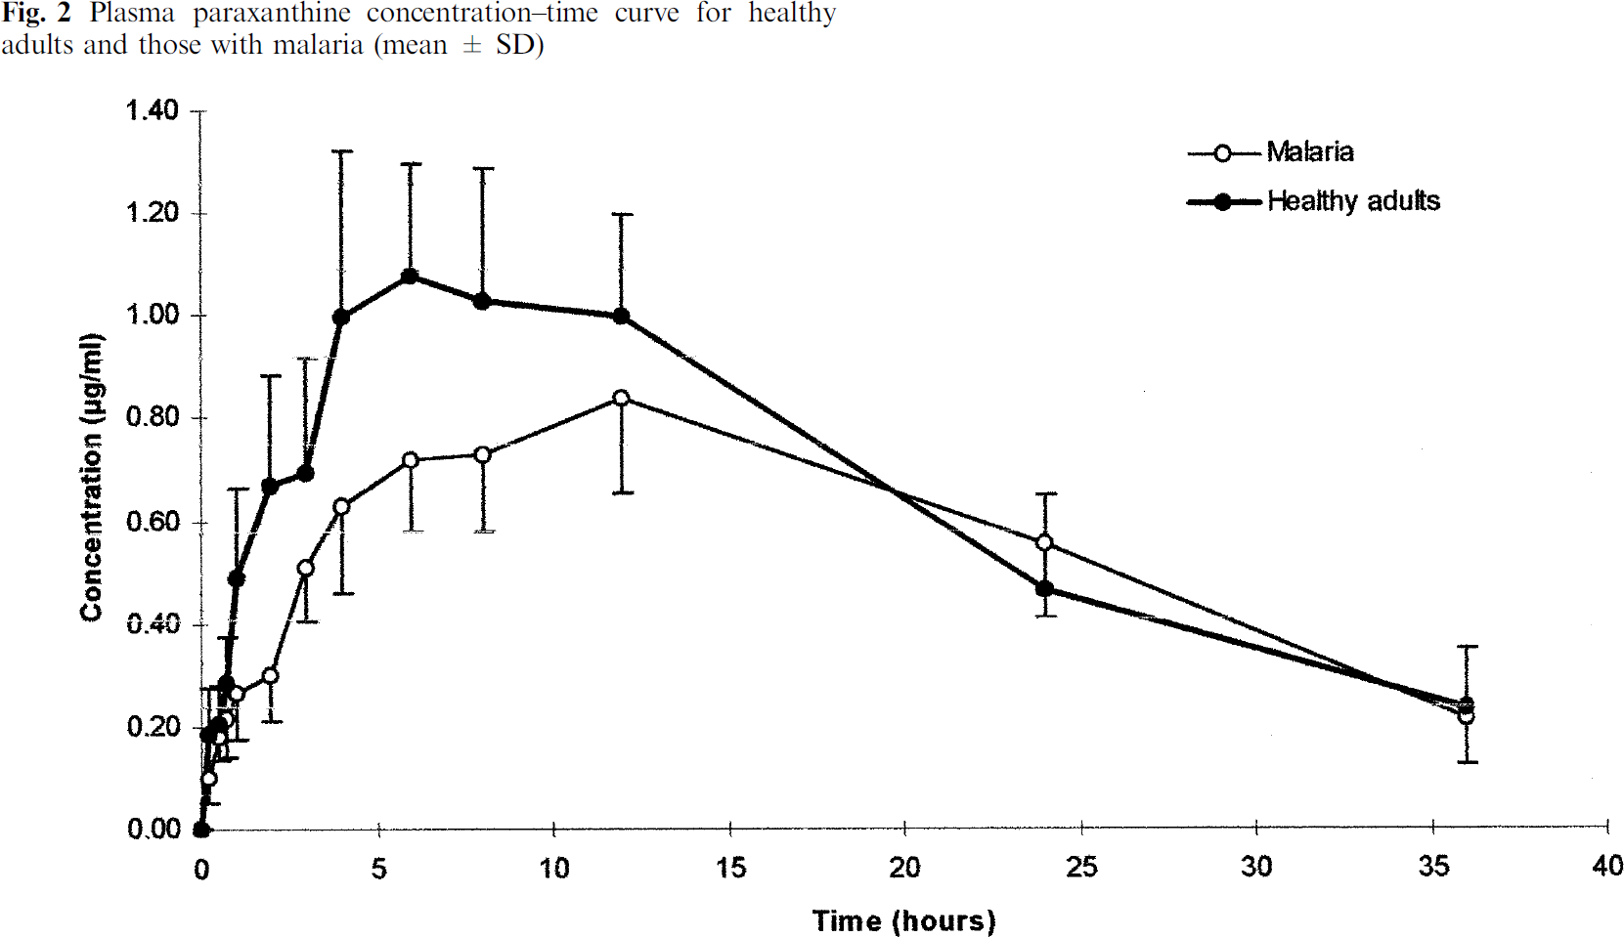
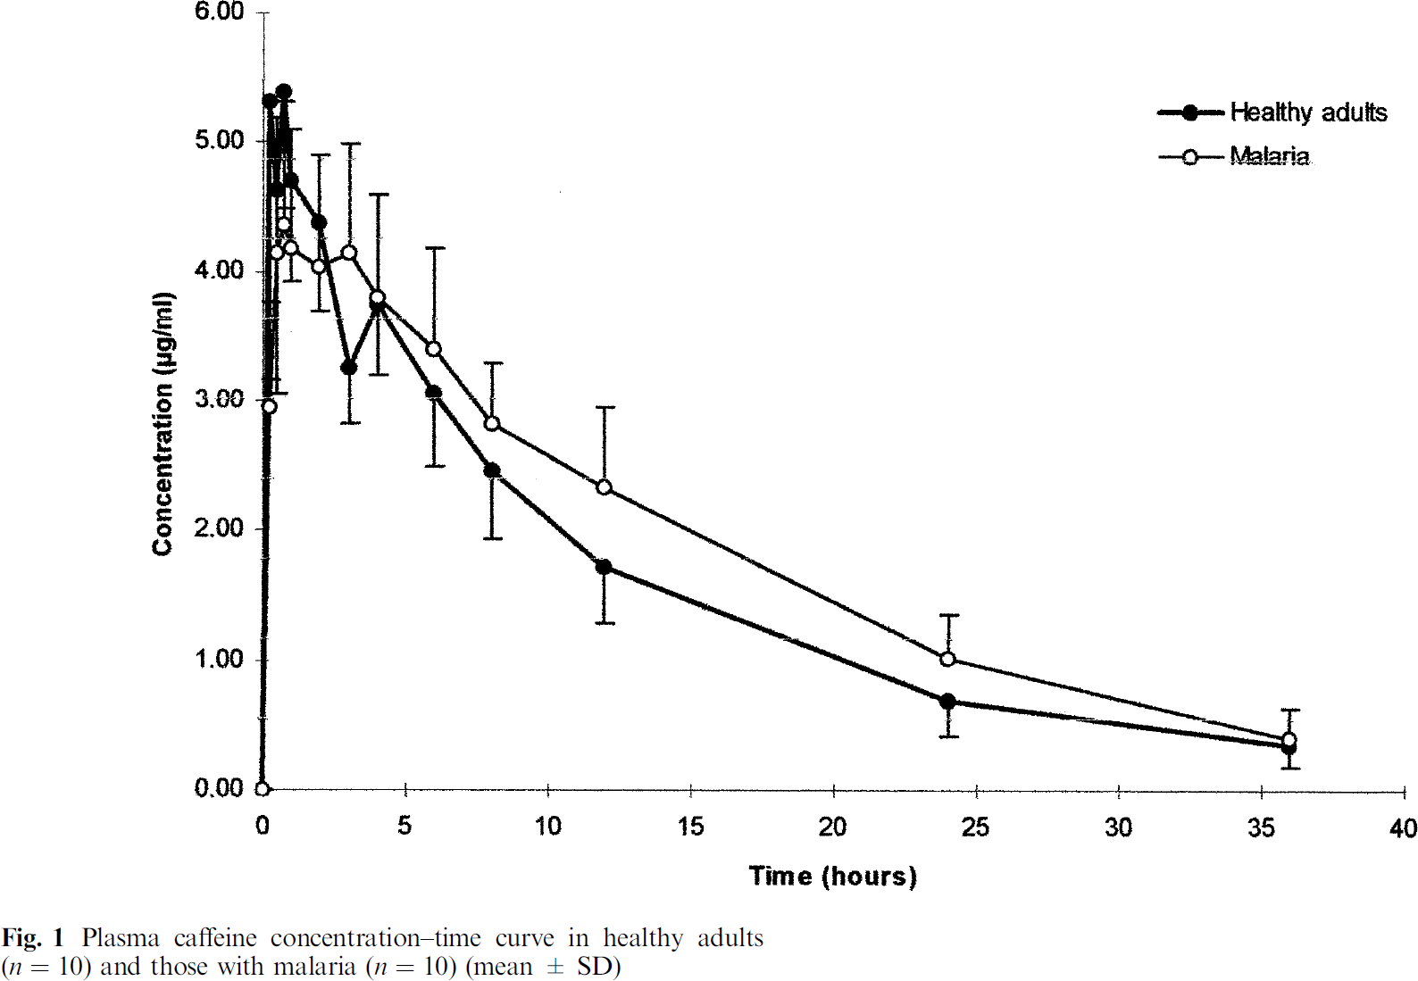
study | time [h] | status | Plasma caffeine concentration [μg/ml] | Plasma caffeine concentration SD [μg/ml] | Plasma paraxanthine concentration [μg/ml] | Plasma paraxanthine concentration SD [μg/ml] | Plasma paraxanthine concentration [μg/ml] | Plasma paraxanthine concentration [μg/ml]
study | time | status | caf | caf_sd | px | px_sd | px_caf | px_caf_sd
Akinyinka2000 | 0.0 | control | 0.000 | NA | 0.006 | NA | NA | NA
Akinyinka2000 | 0.2 | control | 5.315 | NA | 0.183 | 0.090 | 0.034 | NA
Akinyinka2000 | 0.4 | control | 4.640 | NA | 0.200 | 0.081 | 0.043 | NA
Akinyinka2000 | 0.7 | control | 5.378 | NA | 0.284 | 0.093 | 0.053 | NA
Akinyinka2000 | 1.0 | control | 4.724 | 0.791 | 0.479 | 0.183 | 0.101 | 0.042
Akinyinka2000 | 2.0 | control | 4.377 | 0.675 | 0.667 | 0.218 | 0.153 | 0.055
Akinyinka2000 | 3.0 | control | 3.280 | 0.443 | 0.687 | 0.227 | 0.210 | 0.075
Akinyinka2000 | 4.0 | control | 3.734 | 0.517 | 0.998 | 0.322 | 0.267 | 0.094
Akinyinka2000 | 6.0 | control | 3.070 | 0.580 | 1.076 | 0.221 | 0.350 | 0.098
Akinyinka2000 | 8.0 | control | 2.459 | 0.517 | 1.032 | 0.256 | 0.420 | 0.136
Akinyinka2000 | 12.0 | control | 1.743 | 0.453 | 1.004 | 0.189 | 0.576 | 0.185
Akinyinka2000 | 24.0 | control | 0.692 | 0.274 | 0.466 | 0.180 | 0.674 | 0.373
Akinyinka2000 | 36.0 | control | 0.347 | 0.169 | 0.236 | 0.113 | 0.682 | 0.465
Akinyinka2000 | 0.0 | malaria | 0.011 | NA | 0.000 | NA | NA | NA
Akinyinka2000 | 0.2 | malaria | 2.953 | NA | 0.096 | 0.046 | 0.032 | NA
Akinyinka2000 | 0.4 | malaria | 4.144 | NA | 0.177 | 0.044 | 0.043 | NA
Akinyinka2000 | 0.7 | malaria | 4.376 | 0.938 | 0.215 | 0.078 | 0.049 | 0.021
Akinyinka2000 | 1.0 | malaria | 4.197 | 0.907 | 0.264 | 0.087 | 0.063 | 0.025
Akinyinka2000 | 2.0 | malaria | 4.029 | 0.875 | 0.299 | 0.090 | 0.074 | 0.028
Akinyinka2000 | 3.0 | malaria | 4.155 | 0.844 | 0.510 | 0.105 | 0.123 | 0.035
Akinyinka2000 | 4.0 | malaria | 3.818 | 0.780 | 0.632 | 0.171 | 0.166 | 0.056
Akinyinka2000 | 6.0 | malaria | 3.408 | 0.780 | 0.719 | 0.136 | 0.211 | 0.063
Akinyinka2000 | 8.0 | malaria | 2.860 | 0.443 | 0.733 | 0.148 | 0.256 | 0.065
Akinyinka2000 | 12.0 | malaria | 2.323 | 0.633 | 0.836 | 0.180 | 0.360 | 0.125
Akinyinka2000 | 24.0 | malaria | 1.019 | 0.337 | 0.554 | 0.139 | 0.543 | 0.226
Akinyinka2000 | 36.0 | malaria | 0.400 | 0.221 | 0.213 | 0.084 | 0.533 | 0.363

Figure 3
study | Plasma caffeine [μg/ml] | Saliva caffeine [μg/ml]
study | caf_plasma | caf_salvia
Akinyinka2000 | 0.0097 | 0.0861
Akinyinka2000 | 0.0584 | 0.2798
Akinyinka2000 | 0.3520 | 0.2597
Akinyinka2000 | 0.8606 | 0.3911
Akinyinka2000 | 1.0267 | 0.5424
Akinyinka2000 | 1.0753 | 0.9297
Akinyinka2000 | 1.2322 | 0.5218
Akinyinka2000 | 1.1921 | 1.5324
Akinyinka2000 | 1.4743 | 3.0821
Akinyinka2000 | 1.5351 | 0.8888
Akinyinka2000 | 1.6723 | 0.7389
Akinyinka2000 | 1.7505 | 0.8038
Akinyinka2000 | 1.8865 | 1.7506
Akinyinka2000 | 2.1511 | 1.2572
Akinyinka2000 | 2.1905 | 0.9993
Akinyinka2000 | 2.3369 | 1.3871
Akinyinka2000 | 2.4644 | 1.0866
Akinyinka2000 | 2.5031 | 1.5384
Akinyinka2000 | 2.2873 | 2.0751
Akinyinka2000 | 2.4536 | 2.1618
Akinyinka2000 | 2.3646 | 3.1077
Akinyinka2000 | 2.5693 | 3.8613
Akinyinka2000 | 2.8243 | 3.2818
Akinyinka2000 | 2.8253 | 2.1636
Akinyinka2000 | 3.2360 | 2.4020
Akinyinka2000 | 3.5600 | 1.2422
Akinyinka2000 | 3.7554 | 1.4367
Akinyinka2000 | 3.7348 | 2.5979
Akinyinka2000 | 3.6265 | 3.3070
Akinyinka2000 | 3.5267 | 5.3926
Akinyinka2000 | 4.0089 | 2.3411
Akinyinka2000 | 4.0584 | 1.8252
Akinyinka2000 | 4.1562 | 1.8471
Akinyinka2000 | 4.3227 | 1.6758
Akinyinka2000 | 4.1358 | 2.6642
Akinyinka2000 | 4.1355 | 3.0298
Akinyinka2000 | 4.0260 | 5.0293
Akinyinka2000 | 4.0443 | 6.2982
Akinyinka2000 | 4.4372 | 4.6871
Akinyinka2000 | 4.4770 | 3.9346
Akinyinka2000 | 6.0713 | 4.3721
Akinyinka2000 | 6.2083 | 4.3512
Akinyinka2000 | 6.3759 | 3.0186
Akinyinka2000 | 6.6773 | 4.9985
Akinyinka2000 | 7.2060 | 4.5063
Akinyinka2000 | 9.8611 | 10.7766

Figure 4
study | Plasma paraxanthine [μg/ml] | Saliva paraxanthine [μg/ml]
study | px_plasma | px_salvia
Akinyinka2000 | 0.0133 | 0.0147
Akinyinka2000 | 0.0225 | 0.0776
Akinyinka2000 | 0.1239 | 0.0260
Akinyinka2000 | 0.2117 | 0.0182
Akinyinka2000 | 0.2112 | 0.1187
Akinyinka2000 | 0.2760 | 0.1317
Akinyinka2000 | 0.2866 | 0.2846
Akinyinka2000 | 0.3114 | 0.2911
Akinyinka2000 | 0.3181 | 0.1006
Akinyinka2000 | 0.3523 | 0.1406
Akinyinka2000 | 0.3639 | 0.1092
Akinyinka2000 | 0.3636 | 0.1700
Akinyinka2000 | 0.4531 | 0.2041
Akinyinka2000 | 0.5376 | 0.1104
Akinyinka2000 | 0.5651 | 0.2970
Akinyinka2000 | 0.6441 | 0.1739
Akinyinka2000 | 0.6201 | 0.3581
Akinyinka2000 | 0.5872 | 0.4500
Akinyinka2000 | 0.7120 | 0.3168
Akinyinka2000 | 0.7152 | 0.4236
Akinyinka2000 | 0.7669 | 0.3905
Akinyinka2000 | 0.8320 | 0.3511
Akinyinka2000 | 0.8994 | 0.2385
Akinyinka2000 | 0.8469 | 0.4141
Akinyinka2000 | 0.9400 | 0.4859
Akinyinka2000 | 1.0459 | 0.3190
Akinyinka2000 | 1.1950 | 0.2844
Akinyinka2000 | 0.9144 | 0.6344
Akinyinka2000 | 1.1244 | 0.6211
Akinyinka2000 | 1.3697 | 0.4364
Akinyinka2000 | 1.3404 | 0.5577
Akinyinka2000 | 1.1273 | 0.7803
Akinyinka2000 | 1.2636 | 0.9865
Akinyinka2000 | 1.5762 | 0.3603
Akinyinka2000 | 2.2657 | 0.6058

Figure 5
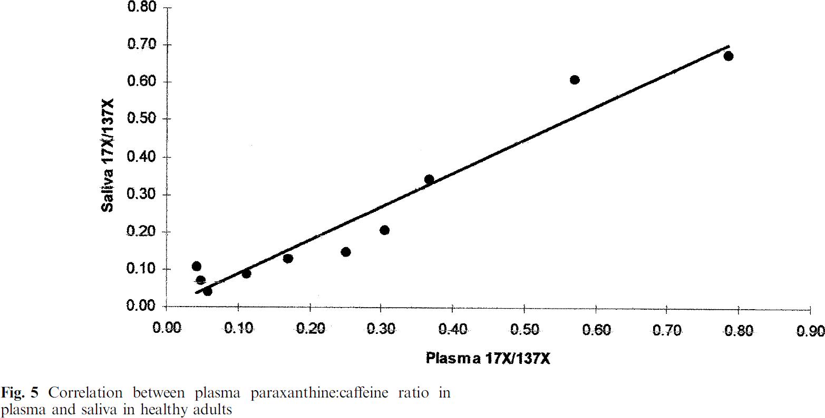
study | Plasma 17X/137X [μg/ml] | Saliva 17X/137X [μg/ml]
study | px_caf_plasma | px_caf_salvia
Akinyinka2000 | 0.04 | 0.11
Akinyinka2000 | 0.05 | 0.07
Akinyinka2000 | 0.06 | 0.04
Akinyinka2000 | 0.11 | 0.09
Akinyinka2000 | 0.17 | 0.13
Akinyinka2000 | 0.25 | 0.15
Akinyinka2000 | 0.30 | 0.20
Akinyinka2000 | 0.37 | 0.35
Akinyinka2000 | 0.57 | 0.62
Akinyinka2000 | 0.78 | 0.68

