Fig1
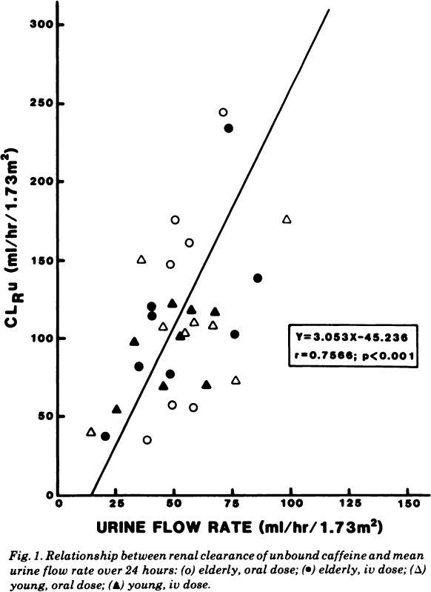
study | age class (elderly/young) | administration (oral, iv) | urine flow rate elderly oral [ml/(h*1.73m^2)] | renal clearance of unbound caffeine elderly oral dose [ml/(h*1.73m^2)]
study | age | administration | urine_flow | cl_r
Blanchard1983 | elderly | oral | 39.3001 | 35.9103
Blanchard1983 | elderly | oral | 48.3566 | 59.0197
Blanchard1983 | elderly | oral | 58.9682 | 57.0035
Blanchard1983 | elderly | oral | 49.2906 | 147.5065
Blanchard1983 | elderly | oral | 57.0183 | 161.2178
Blanchard1983 | elderly | oral | 50.7314 | 176.3603
Blanchard1983 | elderly | oral | 72.7985 | 245.1247
Blanchard1983 | elderly | iv | 20.1869 | 37.4056
Blanchard1983 | elderly | iv | 48.0364 | 77.2255
Blanchard1983 | elderly | iv | 34.8934 | 82.4117
Blanchard1983 | elderly | iv | 74.9531 | 102.6212
Blanchard1983 | elderly | iv | 40.5941 | 113.0949
Blanchard1983 | elderly | iv | 40.6410 | 121.2538
Blanchard1983 | elderly | iv | 85.7777 | 137.6337
Blanchard1983 | elderly | iv | 74.8507 | 232.5459
Blanchard1983 | young | oral | 13.8279 | 39.9960
Blanchard1983 | young | oral | 76.4793 | 72.4749
Blanchard1983 | young | oral | 45.2318 | 106.7602
Blanchard1983 | young | oral | 55.4113 | 103.4942
Blanchard1983 | young | oral | 58.8430 | 109.1000
Blanchard1983 | young | oral | 66.8980 | 105.8606
Blanchard1983 | young | oral | 36.5545 | 149.5493
Blanchard1983 | young | oral | 99.1590 | 173.8694
Blanchard1983 | young | iv | 24.9547 | 53.6646
Blanchard1983 | young | iv | 45.8686 | 69.7209
Blanchard1983 | young | iv | 64.1392 | 69.4916
Blanchard1983 | young | iv | 33.7018 | 96.8626
Blanchard1983 | young | iv | 52.4154 | 99.7659
Blanchard1983 | young | iv | 50.8350 | 120.4982
Blanchard1983 | young | iv | 57.1940 | 117.9078
Blanchard1983 | young | iv | 68.2269 | 115.2587

Tab1
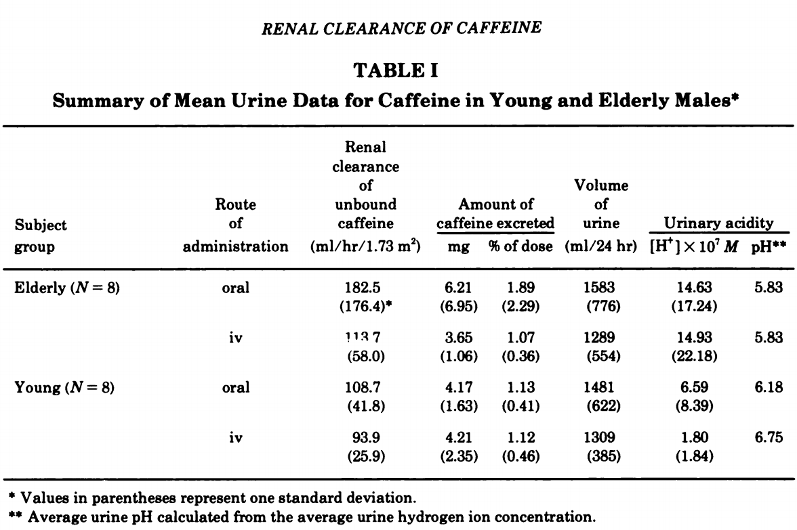
study | age (young/elderly) | route of administration | renal clearance of unbound caffeine [ml/(h*1.73m^2)] | renal clearance of unbound caffeine_SD [ml/(h*1.73m^2)] | amount of caffeine excreted [mg] | amount of caffeine excreted SD [mg] | amount of caffeine excreted [% of dose] | amount of caffeine excreted SD [% of dose] | volume of urine [ml/24h] | volume of urine SD [ml/24h] | urinary acidity [ [H+] *10^7 M] | urinary acidity SD [ [H+] *10^7 M] | urinary acidity [pH]
study | age | administration_route | cl_r | cl_r_sd | caf_ex | caf_ex_sd | caf_ex_percent | caf_ex_percent_sd | v_urine | v_urine_sd | urinary_acidity | urinary_acidity_sd | urine_ph
Blanchard1983 | elderly | oral | 182.5 | 176.4 | 6.21 | 6.95 | 1.89 | 2.29 | 1583 | 776 | 14.63 | 17.24 | 5.83
Blanchard1983 | elderly | iv | 113.7 | 58 | 3.65 | 1.06 | 1.07 | 0.36 | 1289 | 554 | 14.93 | 22.18 | 5.83
Blanchard1983 | young | oral | 108.7 | 41.8 | 4.17 | 1.63 | 1.13 | 0.41 | 1481 | 622 | 6.59 | 8.39 | 6.18
Blanchard1983 | young | iv | 93.9 | 25.9 | 4.21 | 2.35 | 1.12 | 0.46 | 1309 | 385 | 1.8 | 1.84 | 6.75

