Table 2
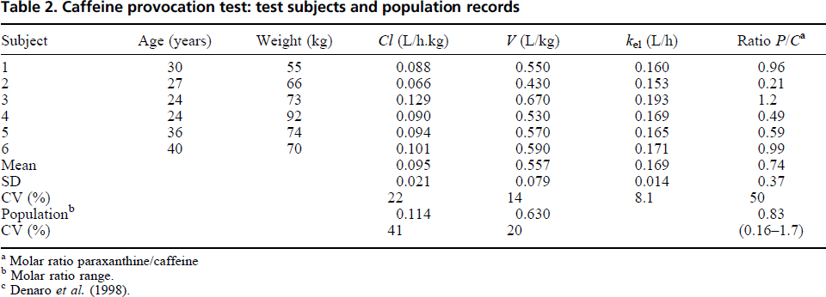
Koch1999 - Validation of a high-performance liquid chromatography assay for quanti®cation of caffeine and paraxanthine in human serum in the context of CYP1A2 phenotyping

species | human
method | single oral dose 200mg - single blood sample 6h after administration
n | 6
subjects | healthy subjects

Table 2
study | Subject | Age [y] | Weight [kg] | Cl (total plasma clearance) [l/(h*kg)] | Vd (volume of distribution) [l/kg] | kel [l/h] | Ratio P/C (molar ratio paraxanthine/caffeine)
study | subject | age | weight | Cl | Vd | kel | P/C
Koch1999 | 1 | 30 | 55 | 0.088 | 0.550 | 0.160 | 0.96
Koch1999 | 2 | 27 | 66 | 0.066 | 0.430 | 0.153 | 0.21
Koch1999 | 3 | 24 | 73 | 0.129 | 0.670 | 0.193 | 1.20
Koch1999 | 4 | 24 | 92 | 0.090 | 0.530 | 0.169 | 0.49
Koch1999 | 5 | 36 | 74 | 0.094 | 0.570 | 0.165 | 0.59
Koch1999 | 6 | 40 | 70 | 0.101 | 0.590 | 0.171 | 0.99
Koch1999 | MEAN | 30 | 72 | 0.095 | 0.557 | 0.169 | 0.74
Koch1999 | SE | 7 | 12 | 0.021 | 0.079 | 0.014 | 0.37
Koch1999
Koch1999 | CV [%] |  |  | 22.00 | 14.00 | 8.1 | 50.0
Koch1999 | Population (molar ratio range) |  |  | 0.11 | 0.63 |  | 0.8
Koch1999 | CV [%] |  |  | 41.00 | 20.00 |  | (0.16-1.7)

