Figure 2
Lelo 1986a - Comparative pharmacokinetics of caffeine and its primary demethylated metabolites paraxanthine, theobromine and theophylline in man

species | human
method
n | 6
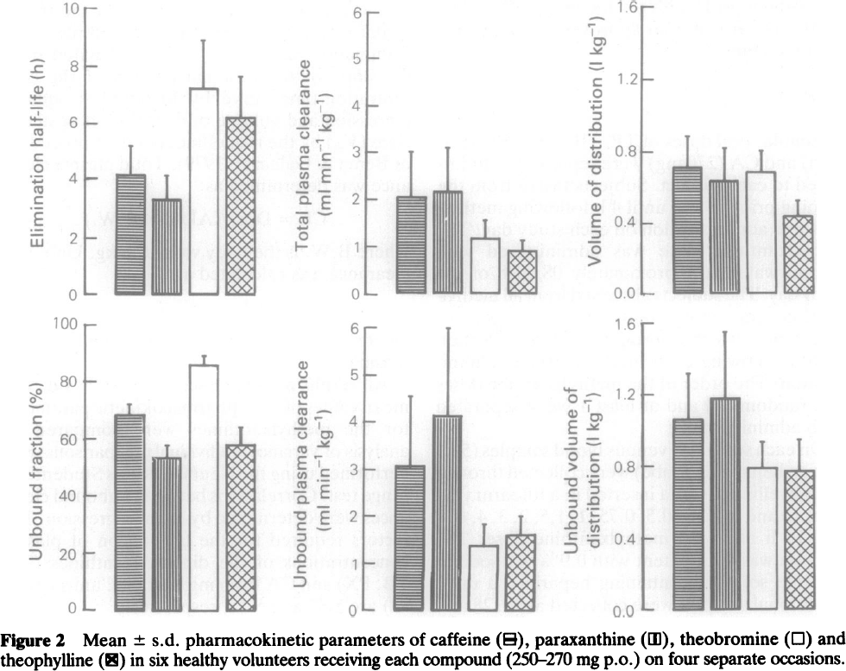
subjects | healthy males

Figure 2
study | compound | Elimination half-life [h] | Elimination half-life SE [h] | Total plasma clearance [ml/(min*kg)] | Total plasma clearance SE [ml/(min*kg)] | Volume of distribution [l/kg] | Volume of distribution SE [l/kg] | Unbound fraction [%] | Unbound fraction SE [%] | Unbound plasma clearance [ml/(min*kg)] | Unbound plasma clearance_SE [ml/(min*kg)] | Unbound volume of distribution [l/kg] | Unbound volume of distribution SE [l/kg]
study | compound | t1/2 | t1/2_SE | total_plasma_Cl | total_plasma_Cl_SE | Vd | Vd_SE | unbound_fraction | unbound_fraction_SE | unbound_plasma_Cl | unbound_plasma_Cl_SE | unbound_Vd | unbound_Vd_SE
Lelo1986a | caffeine | 4.2188 | 0.9940 | 2.1264 | 0.9358 | 0.7032 | 0.1708 | 68.68 | 3.62 | 3.0831 | 1.4611 | 1.0710 | 0.2510
Lelo1986a | paraxanthine | 3.3856 | 0.8130 | 2.2137 | 0.9261 | 0.6291 | 0.1805 | 53.61 | 4.22 | 4.1267 | 1.8630 | 1.1908 | 0.3668
Lelo1986a | theobromine | 7.2517 | 1.7016 | 1.2367 | 0.3761 | 0.6753 | 0.1203 | 86.19 | 3.17 | 1.4171 | 0.4293 | 0.7990 | 0.1472
Lelo1986a | theophylline | 6.2839 | 1.4151 | 0.9748 | 0.2205 | 0.4304 | 0.0890 | 58.45 | 6.03 | 1.6479 | 0.3927 | 0.7836 | 0.1762

Figure 3
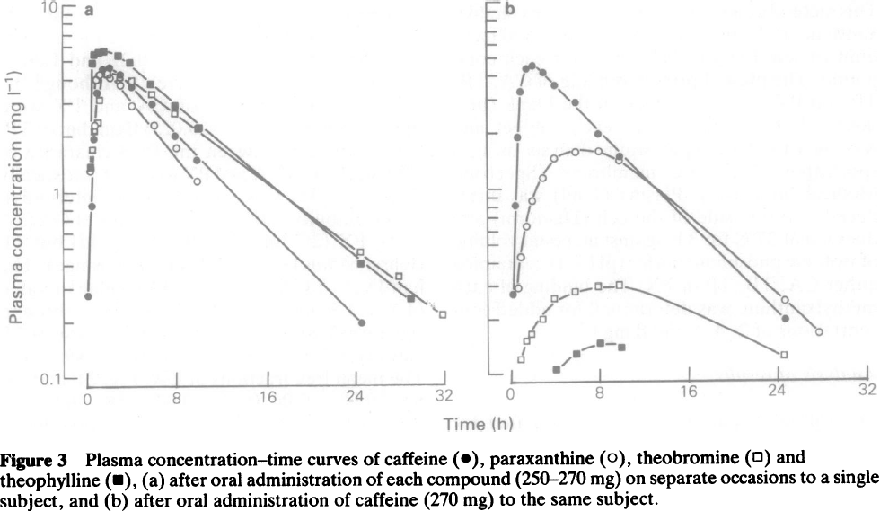
Figure 3_a_Oral_administration_of_each_compound
study | time caffeine [h] | Caffeine plasma concentration [mg/l] | time paraxanthine [h] | Paraxanthine plasma concentration [mg/l] | time theobromine [h] | Theobromine plasma concentration [mg/l] | time theophylline [h] | Theophylline plasma concentration [mg/l]
study | time_caffeine | caffeine_concentration | time_paraxanthine | paraxanthine_concentration | time_theobromine | theobromine_concentration | time_theophylline | theophylline_concentration
Lelo1986a | 0.0 | 0.2719 | 0.3 | 1.2554 | 0.5 | 1.6746 | 0.3 | 1.3343
Lelo1986a | 0.4 | 0.8328 | 0.8 | 2.2462 | 1.0 | 2.3347 | 0.5 | 4.8819
Lelo1986a | 0.5 | 1.9129 | 0.9 | 3.9316 | 1.2 | 3.0460 | 0.6 | 5.3344
Lelo1986a | 0.9 | 3.4228 | 1.1 | 4.2719 | 1.9 | 4.2462 | 1.1 | 5.5131
Lelo1986a | 1.5 | 4.5144 | 1.9 | 4.3174 | 3.0 | 4.0139 | 1.6 | 5.6037
Lelo1986a | 2.0 | 4.5883 | 2.2 | 3.9720 | 4.0 | 3.9016 | 2.8 | 5.3264
Lelo1986a | 3.0 | 4.1960 | 3.1 | 3.6731 | 5.8 | 3.2998 | 3.8 | 4.8980
Lelo1986a | 4.0 | 3.6102 | 4.1 | 2.8442 | 7.9 | 2.6396 | 5.7 | 3.7279
Lelo1986a | 5.8 | 2.9370 | 6.1 | 2.2380 | 24.4 | 0.4705 | 7.9 | 2.8526
Lelo1986a | 7.9 | 1.9895 | 8.1 | 1.6751 | 27.8 | 0.3460 | 9.9 | 2.1589
Lelo1986a | 9.9 | 1.4727 | 9.9 | 1.1349 | 31.7 | 0.2166 | 24.5 | 0.4051
Lelo1986a | 24.7 | 0.1959 | NA | NA | NA | NA | 28.9 | 0.2650

Figure 3_b_Oral_administration_of_caffeine
study | time caffeine [h] | Caffeine plasma concentration [mg/l] | time paraxanthine [h] | Paraxanthine plasma concentration [mg/l] | time theobromine [h] | Theobromine plasma concentration [mg/l] | time theophylline [h] | Theophylline plasma concentration [mg/l]
study | time_caffeine | caffeine_concentration | time_paraxanthine | paraxanthine_concentration | time_theobromine | theobromine_concentration | time_theophylline | theophylline_concentration
Lelo1986a | 0.2 | 0.2648 | 0.7 | 0.2891 | 0.8 | 0.1189 | 4.1 | 0.1050
Lelo1986a | 0.6 | 0.8035 | 1.0 | 0.4247 | 1.4 | 0.1494 | 5.8 | 0.1270
Lelo1986a | 0.9 | 1.8540 | 1.6 | 0.6329 | 1.8 | 0.1632 | 8.0 | 0.1446
Lelo1986a | 1.1 | 3.2778 | 2.0 | 0.8505 | 3.0 | 0.1960 | 9.9 | 0.1369
Lelo1986a | 1.6 | 4.3397 | 3.0 | 1.1251 | 4.0 | 0.2517 | NA | NA
Lelo1986a | 2.2 | 4.4990 | 4.1 | 1.4340 | 5.8 | 0.2723 | NA | NA
Lelo1986a | 3.2 | 4.1094 | 6.0 | 1.5395 | 8.0 | 0.2879 | NA | NA
Lelo1986a | 4.2 | 3.5642 | 8.1 | 1.5572 | 9.8 | 0.2935 | NA | NA
Lelo1986a | 5.9 | 2.8891 | 9.9 | 1.3791 | 24.5 | 0.1214 | NA | NA
Lelo1986a | 8.1 | 1.9157 | 24.7 | 0.2416 | NA | NA | NA | NA
Lelo1986a | 9.9 | 1.4960 | 27.7 | 0.1612 | NA | NA | NA | NA
Lelo1986a | 24.7 | 0.1920 | NA | NA | NA | NA | NA | NA

