Figure 1
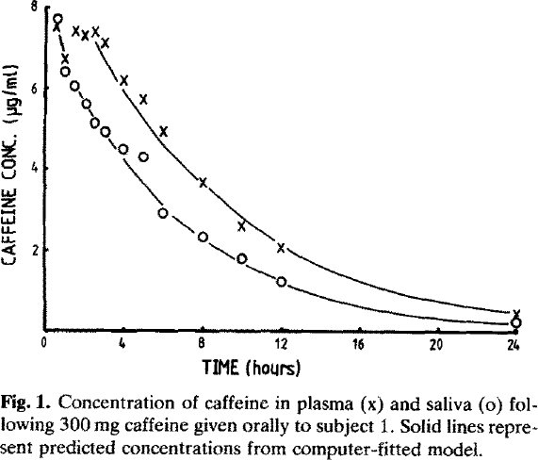
Newton 1981 - Plasma and Salivary Pharmacokinetics of Caffeine in Man

species | human
method
n | 6
subjects | healthy, caffeine free

Figure 1
study | time plasma caffeine [h] | Plasma caffeine concentration [μg/ml] | time saliva caffeine [h] | Saliva caffeine concentration [μg/ml]
study | time_plasma_caffeine | plasma_caffeine_concentration | time_saliva_caffeine | saliva_caffeine_concentration
Newton1981 | 0.5 | 7.4874 | 0.5 | 7.7217
Newton1981 | 0.9 | 6.7640 | 0.9 | 6.4365
Newton1981 | 1.4 | 7.4210 | 1.4 | 6.0409
Newton1981 | 1.9 | 7.2593 | 2.0 | 5.5987
Newton1981 | 2.4 | 7.4015 | 2.4 | 5.1324
Newton1981 | 3.0 | 7.1231 | 3.1 | 4.9011
Newton1981 | 4.0 | 6.1913 | 3.9 | 4.5066
Newton1981 | 5.0 | 5.7272 | 4.9 | 4.3234
Newton1981 | 5.9 | 4.9822 | 5.9 | 2.9238
Newton1981 | 8.0 | 3.6805 | 7.9 | 2.3469
Newton1981 | 9.9 | 2.6120 | 9.9 | 1.8165
Newton1981 | 12.0 | 2.1052 | 12.0 | 1.2397
Newton1981 | 23.9 | 0.5142 | 23.9 | 0.2803

Figure 2
Newton 1981 - Plasma and Salivary Pharmacokinetics of Caffeine in Man

species | human
method
n | 1
subjects | healthy, caffeine free

Figure 2
study | time dose 50mg [h] | Dose 50mg [(Plasma caffeine concentration/dose)*10^2] | time dose 300mg [h] | Dose 300mg [(Plasma caffeine concentration/dose)*10^2] | time dose 500mg [h] | Dose 500mg [(Plasma caffeine concentration/dose)*10^2] | time dose 750mg [h] | Dose 750mg [(Plasma caffeine concentration/dose)*10^2]
study | time_dose50mg | dose50mg | time_dose300mg | dose300mg | time_dose500mg | dose500mg | time_dose750mg | dose750mg
Newton1981 | 0.0 | 0.0000 | 0.0 | 0.0000 | 0 | 0 | 0 | 0
Newton1981 | 0.6 | 2.3992 | 0.6 | 0.8874 | 0.6 | 1.9350 | 1.0 | 2.2037
Newton1981 | 1.1 | 2.5132 | 1.0 | 2.2195 | 1.0 | 2.2990 | 1.6 | 2.0237
Newton1981 | 1.6 | 2.3292 | 1.6 | 2.2618 | 1.6 | 2.2062 | 2.1 | 1.9073
Newton1981 | 2.1 | 2.3954 | 2.0 | 2.1098 | 2.1 | 2.6057 | 2.6 | 1.9932
Newton1981 | 2.5 | 2.0886 | 2.6 | 2.1679 | 2.6 | 2.3901 | 3.1 | 1.9284
Newton1981 | 3.1 | 2.1110 | 3.0 | 1.8293 | 3.0 | 2.3928 | 4.0 | 1.6521
Newton1981 | 4.0 | 1.7593 | 4.0 | 1.5687 | 4.0 | 2.0132 | 5.0 | 1.6970
Newton1981 | 5.1 | 1.4192 | 5.0 | 1.3915 | 5.0 | 2.2645 | 6.0 | 1.6071
Newton1981 | 6.1 | 1.3412 | 6.0 | 1.4485 | 6.0 | 1.7619 | 8.0 | 1.3082
Newton1981 | 8.0 | 0.9670 | 8.0 | 1.1217 | 8.0 | 1.2327 | 10.0 | 1.0093
Newton1981 | 10.0 | 0.6204 | 10.0 | 0.7752 | 10.0 | 1.2037 | 12.0 | 0.6469
Newton1981 | 12.0 | 0.4642 | 12.0 | 0.6111 | 12.0 | 0.7023 | 24.0 | 0.1401
Newton1981 | 24.0 | 0.3147 | 24.0 | 0.0767 | 24.0 | 0.2195

Figure 3
Newton 1981 - Plasma and Salivary Pharmacokinetics of Caffeine in Man

species | human
method
n | 6
subjects | healthy, caffeine free

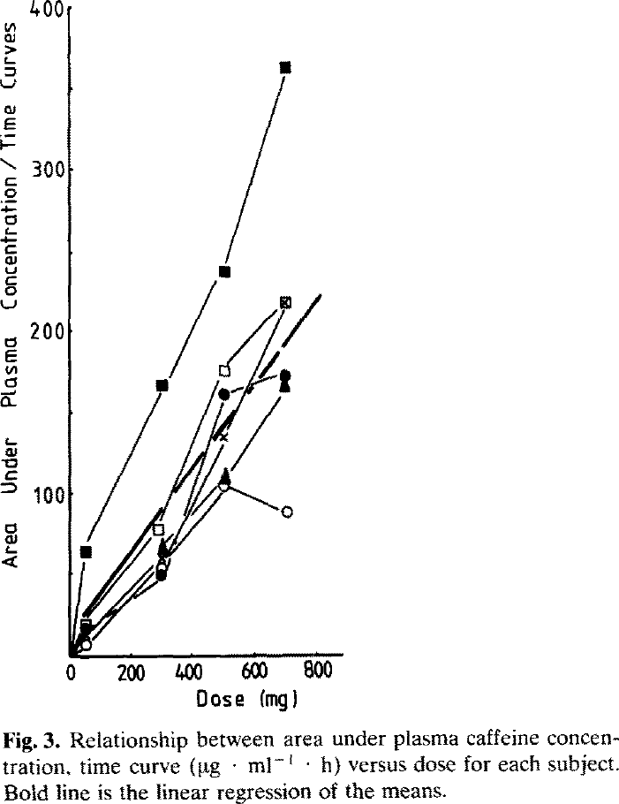
Figure 3
study | caffeine dose [mg] | Subject 1 area under plasma concentration/time | Subject 2 area under plasma concentration/time | Subject 3 area under plasma concentration/time | Subject 4 area under plasma concentration/time | Subject 5 area under plasma concentration/time | Subject 6 area under plasma concentration/time
study | caffeine_dose | subject1_AUC/time | subject2_AUC/time | subject3_AUC/time | subject4_AUC/time | subject5_AUC/time | subject6_AUC/time
Newton1981 | 0 | 0 | 0 | 0 | 0 | 0 | 0
Newton1981 | 54 | 64.1073 | 20.5815 | 15.6777 | 10.2065 | 17.3394 | 6.9528
Newton1981 | 306 | 166.9974 | 78.3247 | 47.8195 | 58.1538 | 68.4882 | 55.4327
Newton1981 | 510 | 235.7121 | 175.8366 | 159.5158 | 134.4934 | 108.9152 | 103.4730
Newton1981 | 712 | 362.6639 | 217.8962 | 172.1762 | 216.7962 | 164.0187 | 87.8050

Figure 4
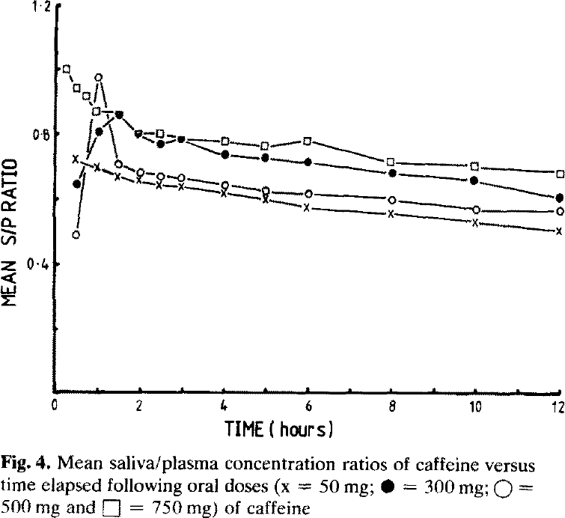
Newton 1981 - Plasma and Salivary Pharmacokinetics of Caffeine in Man

species | human
method
n | 6
subjects | healthy, caffeine free

Figure 4
study | time dose 50mg [h] | Dose 50mg - mean saliva/plasma ratio | time dose 300mg [h] | Dose 300mg - mean saliva/plasma ratio | time dose 500mg [h] | Dose 500mg - mean saliva/plasma ratio | time dose 750mg [h] | Dose 750mg - mean saliva/plasma ratio
study | time_dose50mg | dose 50mg_mean s/p | time_dose300mg | dose 300mg_mean s/p | time_dose500mg | dose500mg_mean s/p | time_dose750mg | dose750mg_mean s/p
Newton1981 | 0.5 | 0.7262 | 0.5 | 0.6476 | 0.5 | 0.4834 | 0.3 | 0.9989
Newton1981 | 1.0 | 0.6963 | 1.0 | 0.8050 | 1.0 | 0.9715 | 0.5 | 0.9412
Newton1981 | 1.5 | 0.6711 | 1.5 | 0.8607 | 1.5 | 0.7081 | 0.8 | 0.9182
Newton1981 | 2.0 | 0.6597 | 2.0 | 0.8031 | 2.0 | 0.6805 | 1.0 | 0.8767
Newton1981 | 2.5 | 0.6414 | 2.5 | 0.7686 | 2.5 | 0.6692 | 1.5 | 0.8607
Newton1981 | 3.0 | 0.6370 | 3.0 | 0.7873 | 3.0 | 0.6670 | 2.0 | 0.8077
Newton1981 | 4.0 | 0.6142 | 4.1 | 0.7322 | 4.1 | 0.6443 | 2.5 | 0.8056
Newton1981 | 4.9 | 0.6007 | 5.0 | 0.7302 | 5.0 | 0.6285 | 3.0 | 0.7826
Newton1981 | 5.9 | 0.5734 | 6.0 | 0.7168 | 6.0 | 0.6196 | 4.0 | 0.7784
Newton1981 | 8.0 | 0.5534 | 8.0 | 0.6852 | 8.0 | 0.5996 | 5.0 | 0.7626
Newton1981 | 9.9 | 0.5264 | 9.9 | 0.6558 | 10.0 | 0.5726 | 6.0 | 0.7815
Newton1981 | 12.0 | 0.4994 | 12.0 | 0.6081 | 12.0 | 0.5665 | 7.9 | 0.7221
Newton1981 |  |  |  |  |  |  | 9.9 | 0.7044
Newton1981 |  |  |  |  |  |  | 12.0 | 0.6798

 | dose 50mg_mean s/p |  | dose 300mg_mean s/p |  | dose500mg_mean s/p |  | dose750mg_mean s/p
0.5 | 0.7262 | 0.5 | 0.6476 | 0.5 | 0.4834 | 0.3 | 0.9989
1.0 | 0.6963 | 1.0 | 0.8050 | 1.0 | 0.9715 | 0.5 | 0.9412
1.5 | 0.6711 | 1.5 | 0.8607 | 1.5 | 0.7081 | 0.8 | 0.9182
2.0 | 0.6597 | 2.0 | 0.8031 | 2.0 | 0.6805 | 1.0 | 0.8767
2.5 | 0.6414 | 2.5 | 0.7686 | 2.5 | 0.6692 | 1.5 | 0.8607
3.0 | 0.6370 | 3.0 | 0.7873 | 3.0 | 0.6670 | 2.0 | 0.8077
4.0 | 0.6142 | 4.1 | 0.7322 | 4.1 | 0.6443 | 2.5 | 0.8056
4.9 | 0.6007 | 5.0 | 0.7302 | 5.0 | 0.6285 | 3.0 | 0.7826
5.9 | 0.5734 | 6.0 | 0.7168 | 6.0 | 0.6196 | 4.0 | 0.7784
8.0 | 0.5534 | 8.0 | 0.6852 | 8.0 | 0.5996 | 5.0 | 0.7626
9.9 | 0.5264 | 9.9 | 0.6558 | 10.0 | 0.5726 | 6.0 | 0.7815
12.0 | 0.4994 | 12.0 | 0.6081 | 12.0 | 0.5665 | 7.9 | 0.7221
 |  |  |  |  |  | 9.9 | 0.7044
 |  |  |  |  |  | 12.0 | 0.6798

Table 3
Newton 1981 - Plasma and Salivary Pharmacokinetics of Caffeine in Man

species | human
method | 300 mg orally
n | 5
subjects | healthy, caffeine free
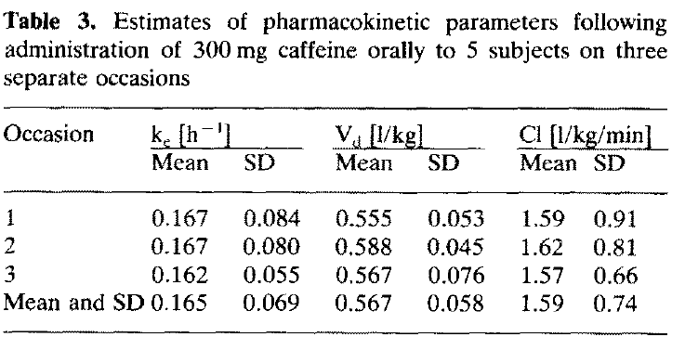

Table 3
study | occasion | kc [1/h] | kc SE [1/h] | Volume of distribution [l/kg] | Volume of distribution SE [l/kg] | Clearance [l/(min*kg)] | Clearance SE [l/(min*kg)]
study | occasion | kc | kc_SE | Vd | Vd_SE | Cl | Cl_SE
Newton1981 | 1 | 0.167 | 0.084 | 0.555 | 0.053 | 1.59 | 0.91
Newton1981 | 2 | 0.167 | 0.08 | 0.588 | 0.045 | 1.62 | 0.81
Newton1981 | 3 | 0.162 | 0.055 | 0.567 | 0.076 | 1.57 | 0.66
 | mean | 0.165 | 0.073 | 0.570 | 0.058 | 1.59 | 0.793

Table 4
Newton 1981 - Plasma and Salivary Pharmacokinetics of Caffeine in Man

species | human
method
n | 5
subjects | healthy, caffeine free

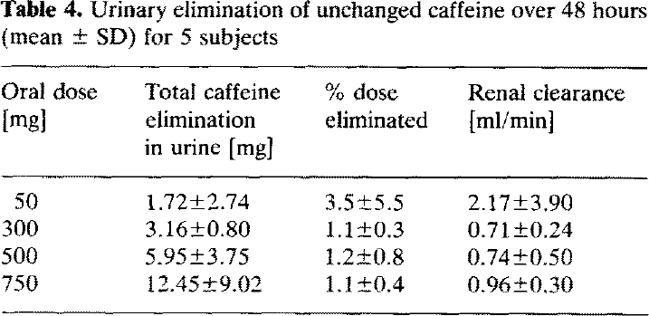
Table 4
study | oral dose [mg] | total caffeine elimination in urine [mg] | total caffeine elimination in urine SE [mg] | % dose eliminated | % dose eliminated SE | renal clearance [ml/min] | renal clearance SE [ml/min]
study | dose | elimination_urine | elimination_urine_SE | %_dose_eliminated | %_dose_eliminated_SE | renal_Cl | renal_Cl_SE
Newton1981 | 50 | 1.72 | 2.74 | 3.5 | 5.5 | 2.17 | 3.9
Newton1981 | 300 | 3.16 | 0.8 | 1.1 | 0.3 | 0.71 | 0.24
Newton1981 | 500 | 5.95 | 3.75 | 1.2 | 0.8 | 0.74 | 0.5
Newton1981 | 750 | 12.45 | 9.02 | 1.1 | 0.4 | 0.96 | 0.3

