Fig3
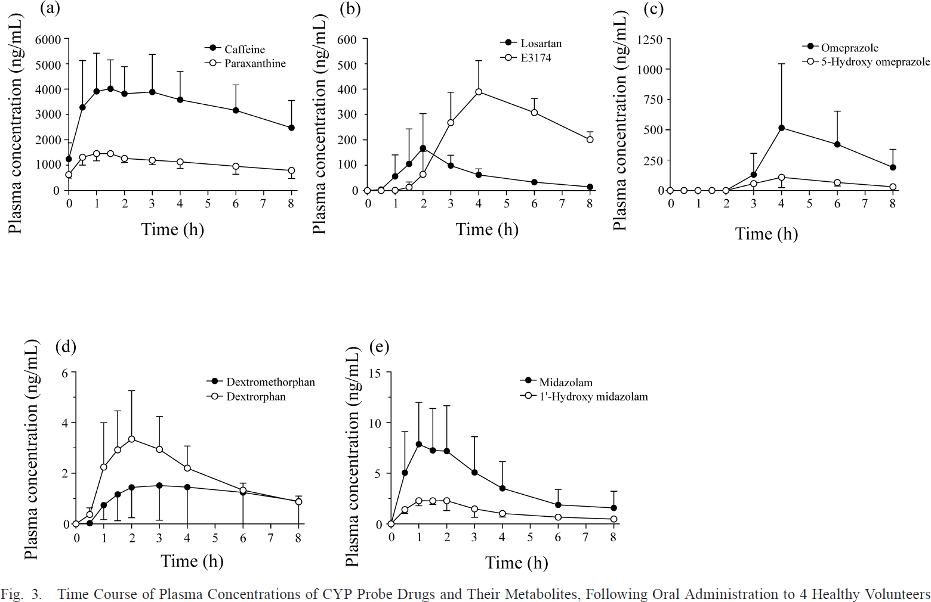
Study | Subjects | substance | dose [mg] | route | time [h] | Caffeine plasma concentration [ng/ml] | Caffeine plasma concentration SE [ng/ml] | Caffeine plasma concentration [mg/l] | Caffeine plasma concentration SE [mg/l] | Caffeine plasma concentration SD [mg/l] | Paraxanthine plasma concentration [ng/ml] | Paraxanthine plasma concentration SE [ng/ml] | Paraxanthine plasma concentration [mg/l] | Paraxanthine plasma concentration SE [mg/l] | Paraxanthine plasma concentration SE [mg/l] | Paraxanthine/Caffeine [-] | Paraxanthine/Caffeine SE [-] | Paraxanthine/Caffeine SD [-]
study | n | substance | dose | route | time | caf_ng | caf_ng_se | caf | caf_se | caf_sd | px_ng | pg_ng_se | px | px_se | px_sd | px_caf | px_caf_se | px_caf_sd
Tanaka2014 | 4 | caffeine | 100 | oral | 0.0 | 1270.59 | 588.24 | 1.27 | 0.59 | 1.18 | 635.29 | 176.47 | 0.64 | 0.18 | 0.35 | 0.50 | 0.3071 | 0.6141
Tanaka2014 | 4 | caffeine | 100 | oral | 0.5 | 3247.06 | 1905.88 | 3.25 | 1.91 | 3.81 | 1294.12 | 317.65 | 1.29 | 0.32 | 0.64 | 0.40 | 0.7701 | 1.5401
Tanaka2014 | 4 | caffeine | 100 | oral | 1.0 | 3929.41 | 1505.88 | 3.93 | 1.51 | 3.01 | 1458.82 | 317.65 | 1.46 | 0.32 | 0.64 | 0.37 | 0.5714 | 1.1427
Tanaka2014 | 4 | caffeine | 100 | oral | 1.5 | 4047.06 | 1105.88 | 4.05 | 1.11 | 2.21 | 1458.82 | NA | 1.46 | NA | NA | 0.36 | NA | NA
Tanaka2014 | 4 | caffeine | 100 | oral | 2.0 | 3788.24 | 1105.88 | 3.79 | 1.11 | 2.21 | 1247.06 | 152.94 | 1.25 | 0.15 | 0.31 | 0.33 | 0.3675 | 0.7350
Tanaka2014 | 4 | caffeine | 100 | oral | 3.0 | 3858.82 | 1529.41 | 3.86 | 1.53 | 3.06 | 1176.47 | 176.47 | 1.18 | 0.18 | 0.35 | 0.30 | 0.4694 | 0.9388
Tanaka2014 | 4 | caffeine | 100 | oral | 4.0 | 3529.41 | 1152.94 | 3.53 | 1.15 | 2.31 | 1129.41 | 282.35 | 1.13 | 0.28 | 0.56 | 0.32 | 0.3798 | 0.7597
Tanaka2014 | 4 | caffeine | 100 | oral | 6.0 | 3152.94 | 1011.76 | 3.15 | 1.01 | 2.02 | 941.18 | 305.88 | 0.94 | 0.31 | 0.61 | 0.30 | 0.3155 | 0.6310
Tanaka2014 | 4 | caffeine | 100 | oral | 8.0 | 2470.59 | 1082.35 | 2.47 | 1.08 | 2.16 | 776.47 | 305.88 | 0.78 | 0.31 | 0.61 | 0.31 | 0.3535 | 0.7070

study | Subjects | substance | dose [mg] | route | time [h] | Losartan plasma concentration [ng/ml] | Losartan plasma concentration SE [ng/ml] | Losartan plasma concentration [mg/l] | Losartan plasma concentration SE [mg/l] | Losartan plasma concentration SD [mg/l] | E3174 plasma concentration [ng/ml] | E3174 plasma concentration SE [ng/ml] | E3174 plasma concentration [mg/l] | E3174 plasma concentration SE [mg/l] | E3174 plasma concentration SD [mg/l]
study | n | substance | dose | route | time | los_ng | los_ng_se | los | los_se | los_sd | e3174_ng | e3174_ng_se | e3174 | e3174_se | e3174_sd
Tanaka2014 | 4 | losortan | 50 | oral | 0.0 | 0.00 | NA | 0.00 | NA | NA | 2.34 | NA | 0.00 | NA | NA
Tanaka2014 | 4 | losortan | 50 | oral | 0.5 | 3.22 | NA | 0.00 | NA | NA | 3.20 | NA | 0.00 | NA | NA
Tanaka2014 | 4 | losortan | 50 | oral | 1.0 | 58.82 | 83.90 | 0.06 | 0.08 | 0.17 | 4.08 | NA | 0.00 | NA | NA
Tanaka2014 | 4 | losortan | 50 | oral | 1.5 | 105.14 | 138.64 | 0.11 | 0.14 | 0.28 | 15.45 | 22.13 | 0.02 | 0.02 | 0.04
Tanaka2014 | 4 | losortan | 50 | oral | 2.0 | 170.10 | 131.65 | 0.17 | 0.13 | 0.26 | 64.09 | 87.36 | 0.06 | 0.09 | 0.17
Tanaka2014 | 4 | losortan | 50 | oral | 3.0 | 100.78 | 40.76 | 0.10 | 0.04 | 0.08 | 268.55 | 117.67 | 0.27 | 0.12 | 0.24
Tanaka2014 | 4 | losortan | 50 | oral | 4.0 | 62.91 | 22.14 | 0.06 | 0.02 | 0.04 | 386.81 | 119.99 | 0.39 | 0.12 | 0.24
Tanaka2014 | 4 | losortan | 50 | oral | 6.0 | 37.29 | NA | 0.04 | NA | NA | 305.24 | 53.60 | 0.31 | 0.05 | 0.11
Tanaka2014 | 4 | losortan | 50 | oral | 8.0 | 10.47 | NA | 0.01 | NA | NA | 198.07 | 31.44 | 0.20 | 0.03 | 0.06

study | Subjects | substance | dose [mg] | route | time [h] | Omeprazole plasma concentration [ng/ml] | Omeprazole plasma concentration SE [ng/ml] | Omeprazole plasma concentration [mg/l] | Omeprazole plasma concentration SE [mg/l] | Omeprazole plasma concentration SD [mg/l] | 5-Hydroxyomeprazole plasma concentration [ng/ml] | 5-Hydroxyomeprazole plasma concentration SE [ng/ml] | 5-Hydroxyomeprazole plasma concentration [mg/l] | 5-Hydroxyomeprazole plasma concentration SE [mg/l] | 5-Hydroxyomeprazole plasma concentration SD [mg/l]
study | n | substance | dose | route | time | omp_ng | omp_ng_se | omp | omp_se | omp_sd | omp5oh_ng | omp5oh_ng_se | omp5oh | omp5oh_se | omp5oh_sd
Tanaka2014 | 4 | omeprazole | 20 | oral | 0.0 | 4.87 | NA | 0.00487 | NA | NA | 7.31 | NA | 0.00731 | NA | NA
Tanaka2014 | 4 | omeprazole | 20 | oral | 0.5 | 4.72 | NA | 0.00472 | NA | NA | 2.28 | NA | 0.00228 | NA | NA
Tanaka2014 | 4 | omeprazole | 20 | oral | 1.0 | 2.13 | NA | 0.00213 | NA | NA | 4.57 | NA | 0.00457 | NA | NA
Tanaka2014 | 4 | omeprazole | 20 | oral | 1.5 | 6.85 | NA | 0.00685 | NA | NA | 9.30 | NA | 0.00930 | NA | NA
Tanaka2014 | 4 | omeprazole | 20 | oral | 2.0 | 6.72 | NA | 0.00672 | NA | NA | 4.27 | NA | 0.00427 | NA | NA
Tanaka2014 | 4 | omeprazole | 20 | oral | 3.0 | 128.47 | 178.23010 | 0.12847 | 0.17823 | 0.35646 | 57.67 | NA | 0.05767 | 0.17823 | 0.35646
Tanaka2014 | 4 | omeprazole | 20 | oral | 4.0 | 513.91 | 527.34000 | 0.51391 | 0.52734 | 1.05468 | 111.08 | 87.89 | 0.11108 | 0.52734 | 1.05468
Tanaka2014 | 4 | omeprazole | 20 | oral | 6.0 | 376.58 | 268.56260 | 0.37658 | 0.26856 | 0.53713 | 66.53 | 29.30 | 0.06653 | 0.26856 | 0.53713
Tanaka2014 | 4 | omeprazole | 20 | oral | 8.0 | 188.00 | 144.04046 | 0.18800 | 0.14404 | 0.28808 | 29.31 | NA | 0.02931 | 0.14404 | 0.28808

study | Subjects | substance | dose [mg] | route | time [h] | Dextromethorphan plasma concentration [ng/ml] | Dextromethorphan plasma concentration SE [ng/ml] | Dextromethorphan plasma concentration [mg/l] | Dextromethorphan plasma concentration SE [mg/l] | Dextromethorphan plasma concentration [mg/l] | Dextrorphan plasma concentration [ng/ml] | Dextrorphan plasma concentration SE [ng/ml] | Dextrorphan plasma concentration [mg/l] | Dextrorphan plasma concentration SE [mg/l] | Dextrorphan plasma concentration SD [mg/l]
study | n | substance | dose | route | time | dmp_ng | dmp_ng_se | dmp | dmp_se | dmp_sd | dp_ng | dp_ng_se | dp | dp_se | dp_sd
Tanaka2014 | 4 | dextromethorphan | 30 | oral | 0.0 | 0.0118 | NA | 0.0000118 | NA | NA | 0.00 | NA | 0.00000 | NA | NA
Tanaka2014 | 4 | dextromethorphan | 30 | oral | 0.5 | 0.0250 | NA | 0.0000250 | NA | NA | 0.41 | 0.22 | 0.00041 | NA | NA
Tanaka2014 | 4 | dextromethorphan | 30 | oral | 1.0 | 0.7456 | 0.5894 | 0.0007456 | 0.0005894 | 0.0011788 | 2.25 | 1.74 | 0.00225 | 0.00059 | 0.00118
Tanaka2014 | 4 | dextromethorphan | 30 | oral | 1.5 | 1.1950 | 1.0728 | 0.0011950 | 0.0010728 | 0.0021455 | 2.94 | 1.54 | 0.00294 | 0.00107 | 0.00215
Tanaka2014 | 4 | dextromethorphan | 30 | oral | 2.0 | 1.4440 | 1.2260 | 0.0014440 | 0.0012260 | 0.0024519 | 3.34 | 1.93 | 0.00334 | 0.00123 | 0.00245
Tanaka2014 | 4 | dextromethorphan | 30 | oral | 3.0 | 1.5294 | 1.3792 | 0.0015294 | 0.0013792 | 0.0027584 | 2.94 | 1.30 | 0.00294 | 0.00138 | 0.00276
Tanaka2014 | 4 | dextromethorphan | 30 | oral | 4.0 | 1.4735 | 1.4381 | 0.0014735 | 0.0014381 | 0.0028762 | 2.19 | 0.88 | 0.00219 | 0.00144 | 0.00288
Tanaka2014 | 4 | dextromethorphan | 30 | oral | 6.0 | 1.2554 | 1.2260 | 0.0012554 | 0.0012260 | 0.0024519 | 1.35 | 0.26 | 0.00135 | 0.00123 | 0.00245
Tanaka2014 | 4 | dextromethorphan | 30 | oral | 8.0 | 0.8959 | 0.8606 | 0.0008959 | 0.0008606 | 0.0017212 | 0.90 | 0.25 | 0.00090 | 0.00086 | 0.00172

study | Subjects | substance | dose [mg] | route | time [h] | Midazolam plasma concentration [ng/ml] | Midazolam plasma concentration SE [ng/ml] | Midazolam plasma concentration [mg/l] | Midazolam plasma concentration SE [mg/l] | Midazolam plasma concentration SD [mg/l] | 1-Hydroxymidazolam plasma concentration [ng/ml] | 1-Hydroxymidazolam plasma concentration SE [ng/ml] | 1-Hydroxymidazolam plasma concentration [mg/l] | 1-Hydroxymidazolam plasma concentration [mg/l] | 1-Hydroxymidazolam plasma concentration SD [mg/l]
study | n | substance | dose | route | time | mid_ng | mid_ng_se | mid | mid_se | mid_sd | mid1oh_ng | mid1oh_ng_se | mid1oh | mid1oh_se | mid1oh_sd
Tanaka2014 | 4 | midazolam | 1 | oral | 0.0 | 0.0294 | NA | 0.0000294 | NA | NA | 0.0000 | NA | 0.00000 | NA | NA
Tanaka2014 | 4 | midazolam | 1 | oral | 0.5 | 5.0606 | 4.0589 | 0.0050606 | 0.0040589 | 0.0081177 | 1.4429 | 0.3823 | 0.00144 | 0.00406 | 0.00812
Tanaka2014 | 4 | midazolam | 1 | oral | 1.0 | 7.9448 | 4.0883 | 0.0079448 | 0.0040883 | 0.0081766 | 2.2390 | 0.4118 | 0.00224 | 0.00409 | 0.00818
Tanaka2014 | 4 | midazolam | 1 | oral | 1.5 | 7.2114 | 4.2058 | 0.0072114 | 0.0042058 | 0.0084117 | 2.3585 | 0.4119 | 0.00236 | 0.00421 | 0.00841
Tanaka2014 | 4 | midazolam | 1 | oral | 2.0 | 7.1839 | 4.4411 | 0.0071839 | 0.0044411 | 0.0088823 | 2.3014 | 1.0000 | 0.00230 | 0.00444 | 0.00888
Tanaka2014 | 4 | midazolam | 1 | oral | 3.0 | 5.1287 | 3.4413 | 0.0051287 | 0.0034413 | 0.0068825 | 1.4816 | 0.8235 | 0.00148 | 0.00344 | 0.00688
Tanaka2014 | 4 | midazolam | 1 | oral | 4.0 | 3.5440 | 2.5589 | 0.0035440 | 0.0025589 | 0.0051179 | 1.1030 | 0.3824 | 0.00110 | 0.00256 | 0.00512
Tanaka2014 | 4 | midazolam | 1 | oral | 6.0 | 1.9338 | 1.4706 | 0.0019338 | 0.0014706 | 0.0029413 | 0.6985 | NA | 0.00070 | 0.00147 | 0.00294
Tanaka2014 | 4 | midazolam | 1 | oral | 8.0 | 1.6470 | 1.6176 | 0.0016470 | 0.0016176 | 0.0032353 | 0.4705 | NA | 0.00047 | 0.00162 | 0.00324

