Fig3
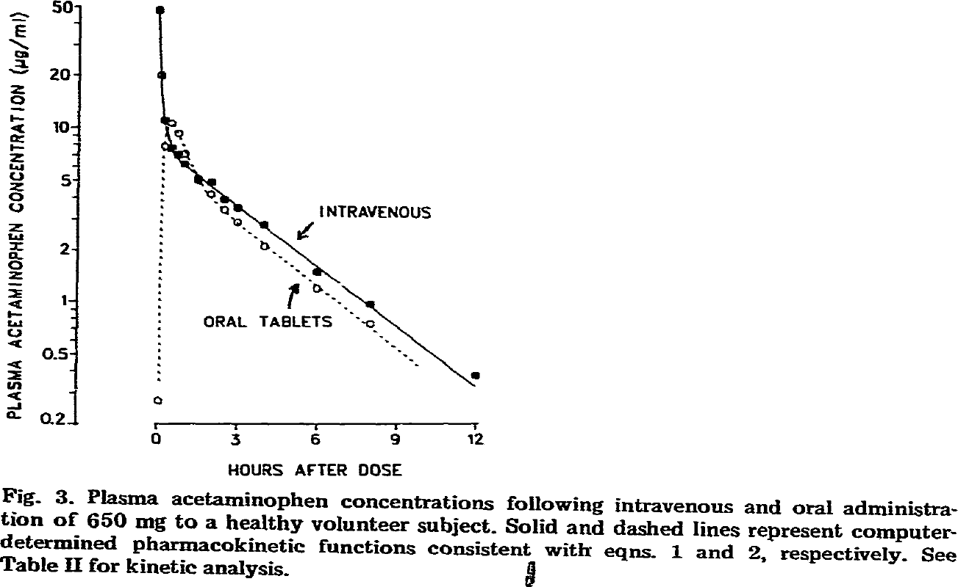
study | Number of subjects {type=int} | Route of application {values=”oral”, “iv”} | time [h] {type=double} | intravenous acetaminophen plasma concentration [μg/ml]=[mg/l] {type=double}
study | n | route | time | apap
Ameer1981 | 1 | iv | 0.2 | 47.9785
Ameer1981 | 1 | iv | 0.2 | 20.4259
Ameer1981 | 1 | iv | 0.4 | 11.1900
Ameer1981 | 1 | iv | 0.6 | 7.5887
Ameer1981 | 1 | iv | 1.0 | 7.0198
Ameer1981 | 1 | iv | 1.1 | 6.1274
Ameer1981 | 1 | iv | 1.6 | 4.9957
Ameer1981 | 1 | iv | 2.2 | 4.8973
Ameer1981 | 1 | iv | 2.5 | 3.9935
Ameer1981 | 1 | iv | 3.0 | 3.4510
Ameer1981 | 1 | iv | 4.1 | 2.7582
Ameer1981 | 1 | iv | 6.1 | 1.5089
Ameer1981 | 1 | iv | 8.1 | 0.9829
Ameer1981 | 1 | iv | 12.0 | 0.3749
Ameer1981 | 1 | oral | 0.1 | 0.2695
Ameer1981 | 1 | oral | 0.3 | 7.8146
Ameer1981 | 1 | oral | 0.6 | 10.5547
Ameer1981 | 1 | oral | 0.9 | 9.4838
Ameer1981 | 1 | oral | 1.2 | 7.1561
Ameer1981 | 1 | oral | 2.1 | 4.1128
Ameer1981 | 1 | oral | 2.7 | 3.3530
Ameer1981 | 1 | oral | 3.1 | 2.8699
Ameer1981 | 1 | oral | 4.1 | 2.0817
Ameer1981 | 1 | oral | 6.1 | 1.1838
Ameer1981 | 1 | oral | 8.1 | 0.7418

