Fig1
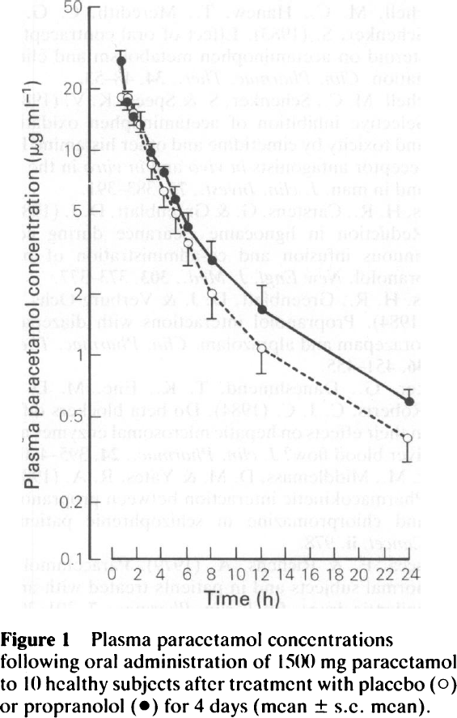
study | Number of subjects {type=int} | Intervention {values=”placebo”, “propanolol”} | Time [h] | Plasma paracetamol concentration [μg/ml]=[ | Plasma paracetamol concentration SE [μg/ml] | Plasma paracetamol concentration SD [μg/ml]
study | n | intervention | time | apap | apap_se | apap_sd
Baraka1990 | 10 | placebo | 0.5 | 18.05 | 1.42 | 4.49
Baraka1990 | 10 | placebo | 1.0 | 17.72 | 1.69 | 5.34
Baraka1990 | 10 | placebo | 1.5 | 15.18 | 1.94 | 6.12
Baraka1990 | 10 | placebo | 2.0 | 13.61 | 1.63 | 5.15
Baraka1990 | 10 | placebo | 3.0 | 8.48 | 1.28 | 4.05
Baraka1990 | 10 | placebo | 4.0 | 6.34 | 1.05 | 3.33
Baraka1990 | 10 | placebo | 5.0 | 5.05 | 1.14 | 3.59
Baraka1990 | 10 | placebo | 6.0 | 3.54 | 0.82 | 2.60
Baraka1990 | 10 | placebo | 8.0 | 2.01 | 0.52 | 1.65
Baraka1990 | 10 | placebo | 12.0 | 1.08 | 0.27 | 0.84
Baraka1990 | 10 | placebo | 24.0 | 0.38 | 0.08 | 0.26
Baraka1990 | 10 | propanolol | 0.5 | 26.21 | 4.11 | 12.99
Baraka1990 | 10 | propanolol | 1.0 | 17.24 | 2.17 | 6.85
Baraka1990 | 10 | propanolol | 1.5 | 14.51 | 2.12 | 6.71
Baraka1990 | 10 | propanolol | 2.0 | 13.37 | 2.09 | 6.62
Baraka1990 | 10 | propanolol | 3.0 | 9.90 | 0.75 | 2.36
Baraka1990 | 10 | propanolol | 4.0 | 7.74 | 0.43 | 1.37
Baraka1990 | 10 | propanolol | 5.0 | 5.79 | 0.73 | 2.30
Baraka1990 | 10 | propanolol | 6.0 | 4.21 | 0.75 | 2.37
Baraka1990 | 10 | propanolol | 8.0 | 2.82 | 0.85 | 2.69
Baraka1990 | 10 | propanolol | 12.0 | 1.65 | 0.52 | 1.64
Baraka1990 | 10 | propanolol | 24.0 | 0.60 | 0.06 | 0.20

