Fig1
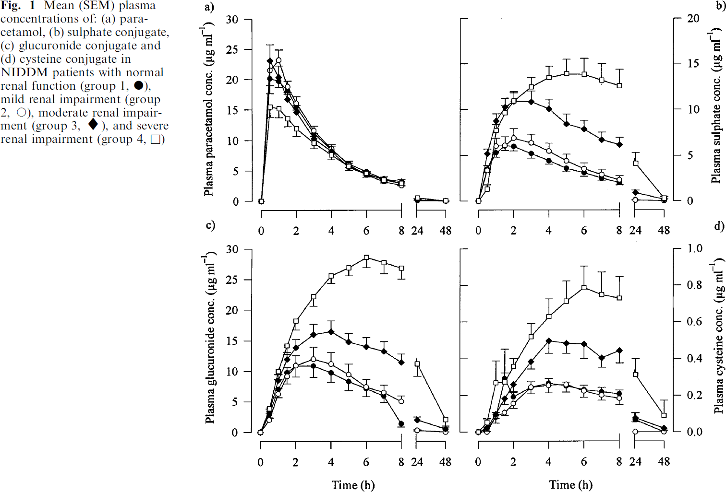
study | Number of subjects [-] {type=int} | Patient group [-] {values={group1, group2, group3, group4} | Health status of group [-] {type=category} | Time [h] {type=double} | Plasma paracetamol concentration [μg/ml] {type=double} | Plasma paracetamol concentration SE [μg/ml] {type=double} | Plasma paracetamol concentration SD [μg/ml] {type=double} | Plasma paracetamol sulphate conjugate concentration [μg/ml] {type=double} | Plasma paracetamol sulphate conjugate concentration SE [μg/ml] {type=double} | Plasma paracetamol sulphate conjugate concentration SD [μg/ml] {type=double} | Plasma paracetamol glucuronide conjugate concentration [μg/ml] {type=double} | Plasma paracetamol glucuronide conjugate concentration SE [μg/ml] {type=double} | Plasma paracetamol glucuronide conjugate concentration SD [μg/ml] {type=double} | Plasma paracetamol cysteine conjugate concentration [μg/ml] {type=double} | Plasma paracetamol cysteine conjugate concentration SE [μg/ml] {type=double} | Plasma paracetamol cysteine conjugate concentration SD [μg/ml] {type=double}
study | n | group | health_status | time | apap | apap_se | apap_sd | apap_sul | apap_sul_se | apap_sul_sd | apap_glu | apap_glu_se | apap_glu_sd | apap_cys | apap_cys_se | apap_cys_sd
Chan1997 | 6 | group1 | NIDDM patients with normal renal function | 0.0 | 0.0000 | NA | NA | 0.1252 | NA | NA | 0.0000 | NA | NA | 0.0000 | NA | NA
Chan1997 | 6 | group1 | NIDDM patients with normal renal function | 0.5 | 20.2171 | 1.1577 | 2.8356958915 | 3.4294 | 0.3153 | 0.77234983554 | 2.6601 | 0.3935 | 0.96380685282 | 0.0183 | NA | NA
Chan1997 | 6 | group1 | NIDDM patients with normal renal function | 1.0 | 19.7471 | 0.9474 | 2.3205975925 | 5.4208 | 0.6301 | 1.5433828254 | 6.9747 | 1.5715 | 3.8493567192 | 0.0969 | NA | NA
Chan1997 | 6 | group1 | NIDDM patients with normal renal function | 1.5 | 18.2238 | 0.6841 | 1.6756910341 | 6.0477 | 0.4203 | 1.0295082914 | 9.6398 | 1.9631 | 4.808598213 | 0.2932 | 0.1623 | 0.39756112589
Chan1997 | 6 | group1 | NIDDM patients with normal renal function | 2.0 | 15.5956 | 0.6319 | 1.5479476945 | 6.0445 | 0.5781 | 1.4161210555 | 10.8128 | 1.7275 | 4.2314886317 | 0.1885 | 0.0314 | 0.076947339974
Chan1997 | 6 | group1 | NIDDM patients with normal renal function | 3.0 | 11.1288 | 0.4749 | 1.1632430829 | 5.3549 | 0.6294 | 1.5416272761 | 10.8040 | 1.9644 | 4.8118584839 | 0.2356 | 0.0366 | 0.089771839481
Chan1997 | 6 | group1 | NIDDM patients with normal renal function | 4.0 | 8.6611 | NA | NA | 4.6136 | 0.6299 | 1.5429438768 | 9.5360 | 1.3346 | 3.2689836827 | 0.2696 | 0.0183 | 0.04488596873
Chan1997 | 6 | group1 | NIDDM patients with normal renal function | 5.0 | 6.2470 | 0.0004 | 0.00088353095022 | 3.7149 | 0.5778 | 1.4152436483 | 8.2706 | 1.4919 | 3.6543766008 | 0.2487 | 0.0236 | 0.057710468238
Chan1997 | 6 | group1 | NIDDM patients with normal renal function | 6.0 | 4.8323 | 0.4209 | 1.0310818437 | 3.2353 | 0.5244 | 1.2844702899 | 6.7689 | 0.9424 | 2.3084407749 | 0.2277 | 0.0209 | 0.051298218484
Chan1997 | 6 | group1 | NIDDM patients with normal renal function | 7.0 | 3.5232 | 0.3154 | 0.77264940814 | 2.5468 | 0.3676 | 0.90048974751 | 5.8954 | 1.0992 | 2.6925281151 | 0.2199 | 0.0209 | 0.051298218484
Chan1997 | 6 | group1 | NIDDM patients with normal renal function | 8.0 | 3.0559 | NA | NA | 2.0153 | 0.2098 | 0.51387600365 | 1.0952 | 0.3149 | 0.77143617587 | 0.2042 | 0.0236 | 0.057710492733
Chan1997 | 6 | group1 | NIDDM patients with normal renal function | 24.0 | 0.2200 | NA | NA | 1.0120 | NA | NA | 0.0000 | NA | NA | 0.0628 | 0.0393 | 0.09618416272
Chan1997 | 6 | group1 | NIDDM patients with normal renal function | 48.0 | 0.0201 | NA | NA | 0.0564 | NA | NA | 0.2851 | NA | NA | 0.0131 | NA | NA
Chan1997 | 8 | group2 | mild renal impairment | 0.0 | 0.0000 | NA | NA | 0.0206 | NA | NA | 0.0000 | NA | NA | 0.0000 | NA | NA
Chan1997 | 8 | group2 | mild renal impairment | 0.5 | 21.4279 | NA | NA | 3.4822 | 0.4721 | 1.3352155928 | 1.9530 | NA | NA | 0.0000 | NA | NA
Chan1997 | 8 | group2 | mild renal impairment | 1.0 | 23.2732 | 1.6844 | 4.764064056 | 6.2077 | 0.8402 | 2.3765321515 | 6.3467 | NA | NA | 0.0812 | 0.0314 | 0.088851123581
Chan1997 | 8 | group2 | mild renal impairment | 1.5 | 18.9606 | 0.7895 | 2.2329979602 | 6.0473 | 1.0498 | 2.969397064 | 9.1683 | 1.5712 | 4.4441010659 | 0.0995 | 0.0157 | 0.044425556134
Chan1997 | 8 | group2 | mild renal impairment | 2.0 | 16.2799 | 0.8422 | 2.3822003194 | 6.7265 | 1.3125 | 3.7122540327 | 10.8918 | 1.4922 | 4.2204658185 | 0.1545 | 0.0288 | 0.081446906652
Chan1997 | 8 | group2 | mild renal impairment | 3.0 | 11.7072 | 0.7371 | 2.0848110062 | 6.4572 | 0.8399 | 2.375518726 | 11.8249 | 2.1199 | 5.9959982181 | 0.2408 | 0.0366 | 0.10365964795
Chan1997 | 8 | group2 | mild renal impairment | 4.0 | 8.6087 | 0.8425 | 2.3828819703 | 5.4531 | 0.8922 | 2.5234811028 | 11.1075 | 1.8851 | 5.3318708013 | 0.2513 | 0.0419 | 0.118468161
Chan1997 | 8 | group2 | mild renal impairment | 5.0 | 6.2467 | 0.3160 | 0.89387913794 | 4.5020 | 0.6822 | 1.9296021991 | 9.3707 | 1.7278 | 4.8868545628 | 0.2565 | 0.0419 | 0.11846813272
Chan1997 | 8 | group2 | mild renal impairment | 6.0 | 4.9378 | 0.0524 | 0.14818695392 | 3.4980 | 0.7352 | 2.0795922753 | 7.3184 | 1.0992 | 3.1090636641 | 0.2251 | 0.0366 | 0.10365964795
Chan1997 | 8 | group2 | mild renal impairment | 7.0 | 3.5757 | 0.4738 | 1.3401376217 | 2.8095 | 0.7349 | 2.0785782842 | 6.5232 | 0.9429 | 2.6670633774 | 0.1963 | 0.0209 | 0.059234080502
Chan1997 | 8 | group2 | mild renal impairment | 8.0 | 2.4246 | 1.2629 | 3.5721133883 | 2.2774 | 0.6303 | 1.7826526821 | 4.9429 | 0.6291 | 1.7792967533 | 0.1754 | 0.0262 | 0.074042593556
Chan1997 | 8 | group2 | mild renal impairment | 24.0 | 0.2727 | NA | NA | 0.0672 | NA | NA | 0.0652 | NA | NA | 0.0000 | NA | NA
Chan1997 | 8 | group2 | mild renal impairment | 48.0 | 0.0729 | NA | NA | 0.1084 | NA | NA | 0.0000 | NA | NA | 0.0000 | NA | NA
Chan1997 | 11 | group3 | moderate renal impairment | 0.0 | 0.0035 | NA | NA | 0.1258 | NA | NA | 0.0000 | NA | NA | 0.0000 | NA | NA
Chan1997 | 11 | group3 | moderate renal impairment | 0.5 | 23.2702 | 2.4210 | 8.0294225857 | 5.2666 | 0.4201 | 1.3933651505 | 2.8959 | NA | NA | 0.0183 | 0.0157 | 0.052093585474
Chan1997 | 11 | group3 | moderate renal impairment | 1.0 | 20.5892 | 1.6842 | 5.5859622873 | 8.9374 | 0.9447 | 3.1331391571 | 8.6239 | 0.8647 | 2.8678191237 | 0.0916 | 0.0236 | 0.078140376552
Chan1997 | 11 | group3 | moderate renal impairment | 1.5 | 16.8554 | 0.6848 | 2.2712909889 | 10.3519 | 0.9973 | 3.3078291014 | 11.6820 | 1.4139 | 4.6893459415 | 0.1806 | 0.0314 | 0.10418715768
Chan1997 | 11 | group3 | moderate renal impairment | 2.0 | 14.5957 | 0.5791 | 1.9205745005 | 10.9784 | 1.1020 | 3.6548376034 | 13.6400 | 1.4142 | 4.6902281637 | 0.2565 | 0.0366 | 0.12155167843
Chan1997 | 11 | group3 | moderate renal impairment | 3.0 | 10.2337 | 0.6318 | 2.0955297748 | 10.9189 | 1.1025 | 3.6566169726 | 15.9867 | 1.5707 | 5.2094026585 | 0.3770 | 0.0314 | 0.10418719085
Chan1997 | 11 | group3 | moderate renal impairment | 4.0 | 8.1348 | 0.9476 | 3.1428999838 | 9.9676 | 1.4700 | 4.875295827 | 16.4481 | 1.6495 | 5.4707526919 | 0.4974 | 0.0707 | 0.23442109649
Chan1997 | 11 | group3 | moderate renal impairment | 5.0 | 5.9309 | 0.7369 | 2.4438582934 | 8.4383 | 0.9458 | 3.1367045287 | 14.7105 | 1.4922 | 4.9489348472 | 0.4791 | 0.0524 | 0.17364520752
Chan1997 | 11 | group3 | moderate renal impairment | 6.0 | 4.7796 | 0.1579 | 0.52368278289 | 7.8546 | 0.9970 | 3.3066400914 | 14.0734 | 1.2558 | 4.1648781135 | 0.4817 | 0.0812 | 0.26915017116
Chan1997 | 11 | group3 | moderate renal impairment | 7.0 | 3.6811 | 0.4215 | 1.3980853709 | 6.6410 | 0.8397 | 2.7849482784 | 13.0418 | 1.5710 | 5.2102848807 | 0.4031 | 0.0497 | 0.16496294715
Chan1997 | 11 | group3 | moderate renal impairment | 8.0 | 3.0032 | 0.6318 | 2.0955324281 | 6.1615 | 0.7879 | 2.6132287032 | 11.5398 | 1.2566 | 4.1675247801 | 0.4450 | 0.0707 | 0.23442122915
Chan1997 | 11 | group3 | moderate renal impairment | 24.0 | 0.2199 | NA | NA | 0.9594 | 0.3151 | 1.045172514 | 1.6367 | NA | NA | 0.0759 | 0.0262 | 0.086822636928
Chan1997 | 11 | group3 | moderate renal impairment | 48.0 | 0.0728 | NA | NA | 0.0568 | 0.4714 | 1.56330199 | 0.3645 | NA | NA | 0.0236 | 0.0236 | 0.078140376552
Chan1997 | 13 | group4 | severe renal impairment | 0.0 | 0.0035 | NA | NA | 0.0000 | NA | NA | 0.0000 | NA | NA | 0.0082 | NA | NA
Chan1997 | 13 | group4 | severe renal impairment | 0.5 | 15.4804 | 1.5790 | 5.6930428752 | 1.2770 | 0.5774 | 2.0818892942 | 3.9164 | 0.9419 | 3.3960121392 | 0.0575 | 0.0236 | 0.084945273718
Chan1997 | 13 | group4 | severe renal impairment | 1.0 | 15.2733 | 1.5260 | 5.501977502 | 7.7832 | 0.5772 | 2.0812446216 | 9.9595 | NA | NA | 0.2743 | 0.1230 | 0.44360323229
Chan1997 | 13 | group4 | severe renal impairment | 1.5 | 13.5397 | 1.1580 | 4.175332938 | 9.6168 | 0.8402 | 3.0294959537 | 14.2739 | 1.1783 | 4.2483778013 | 0.2738 | 0.1781 | 0.64209762755
Chan1997 | 13 | group4 | severe renal impairment | 2.0 | 11.9113 | 1.1579 | 4.1749002718 | 10.8732 | 0.9975 | 3.5966383527 | 18.1956 | 1.6492 | 5.9463797245 | 0.3623 | 0.0498 | 0.1794251754
Chan1997 | 13 | group4 | severe renal impairment | 3.0 | 9.4969 | 0.8418 | 3.0349908139 | 12.6515 | 0.8925 | 3.2181131576 | 22.1125 | 1.6495 | 5.9473460122 | 0.5210 | 0.0811 | 0.29258940434
Chan1997 | 13 | group4 | severe renal impairment | 4.0 | 7.6615 | 0.7891 | 2.8452212758 | 13.5372 | 1.2600 | 4.5429513405 | 25.6367 | 1.4142 | 5.0988155751 | 0.6353 | 0.0942 | 0.33958848632
Chan1997 | 13 | group4 | severe renal impairment | 5.0 | 5.7206 | 0.5788 | 2.0870160275 | 13.9511 | 1.6271 | 5.8664951304 | 26.8831 | 1.4123 | 5.0920912219 | 0.7206 | 0.1021 | 0.36799983376
Chan1997 | 13 | group4 | severe renal impairment | 6.0 | 4.6745 | 0.6319 | 2.2785176724 | 13.9439 | 1.7851 | 6.4362227097 | 28.5225 | 1.8063 | 6.5127036633 | 0.7903 | 0.1152 | 0.4151918488
Chan1997 | 13 | group4 | severe renal impairment | 7.0 | 3.5755 | 0.5793 | 2.0887488555 | 13.1504 | 1.9417 | 7.0007835339 | 27.6493 | 1.7278 | 6.2295416939 | 0.7553 | 0.1231 | 0.44369913996
Chan1997 | 13 | group4 | severe renal impairment | 8.0 | 3.0560 | 0.4208 | 1.5172790739 | 12.5662 | 1.8372 | 6.6241981254 | 26.8541 | 1.8846 | 6.7949029505 | 0.7334 | 0.1152 | 0.41548050923
Chan1997 | 13 | group4 | severe renal impairment | 24.0 | 0.6408 | NA | NA | 4.1087 | 1.2077 | 4.3543341366 | 11.1384 | 2.1204 | 7.6453443299 | 0.3084 | 0.0863 | 0.31127333499
Chan1997 | 13 | group4 | severe renal impairment | 48.0 | 0.2307 | NA | NA | 0.2659 | 0.5251 | 1.8932730277 | 1.9338 | 1.0990 | 3.9623342753 | 0.0896 | 0.0864 | 0.31146601565

