Fig1
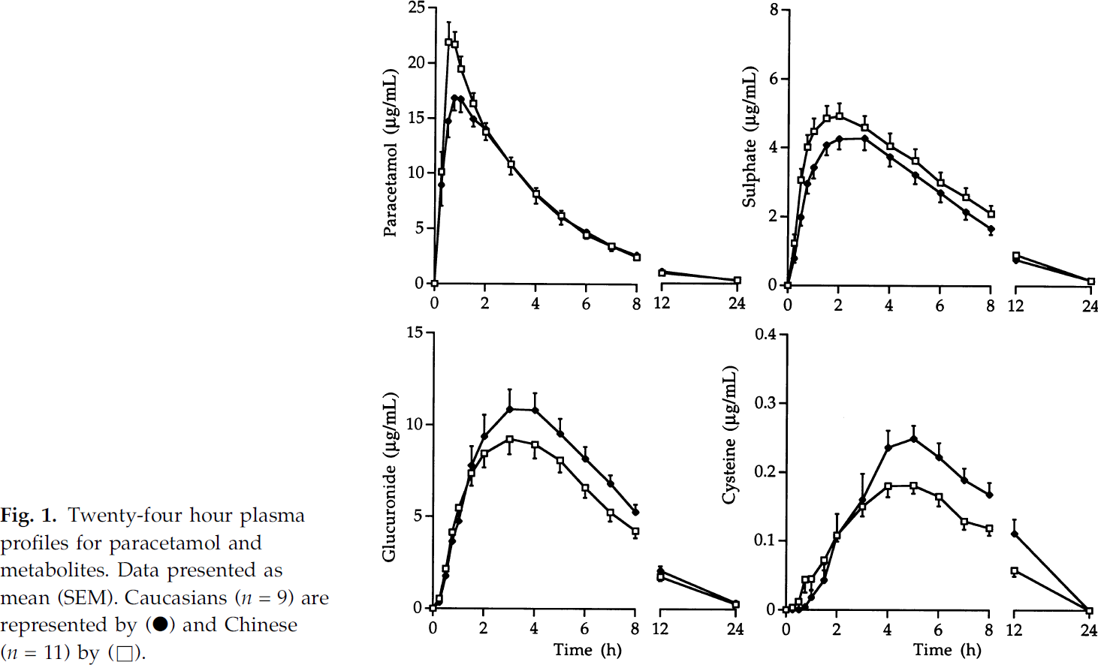
study | Number of subjects [-] {type=integer} | Ethnicity [-] {values=Caucasian,Chinese} | time [h] {type=double} | Paracetamol concentration [μg/ml] {type=double} | Paracetamol concentration SE [μg/ml] {type=double} | Paracetamol concentration SD [μg/ml] {type=double} | Paracetamol sulphate concentration [μg/ml] {type=double} | Paracetamol sulphate concentration SE [μg/ml] {type=double} | Paracetamol sulphate concentration SD [μg/ml] {type=double} | Paracetamol glucuronide concentration [μg/ml] {type=double} | Paracetamol glucuronide concentration SE [μg/ml] {type=double} | Paracetamol glucuronide concentration SD [μg/ml] {type=double} | Paracetamol cysteine concentration [μg/ml] {type=double} | Paracetamol cysteine concentration SE [μg/ml] {type=double} | Paracetamol cysteine concentration SD [μg/ml] {type=double}
study | n | ethnicity | time | apap | apap_se | apap_sd | apap_sul | apap_sul_se | apap_sul_sd | apap_glu | apap_glu_se | apap_glu_sd | apap_cys | apap_cys_se | apap_cys_sd
Critchley2005 | 9 | Caucasian | 0 | 0.14 | NA | NA | 0.04 | NA | NA | 0.12 | NA | NA | 0.00 | NA | NA
Critchley2005 | 9 | Caucasian | 0.25 | 8.84 | 1.83 | 5.50 | 0.68 | 0.11 | 0.33 | 0.41 | NA | NA | 0.00 | NA | NA
Critchley2005 | 9 | Caucasian | 0.5 | 14.75 | 1.49 | 4.48 | 1.99 | 0.22 | 0.65 | 1.67 | NA | NA | 0.00 | NA | NA
Critchley2005 | 9 | Caucasian | 0.75 | 16.86 | 1.22 | 3.67 | 2.90 | 0.26 | 0.78 | 3.62 | NA | NA | 0.01 | NA | NA
Critchley2005 | 9 | Caucasian | 1 | 16.66 | 1.15 | 3.46 | 3.38 | 0.31 | 0.92 | 4.76 | NA | NA | 0.02 | NA | NA
Critchley2005 | 9 | Caucasian | 1.5 | 14.97 | 0.81 | 2.44 | 4.10 | 0.33 | 0.98 | 7.78 | 1.06 | 3.18 | 0.05 | 0.02 | 0.05
Critchley2005 | 9 | Caucasian | 2 | 14.03 | 0.95 | 2.85 | 4.26 | 0.28 | 0.85 | 9.32 | 1.18 | 3.55 | 0.10 | 0.04 | 0.11
Critchley2005 | 9 | Caucasian | 3 | 10.85 | 0.95 | 2.85 | 4.28 | 0.35 | 1.05 | 10.75 | 1.10 | 3.30 | 0.16 | 0.04 | 0.11
Critchley2005 | 9 | Caucasian | 4 | 8.22 | 0.88 | 2.65 | 3.76 | 0.33 | 0.98 | 10.74 | 0.90 | 2.69 | 0.23 | 0.03 | 0.08
Critchley2005 | 9 | Caucasian | 5 | 6.27 | 0.88 | 2.65 | 3.24 | 0.31 | 0.92 | 9.51 | 0.81 | 2.44 | 0.25 | 0.02 | 0.06
Critchley2005 | 9 | Caucasian | 6 | 4.72 | NA | NA | 2.65 | 0.26 | 0.78 | 8.08 | 0.69 | 2.08 | 0.22 | 0.02 | 0.06
Critchley2005 | 9 | Caucasian | 7 | 3.58 | NA | NA | 2.13 | 0.20 | 0.59 | 6.73 | 0.45 | 1.34 | 0.19 | 0.02 | 0.05
Critchley2005 | 9 | Caucasian | 8 | 2.58 | NA | NA | 1.63 | 0.13 | 0.39 | 5.22 | 0.41 | 1.22 | 0.17 | 0.02 | 0.05
Critchley2005 | 9 | Caucasian | 12 | 1.24 | NA | NA | 0.74 | NA | NA | 2.03 | 0.24 | 0.73 | 0.11 | 0.02 | 0.06
Critchley2005 | 9 | Caucasian | 24 | 0.61 | NA | NA | 0.14 | NA | NA | 0.14 | NA | NA | 0.00 | NA | NA
Critchley2005 | 11 | Chinese | 0 | 0.20 | NA | NA | 0.02 | NA | NA | 0.08 | NA | NA | 0.00 | NA | NA
Critchley2005 | 11 | Chinese | 0.25 | 10.26 | 1.70 | 5.63 | 1.23 | 0.22 | 0.72 | 0.45 | NA | NA | 0.01 | NA | NA
Critchley2005 | 11 | Chinese | 0.5 | 21.88 | 1.90 | 6.31 | 3.04 | 0.33 | 1.09 | 2.08 | NA | NA | 0.01 | NA | NA
Critchley2005 | 11 | Chinese | 0.75 | 21.68 | 1.15 | 3.83 | 4.03 | 0.37 | 1.23 | 4.11 | NA | NA | 0.05 | 0.02 | 0.06
Critchley2005 | 11 | Chinese | 1 | 19.58 | 1.02 | 3.38 | 4.45 | 0.42 | 1.38 | 5.42 | NA | NA | 0.05 | 0.01 | 0.05
Critchley2005 | 11 | Chinese | 1.5 | 16.40 | 0.95 | 3.15 | 4.86 | 0.31 | 1.02 | 7.33 | 0.61 | 2.03 | 0.07 | 0.01 | 0.04
Critchley2005 | 11 | Chinese | 2 | 13.62 | 0.95 | 3.15 | 4.96 | 0.33 | 1.09 | 8.35 | 0.69 | 2.30 | 0.11 | 0.01 | 0.03
Critchley2005 | 11 | Chinese | 3 | 10.92 | 0.61 | 2.02 | 4.62 | 0.28 | 0.94 | 9.16 | 0.77 | 2.57 | 0.15 | 0.01 | 0.05
Critchley2005 | 11 | Chinese | 4 | 8.42 | 0.27 | 0.90 | 4.08 | 0.33 | 1.09 | 8.91 | 0.77 | 2.57 | 0.18 | 0.02 | 0.05
Critchley2005 | 11 | Chinese | 5 | 6.27 | 0.27 | 0.90 | 3.60 | 0.39 | 1.30 | 7.96 | 0.53 | 1.76 | 0.18 | 0.01 | 0.04
Critchley2005 | 11 | Chinese | 6 | 4.38 | NA | NA | 2.98 | 0.33 | 1.09 | 6.53 | 0.53 | 1.76 | 0.16 | 0.01 | 0.04
Critchley2005 | 11 | Chinese | 7 | 3.58 | NA | NA | 2.61 | 0.26 | 0.87 | 5.18 | 0.49 | 1.62 | 0.13 | 0.01 | 0.04
Critchley2005 | 11 | Chinese | 8 | 2.72 | NA | NA | 2.12 | 0.24 | 0.80 | 4.20 | 0.45 | 1.49 | 0.12 | 0.01 | 0.03
Critchley2005 | 11 | Chinese | 12 | 1.10 | NA | NA | 0.93 | NA | NA | 1.58 | NA | NA | 0.06 | 0.01 | 0.03
Critchley2005 | 11 | Chinese | 24 | 0.54 | NA | NA | 0.23 | NA | NA | 0.18 | NA | NA | 0.00 | NA | NA

