Figure 1
Prescott1980 - KINETICS AND METABOLISM OF PARACETAMOL AND PHENACETIN

species | human
method | oral dose 20mg/kg
n | 8
subjects | healthy

Figure 1
study | time paracetamol [h] | paracetamol plasma concentration [μg/ml] | time sulphate [h] | sulphate plasma concentration [μg/ml] | time glucuronide [h] | glucuronide plasma concentration [μg/ml]
study | time_paracetamol | paracetamol_concentration | time_sulphate | sulphate_concentration | time_glucuronide | glucuronide_concentration
Prescott1980 | 0.0 | 0.9766 | 0.0 | 1.0412 | 0.2686 | 1
Prescott1980 | 0.2 | 15.4928 | 0.3 | 2.3030 | 0.4845 | 3.6089
Prescott1980 | 0.4 | 18.7900 | 0.5 | 4.3735 | 0.7081 | 6.2263
Prescott1980 | 0.7 | 18.5080 | 0.7 | 5.3043 | 0.9588 | 8.2474
Prescott1980 | 1.0 | 17.9382 | 1.0 | 6.1325 | 1.4868 | 11.2898
Prescott1980 | 1.5 | 15.6787 | 1.5 | 6.1423 | 1.9767 | 12.4472
Prescott1980 | 1.9 | 13.7004 | 2.0 | 5.6775 | 2.9616 | 11.8982
Prescott1980 | 3.0 | 9.8969 | 2.9 | 4.7734 | 3.9045 | 11.0135
Prescott1980 | 4.0 | 7.4392 | 3.9 | 4.3843 | 5.8820 | 7.0179
Prescott1980 | 6.0 | 3.9752 | 5.9 | 2.8390 | 7.9012 | 4.7304
Prescott1980 | 7.9 | 2.5122 | 8.0 | 1.8682
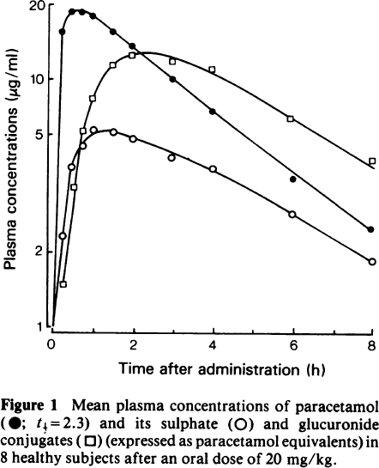

 | paracetamol plasma concentration [μg/ml] |  | sulphate plasma concentration [μg/ml] |  | glucuronide plasma concentration [μg/ml]
0.0 | 0.9766 | 0.0 | 1.0412 | 0.2686 | 1.4587
0.2 | 15.4928 | 0.3 | 2.3030 | 0.4845 | 3.6089
0.4 | 18.7900 | 0.5 | 4.3735 | 0.7081 | 6.2263
0.7 | 18.5080 | 0.7 | 5.3043 | 0.9588 | 8.2474
1.0 | 17.9382 | 1.0 | 6.1325 | 1.4868 | 11.2898
1.5 | 15.6787 | 1.5 | 6.1423 | 1.9767 | 12.4472
1.9 | 13.7004 | 2.0 | 5.6775 | 2.9616 | 11.8982
3.0 | 9.8969 | 2.9 | 4.7734 | 3.9045 | 11.0135
4.0 | 7.4392 | 3.9 | 4.3843 | 5.8820 | 7.0179
6.0 | 3.9752 | 5.9 | 2.8390 | 7.9012 | 4.7304
7.9 | 2.5122 | 8.0 | 1.8682

Figure 4
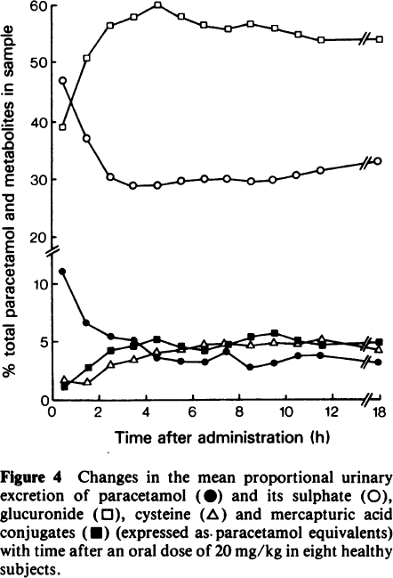
Prescott1980 - KINETICS AND METABOLISM OF PARACETAMOL AND PHENACETIN

species | human
method | oral dose 20mg/kg
n | 8
subjects | healthy

Figure 4
study | time paracetamol [h] | paracetamol plasma [%] | time sulphate [h] | sulphate plasma [%] | time glucuronide [h] | glucuronide plasma [%] | time cysteine [h] | cysteine plasma [%] | time mercapturic acid conjugates [h] | mercapturic acid conjugates plasma [%]
study | time_paracetamol | paracetamol | time_sulphate | sulphate | time_glucuronide | glucuronide | time_cysteine | cysteine | time_mercapturic_acid_conjugates | mercapturic_acid_conjugates
Prescott1980 | 0.3 | 10.9969 | 0.4 | 46.9084 | 0.5 | 39.0593 | 0.5 | 1.8292 | 0.5 | 1.2943
Prescott1980 | 1.3 | 6.9140 | 1.5 | 37.0196 | 1.5 | 51.0211 | 1.5 | 1.5173 | 1.5 | 2.8147
Prescott1980 | 2.5 | 5.5221 | 2.5 | 30.0568 | 2.4 | 56.0627 | 2.5 | 3.0374 | 2.5 | 4.2588
Prescott1980 | 3.4 | 5.1316 | 3.4 | 28.6399 | 3.4 | 57.7168 | 3.5 | 3.4126 | 3.5 | 4.4813
Prescott1980 | 4.4 | 3.5872 | 4.5 | 28.5973 | 4.6 | 59.9819 | 4.5 | 4.3228 | 4.5 | 5.2388
Prescott1980 | 5.5 | 3.3490 | 5.6 | 29.3253 | 5.7 | 57.7854 | 5.5 | 4.1633 | 5.5 | 4.4687
Prescott1980 | 6.5 | 3.2660 | 6.5 | 29.5948 | 6.7 | 56.3626 | 6.5 | 4.8441 | 6.5 | 4.3099
Prescott1980 | 7.5 | 4.0287 | 7.6 | 29.5551 | 7.6 | 55.2474 | 7.4 | 4.9914 | 7.6 | 4.7609
Prescott1980 | 8.5 | 2.6378 | 8.6 | 29.3631 | 8.6 | 56.4400 | 8.5 | 4.5259 | 8.5 | 5.5185
Prescott1980 | 9.6 | 3.0919 | 9.5 | 29.4816 | 9.7 | 55.7849 | 9.5 | 4.9012 | 9.6 | 5.8168
Prescott1980 | 10.6 | 3.5472 | 10.5 | 30.5189 | 10.7 | 54.3621 | 10.5 | 4.7425 | 10.4 | 4.9718
Prescott1980 | 11.5 | 3.6954 | 11.6 | 31.4008 | 11.7 | 53.5546 | 11.6 | 5.3464 | 11.5 | 4.8126
Prescott1980 | 18.0 | 3.0638 | 18.0 | 32.2342 | 18.0 | 53.4591 | 18.0 | 4.1095 | 18.0 | 4.9492

Figure 6
Prescott1980 - KINETICS AND METABOLISM OF PARACETAMOL AND PHENACETIN

species | human
method | oral and intravenous dose 12mg/kg
n | 4
subjects | healthy

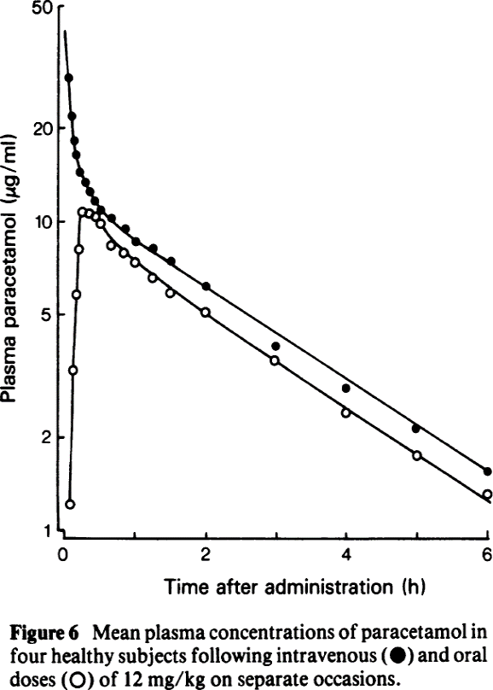
Figure 6
study | time intravenous paracetamol [h] | intravenous paracetamol plasma concentration [μg/ml] | time oral paracetamol [h] | oral paracetamol plasma concentration [μg/ml]
study | time_intravenous_paracetamol | intravenous_paracetamol_concentration | time_oral_paracetamol | oral_paracetamol_concentration
Prescott1980 | 0.05 | 29.4696 | 0.08 | 1.1955
Prescott1980 | 0.08 | 21.9839 | 0.11 | 3.3136
Prescott1980 | 0.13 | 18.5104 | 0.13 | 5.7683
Prescott1980 | 0.15 | 16.4003 | 0.17 | 7.9326
Prescott1980 | 0.20 | 14.6240 | 0.23 | 10.7028
Prescott1980 | 0.28 | 13.2922 | 0.35 | 10.7041
Prescott1980 | 0.35 | 12.4727 | 0.44 | 10.3036
Prescott1980 | 0.41 | 11.7035 | 0.54 | 9.8553
Prescott1980 | 0.50 | 10.9822 | 0.64 | 8.3516
Prescott1980 | 0.60 | 10.3713 | 0.81 | 7.9380
Prescott1980 | 0.89 | 9.6108 | 0.95 | 7.4967
Prescott1980 | 0.99 | 8.7358 | 1.20 | 6.6862
Prescott1980 | 1.22 | 8.3037 | 1.48 | 5.7765
Prescott1980 | 1.52 | 7.4063 | 2.01 | 5.0560
Prescott1980 | 1.96 | 6.2387 | 3.00 | 3.5651
 | intravenous_paracetamol_concentration |  | oral_paracetamol_concentration
0.05 | 29.4696 | 0.08 | 1.1955
0.08 | 21.9839 | 0.11 | 3.3136
0.13 | 18.5104 | 0.13 | 5.7683
0.15 | 16.4003 | 0.17 | 7.9326
0.20 | 14.6240 | 0.23 | 10.7028
0.28 | 13.2922 | 0.35 | 10.7041
0.35 | 12.4727 | 0.44 | 10.3036
0.41 | 11.7035 | 0.54 | 9.8553
0.50 | 10.9822 | 0.64 | 8.3516
0.60 | 10.3713 | 0.81 | 7.9380
0.89 | 9.6108 | 0.95 | 7.4967
0.99 | 8.7358 | 1.20 | 6.6862
1.22 | 8.3037 | 1.48 | 5.7765
1.52 | 7.4063 | 2.01 | 5.0560
1.96 | 6.2387 | 3.00 | 3.5651
3.01 | 3.9478 | 3.99 | 2.3889
4.02 | 2.9107 | 5.04 | 1.7614
4.97 | 2.1459 | 6.01 | 1.3070
6.01 | 1.5523
Prescott1980 | 3.01 | 3.9478 | 3.99 | 2.3889
Prescott1980 | 4.02 | 2.9107 | 5.04 | 1.7614
Prescott1980 | 4.97 | 2.1459 | 6.01 | 1.3070
Prescott1980 | 6.01 | 1.5523

Figure 7
Prescott1980 - KINETICS AND METABOLISM OF PARACETAMOL AND PHENACETIN

species | human
method | oral dose 20mg/kg
n | 8
subjects | healthy

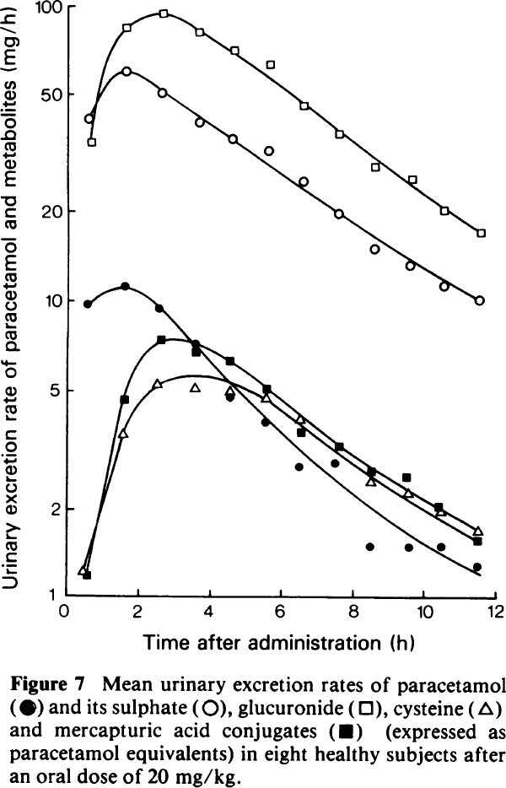
Figure 7
study | time paracetamol [h] | paracetamol urinary excretion rate [%] | time sulphate [h] | sulphate urinary excretion rate [%] | time glucuronide [h] | glucuronide urinary excretion rate [%] | time cysteine [h] | cysteine urinary excretion rate [%] | time mercapturic acid conjugates [h] | mercapturic acid conjugates urinary excretion rate [%]
study | time_paracetamol | paracetamol_urinary_excretion_rate | time_sulphate | sulphate_urinary_excretion_rate | time_glucuronide | glucuronide_urinary_excretion_rate | time_cysteine | cysteine_urinary_excretion_rate | time_mercapturic acid conjugates | mercapturic_acid_conjugates_urinary_excretion_rate
Prescott1980 | 0.5 | 9.7317 | 0.5 | 41.7306 | 0.5 | 34.2469 | 0.3 | 1.1729 | 0.6 | 1.1586
Prescott1980 | 1.6 | 11.1466 | 1.5 | 60.6021 | 1.5 | 84.2296 | 1.5 | 3.4945 | 1.5 | 4.6089
Prescott1980 | 2.5 | 9.4251 | 2.4 | 50.2355 | 2.5 | 93.9752 | 2.4 | 5.2075 | 2.5 | 7.3378
Prescott1980 | 3.5 | 7.2680 | 3.5 | 40.3257 | 3.5 | 82.6957 | 3.5 | 5.0261 | 3.5 | 6.6733
Prescott1980 | 4.5 | 4.7232 | 4.4 | 35.7007 | 4.5 | 71.3330 | 4.5 | 4.9788 | 4.5 | 6.3114
Prescott1980 | 5.5 | 3.8916 | 5.5 | 32.6882 | 5.5 | 65.7158 | 5.4 | 4.7096 | 5.5 | 5.0984
Prescott1980 | 6.5 | 2.7729 | 6.5 | 25.7124 | 6.5 | 45.6183 | 6.4 | 4.0097 | 6.5 | 3.6337
Prescott1980 | 7.5 | 2.8580 | 7.4 | 19.8277 | 7.4 | 37.3232 | 8.5 | 2.4171 | 7.7 | 3.3059
Prescott1980 | 8.5 | 1.5040 | 8.5 | 15.2953 | 8.4 | 28.9766 | 9.5 | 2.2720 | 9.4 | 2.5574
Prescott1980 | 9.5 | 1.5002 | 9.5 | 13.6380 | 9.5 | 26.7045 | 10.4 | 1.9721 | 10.3 | 2.0510
Prescott1980 | 10.4 | 1.5155 | 10.4 | 11.5328 | 10.4 | 20.8640 | 11.5 | 1.7131 | 11.4 | 1.6036
Prescott1980 | 11.5 | 1.2737 | 11.4 | 10.3483 | 11.4 | 17.5323

 | paracetamol_urinary_excretion_rate |  | sulphate_urinary_excretion_rate |  | glucuronide_urinary_excretion_rate |  | cysteine_urinary_excretion_rate |  | mercapturic_acid_conjugates_urinary_excretion_rate
0.5 | 9.7317 | 0.5 | 41.7306 | 0.5 | 34.2469 | 0.3 | 1.1729 | 0.6 | 1.1586
1.6 | 11.1466 | 1.5 | 60.6021 | 1.5 | 84.2296 | 1.5 | 3.4945 | 1.5 | 4.6089
2.5 | 9.4251 | 2.4 | 50.2355 | 2.5 | 93.9752 | 2.4 | 5.2075 | 2.5 | 7.3378
3.5 | 7.2680 | 3.5 | 40.3257 | 3.5 | 82.6957 | 3.5 | 5.0261 | 3.5 | 6.6733
4.5 | 4.7232 | 4.4 | 35.7007 | 4.5 | 71.3330 | 4.5 | 4.9788 | 4.5 | 6.3114
5.5 | 3.8916 | 5.5 | 32.6882 | 5.5 | 65.7158 | 5.4 | 4.7096 | 5.5 | 5.0984
6.5 | 2.7729 | 6.5 | 25.7124 | 6.5 | 45.6183 | 6.4 | 4.0097 | 6.5 | 3.6337
7.5 | 2.8580 | 7.4 | 19.8277 | 7.4 | 37.3232 | 8.5 | 2.4171 | 7.7 | 3.3059
8.5 | 1.5040 | 8.5 | 15.2953 | 8.4 | 28.9766 | 9.5 | 2.2720 | 9.4 | 2.5574
9.5 | 1.5002 | 9.5 | 13.6380 | 9.5 | 26.7045 | 10.4 | 1.9721 | 10.3 | 2.0510
10.4 | 1.5155 | 10.4 | 11.5328 | 10.4 | 20.8640 | 11.5 | 1.7131 | 11.4 | 1.6036
11.5 | 1.2737 | 11.4 | 10.3483 | 11.4 | 17.5323

