Figure 1
Prescott1989

species | human
method | oral dose 1g
n | 10
subjects | healthy
 | paracetamol_concentration |  | sulphate_concentration |  | glucuronide_concentration
0.0 | 18.2562 | 0.1 | 1.93438 | 0.2 | 1.6382
0.3 | 13.0986 | 0.4 | 2.81367 | 0.3 | 3.9230
0.5 | 10.8669 | 0.4 | 3.22068 | 0.5 | 6.0095
0.7 | 9.3018 | 0.9 | 3.29080 | 0.8 | 7.2491
1.3 | 7.9666 | 1.4 | 3.29360 | 1.2 | 8.5670
1.8 | 6.4106 | 2.0 | 3.22919 | 2.0 | 9.1302
2.7 | 5.0030 | 2.9 | 2.79641 | 2.9 | 8.8650
3.8 | 3.5204 | 3.9 | 2.13811 | 3.8 | 7.5183
5.0 | 2.5294 | 4.8 | 1.72148 | 4.9 | 5.9929
5.8 | 1.7978 | 6.0 | 1.33022 | 5.7 | 4.7250
6.8 | 1.4328 | 6.9 | 1.07112 | 6.8 | 3.8860
7.9 | 1.1661 | 7.8 | 0.87149 | 7.9 | 2.8505
8.9 | 0.8914 | 8.9 | 0.74703 | 8.9 | 2.2715
9.9 | 0.7104 | 9.9 | 0.51475 | 9.9 | 1.8485
11.8 | 0.5111 | 11.8 | 0.34795 | 11.9 | 1.1030
23.9 | 0.1032 |  |  | 23.8 | 0.2548
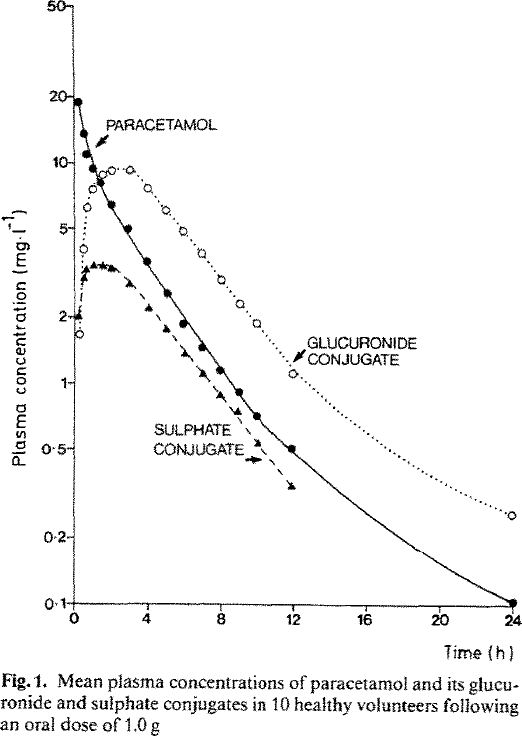
Figure 1
study | time paracetamol [h] | paracetamol plasma concentration [mg/l] | time sulphate [h] | sulphate plasma concentration [mg/l] | time glucuronide [h] | glucuronide plasma concentration [mg/l]
study | time_paracetamol | paracetamol_concentration | time_sulphate | sulphate_concentration | time_glucuronide | glucuronide_concentration
Prescott1989 | 0.0 | 18.2562 | 0.1 | 1.93438 | 0.2 | 1.6382
Prescott1989 | 0.3 | 13.0986 | 0.4 | 2.81367 | 0.3 | 3.9230
Prescott1989 | 0.5 | 10.8669 | 0.4 | 3.22068 | 0.5 | 6.0095
Prescott1989 | 0.7 | 9.3018 | 0.9 | 3.29080 | 0.8 | 7.2491
Prescott1989 | 1.3 | 7.9666 | 1.4 | 3.29360 | 1.2 | 8.5670
Prescott1989 | 1.8 | 6.4106 | 2.0 | 3.22919 | 2.0 | 9.1302
Prescott1989 | 2.7 | 5.0030 | 2.9 | 2.79641 | 2.9 | 8.8650
Prescott1989 | 3.8 | 3.5204 | 3.9 | 2.13811 | 3.8 | 7.5183
Prescott1989 | 5.0 | 2.5294 | 4.8 | 1.72148 | 4.9 | 5.9929
Prescott1989 | 5.8 | 1.7978 | 6.0 | 1.33022 | 5.7 | 4.7250
Prescott1989 | 6.8 | 1.4328 | 6.9 | 1.07112 | 6.8 | 3.8860
Prescott1989 | 7.9 | 1.1661 | 7.8 | 0.87149 | 7.9 | 2.8505
Prescott1989 | 8.9 | 0.8914 | 8.9 | 0.74703 | 8.9 | 2.2715
Prescott1989 | 9.9 | 0.7104 | 9.9 | 0.51475 | 9.9 | 1.8485
Prescott1989 | 11.8 | 0.5111 | 11.8 | 0.34795 | 11.9 | 1.1030
Prescott1989 | 23.9 | 0.1032 |  |  | 23.8 | 0.2548

Figure 2
Prescott1989

species | human
method | oral dose 1g
n | 7
subjects | patients with moderate renal failure

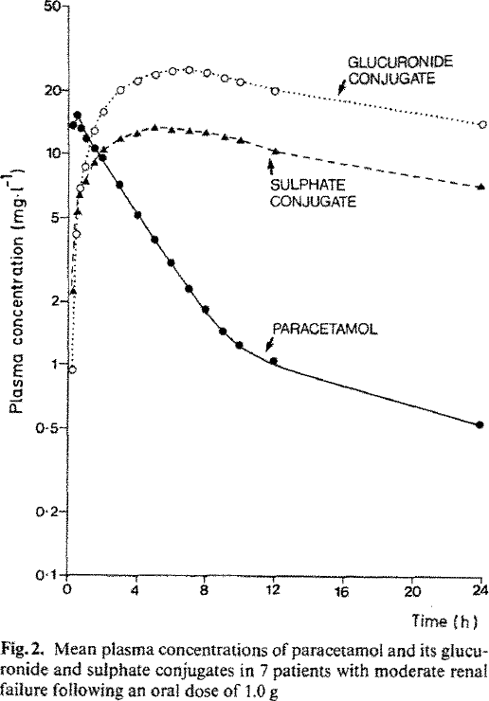
 | paracetamol_concentration |  | sulphate_concentration |  | glucuronide_concentration
0.3 | 13.6202 | 0.4 | 2.1464 | 0.4 | 0.9496
0.6 | 15.2617 | 0.5 | 5.2156 | 0.7 | 4.0716
0.7 | 13.0736 | 0.8 | 6.3473 | 0.6 | 5.0568
1.1 | 11.7952 | 1.0 | 7.2606 | 0.7 | 6.8226
1.6 | 10.6428 | 1.6 | 8.9302 | 1.0 | 8.5646
2.1 | 9.4073 | 2.2 | 10.5390 | 1.6 | 12.6845
3.0 | 7.2726 | 3.0 | 11.4544 | 2.1 | 15.4404
4.1 | 5.0200 | 4.0 | 12.0720 | 3.1 | 19.5939
5.1 | 3.7246 | 5.0 | 12.8542 | 4.0 | 21.5198
6.0 | 3.0635 | 6.0 | 12.7324 | 5.1 | 23.1532
7.0 | 2.3203 | 7.0 | 12.7438 | 6.1 | 24.6535
7.9 | 1.8504 | 8.1 | 12.3669 | 7.2 | 25.1915
9.0 | 1.4161 | 9.1 | 11.7547 | 8.2 | 24.1942
9.9 | 1.2651 | 10.1 | 11.2893 | 9.1 | 22.9955
12.1 | 1.0525 | 12.1 | 10.1989 | 9.8 | 21.6276
24.0 | 0.5216 | 24.0 | 7.1055 | 11.9 | 19.7441
 |  |  |  | 24.0 | 14.3383
Figure 2
study | time paracetamol [h] | paracetamol plasma concentration [mg/l] | time sulphate [h] | sulphate plasma concentration [mg/l] | time glucuronide [h] | glucuronide plasma concentration [mg/l]
study | time_paracetamol | paracetamol_concentration | time_sulphate | sulphate_concentration | time_glucuronide | glucuronide_concentration
Prescott1989 | 0.3 | 13.6202 | 0.4 | 2.1464 | 0.4 | 0.9496
Prescott1989 | 0.6 | 15.2617 | 0.5 | 5.2156 | 0.7 | 4.0716
Prescott1989 | 0.7 | 13.0736 | 0.8 | 6.3473 | 0.6 | 5.0568
Prescott1989 | 1.1 | 11.7952 | 1.0 | 7.2606 | 0.7 | 6.8226
Prescott1989 | 1.6 | 10.6428 | 1.6 | 8.9302 | 1.0 | 8.5646
Prescott1989 | 2.1 | 9.4073 | 2.2 | 10.5390 | 1.6 | 12.6845
Prescott1989 | 3.0 | 7.2726 | 3.0 | 11.4544 | 2.1 | 15.4404
Prescott1989 | 4.1 | 5.0200 | 4.0 | 12.0720 | 3.1 | 19.5939
Prescott1989 | 5.1 | 3.7246 | 5.0 | 12.8542 | 4.0 | 21.5198
Prescott1989 | 6.0 | 3.0635 | 6.0 | 12.7324 | 5.1 | 23.1532
Prescott1989 | 7.0 | 2.3203 | 7.0 | 12.7438 | 6.1 | 24.6535
Prescott1989 | 7.9 | 1.8504 | 8.1 | 12.3669 | 7.2 | 25.1915
Prescott1989 | 9.0 | 1.4161 | 9.1 | 11.7547 | 8.2 | 24.1942
Prescott1989 | 9.9 | 1.2651 | 10.1 | 11.2893 | 9.1 | 22.9955
Prescott1989 | 12.1 | 1.0525 | 12.1 | 10.1989 | 9.8 | 21.6276
Prescott1989 | 24.0 | 0.5216 | 24.0 | 7.1055 | 11.9 | 19.7441
 |  |  |  |  | 24.0 | 14.3383

Figure 3
Prescott1989

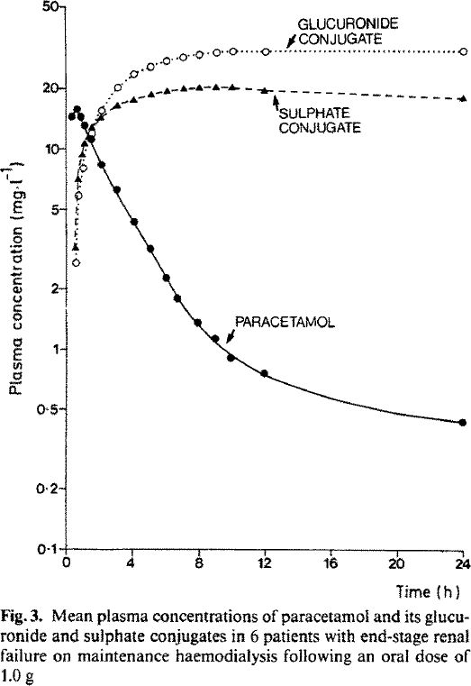
species | human
method | oral dose 1g
n | 6
subjects | patients with end stage renal failure

Figure 3
study | time paracetamol [h] | paracetamol plasma concentration [mg/l] | time sulphate [h] | sulphate plasma concentration [mg/l] | time glucuronide [h] | glucuronide plasma concentration [mg/l]
study | time_paracetamol | paracetamol_concentration | time_sulphate | sulphate_concentration | time_glucuronide | glucuronide_concentration
Prescott1989 | 0.00 | 13.85 | 0.36 | 3.08 | 0.41 | 2.61
Prescott1989 | 0.41 | 15.69 | 0.40 | 7.00 | 0.48 | 5.77
Prescott1989 | 0.58 | 13.72 | 0.79 | 9.16 | 0.76 | 7.98
Prescott1989 | 0.70 | 12.50 | 0.85 | 10.24 | 1.21 | 11.84
Prescott1989 | 1.25 | 10.94 | 1.28 | 12.52 | 1.82 | 14.99
Prescott1989 | 2.03 | 8.28 | 1.97 | 13.99 | 2.76 | 19.79
Prescott1989 | 2.87 | 6.08 | 2.91 | 16.20 | 3.81 | 23.24
Prescott1989 | 3.93 | 4.42 | 3.79 | 17.27 | 4.87 | 25.12
Prescott1989 | 4.89 | 3.19 | 4.95 | 18.04 | 5.81 | 27.15
 | paracetamol_concentration |  | sulphate_concentration |  | glucuronide_concentration
0.00 | 13.85 | 0.36 | 3.08 | 0.41 | 2.61
0.41 | 15.69 | 0.40 | 7.00 | 0.48 | 5.77
0.58 | 13.72 | 0.79 | 9.16 | 0.76 | 7.98
0.70 | 12.50 | 0.85 | 10.24 | 1.21 | 11.84
1.25 | 10.94 | 1.28 | 12.52 | 1.82 | 14.99
2.03 | 8.28 | 1.97 | 13.99 | 2.76 | 19.79
2.87 | 6.08 | 2.91 | 16.20 | 3.81 | 23.24
3.93 | 4.42 | 3.79 | 17.27 | 4.87 | 25.12
4.89 | 3.19 | 4.95 | 18.04 | 5.81 | 27.15
5.90 | 2.23 | 5.68 | 19.08 | 6.72 | 28.54
6.64 | 1.75 | 6.89 | 19.39 | 7.85 | 29.60
7.89 | 1.33 | 7.80 | 19.69 | 8.87 | 30.48
8.81 | 1.12 | 8.75 | 20.00 | 9.86 | 30.96
9.74 | 0.90 | 9.81 | 19.90 | 12.09 | 30.65
11.87 | 0.76 | 11.82 | 19.29 | 24.00 | 31.72
24.13 | 0.44 | 23.73 | 18.25
Prescott1989 | 5.90 | 2.23 | 5.68 | 19.08 | 6.72 | 28.54
Prescott1989 | 6.64 | 1.75 | 6.89 | 19.39 | 7.85 | 29.60
Prescott1989 | 7.89 | 1.33 | 7.80 | 19.69 | 8.87 | 30.48
Prescott1989 | 8.81 | 1.12 | 8.75 | 20.00 | 9.86 | 30.96
Prescott1989 | 9.74 | 0.90 | 9.81 | 19.90 | 12.09 | 30.65
Prescott1989 | 11.87 | 0.76 | 11.82 | 19.29 | 24.00 | 31.72
Prescott1989 | 24.13 | 0.44 | 23.73 | 18.25

