Fig1
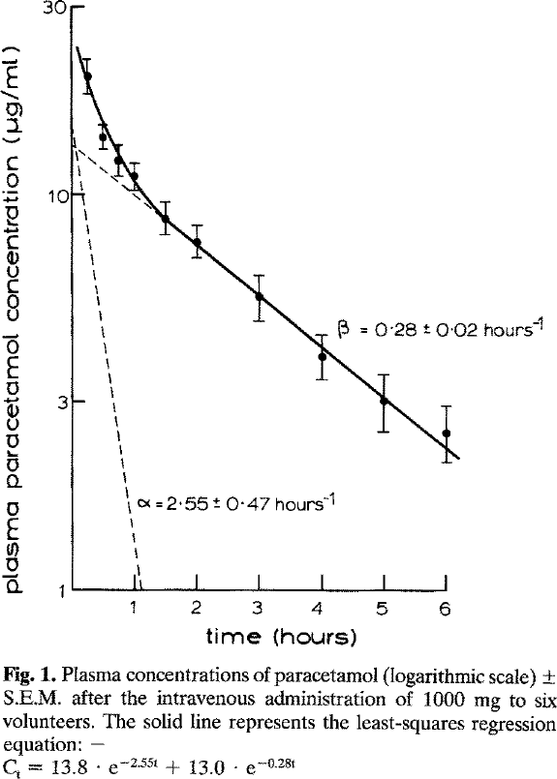
study | subjects | Application route [-] {values=iv,oral} | Paracetamol dose [mg] {values=1000} | time [h] {type=double} | Paracetamol plasma concentration [μg/ml] {type=double} | Paracetamol plasma concentration SE [μg/ml] {type=double} | Paracetamol plasma concentration SE [μg/ml] {type=double}
study | n | route | dose | time | apap | apap_se | apap_sd
Rawlins1977 | 6 | iv | 1000 | 0.25 | 19.8610 | 2.0153 | 4.9364297342
Rawlins1977 | 6 | iv | 1000 | 0.50 | 13.8346 | 1.2752 | 3.1236652542
Rawlins1977 | 6 | iv | 1000 | 0.75 | 12.0803 | 1.3202 | 3.2338188079
Rawlins1977 | 6 | iv | 1000 | 1.00 | 11.2248 | 0.9376 | 2.2965411538
Rawlins1977 | 6 | iv | 1000 | 1.50 | 8.7049 | 0.9431 | 2.3100035494
Rawlins1977 | 6 | iv | 1000 | 2.00 | 7.6011 | 0.7683 | 1.8818376413
Rawlins1977 | 6 | iv | 1000 | 3.00 | 5.5395 | 0.7803 | 1.911295205
Rawlins1977 | 6 | iv | 1000 | 4.00 | 3.8369 | 0.5205 | 1.2749545121
Rawlins1977 | 6 | iv | 1000 | 5.00 | 2.9924 | 0.5285 | 1.2946317531
Rawlins1977 | 6 | iv | 1000 | 6.00 | 2.5116 | 0.4232 | 1.0365748244

Fig2
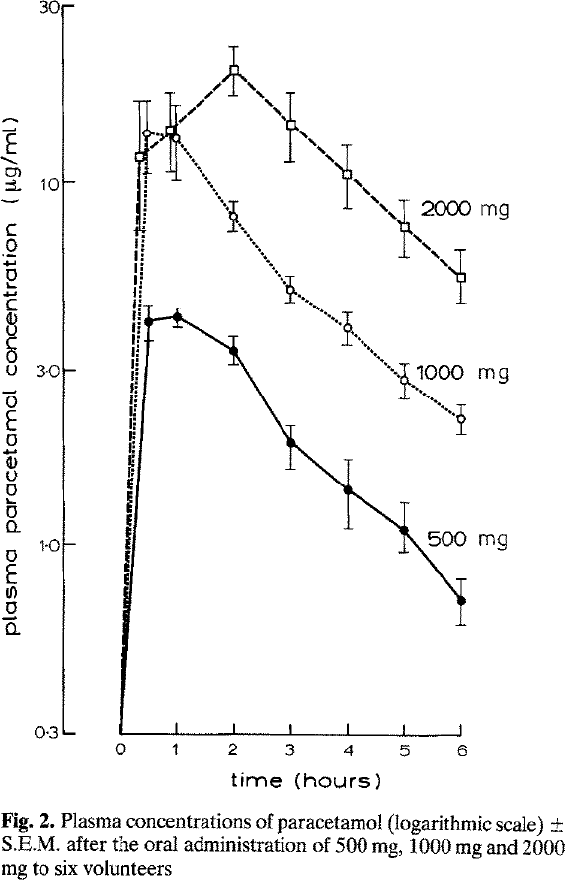
study | subjects | Application route [-] {values=iv,oral} | paracetamol dose [mg] {values=500, 1000, 2000} | time [h] {type=double} | Plasma paracetamol [μg/ml] {type=double} | Plasma paracetamol SE [μg/ml] {type=double} | Plasma paracetamol SD [μg/ml] {type=double}
study | n | route | dose | time | apap | apap_se | apap_sd
Rawlins1977 | 6 | oral | 500 | 0.0 | 0.3079 | NA | NA
Rawlins1977 | 6 | oral | 500 | 0.5 | 4.0211 | 0.5081 | 1.2446021499
Rawlins1977 | 6 | oral | 500 | 1.0 | 4.1514 | 0.3805 | 0.9320626905
Rawlins1977 | 6 | oral | 500 | 2.0 | 3.3376 | 0.3747 | 0.91787304136
Rawlins1977 | 6 | oral | 500 | 3.0 | 1.9370 | 0.1775 | 0.43488485842
Rawlins1977 | 6 | oral | 500 | 4.0 | 1.4175 | 0.3038 | 0.74427647855
Rawlins1977 | 6 | oral | 500 | 5.0 | 1.0771 | 0.2145 | 0.52552969605
Rawlins1977 | 6 | oral | 500 | 6.0 | 0.7265 | 0.0716 | 0.17543453744
Rawlins1977 | 6 | oral | 1000 | 0.0 | 0.3060 | NA | NA
Rawlins1977 | 6 | oral | 1000 | 0.5 | 13.3900 | 3.0753 | 7.5328251749
Rawlins1977 | 6 | oral | 1000 | 1.0 | 12.9026 | 3.2644 | 7.9960065388
Rawlins1977 | 6 | oral | 1000 | 2.0 | 8.0231 | 0.7356 | 1.8017270793
Rawlins1977 | 6 | oral | 1000 | 3.0 | 4.9887 | 0.4574 | 1.1203074469
Rawlins1977 | 6 | oral | 1000 | 4.0 | 3.9359 | 0.4149 | 1.016405236
Rawlins1977 | 6 | oral | 1000 | 5.0 | 2.8267 | 0.2980 | 0.72997513269
Rawlins1977 | 6 | oral | 1000 | 6.0 | 2.2162 | 0.1881 | 0.46078723266
Rawlins1977 | 6 | oral | 2000 | 0.0 | 0.3079 | NA | NA
Rawlins1977 | 6 | oral | 2000 | 0.5 | 11.6637 | 5.0566 | 12.386141273
Rawlins1977 | 6 | oral | 2000 | 1.0 | 13.5650 | 3.5226 | 8.6284745883
Rawlins1977 | 6 | oral | 2000 | 2.0 | 20.1530 | 3.0131 | 7.3805183521
Rawlins1977 | 6 | oral | 2000 | 3.0 | 14.2935 | 2.9705 | 7.2761700891
Rawlins1977 | 6 | oral | 2000 | 4.0 | 10.4603 | 2.0152 | 4.936238674
Rawlins1977 | 6 | oral | 2000 | 5.0 | 7.5125 | 1.3266 | 3.2494808453
Rawlins1977 | 6 | oral | 2000 | 6.0 | 5.4633 | 1.0794 | 2.6439373421

