Figure 1
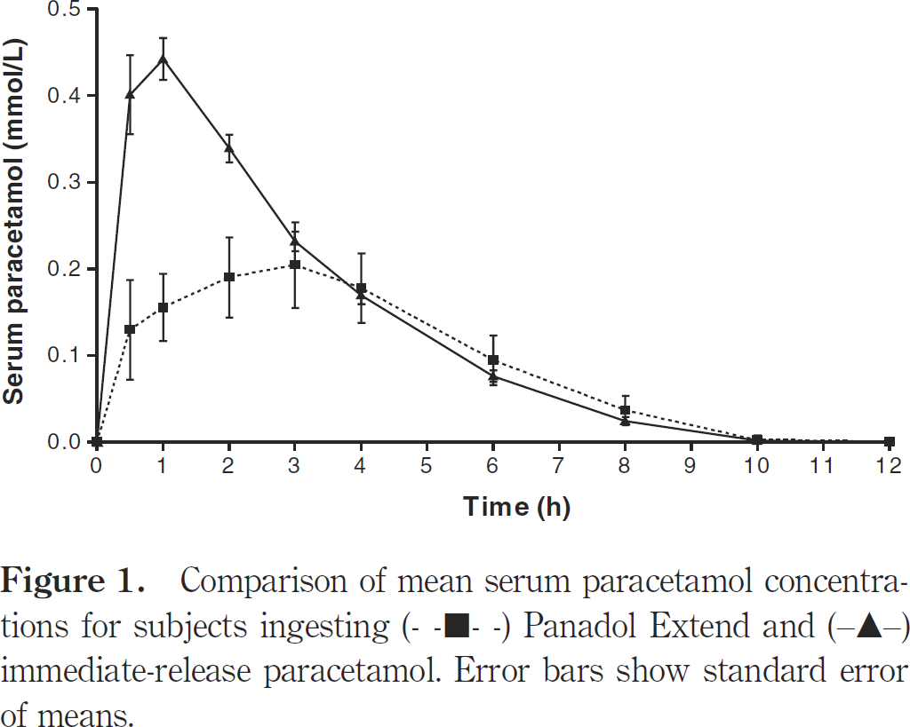
Tan 2006 - Comparative pharmacokinetics of Panadol Extend and immediate-release paracetamol in a simulated overdose model

species | human
method | Cross-over study using a dose of 90 mg/kg ideal body weight of Panadol Extend or APAPIR
n | 7
subjects | healthy

study | time Panadol extend [h] | Panadol Extend serum paracetamol [mmol/l] | Panadol Extend serum paracetamol SE [mmol/l] | time immediate-release paracetamol [h] | immediate-release paracetamol serum paracetamol [mmol/l] | immediate-release paracetamol serum paracetamol SE [mmol/l]
study | time_panadol_extend | panadol_extend_serum_paracetamol | panadol_extend_serum_paracetamol_SE | time_immediate-release_paracetamol | immediate-release_paracetamol_serum_paracetamol | immediate-release_paracetamol_serum_paracetamol_SE
Tan2006 | 0.1 | 0.0031 |  | 0.0 | 0.0020
Tan2006 | 0.5 | 0.1291 | 0.0553 | 0.5 | 0.3995 | 0.0471
Tan2006 | 1.0 | 0.1557 | 0.0379 | 1.0 | 0.4425 | 0.0246
Tan2006 | 2.0 | 0.1904 | 0.0471 | 2.0 | 0.3369 | 0.0174
Tan2006 | 3.0 | 0.2057 | 0.0482 | 3.0 | 0.2293 | 0.0143
Tan2006 | 4.0 | 0.1790 | 0.0389 | 4.0 | 0.1677 | 0.0133
Tan2006 | 6.0 | 0.0948 | 0.0287 | 6.0 | 0.0753 | 0.0072
Tan2006 | 8.0 | 0.0362 | 0.0164 | 7.9 | 0.0229 | 0.0061
Tan2006 | 10.0 | 0.0043 |  | 9.9 | 0.0002
Tan2006 | 11.9 | 0.0021 |  | 11.9 | 0.0021

