Tab3
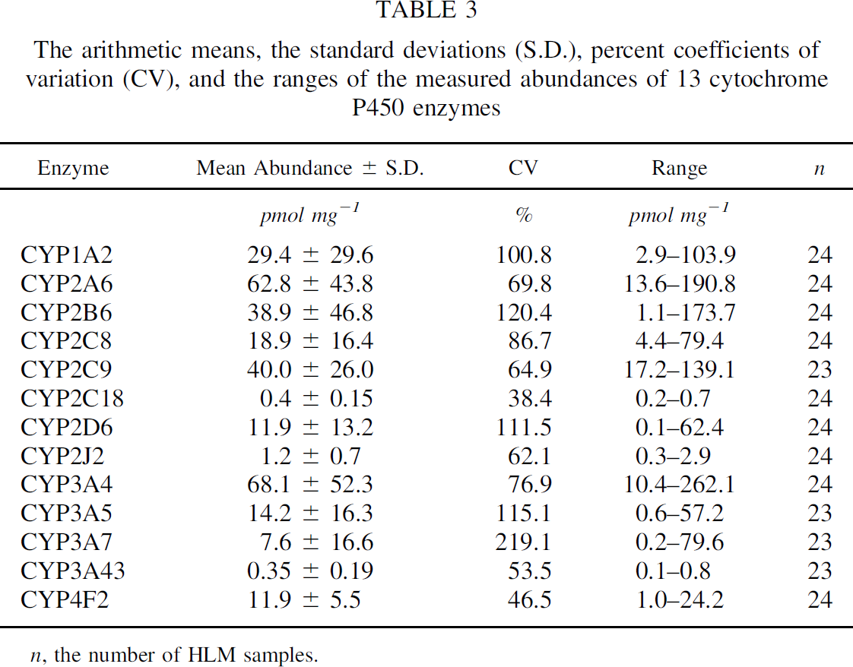
study | enzyme | enzyme abundance (arithmetic mean) [pmol/mg] | enzyme abundance SD [pmol/mg] | enzyme abundance CV [%] | enzyme abundance range bottom [pmol/mg] | enzyme abundance range top [pmol/mg] | n
study | enzyme | abundance | abundance_sd | abundance_cv | abundance_min | abundance_max | n_livers
Archour2014b | CYP1A2 | 29.4 | 29.6 | 100.8 | 2.9 | 103.9 | 24
Archour2014b | CYP2A6 | 62.8 | 43.8 | 69.8 | 13.6 | 190.8 | 24
Archour2014b | CYP2B6 | 38.9 | 46.8 | 120.4 | 1.1 | 173.7 | 24
Archour2014b | CYP2C8 | 18.9 | 16.4 | 86.7 | 4.4 | 79.4 | 24
Archour2014b | CYP2C9 | 40 | 26 | 64.9 | 17.2 | 139.1 | 23
Archour2014b | CYP2C18 | 0.4 | 0.15 | 38.4 | 0.2 | 0.7 | 24
Archour2014b | CYP2D6 | 11.9 | 13.2 | 11.5 | 0.1 | 62.4 | 24
Archour2014b | CYP2J2 | 1.2 | 0.7 | 62.1 | 0.3 | 2.9 | 24
Archour2014b | CYP3A4 | 68.1 | 52.3 | 76.9 | 10.4 | 262.1 | 24
Archour2014b | CYP3A5 | 14.2 | 16.3 | 115.1 | 0.6 | 57.2 | 23
Archour2014b | CYP3A7 | 7.6 | 16.6 | 219.1 | 0.2 | 79.6 | 23
Archour2014b | CYP3A43 | 0.35 | 0.19 | 53.5 | 0.1 | 0.8 | 23
Archour2014b | CYP4F2 | 11.9 | 5.5 | 46.5 | 1 | 24.2 | 24
Archour2014b | UGT1A1 | 33.6 | 34 | 101.3 | 8.9 | 137.9 | 24
Archour2014b | UGT1A3 | 123.1 | 122.3 | 99.4 | 27 | 487.7 | 23
Archour2014b | UGT1A4 | 58 | 24.8 | 42.9 | 14.4 | 105.6 | 23
Archour2014b | UGT1A6 | 107.1 | 80.3 | 75 | 31.5 | 285.4 | 23
Archour2014b | UGT1A9 | 40 | 23.7 | 59.2 | 13.4 | 122.6 | 24
Archour2014b | UGT2B4 | 70.8 | 32.3 | 45.7 | 22.8 | 135.8 | 24
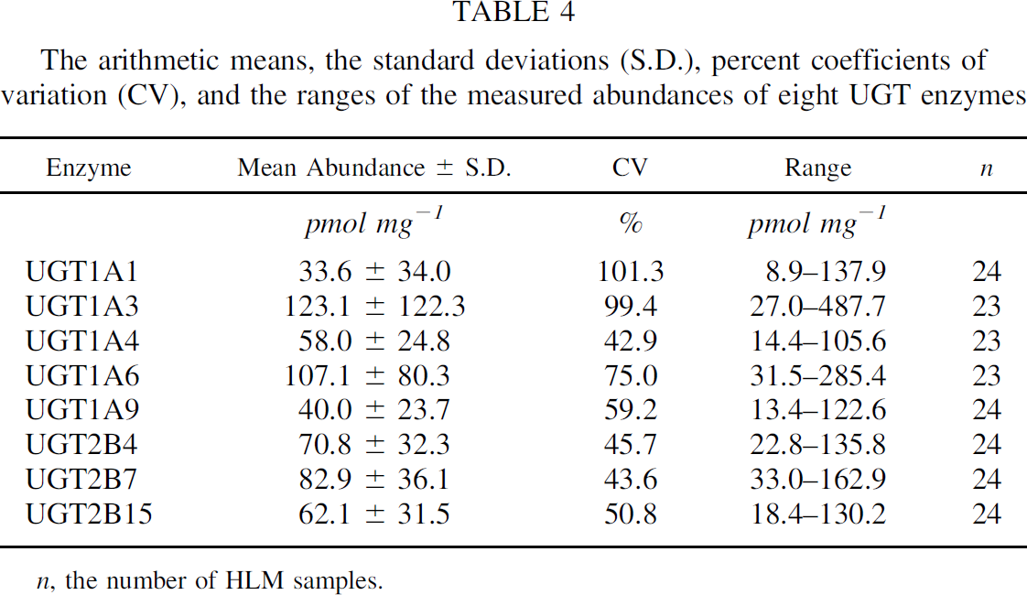
Archour2014b | UGT2B7 | 82.9 | 36.1 | 43.6 | 33 | 162.9 | 24
Archour2014b | UGT2B15 | 62.1 | 31.5 | 50.8 | 18.4 | 130.2 | 24

Fig2
study | enzyme | abundance [pmol/mg]
study | enzyme | abundance
Archour2014b | CYP1A2 | 6.736
Archour2014b | CYP1A2 | 3.208
Archour2014b | CYP1A2 | 5.995
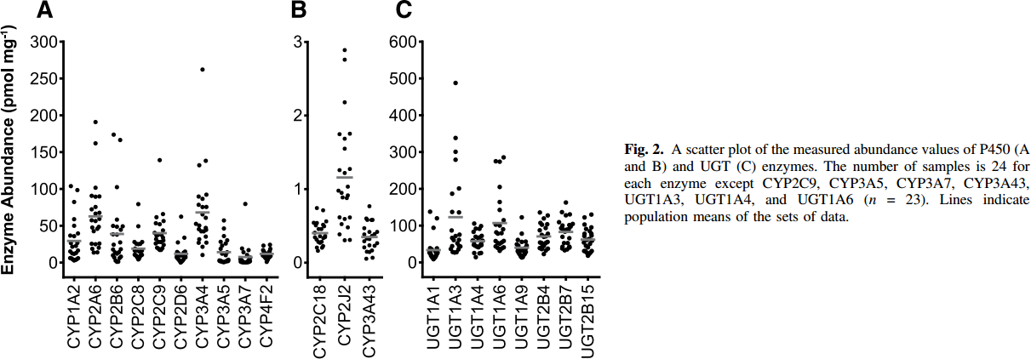
Archour2014b | CYP1A2 | 15.887
Archour2014b | CYP1A2 | 11.257
Archour2014b | CYP1A2 | 14.010
Archour2014b | CYP1A2 | 26.622
Archour2014b | CYP1A2 | 19.794
Archour2014b | CYP1A2 | 20.998
Archour2014b | CYP1A2 | 27.901
Archour2014b | CYP1A2 | 39.377
Archour2014b | CYP1A2 | 35.294
Archour2014b | CYP1A2 | 39.217
Archour2014b | CYP1A2 | 46.735
Archour2014b | CYP1A2 | 58.185
Archour2014b | CYP1A2 | 81.675
Archour2014b | CYP1A2 | 97.048
Archour2014b | CYP1A2 | 103.489
Archour2014b | CYP2A6 | 13.716
Archour2014b | CYP2A6 | 12.495
Archour2014b | CYP2A6 | 19.888
Archour2014b | CYP2A6 | 18.902
Archour2014b | CYP2A6 | 27.490
Archour2014b | CYP2A6 | 25.124
Archour2014b | CYP2A6 | 25.613
Archour2014b | CYP2A6 | 48.521
Archour2014b | CYP2A6 | 46.298
Archour2014b | CYP2A6 | 41.188
Archour2014b | CYP2A6 | 48.117
Archour2014b | CYP2A6 | 57.849
Archour2014b | CYP2A6 | 56.595
Archour2014b | CYP2A6 | 57.681
Archour2014b | CYP2A6 | 67.986
Archour2014b | CYP2A6 | 64.627
Archour2014b | CYP2A6 | 73.298
Archour2014b | CYP2A6 | 73.223
Archour2014b | CYP2A6 | 88.167
Archour2014b | CYP2A6 | 88.108
Archour2014b | CYP2A6 | 88.007
Archour2014b | CYP2A6 | 100.130
Archour2014b | CYP2A6 | 159.671
Archour2014b | CYP2A6 | 187.707
Archour2014b | CYP2B6 | 0.000
Archour2014b | CYP2B6 | 2.991
Archour2014b | CYP2B6 | 6.898
Archour2014b | CYP2B6 | 8.202
Archour2014b | CYP2B6 | 16.773
Archour2014b | CYP2B6 | 12.151
Archour2014b | CYP2B6 | 16.058
Archour2014b | CYP2B6 | 23.635
Archour2014b | CYP2B6 | 26.346
Archour2014b | CYP2B6 | 36.710
Archour2014b | CYP2B6 | 37.998
Archour2014b | CYP2B6 | 42.376
Archour2014b | CYP2B6 | 49.196
Archour2014b | CYP2B6 | 48.202
Archour2014b | CYP2B6 | 48.842
Archour2014b | CYP2B6 | 56.183
Archour2014b | CYP2B6 | 102.548
Archour2014b | CYP2B6 | 162.610
Archour2014b | CYP2B6 | 169.615
Archour2014b | CYP2C8 | 8.910
Archour2014b | CYP2C8 | 4.844
Archour2014b | CYP2C8 | 8.220
Archour2014b | CYP2C8 | 14.509
Archour2014b | CYP2C8 | 16.328
Archour2014b | CYP2C8 | 27.795
Archour2014b | CYP2C8 | 23.728
Archour2014b | CYP2C8 | 25.926
Archour2014b | CYP2C8 | 49.474
Archour2014b | CYP2C8 | 77.544
Archour2014b | CYP2C8 | 17.625
Archour2014b | CYP2C8 | 17.558
Archour2014b | CYP2C11 | 24.352
Archour2014b | CYP2C11 | 27.863
Archour2014b | CYP2C11 | 26.221
Archour2014b | CYP2C11 | 30.818
Archour2014b | CYP2C11 | 30.650
Archour2014b | CYP2C11 | 34.716
Archour2014b | CYP2C11 | 35.364
Archour2014b | CYP2C11 | 39.978
Archour2014b | CYP2C11 | 40.416
Archour2014b | CYP2C11 | 52.489
Archour2014b | CYP2C11 | 52.017
Archour2014b | CYP2C11 | 54.106
Archour2014b | CYP2C11 | 63.872
Archour2014b | CYP2C11 | 61.691
Archour2014b | CYP2C11 | 136.075
Archour2014b | CYP2D6 | 0.000
Archour2014b | CYP2D6 | 3.339
Archour2014b | CYP2D6 | 3.482
Archour2014b | CYP2D6 | 13.787
Archour2014b | CYP2D6 | 13.072
Archour2014b | CYP2D6 | 26.365
Archour2014b | CYP2D6 | 33.690
Archour2014b | CYP2D6 | 58.375
Archour2014b | CYP3A4 | 5.840
Archour2014b | CYP3A4 | 19.690
Archour2014b | CYP3A4 | 17.307
Archour2014b | CYP3A4 | 22.931
Archour2014b | CYP3A4 | 29.944
Archour2014b | CYP3A4 | 30.407
Archour2014b | CYP3A4 | 44.122
Archour2014b | CYP3A4 | 40.738
Archour2014b | CYP3A4 | 42.548
Archour2014b | CYP3A4 | 48.273
Archour2014b | CYP3A4 | 49.477
Archour2014b | CYP3A4 | 57.879
Archour2014b | CYP3A4 | 63.671
Archour2014b | CYP3A4 | 73.901
Archour2014b | CYP3A4 | 72.806
Archour2014b | CYP3A4 | 76.906
Archour2014b | CYP3A4 | 84.854
Archour2014b | CYP3A4 | 86.622
Archour2014b | CYP3A4 | 89.342
Archour2014b | CYP3A4 | 130.722
Archour2014b | CYP3A4 | 135.159
Archour2014b | CYP3A4 | 258.323
Archour2014b | CYP3A5 | 0.933
Archour2014b | CYP3A5 | 0.000
Archour2014b | CYP3A5 | 0.000
Archour2014b | CYP3A5 | 5.934
Archour2014b | CYP3A5 | 11.061
Archour2014b | CYP3A5 | 10.051
Archour2014b | CYP3A5 | 15.776
Archour2014b | CYP3A5 | 19.194
Archour2014b | CYP3A5 | 21.383
Archour2014b | CYP3A5 | 27.672
Archour2014b | CYP3A5 | 24.372
Archour2014b | CYP3A5 | 31.764
Archour2014b | CYP3A5 | 42.624
Archour2014b | CYP3A5 | 54.647
Archour2014b | CYP3A7 | 15.389
Archour2014b | CYP3A7 | 0.000
Archour2014b | CYP3A7 | 0.000
Archour2014b | CYP3A7 | 0.000
Archour2014b | CYP3A7 | 0.000
Archour2014b | CYP3A7 | 0.000
Archour2014b | CYP3A7 | 2.045
Archour2014b | CYP3A7 | 8.376
Archour2014b | CYP3A7 | 9.622
Archour2014b | CYP3A7 | 14.665
Archour2014b | CYP3A7 | 75.410
Archour2014b | CYP4F2 | 0.000
Archour2014b | CYP4F2 | 2.821
Archour2014b | CYP4F2 | 3.890
Archour2014b | CYP4F2 | 0.000
Archour2014b | CYP4F2 | 6.356
Archour2014b | CYP4F2 | 10.246
Archour2014b | CYP4F2 | 15.382
Archour2014b | CYP4F2 | 21.115
Archour2014b | CYP4F2 | 12.081
Archour2014b | CYP4F2 | 19.524
Archour2014b | CYP2C18 | 0.218
Archour2014b | CYP2C18 | 0.148
Archour2014b | CYP2C18 | 0.199
Archour2014b | CYP2C18 | 0.239
Archour2014b | CYP2C18 | 0.459
Archour2014b | CYP2C18 | 0.270
Archour2014b | CYP2C18 | 0.356
Archour2014b | CYP2C18 | 0.339
Archour2014b | CYP2C18 | 0.303
Archour2014b | CYP2C18 | 0.366
Archour2014b | CYP2C18 | 0.414
Archour2014b | CYP2C18 | 0.454
Archour2014b | CYP2C18 | 0.523
Archour2014b | CYP2C18 | 0.494
Archour2014b | CYP2C18 | 0.539
Archour2014b | CYP2C18 | 0.490
Archour2014b | CYP2C18 | 0.547
Archour2014b | CYP2C18 | 0.531
Archour2014b | CYP2C18 | 0.749
Archour2014b | CYP2C18 | 0.725
Archour2014b | CYP2J2 | 0.292
Archour2014b | CYP2J2 | 0.293
Archour2014b | CYP2J2 | 0.387
Archour2014b | CYP2J2 | 0.471
Archour2014b | CYP2J2 | 0.513
Archour2014b | CYP2J2 | 0.588
Archour2014b | CYP2J2 | 0.601
Archour2014b | CYP2J2 | 0.598
Archour2014b | CYP2J2 | 0.847
Archour2014b | CYP2J2 | 0.883
Archour2014b | CYP2J2 | 0.899
Archour2014b | CYP2J2 | 0.918
Archour2014b | CYP2J2 | 0.976
Archour2014b | CYP2J2 | 1.021
Archour2014b | CYP2J2 | 1.241
Archour2014b | CYP2J2 | 1.259
Archour2014b | CYP2J2 | 1.269
Archour2014b | CYP2J2 | 1.547
Archour2014b | CYP2J2 | 1.692
Archour2014b | CYP2J2 | 1.745
Archour2014b | CYP2J2 | 1.743
Archour2014b | CYP2J2 | 2.177
Archour2014b | CYP2J2 | 2.738
Archour2014b | CYP2J2 | 2.877
Archour2014b | CYP3A43 | 0.029
Archour2014b | CYP3A43 | 0.045
Archour2014b | CYP3A43 | 0.115
Archour2014b | CYP3A43 | 0.144
Archour2014b | CYP3A43 | 0.131
Archour2014b | CYP3A43 | 0.191
Archour2014b | CYP3A43 | 0.230
Archour2014b | CYP3A43 | 0.212
Archour2014b | CYP3A43 | 0.240
Archour2014b | CYP3A43 | 0.283
Archour2014b | CYP3A43 | 0.312
Archour2014b | CYP3A43 | 0.306
Archour2014b | CYP3A43 | 0.364
Archour2014b | CYP3A43 | 0.340
Archour2014b | CYP3A43 | 0.362
Archour2014b | CYP3A43 | 0.419
Archour2014b | CYP3A43 | 0.415
Archour2014b | CYP3A43 | 0.468
Archour2014b | CYP3A43 | 0.578
Archour2014b | CYP3A43 | 0.560
Archour2014b | CYP3A43 | 0.559
Archour2014b | CYP3A43 | 0.779
Archour2014b | UGT1A1 | 22.728
Archour2014b | UGT1A1 | 5.336
Archour2014b | UGT1A1 | 15.582
Archour2014b | UGT1A1 | 35.143
Archour2014b | UGT1A1 | 38.834
Archour2014b | UGT1A1 | 95.163
Archour2014b | UGT1A1 | 122.667
Archour2014b | UGT1A1 | 141.414
Archour2014b | UGT1A3 | 26.389
Archour2014b | UGT1A3 | 26.186
Archour2014b | UGT1A3 | 37.685
Archour2014b | UGT1A3 | 44.544
Archour2014b | UGT1A3 | 56.162
Archour2014b | UGT1A3 | 34.636
Archour2014b | UGT1A3 | 47.219
Archour2014b | UGT1A3 | 60.921
Archour2014b | UGT1A3 | 64.477
Archour2014b | UGT1A3 | 77.027
Archour2014b | UGT1A3 | 77.975
Archour2014b | UGT1A3 | 92.150
Archour2014b | UGT1A3 | 135.878
Archour2014b | UGT1A3 | 134.490
Archour2014b | UGT1A3 | 184.263
Archour2014b | UGT1A3 | 204.706
Archour2014b | UGT1A3 | 277.444
Archour2014b | UGT1A3 | 305.050
Archour2014b | UGT1A3 | 340.733
Archour2014b | UGT1A3 | 492.749
Archour2014b | UGT1A4 | 12.859
Archour2014b | UGT1A4 | 26.780
Archour2014b | UGT1A4 | 24.240
Archour2014b | UGT1A4 | 39.143
Archour2014b | UGT1A4 | 46.273
Archour2014b | UGT1A4 | 54.402
Archour2014b | UGT1A4 | 48.323
Archour2014b | UGT1A4 | 64.429
Archour2014b | UGT1A4 | 62.463
Archour2014b | UGT1A4 | 69.306
Archour2014b | UGT1A4 | 62.227
Archour2014b | UGT1A4 | 74.810
Archour2014b | UGT1A4 | 83.193
Archour2014b | UGT1A4 | 96.928
Archour2014b | UGT1A4 | 87.563
Archour2014b | UGT1A4 | 99.028
Archour2014b | UGT1A4 | 102.754
Archour2014b | UGT1A6 | 28.018
Archour2014b | UGT1A6 | 35.928
Archour2014b | UGT1A6 | 39.670
Archour2014b | UGT1A6 | 46.613
Archour2014b | UGT1A6 | 65.039
Archour2014b | UGT1A6 | 51.085
Archour2014b | UGT1A6 | 55.539
Archour2014b | UGT1A6 | 76.285
Archour2014b | UGT1A6 | 76.471
Archour2014b | UGT1A6 | 83.482
Archour2014b | UGT1A6 | 86.650
Archour2014b | UGT1A6 | 100.537
Archour2014b | UGT1A6 | 100.757
Archour2014b | UGT1A6 | 116.559
Archour2014b | UGT1A6 | 143.198
Archour2014b | UGT1A6 | 165.096
Archour2014b | UGT1A6 | 205.386
Archour2014b | UGT1A6 | 274.653
Archour2014b | UGT1A6 | 273.333
Archour2014b | UGT1A6 | 281.242
Archour2014b | UGT1A9 | 9.899
Archour2014b | UGT1A9 | 16.623
Archour2014b | UGT1A9 | 19.196
Archour2014b | UGT1A9 | 30.814
Archour2014b | UGT1A9 | 25.836
Archour2014b | UGT1A9 | 30.544
Archour2014b | UGT1A9 | 40.790
Archour2014b | UGT1A9 | 44.617
Archour2014b | UGT1A9 | 58.402
Archour2014b | UGT1A9 | 50.172
Archour2014b | UGT1A9 | 55.795
Archour2014b | UGT1A9 | 70.918
Archour2014b | UGT1A9 | 120.422
Archour2014b | UGT2B4 | 17.081
Archour2014b | UGT2B4 | 48.142
Archour2014b | UGT2B4 | 31.900
Archour2014b | UGT2B4 | 30.985
Archour2014b | UGT2B4 | 37.946
Archour2014b | UGT2B4 | 49.462
Archour2014b | UGT2B4 | 50.327
Archour2014b | UGT2B4 | 65.433
Archour2014b | UGT2B4 | 75.848
Archour2014b | UGT2B4 | 76.763
Archour2014b | UGT2B4 | 85.163
Archour2014b | UGT2B4 | 88.381
Archour2014b | UGT2B4 | 102.133
Archour2014b | UGT2B4 | 98.932
Archour2014b | UGT2B4 | 107.027
Archour2014b | UGT2B4 | 118.408
Archour2014b | UGT2B4 | 124.048
Archour2014b | UGT2B4 | 134.632
Archour2014b | UGT2B7 | 26.652
Archour2014b | UGT2B7 | 32.190
Archour2014b | UGT2B7 | 35.983
Archour2014b | UGT2B7 | 39.083
Archour2014b | UGT2B7 | 46.094
Archour2014b | UGT2B7 | 46.229
Archour2014b | UGT2B7 | 62.166
Archour2014b | UGT2B7 | 71.599
Archour2014b | UGT2B7 | 80.711
Archour2014b | UGT2B7 | 82.913
Archour2014b | UGT2B7 | 87.773
Archour2014b | UGT2B7 | 95.800
Archour2014b | UGT2B7 | 106.266
Archour2014b | UGT2B7 | 88.603
Archour2014b | UGT2B7 | 96.732
Archour2014b | UGT2B7 | 108.063
Archour2014b | UGT2B7 | 126.641
Archour2014b | UGT2B7 | 124.456
Archour2014b | UGT2B7 | 130.366
Archour2014b | UGT2B7 | 160.173
Archour2014b | UGT2B15 | 18.819
Archour2014b | UGT2B15 | 32.779
Archour2014b | UGT2B15 | 32.537
Archour2014b | UGT2B15 | 40.754
Archour2014b | UGT2B15 | 49.896
Archour2014b | UGT2B15 | 59.076
Archour2014b | UGT2B15 | 52.357
Archour2014b | UGT2B15 | 62.805
Archour2014b | UGT2B15 | 66.164
Archour2014b | UGT2B15 | 72.935
Archour2014b | UGT2B15 | 82.165
Archour2014b | UGT2B15 | 74.280
Archour2014b | UGT2B15 | 82.395
Archour2014b | UGT2B15 | 89.229
Archour2014b | UGT2B15 | 99.703
Archour2014b | UGT2B15 | 94.921
Archour2014b | UGT2B15 | 105.229
Archour2014b | UGT2B15 | 124.858
Archour2014b | UGT2B15 | 134.305

Fig6
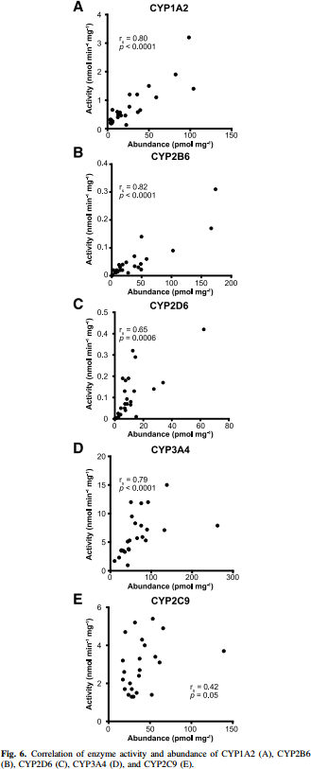
study | enzyme | abundance [pmol/mg] | activity [(mmol*min)/mg]
study | CYP1A2 | abundance | activity
Archour2014b | CYP1A2 | 2.307 | 0.187
Archour2014b | CYP1A2 | 5.404 | 0.683
Archour2014b | CYP1A2 | 6.132 | 0.286
Archour2014b | CYP1A2 | 2.702 | 0.341
Archour2014b | CYP1A2 | 22.532 | 0.142
Archour2014b | CYP1A2 | 13.012 | 0.396
Archour2014b | CYP1A2 | 16.455 | 0.484
Archour2014b | CYP1A2 | 20.273 | 0.494
Archour2014b | CYP1A2 | 13.788 | 0.539
Archour2014b | CYP1A2 | 10.360 | 0.616
Archour2014b | CYP1A2 | 25.640 | 0.769
Archour2014b | CYP1A2 | 37.072 | 0.559
Archour2014b | CYP1A2 | 39.751 | 0.636
Archour2014b | CYP1A2 | 25.675 | 1.166
Archour2014b | CYP1A2 | 37.130 | 1.220
Archour2014b | CYP1A2 | 48.985 | 1.473
Archour2014b | CYP1A2 | 59.257 | 1.098
Archour2014b | CYP1A2 | 81.848 | 1.911
Archour2014b | CYP1A2 | 103.938 | 1.381
Archour2014b | CYP1A2 | 98.756 | 3.210
Archour2014b | CYP2B6 | 1.594 | 0.005
Archour2014b | CYP2B6 | 2.158 | 0.019
Archour2014b | CYP2B6 | 7.952 | 0.015
Archour2014b | CYP2B6 | 3.738 | 0.018
Archour2014b | CYP2B6 | 15.872 | 0.017
Archour2014b | CYP2B6 | 17.506 | 0.037
Archour2014b | CYP2B6 | 12.754 | 0.036
Archour2014b | CYP2B6 | 27.462 | 0.009
Archour2014b | CYP2B6 | 23.849 | 0.042
Archour2014b | CYP2B6 | 38.072 | 0.031
Archour2014b | CYP2B6 | 46.504 | 0.027
Archour2014b | CYP2B6 | 49.647 | 0.018
Archour2014b | CYP2B6 | 48.128 | 0.044
Archour2014b | CYP2B6 | 37.100 | 0.065
Archour2014b | CYP2B6 | 57.135 | 0.058
Archour2014b | CYP2B6 | 49.415 | 0.138
Archour2014b | CYP2B6 | 102.056 | 0.085
Archour2014b | CYP2B6 | 167.173 | 0.170
Archour2014b | CYP2B6 | 175.959 | 0.310
Archour2014b | CYP2D6 | 0.448 | 0.009
Archour2014b | CYP2D6 | 3.099 | 0.016
Archour2014b | CYP2D6 | 4.208 | 0.025
Archour2014b | CYP2D6 | 2.227 | 0.028
Archour2014b | CYP2D6 | 7.966 | 0.039
Archour2014b | CYP2D6 | 4.454 | 0.056
Archour2014b | CYP2D6 | 15.437 | 0.013
Archour2014b | CYP2D6 | 7.555 | 0.075
Archour2014b | CYP2D6 | 11.740 | 0.072
Archour2014b | CYP2D6 | 13.075 | 0.088
Archour2014b | CYP2D6 | 8.672 | 0.094
Archour2014b | CYP2D6 | 8.043 | 0.132
Archour2014b | CYP2D6 | 14.212 | 0.130
Archour2014b | CYP2D6 | 28.323 | 0.137
Archour2014b | CYP2D6 | 34.074 | 0.163
Archour2014b | CYP2D6 | 8.301 | 0.178
Archour2014b | CYP2D6 | 9.861 | 0.198
Archour2014b | CYP2D6 | 6.111 | 0.194
Archour2014b | CYP2D6 | 15.005 | 0.289
Archour2014b | CYP2D6 | 13.926 | 0.317
Archour2014b | CYP2D6 | 62.935 | 0.418
Archour2014b | CYP3A4 | 9.207 | 1.868
Archour2014b | CYP3A4 | 35.294 | 3.297
Archour2014b | CYP3A4 | 20.716 | 2.527
Archour2014b | CYP3A4 | 23.785 | 3.791
Archour2014b | CYP3A4 | 40.665 | 1.154
Archour2014b | CYP3A4 | 43.734 | 3.791
Archour2014b | CYP3A4 | 39.130 | 5.220
Archour2014b | CYP3A4 | 46.036 | 5.495
Archour2014b | CYP3A4 | 65.217 | 5.659
Archour2014b | CYP3A4 | 76.726 | 5.934
Archour2014b | CYP3A4 | 86.701 | 5.220
Archour2014b | CYP3A4 | 89.770 | 7.363
Archour2014b | CYP3A4 | 72.123 | 7.967
Archour2014b | CYP3A4 | 56.777 | 8.571
Archour2014b | CYP3A4 | 55.243 | 9.286
Archour2014b | CYP3A4 | 52.174 | 12.198
Archour2014b | CYP3A4 | 72.890 | 11.868
Archour2014b | CYP3A4 | 87.468 | 11.978
Archour2014b | CYP3A4 | 134.271 | 7.143
Archour2014b | CYP3A4 | 137.340 | 14.890
Archour2014b | CYP3A4 | 262.404 | 7.967
Archour2014b | CYP2C9 | 23.566 | 1.399
Archour2014b | CYP2C9 | 55.501 | 3.406
Archour2014b | CYP2C9 | 29.241 | 1.283
Archour2014b | CYP2C9 | 29.241 | 1.283
Archour2014b | CYP2C9 | 19.792 | 1.630
Archour2014b | CYP2C9 | 17.550 | 2.174
Archour2014b | CYP2C9 | 19.088 | 2.569
Archour2014b | CYP2C9 | 26.254 | 2.025
Archour2014b | CYP2C9 | 28.130 | 1.711
Archour2014b | CYP2C9 | 33.040 | 1.480
Archour2014b | CYP2C9 | 53.111 | 1.395
Archour2014b | CYP2C9 | 37.259 | 2.370
Archour2014b | CYP2C9 | 37.278 | 2.699
Archour2014b | CYP2C9 | 18.364 | 3.146
Archour2014b | CYP2C9 | 35.039 | 3.276
Archour2014b | CYP2C9 | 61.921 | 3.076
Archour2014b | CYP2C9 | 44.924 | 3.918
Archour2014b | CYP2C9 | 41.155 | 4.232
Archour2014b | CYP2C9 | 19.591 | 4.696
Archour2014b | CYP2C9 | 32.879 | 5.222
Archour2014b | CYP2C9 | 53.343 | 5.384
Archour2014b | CYP2C9 | 66.195 | 4.921
Archour2014b | CYP2C9 | 138.848 | 3.644

