Figure 2
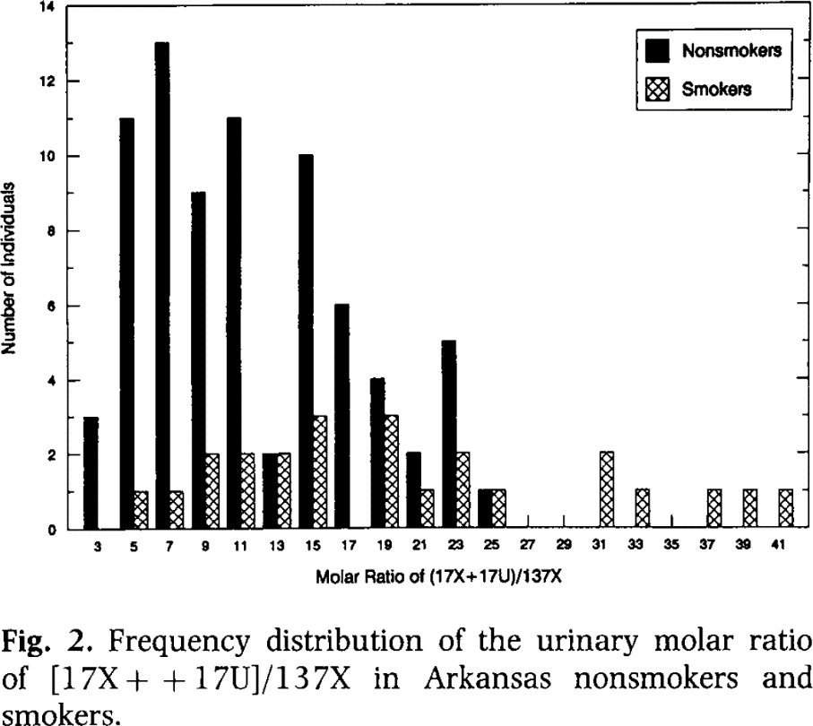
Butler 1992 - Determination of CYP1A2 and NAT2 phenotypes in human populations by analysis of caffeine urinary metabolites O-deet-hylase, is primarily responsible for the hepatic 3-demethylation of caffeine and N-oxidation of carcinogenic arylamines

species
method
n
subjects

Figure 2
study | Molar Ratio of (17X+17U)/137X | Non-smokers Number of individuals | Smokers Number of individuals
study | molar_ratio_(17X+17U)/137X | non-smokers_no_of_individuals | smokers_no_of_individuals
Butler1992 | 3 | 3 | 0
Butler1992 | 5 | 11 | 1
Butler1992 | 7 | 13 | 1
Butler1992 | 9 | 9 | 2
Butler1992 | 11 | 11 | 2
Butler1992 | 13 | 2 | 2
Butler1992 | 15 | 10 | 3
Butler1992 | 17 | 6 | 0
Butler1992 | 19 | 4 | 3
Butler1992 | 21 | 2 | 1
Butler1992 | 23 | 5 | 2
Butler1992 | 25 | 1 | 1
Butler1992 | 27 | 0 | 0
Butler1992 | 29 | 0 | 0
Butler1992 | 31 | 0 | 2
Butler1992 | 33 | 0 | 1
Butler1992 | 35 | 0 | 0
Butler1992 | 37 | 0 | 1
Butler1992 | 39 | 0 | 1
Butler1992 | 41 | 0 | 1

Figure 3a
Butler 1992 - Determination of CYP1A2 and NAT2 phenotypes in human populations by analysis of caffeine urinary metabolites O-deet-hylase, is primarily responsible for the hepatic 3-demethylation of caffeine and N-oxidation of carcinogenic arylamines

species
method
n
subjects

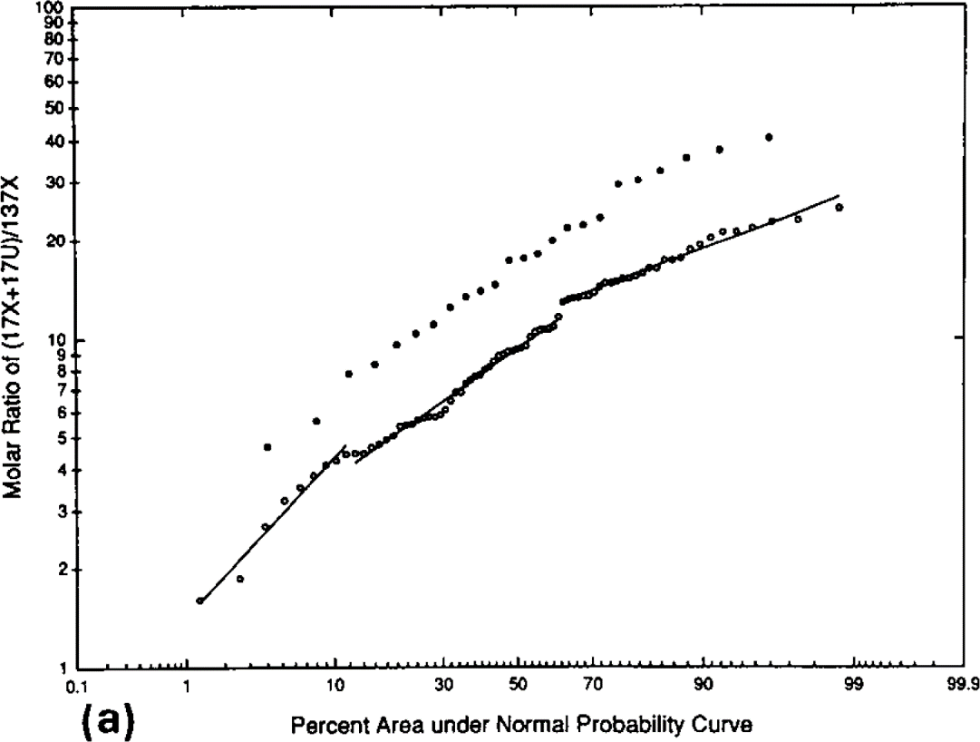
Figure 3a
study | Smokers - Percent area under Normal Probability Curve | Smokers - Molar Ratio of (17X+17U)/137X | Non- Smokers - Percent area under Normal Probability Curve | Non - Smokers - Molar Ratio of (17X+17U)/137X
study | smokers_percent_AUC | smokers_molar_ratio_(17X+17U)/137X | non_smokers_percent_AUC | non_smokers_molar_ratio_(17X+17U)/137X
Butler1992 |  | 4.7271
Butler1992 |  | 5.6181
Butler1992 |  | 7.8271
Butler1992 |  | 8.3442
Butler1992 |  | 9.5833
Butler1992 |  | 10.3708
Butler1992 |  | 11.0034
Butler1992 |  | 12.4511
Butler1992 |  | 13.2114
Butler1992 |  | 13.8795
Butler1992 |  | 14.4370
Butler1992 |  | 17.1680
Butler1992 |  | 17.4209
Butler1992 |  | 17.8544
Butler1992 |  | 19.8078
Butler1992 |  | 21.5437
Butler1992 |  | 21.8620
Butler1992 |  | 22.5161
Butler1992 |  | 29.1254
Butler1992 |  | 29.9954
Butler1992 |  | 31.9794
Butler1992 |  | 34.9493
Butler1992 |  | 36.7044
Butler1992 |  | 40.0969

Figure 3b
Butler 1992 - Determination of CYP1A2 and NAT2 phenotypes in human populations by analysis of caffeine urinary metabolites O-deet-hylase, is primarily responsible for the hepatic 3-demethylation of caffeine and N-oxidation of carcinogenic arylamines

species
method
n
subjects

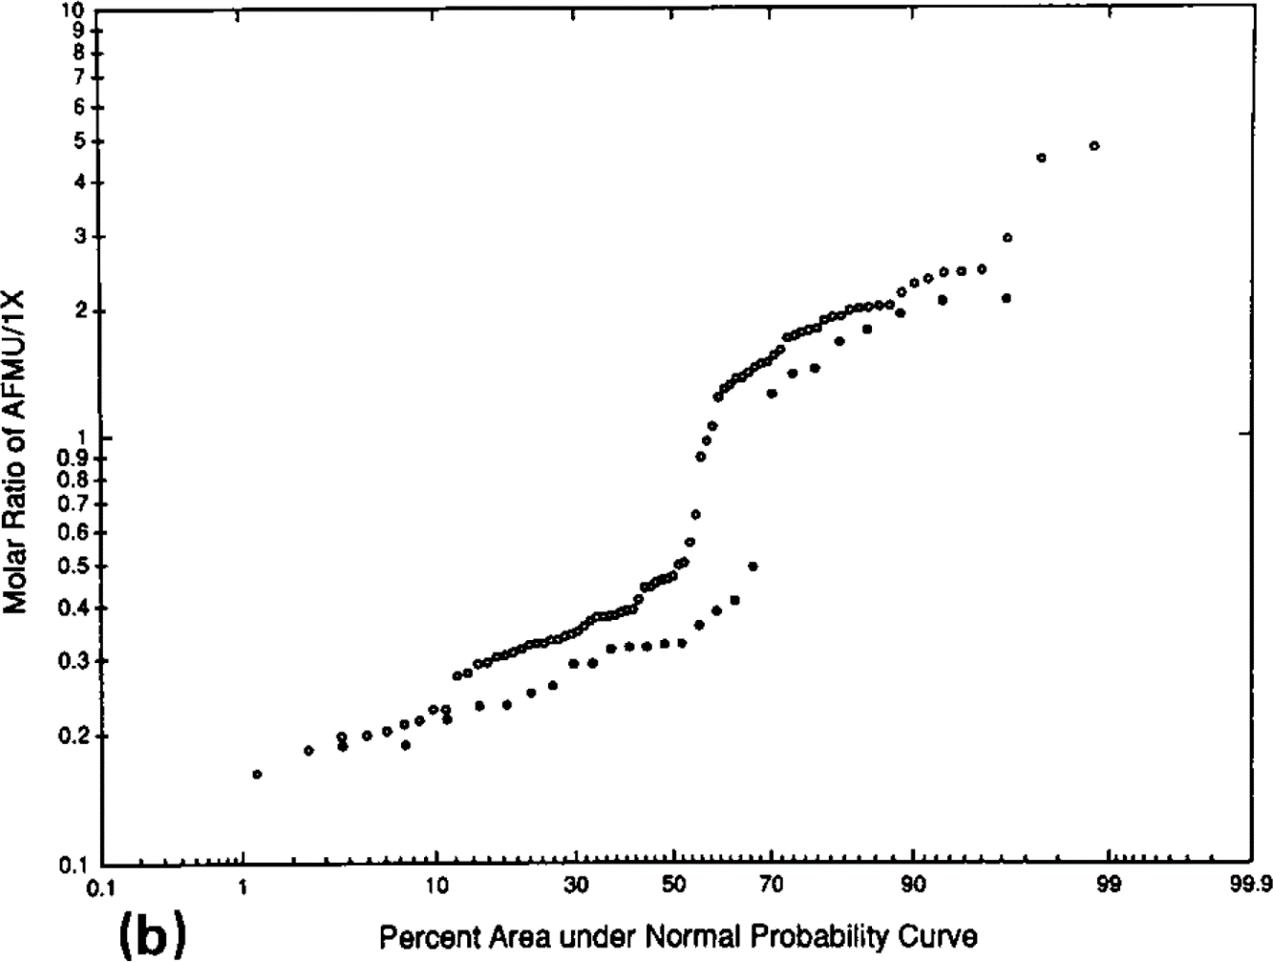
Figure 3b
study | Molar Ratio of AMFU/1X | Smokers - Percent area under Normal Probability Curve | Non- Smokers - Percent area under Normal Probability Curve
study | molar_ratio_AFMU/1X | smokers_percent_AUC | non_smokers_percent_AUC
Butler1992
Butler1992
Butler1992
Butler1992
Butler1992
Butler1992
Butler1992
Butler1992
Butler1992
Butler1992
Butler1992
Butler1992
Butler1992
Butler1992
Butler1992
Butler1992
Butler1992
Butler1992
Butler1992
Butler1992

Figure 3c
Butler 1992 - Determination of CYP1A2 and NAT2 phenotypes in human populations by analysis of caffeine urinary metabolites O-deet-hylase, is primarily responsible for the hepatic 3-demethylation of caffeine and N-oxidation of carcinogenic arylamines

species
method
n
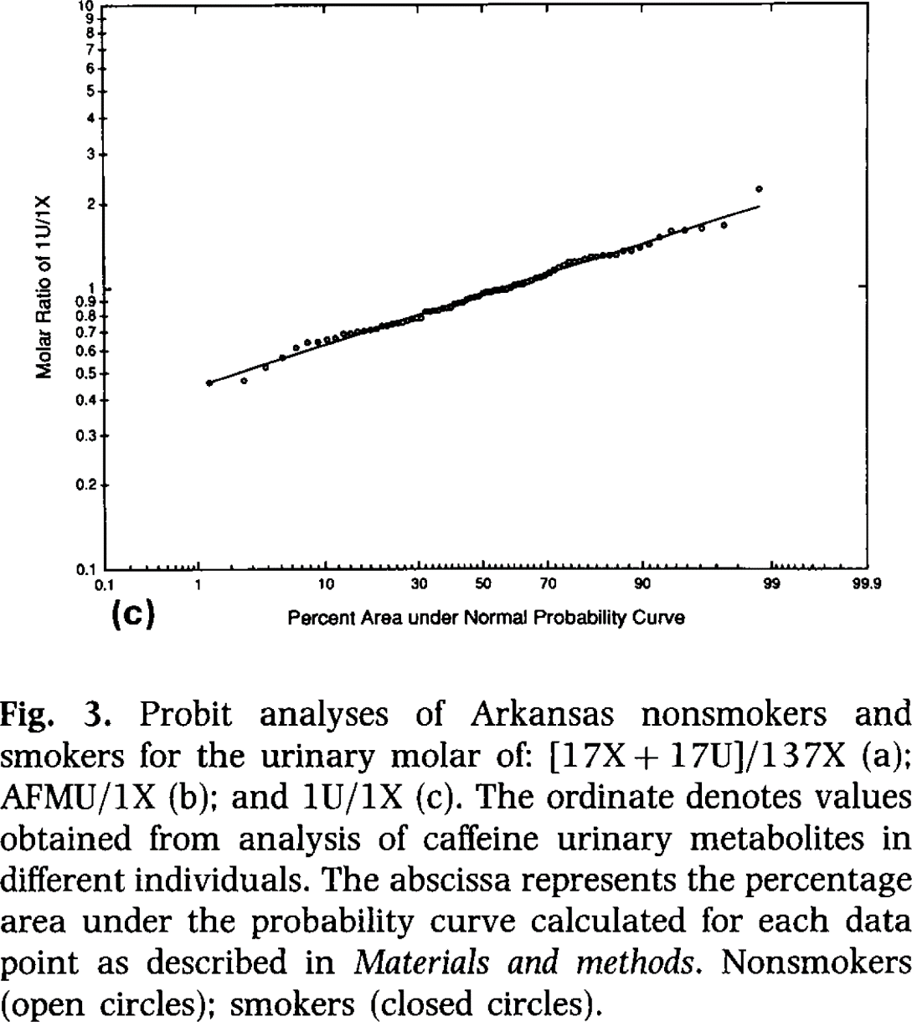
subjects

Figure 3b
study | Molar Ratio of 1U/1X | Smokers - Percent area under Normal Probability Curve | Non- Smokers - Percent area under Normal Probability Curve
study | molar_ratio_1U/1X | smokers_percent_AUC | non_smokers_percent_AUC
Butler1992
Butler1992
Butler1992
Butler1992
Butler1992
Butler1992
Butler1992
Butler1992
Butler1992
Butler1992
Butler1992
Butler1992
Butler1992
Butler1992
Butler1992
Butler1992
Butler1992
Butler1992
Butler1992
Butler1992

