Fig2
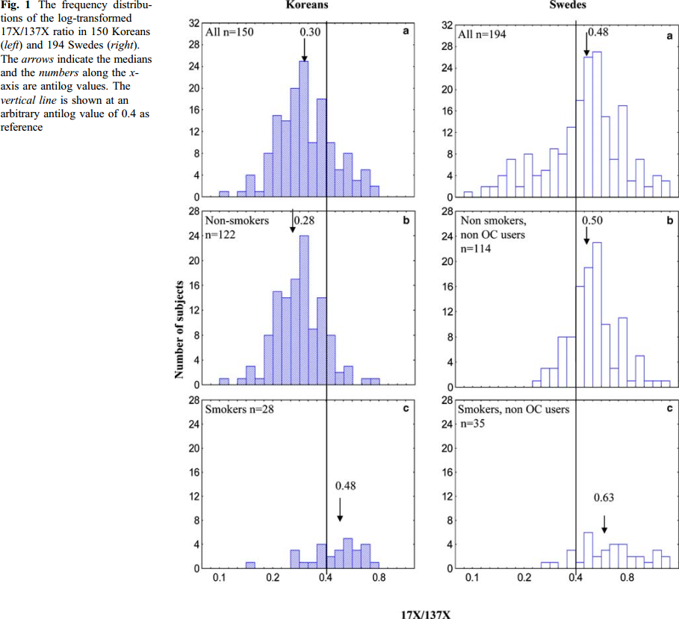
study | figure panel | subjects | gender | ethnicity | smoker | oral contraceptive | 17X/137X at 4h after 100mg caffeine | frequency (number of subjects) | 17X/137X at 4h after 100mg caffeine
study | panel | N | gender | ethnicity | smoker | oc | px_caf_log | frequency | px_caf
Ghotbi2007 | Fig1AK | 150 | all | Koreans | all | all | 0.083 | 0 | 1.09
Ghotbi2007 | Fig1AK | 150 | all | Koreans | all | all | 0.094 | 0 | 1.10
Ghotbi2007 | Fig1AK | 150 | all | Koreans | all | all | 0.107 | 1 | 1.11
Ghotbi2007 | Fig1AK | 150 | all | Koreans | all | all | 0.120 | 0 | 1.13
Ghotbi2007 | Fig1AK | 150 | all | Koreans | all | all | 0.134 | 1 | 1.14
Ghotbi2007 | Fig1AK | 150 | all | Koreans | all | all | 0.150 | 4 | 1.16
Ghotbi2007 | Fig1AK | 150 | all | Koreans | all | all | 0.169 | 1 | 1.18
Ghotbi2007 | Fig1AK | 150 | all | Koreans | all | all | 0.190 | 8 | 1.21
Ghotbi2007 | Fig1AK | 150 | all | Koreans | all | all | 0.210 | 15 | 1.23
Ghotbi2007 | Fig1AK | 150 | all | Koreans | all | all | 0.238 | 14 | 1.27
Ghotbi2007 | Fig1AK | 150 | all | Koreans | all | all | 0.267 | 20 | 1.31
Ghotbi2007 | Fig1AK | 150 | all | Koreans | all | all | 0.298 | 25 | 1.35
Ghotbi2007 | Fig1AK | 150 | all | Koreans | all | all | 0.335 | 10 | 1.40
Ghotbi2007 | Fig1AK | 150 | all | Koreans | all | all | 0.378 | 18 | 1.46
Ghotbi2007 | Fig1AK | 150 | all | Koreans | all | all | 0.428 | 10 | 1.53
Ghotbi2007 | Fig1AK | 150 | all | Koreans | all | all | 0.474 | 5 | 1.61
Ghotbi2007 | Fig1AK | 150 | all | Koreans | all | all | 0.529 | 8 | 1.70
Ghotbi2007 | Fig1AK | 150 | all | Koreans | all | all | 0.598 | 3 | 1.82
Ghotbi2007 | Fig1AK | 150 | all | Koreans | all | all | 0.672 | 5 | 1.96
Ghotbi2007 | Fig1AK | 150 | all | Koreans | all | all | 0.750 | 2 | 2.12
Ghotbi2007 | Fig1AK | 150 | all | Koreans | all | all | 0.842 | 0 | 2.32
Ghotbi2007 | Fig1BK | 122 | all | Koreans | nonsmokers | all | 0.085 | 0 | 1.09
Ghotbi2007 | Fig1BK | 122 | all | Koreans | nonsmokers | all | 0.095 | 0 | 1.10
Ghotbi2007 | Fig1BK | 122 | all | Koreans | nonsmokers | all | 0.106 | 1 | 1.11
Ghotbi2007 | Fig1BK | 122 | all | Koreans | nonsmokers | all | 0.120 | 0 | 1.13
Ghotbi2007 | Fig1BK | 122 | all | Koreans | nonsmokers | all | 0.133 | 1 | 1.14
Ghotbi2007 | Fig1BK | 122 | all | Koreans | nonsmokers | all | 0.149 | 3 | 1.16
Ghotbi2007 | Fig1BK | 122 | all | Koreans | nonsmokers | all | 0.168 | 1 | 1.18
Ghotbi2007 | Fig1BK | 122 | all | Koreans | nonsmokers | all | 0.190 | 8 | 1.21
Ghotbi2007 | Fig1BK | 122 | all | Koreans | nonsmokers | all | 0.209 | 15 | 1.23
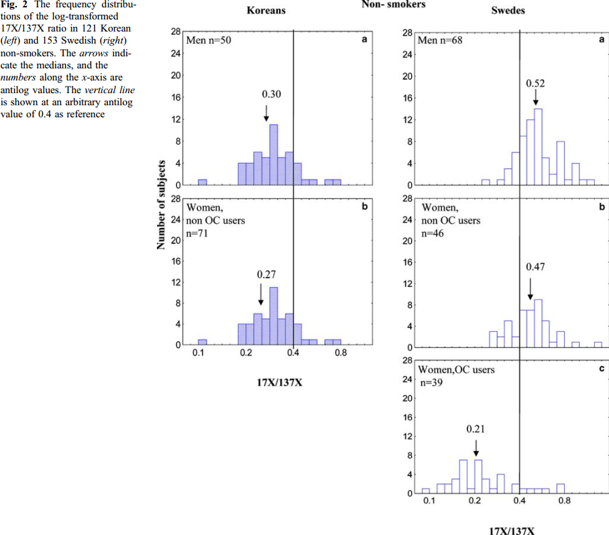
Ghotbi2007 | Fig1BK | 122 | all | Koreans | nonsmokers | all | 0.239 | 14 | 1.27
Ghotbi2007 | Fig1BK | 122 | all | Koreans | nonsmokers | all | 0.267 | 17 | 1.31
Ghotbi2007 | Fig1BK | 122 | all | Koreans | nonsmokers | all | 0.300 | 24 | 1.35
Ghotbi2007 | Fig1BK | 122 | all | Koreans | nonsmokers | all | 0.335 | 9 | 1.40
Ghotbi2007 | Fig1BK | 122 | all | Koreans | nonsmokers | all | 0.381 | 14 | 1.46
Ghotbi2007 | Fig1BK | 122 | all | Koreans | nonsmokers | all | 0.425 | 8 | 1.53
Ghotbi2007 | Fig1BK | 122 | all | Koreans | nonsmokers | all | 0.477 | 2 | 1.61
Ghotbi2007 | Fig1BK | 122 | all | Koreans | nonsmokers | all | 0.533 | 3 | 1.70
Ghotbi2007 | Fig1BK | 122 | all | Koreans | nonsmokers | all | 0.598 | 0 | 1.82
Ghotbi2007 | Fig1BK | 122 | all | Koreans | nonsmokers | all | 0.672 | 1 | 1.96
Ghotbi2007 | Fig1BK | 122 | all | Koreans | nonsmokers | all | 0.760 | 1 | 2.14
Ghotbi2007 | Fig1BK | 122 | all | Koreans | nonsmokers | all | 0.832 | 0 | 2.30
Ghotbi2007 | Fig1CK | 28 | all | Koreans | smokers | all | 0.105 | 0 | 1.11
Ghotbi2007 | Fig1CK | 28 | all | Koreans | smokers | all | 0.118 | 0 | 1.13
Ghotbi2007 | Fig1CK | 28 | all | Koreans | smokers | all | 0.132 | 0 | 1.14
Ghotbi2007 | Fig1CK | 28 | all | Koreans | smokers | all | 0.149 | 1 | 1.16
Ghotbi2007 | Fig1CK | 28 | all | Koreans | smokers | all | 0.167 | 0 | 1.18
Ghotbi2007 | Fig1CK | 28 | all | Koreans | smokers | all | 0.188 | 0 | 1.21
Ghotbi2007 | Fig1CK | 28 | all | Koreans | smokers | all | 0.209 | 0 | 1.23
Ghotbi2007 | Fig1CK | 28 | all | Koreans | smokers | all | 0.235 | 0 | 1.26
Ghotbi2007 | Fig1CK | 28 | all | Koreans | smokers | all | 0.263 | 3 | 1.30
Ghotbi2007 | Fig1CK | 28 | all | Koreans | smokers | all | 0.298 | 1 | 1.35
Ghotbi2007 | Fig1CK | 28 | all | Koreans | smokers | all | 0.332 | 1 | 1.39
Ghotbi2007 | Fig1CK | 28 | all | Koreans | smokers | all | 0.376 | 4 | 1.46
Ghotbi2007 | Fig1CK | 28 | all | Koreans | smokers | all | 0.425 | 2 | 1.53
Ghotbi2007 | Fig1CK | 28 | all | Koreans | smokers | all | 0.471 | 3 | 1.60
Ghotbi2007 | Fig1CK | 28 | all | Koreans | smokers | all | 0.529 | 5 | 1.70
Ghotbi2007 | Fig1CK | 28 | all | Koreans | smokers | all | 0.594 | 3 | 1.81
Ghotbi2007 | Fig1CK | 28 | all | Koreans | smokers | all | 0.672 | 4 | 1.96
Ghotbi2007 | Fig1CK | 28 | all | Koreans | smokers | all | 0.750 | 1 | 2.12
Ghotbi2007 | Fig1CK | 28 | all | Koreans | smokers | all | 0.842 | 0 | 2.32
Ghotbi2007 | Fig1AS | 194 | all | Swedes | all | all | 0.083 | 0 | 1.09
Ghotbi2007 | Fig1AS | 194 | all | Swedes | all | all | 0.093 | 0 | 1.10
Ghotbi2007 | Fig1AS | 194 | all | Swedes | all | all | 0.104 | 0 | 1.11
Ghotbi2007 | Fig1AS | 194 | all | Swedes | all | all | 0.117 | 2 | 1.12
Ghotbi2007 | Fig1AS | 194 | all | Swedes | all | all | 0.131 | 2 | 1.14
Ghotbi2007 | Fig1AS | 194 | all | Swedes | all | all | 0.146 | 4 | 1.16
Ghotbi2007 | Fig1AS | 194 | all | Swedes | all | all | 0.165 | 7 | 1.18
Ghotbi2007 | Fig1AS | 194 | all | Swedes | all | all | 0.187 | 2 | 1.21
Ghotbi2007 | Fig1AS | 194 | all | Swedes | all | all | 0.206 | 8 | 1.23
Ghotbi2007 | Fig1AS | 194 | all | Swedes | all | all | 0.234 | 4 | 1.26
Ghotbi2007 | Fig1AS | 194 | all | Swedes | all | all | 0.264 | 5 | 1.30
Ghotbi2007 | Fig1AS | 194 | all | Swedes | all | all | 0.295 | 9 | 1.34
Ghotbi2007 | Fig1AS | 194 | all | Swedes | all | all | 0.330 | 8 | 1.39
Ghotbi2007 | Fig1AS | 194 | all | Swedes | all | all | 0.370 | 13 | 1.45
Ghotbi2007 | Fig1AS | 194 | all | Swedes | all | all | 0.416 | 18 | 1.52
Ghotbi2007 | Fig1AS | 194 | all | Swedes | all | all | 0.465 | 26 | 1.59
Ghotbi2007 | Fig1AS | 194 | all | Swedes | all | all | 0.514 | 27 | 1.67
Ghotbi2007 | Fig1AS | 194 | all | Swedes | all | all | 0.581 | 15 | 1.79
Ghotbi2007 | Fig1AS | 194 | all | Swedes | all | all | 0.657 | 7 | 1.93
Ghotbi2007 | Fig1AS | 194 | all | Swedes | all | all | 0.734 | 17 | 2.08
Ghotbi2007 | Fig1AS | 194 | all | Swedes | all | all | 0.824 | 3 | 2.28
Ghotbi2007 | Fig1AS | 194 | all | Swedes | all | all | 0.935 | 7 | 2.55
Ghotbi2007 | Fig1AS | 194 | all | Swedes | all | all | 1.041 | 2 | 2.83
Ghotbi2007 | Fig1AS | 194 | all | Swedes | all | all | 1.158 | 4 | 3.18
Ghotbi2007 | Fig1AS | 194 | all | Swedes | all | all | 1.306 | 3 | 3.69
Ghotbi2007 | Fig1BS | 114 | all | Swedes | nonsmokers | nonoc | 0.085 | 0 | 1.09
Ghotbi2007 | Fig1BS | 114 | all | Swedes | nonsmokers | nonoc | 0.095 | 0 | 1.10
Ghotbi2007 | Fig1BS | 114 | all | Swedes | nonsmokers | nonoc | 0.107 | 0 | 1.11
Ghotbi2007 | Fig1BS | 114 | all | Swedes | nonsmokers | nonoc | 0.121 | 0 | 1.13
Ghotbi2007 | Fig1BS | 114 | all | Swedes | nonsmokers | nonoc | 0.134 | 0 | 1.14
Ghotbi2007 | Fig1BS | 114 | all | Swedes | nonsmokers | nonoc | 0.150 | 0 | 1.16
Ghotbi2007 | Fig1BS | 114 | all | Swedes | nonsmokers | nonoc | 0.168 | 0 | 1.18
Ghotbi2007 | Fig1BS | 114 | all | Swedes | nonsmokers | nonoc | 0.187 | 0 | 1.21
Ghotbi2007 | Fig1BS | 114 | all | Swedes | nonsmokers | nonoc | 0.209 | 0 | 1.23
Ghotbi2007 | Fig1BS | 114 | all | Swedes | nonsmokers | nonoc | 0.234 | 1 | 1.26
Ghotbi2007 | Fig1BS | 114 | all | Swedes | nonsmokers | nonoc | 0.262 | 3 | 1.30
Ghotbi2007 | Fig1BS | 114 | all | Swedes | nonsmokers | nonoc | 0.296 | 3 | 1.34
Ghotbi2007 | Fig1BS | 114 | all | Swedes | nonsmokers | nonoc | 0.331 | 8 | 1.39
Ghotbi2007 | Fig1BS | 114 | all | Swedes | nonsmokers | nonoc | 0.371 | 8 | 1.45
Ghotbi2007 | Fig1BS | 114 | all | Swedes | nonsmokers | nonoc | 0.420 | 16 | 1.52
Ghotbi2007 | Fig1BS | 114 | all | Swedes | nonsmokers | nonoc | 0.466 | 19 | 1.59
Ghotbi2007 | Fig1BS | 114 | all | Swedes | nonsmokers | nonoc | 0.522 | 23 | 1.69
Ghotbi2007 | Fig1BS | 114 | all | Swedes | nonsmokers | nonoc | 0.590 | 10 | 1.80
Ghotbi2007 | Fig1BS | 114 | all | Swedes | nonsmokers | nonoc | 0.663 | 3 | 1.94
Ghotbi2007 | Fig1BS | 114 | all | Swedes | nonsmokers | nonoc | 0.736 | 11 | 2.09
Ghotbi2007 | Fig1BS | 114 | all | Swedes | nonsmokers | nonoc | 0.837 | 1 | 2.31
Ghotbi2007 | Fig1BS | 114 | all | Swedes | nonsmokers | nonoc | 0.936 | 5 | 2.55
Ghotbi2007 | Fig1BS | 114 | all | Swedes | nonsmokers | nonoc | 1.050 | 1 | 2.86
Ghotbi2007 | Fig1BS | 114 | all | Swedes | nonsmokers | nonoc | 1.176 | 1 | 3.24
Ghotbi2007 | Fig1BS | 114 | all | Swedes | nonsmokers | nonoc | 1.317 | 1 | 3.73
Ghotbi2007 | Fig1CS | 35 | all | Swedes | smokers | nonoc | 0.236 | 0 | 1.27
Ghotbi2007 | Fig1CS | 35 | all | Swedes | smokers | nonoc | 0.266 | 1 | 1.31
Ghotbi2007 | Fig1CS | 35 | all | Swedes | smokers | nonoc | 0.296 | 1 | 1.34
Ghotbi2007 | Fig1CS | 35 | all | Swedes | smokers | nonoc | 0.334 | 0 | 1.40
Ghotbi2007 | Fig1CS | 35 | all | Swedes | smokers | nonoc | 0.371 | 3 | 1.45
Ghotbi2007 | Fig1CS | 35 | all | Swedes | smokers | nonoc | 0.419 | 1 | 1.52
Ghotbi2007 | Fig1CS | 35 | all | Swedes | smokers | nonoc | 0.475 | 6 | 1.61
Ghotbi2007 | Fig1CS | 35 | all | Swedes | smokers | nonoc | 0.529 | 2 | 1.70
Ghotbi2007 | Fig1CS | 35 | all | Swedes | smokers | nonoc | 0.588 | 3 | 1.80
Ghotbi2007 | Fig1CS | 35 | all | Swedes | smokers | nonoc | 0.668 | 4 | 1.95
Ghotbi2007 | Fig1CS | 35 | all | Swedes | smokers | nonoc | 0.748 | 4 | 2.11
Ghotbi2007 | Fig1CS | 35 | all | Swedes | smokers | nonoc | 0.838 | 2 | 2.31
Ghotbi2007 | Fig1CS | 35 | all | Swedes | smokers | nonoc | 0.932 | 2 | 2.54
Ghotbi2007 | Fig1CS | 35 | all | Swedes | smokers | nonoc | 1.058 | 1 | 2.88
Ghotbi2007 | Fig1CS | 35 | all | Swedes | smokers | nonoc | 1.184 | 3 | 3.27
Ghotbi2007 | Fig1CS | 35 | all | Swedes | smokers | nonoc | 1.327 | 2 | 3.77
Ghotbi2007 | Fig2AK | 50 | men | Koreans | all | all | 0.096 | 0 | 1.10
Ghotbi2007 | Fig2AK | 50 | men | Koreans | all | all | 0.107 | 1 | 1.11
Ghotbi2007 | Fig2AK | 50 | men | Koreans | all | all | 0.119 | 0 | 1.13
Ghotbi2007 | Fig2AK | 50 | men | Koreans | all | all | 0.135 | 0 | 1.14
Ghotbi2007 | Fig2AK | 50 | men | Koreans | all | all | 0.150 | 0 | 1.16
Ghotbi2007 | Fig2AK | 50 | men | Koreans | all | all | 0.169 | 0 | 1.18
Ghotbi2007 | Fig2AK | 50 | men | Koreans | all | all | 0.192 | 4 | 1.21
Ghotbi2007 | Fig2AK | 50 | men | Koreans | all | all | 0.213 | 4 | 1.24
Ghotbi2007 | Fig2AK | 50 | men | Koreans | all | all | 0.238 | 6 | 1.27
Ghotbi2007 | Fig2AK | 50 | men | Koreans | all | all | 0.269 | 5 | 1.31
Ghotbi2007 | Fig2AK | 50 | men | Koreans | all | all | 0.303 | 11 | 1.35
Ghotbi2007 | Fig2AK | 50 | men | Koreans | all | all | 0.338 | 5 | 1.40
Ghotbi2007 | Fig2AK | 50 | men | Koreans | all | all | 0.377 | 6 | 1.46
Ghotbi2007 | Fig2AK | 50 | men | Koreans | all | all | 0.424 | 4 | 1.53
Ghotbi2007 | Fig2AK | 50 | men | Koreans | all | all | 0.476 | 1 | 1.61
Ghotbi2007 | Fig2AK | 50 | men | Koreans | all | all | 0.532 | 1 | 1.70
Ghotbi2007 | Fig2AK | 50 | men | Koreans | all | all | 0.598 | 0 | 1.82
Ghotbi2007 | Fig2AK | 50 | men | Koreans | all | all | 0.672 | 1 | 1.96
Ghotbi2007 | Fig2AK | 50 | men | Koreans | all | all | 0.760 | 1 | 2.14
Ghotbi2007 | Fig2AK | 50 | men | Koreans | all | all | 0.843 | 0 | 2.32
Ghotbi2007 | Fig2BK | 71 | women | Koreans | all | nonoc | 0.094 | 0 | 1.10
Ghotbi2007 | Fig2BK | 71 | women | Koreans | all | nonoc | 0.107 | 1 | 1.11
Ghotbi2007 | Fig2BK | 71 | women | Koreans | all | nonoc | 0.119 | 0 | 1.13
Ghotbi2007 | Fig2BK | 71 | women | Koreans | all | nonoc | 0.136 | 0 | 1.15
Ghotbi2007 | Fig2BK | 71 | women | Koreans | all | nonoc | 0.150 | 0 | 1.16
Ghotbi2007 | Fig2BK | 71 | women | Koreans | all | nonoc | 0.167 | 0 | 1.18
Ghotbi2007 | Fig2BK | 71 | women | Koreans | all | nonoc | 0.189 | 4 | 1.21
Ghotbi2007 | Fig2BK | 71 | women | Koreans | all | nonoc | 0.211 | 4 | 1.24
Ghotbi2007 | Fig2BK | 71 | women | Koreans | all | nonoc | 0.238 | 6 | 1.27
Ghotbi2007 | Fig2BK | 71 | women | Koreans | all | nonoc | 0.269 | 5 | 1.31
Ghotbi2007 | Fig2BK | 71 | women | Koreans | all | nonoc | 0.297 | 11 | 1.35
Ghotbi2007 | Fig2BK | 71 | women | Koreans | all | nonoc | 0.337 | 5 | 1.40
Ghotbi2007 | Fig2BK | 71 | women | Koreans | all | nonoc | 0.379 | 6 | 1.46
Ghotbi2007 | Fig2BK | 71 | women | Koreans | all | nonoc | 0.418 | 4 | 1.52
Ghotbi2007 | Fig2BK | 71 | women | Koreans | all | nonoc | 0.470 | 1 | 1.60
Ghotbi2007 | Fig2BK | 71 | women | Koreans | all | nonoc | 0.531 | 1 | 1.70
Ghotbi2007 | Fig2BK | 71 | women | Koreans | all | nonoc | 0.597 | 0 | 1.82
Ghotbi2007 | Fig2BK | 71 | women | Koreans | all | nonoc | 0.663 | 1 | 1.94
Ghotbi2007 | Fig2BK | 71 | women | Koreans | all | nonoc | 0.750 | 1 | 2.12
Ghotbi2007 | Fig2BK | 71 | women | Koreans | all | nonoc | 0.848 | 0 | 2.34
Ghotbi2007 | Fig2AS | 68 | men | Swedes | all | all | 0.213 | 0 | 1.24
Ghotbi2007 | Fig2AS | 68 | men | Swedes | all | all | 0.241 | 1 | 1.27
Ghotbi2007 | Fig2AS | 68 | men | Swedes | all | all | 0.269 | 0 | 1.31
Ghotbi2007 | Fig2AS | 68 | men | Swedes | all | all | 0.300 | 1 | 1.35
Ghotbi2007 | Fig2AS | 68 | men | Swedes | all | all | 0.340 | 3 | 1.41
Ghotbi2007 | Fig2AS | 68 | men | Swedes | all | all | 0.383 | 6 | 1.47
Ghotbi2007 | Fig2AS | 68 | men | Swedes | all | all | 0.427 | 9 | 1.53
Ghotbi2007 | Fig2AS | 68 | men | Swedes | all | all | 0.481 | 12 | 1.62
Ghotbi2007 | Fig2AS | 68 | men | Swedes | all | all | 0.544 | 14 | 1.72
Ghotbi2007 | Fig2AS | 68 | men | Swedes | all | all | 0.602 | 5 | 1.83
Ghotbi2007 | Fig2AS | 68 | men | Swedes | all | all | 0.671 | 2 | 1.96
Ghotbi2007 | Fig2AS | 68 | men | Swedes | all | all | 0.760 | 8 | 2.14
Ghotbi2007 | Fig2AS | 68 | men | Swedes | all | all | 0.859 | 1 | 2.36
Ghotbi2007 | Fig2AS | 68 | men | Swedes | all | all | 0.959 | 4 | 2.61
Ghotbi2007 | Fig2AS | 68 | men | Swedes | all | all | 1.062 | 1 | 2.89
Ghotbi2007 | Fig2AS | 68 | men | Swedes | all | all | 1.186 | 1 | 3.27
Ghotbi2007 | Fig2AS | 68 | men | Swedes | all | all | 1.341 | 0 | 3.82
Ghotbi2007 | Fig2BS | 46 | female | Swedes | all | nonoc | 0.238 | 0 | 1.27
Ghotbi2007 | Fig2BS | 46 | female | Swedes | all | nonoc | 0.265 | 3 | 1.30
Ghotbi2007 | Fig2BS | 46 | female | Swedes | all | nonoc | 0.300 | 2 | 1.35
Ghotbi2007 | Fig2BS | 46 | female | Swedes | all | nonoc | 0.335 | 5 | 1.40
Ghotbi2007 | Fig2BS | 46 | female | Swedes | all | nonoc | 0.379 | 2 | 1.46
Ghotbi2007 | Fig2BS | 46 | female | Swedes | all | nonoc | 0.424 | 7 | 1.53
Ghotbi2007 | Fig2BS | 46 | female | Swedes | all | nonoc | 0.473 | 7 | 1.60
Ghotbi2007 | Fig2BS | 46 | female | Swedes | all | nonoc | 0.535 | 9 | 1.71
Ghotbi2007 | Fig2BS | 46 | female | Swedes | all | nonoc | 0.597 | 5 | 1.82
Ghotbi2007 | Fig2BS | 46 | female | Swedes | all | nonoc | 0.661 | 1 | 1.94
Ghotbi2007 | Fig2BS | 46 | female | Swedes | all | nonoc | 0.748 | 3 | 2.11
Ghotbi2007 | Fig2BS | 46 | female | Swedes | all | nonoc | 0.840 | 0 | 2.32
Ghotbi2007 | Fig2BS | 46 | female | Swedes | all | nonoc | 0.944 | 1 | 2.57
Ghotbi2007 | Fig2BS | 46 | female | Swedes | all | nonoc | 1.053 | 0 | 2.87
Ghotbi2007 | Fig2BS | 46 | female | Swedes | all | nonoc | 1.192 | 0 | 3.29
Ghotbi2007 | Fig2BS | 46 | female | Swedes | all | nonoc | 1.330 | 1 | 3.78
Ghotbi2007 | Fig2BS | 46 | female | Swedes | all | nonoc | 1.484 | 0 | 4.41
Ghotbi2007 | Fig2CS | 39 | female | Swedes | all | oc | 0.084 | 0 | 1.09
Ghotbi2007 | Fig2CS | 39 | female | Swedes | all | oc | 0.093 | 1 | 1.10
Ghotbi2007 | Fig2CS | 39 | female | Swedes | all | oc | 0.106 | 0 | 1.11
Ghotbi2007 | Fig2CS | 39 | female | Swedes | all | oc | 0.119 | 2 | 1.13
Ghotbi2007 | Fig2CS | 39 | female | Swedes | all | oc | 0.132 | 2 | 1.14
Ghotbi2007 | Fig2CS | 39 | female | Swedes | all | oc | 0.149 | 3 | 1.16
Ghotbi2007 | Fig2CS | 39 | female | Swedes | all | oc | 0.168 | 7 | 1.18
Ghotbi2007 | Fig2CS | 39 | female | Swedes | all | oc | 0.188 | 1 | 1.21
Ghotbi2007 | Fig2CS | 39 | female | Swedes | all | oc | 0.212 | 7 | 1.24
Ghotbi2007 | Fig2CS | 39 | female | Swedes | all | oc | 0.234 | 3 | 1.26
Ghotbi2007 | Fig2CS | 39 | female | Swedes | all | oc | 0.261 | 1 | 1.30
Ghotbi2007 | Fig2CS | 39 | female | Swedes | all | oc | 0.296 | 4 | 1.34
Ghotbi2007 | Fig2CS | 39 | female | Swedes | all | oc | 0.332 | 0 | 1.39
Ghotbi2007 | Fig2CS | 39 | female | Swedes | all | oc | 0.374 | 2 | 1.45
Ghotbi2007 | Fig2CS | 39 | female | Swedes | all | oc | 0.411 | 1 | 1.51
Ghotbi2007 | Fig2CS | 39 | female | Swedes | all | oc | 0.472 | 1 | 1.60
Ghotbi2007 | Fig2CS | 39 | female | Swedes | all | oc | 0.526 | 1 | 1.69
Ghotbi2007 | Fig2CS | 39 | female | Swedes | all | oc | 0.592 | 1 | 1.81
Ghotbi2007 | Fig2CS | 39 | female | Swedes | all | oc | 0.660 | 0 | 1.94
Ghotbi2007 | Fig2CS | 39 | female | Swedes | all | oc | 0.747 | 2 | 2.11
Ghotbi2007 | Fig2CS | 39 | female | Swedes | all | oc | 0.834 | 0 | 2.30

