Fig1C
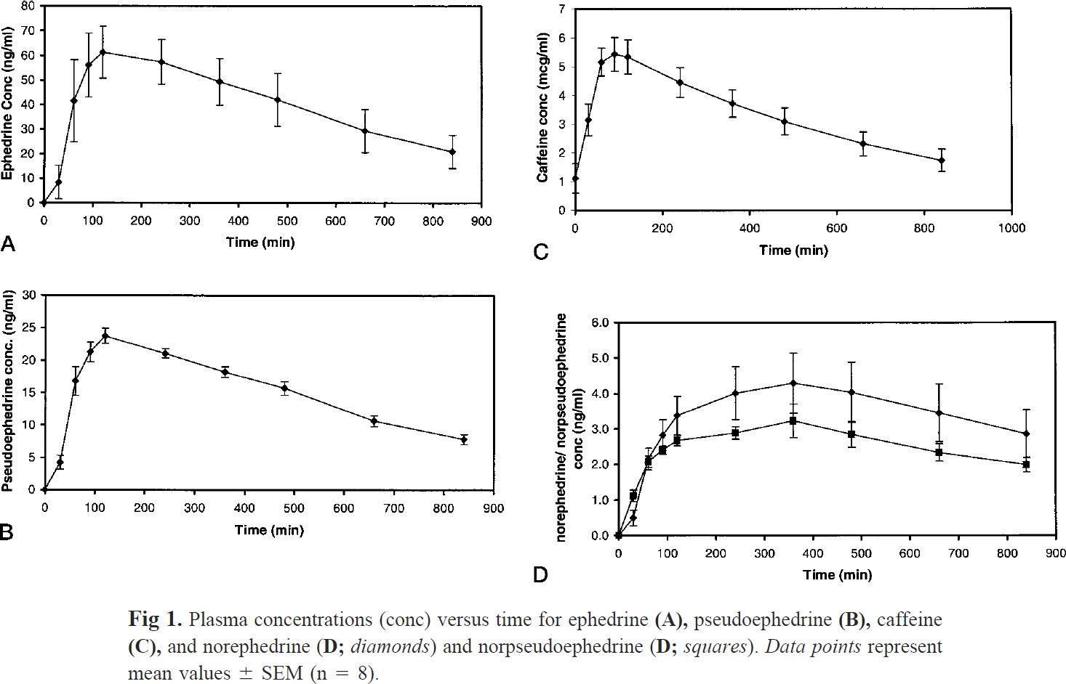
study | subjects | substance | time [min] | Caffeine plasma concentration [mg/l] | Caffeine plasma concentration SE [mg/l] | Caffeine plasma concentration SD [mg/l]
study | n | substance | time | caf | caf_se | caf_sd
Haller2002 | 8 | caffeine | 0.0 | 1.09 | 0.56 | 1.57
Haller2002 | 8 | caffeine | 30.0 | 3.16 | 0.56 | 1.57
Haller2002 | 8 | caffeine | 60.0 | 5.13 | 0.51 | 1.43
Haller2002 | 8 | caffeine | 90.0 | 5.43 | 0.63 | 1.79
Haller2002 | 8 | caffeine | 120.0 | 5.41 | 0.56 | 1.57
Haller2002 | 8 | caffeine | 240.0 | 4.45 | 0.53 | 1.50
Haller2002 | 8 | caffeine | 360.0 | 3.74 | 0.45 | 1.29
Haller2002 | 8 | caffeine | 480.0 | 3.11 | 0.45 | 1.29
Haller2002 | 8 | caffeine | 660.0 | 2.30 | 0.43 | 1.22
Haller2002 | 8 | caffeine | 840.0 | 1.74 | 0.40 | 1.14

