Fig3
Metabolic caffeine ratio
study | Caffeine metabolic ratios | Values of caffeine metabolic ratios without concominant intake of fluvoxamine (Period A) | Values of caffeine metabolic ratios with concominant intake of fluvoxamine (Period B)
study | ratio | value_no_fluvoxamine | value_fluvoxamine
Jeppesen1996 | (AMFU+1X+1U)/17U | 3.30 | 2.15
Jeppesen1996 | 17X/137X | 2.16 | 0.41
Jeppesen1996 | (17X+17U)/137X | 5.70 | 1.07
Jeppesen1996 | (AMFU+1X+1U+17X+17U)/137X | 24.66 | 2.31

Tab1
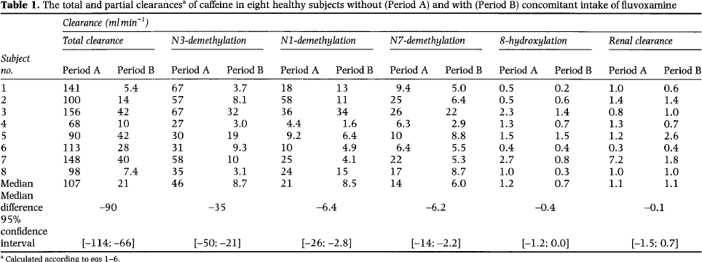
study | subject | period | Concomitant fluvoxamine | Total clearance period A [ml/min] | Clearance N3-demethylation period A [ml/min] | Clearance N1-demethylation period A [ml/min] | Clearance N7-demethylation period A [ml/min] | Clearance 8-hydroxylation period A [ml/min] | Renal clearance period A [ml/min]
study | subject | period | fluvoxamine | cl_total | cl_n3 | cl_n1 | cl_n7 | cl_8oh | cl_renal
Jeppesen1996 | 1 | A | no | 141 | 67 | 18 | 9.4 | 0.5 | 1
Jeppesen1996 | 2 | A | no | 100 | 57 | 58 | 25 | 0.5 | 1.4
Jeppesen1996 | 3 | A | no | 156 | 67 | 36 | 26 | 2.3 | 0.8
Jeppesen1996 | 4 | A | no | 68 | 27 | 4.4 | 6.3 | 1.3 | 1.3
Jeppesen1996 | 5 | A | no | 90 | 30 | 9.2 | 10 | 1.5 | 1.2
Jeppesen1996 | 6 | A | no | 113 | 31 | 10 | 6.4 | 0.4 | 0.3
Jeppesen1996 | 7 | A | no | 148 | 58 | 25 | 22 | 2.7 | 7.2
Jeppesen1996 | 8 | A | no | 98 | 35 | 24 | 17 | 1 | 1
Jeppesen1996 | 1 | B | yes | 5.4 | 3.7 | 13 | 5 | 0.2 | 0.6
Jeppesen1996 | 2 | B | yes | 14 | 8.1 | 11 | 6.4 | 0.6 | 1.4
Jeppesen1996 | 3 | B | yes | 42 | 32 | 34 | 22 | 2.3 | 1
Jeppesen1996 | 4 | B | yes | 10 | 3 | 1.6 | 2.9 | 1.3 | 0.7
Jeppesen1996 | 5 | B | yes | 42 | 19 | 6.4 | 8.8 | 1.5 | 2.6
Jeppesen1996 | 6 | B | yes | 28 | 9.3 | 4.9 | 5.5 | 0.4 | 0.4
Jeppesen1996 | 7 | B | yes | 40 | 10 | 4.1 | 5.3 | 0.8 | 1.8
Jeppesen1996 | 8 | B | yes | 7.4 | 3.1 | 15 | 8.7 | 0.3 | 1

Tab2
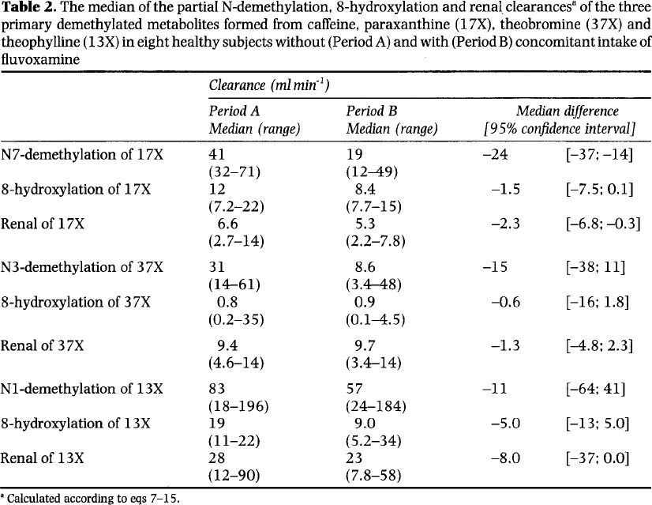
study | subject | period | Concomitant fluvoxamine | Clearance period A median [ml/min] | Clearance period A range low [ml/min] | Clearance period A range high [ml/min]
study | clearance | period | fluvoxamine | cl_median | cl_min | cl_max
Jeppesen1996 | Ν7 - demethylation of 17X | A | no | 41 | 32 | 71
Jeppesen1996 | 8 - hydroxylation of 17X | A | no | 12 | 7.2 | 22
Jeppesen1996 | Renal of 17X | A | no | 6.6 | 2.7 | 14
Jeppesen1996 | N3 - demethylation of 37X | A | no | 31 | 14 | 61
Jeppesen1996 | 8 - hydroxylation of 37X | A | no | 0.8 | 0.2 | 35
Jeppesen1996 | Renal of 37X | A | no | 9.4 | 4.6 | 14
Jeppesen1996 | N1 - demethylation of 13X | A | no | 83 | 18 | 196
Jeppesen1996 | 8 - hydroxylation of 13X | A | no | 19 | 11 | 22
Jeppesen1996 | Renal of 13X | A | no | 28 | 12 | 90
Jeppesen1996 | Ν7 - demethylation of 17X | B | yes | 19 | 12 | 49
Jeppesen1996 | 8 - hydroxylation of 17X | B | yes | 8.4 | 7.7 | 15
Jeppesen1996 | Renal of 17X | B | yes | 5.3 | 2.2 | 7.8
Jeppesen1996 | N3 - demethylation of 37X | B | yes | 8.6 | 3.4 | 48
Jeppesen1996 | 8 - hydroxylation of 37X | B | yes | 0.9 | 0.1 | 4.5
Jeppesen1996 | Renal of 37X | B | yes | 9.7 | 3.4 | 14
Jeppesen1996 | N1 - demethylation of 13X | B | yes | 57 | 24 | 184
Jeppesen1996 | 8 - hydroxylation of 13X | B | yes | 9 | 5.2 | 34
Jeppesen1996 | Renal of 13X | B | yes | 23 | 7.8 | 58

