Fig2
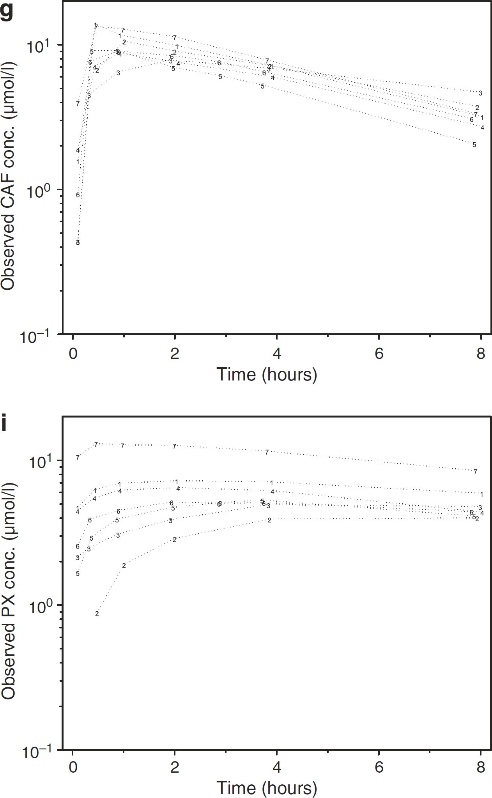
study | subject | time [h] | caffeine concentration [µmol/l] | caffeine concentration [µg/ml] | paraxanthine concentration (uncorrected) [µmol/l] | paraxanthine concentration (uncorrected) [µg/ml] | paraxanthine/caffeine concentration (uncorrected) [-] | paraxanthine concentration [µg/ml]+ | paraxanthine/caffeine concentration [-]
study | subject | time | caf_mol | caf | px1_mol | px1 | px1_caf | px | px_caf
Magnusson2008 | 1 | 0.10 | 1.58 | 0.31 | 4.77 | 0.86 | 2.80 | 0.00 | 0.00
Magnusson2008 | 1 | 0.50 | 13.87 | 2.69 | 6.32 | 1.14 | 0.42 | 0.28 | 0.10
Magnusson2008 | 1 | 1.00 | 11.75 | 2.28 | 6.95 | 1.25 | 0.55 | 0.39 | 0.17
Magnusson2008 | 1 | 2.00 | 9.92 | 1.93 | 7.28 | 1.31 | 0.68 | 0.45 | 0.24
Magnusson2008 | 1 | 3.00 | NA | NA | NA | NA | NA | NA | NA
Magnusson2008 | 1 | 4.00 | 7.18 | 1.39 | 7.14 | 1.29 | 0.92 | 0.43 | 0.31
Magnusson2008 | 1 | 8.00 | 3.15 | 0.61 | 5.94 | 1.07 | 1.75 | 0.21 | 0.34
Magnusson2008 | 2 | 0.10 | NA | NA | NA | NA | NA | NA | NA
Magnusson2008 | 2 | 0.50 | 6.69 | 1.30 | 0.88 | 0.16 | 0.12 | 0.16 | 0.12
Magnusson2008 | 2 | 1.00 | 10.64 | 2.07 | 1.88 | 0.34 | 0.16 | 0.34 | 0.16
Magnusson2008 | 2 | 2.00 | 9.02 | 1.75 | 2.88 | 0.52 | 0.30 | 0.52 | 0.30
Magnusson2008 | 2 | 3.00 | NA | NA | NA | NA | NA | NA | NA
Magnusson2008 | 2 | 4.00 | 7.15 | 1.39 | 3.90 | 0.70 | 0.51 | 0.70 | 0.51
Magnusson2008 | 2 | 8.00 | 3.74 | 0.73 | 3.99 | 0.72 | 0.99 | 0.72 | 0.99
Magnusson2008 | 3 | 0.10 | 0.43 | 0.08 | 2.13 | 0.38 | 4.56 | 0.00 | 0.00
Magnusson2008 | 3 | 0.50 | 4.46 | 0.87 | 2.45 | 0.44 | 0.51 | 0.06 | 0.07
Magnusson2008 | 3 | 1.00 | 6.45 | 1.25 | 3.06 | 0.55 | 0.44 | 0.17 | 0.13
Magnusson2008 | 3 | 2.00 | 7.80 | 1.51 | 3.86 | 0.70 | 0.46 | 0.31 | 0.21
Magnusson2008 | 3 | 3.00 | NA | NA | NA | NA | NA | NA | NA
Magnusson2008 | 3 | 4.00 | 6.83 | 1.33 | 4.90 | 0.88 | 0.66 | 0.50 | 0.37
Magnusson2008 | 3 | 8.00 | 4.71 | 0.91 | 4.81 | 0.87 | 0.95 | 0.48 | 0.53
Magnusson2008 | 4 | 0.10 | 1.88 | 0.36 | 4.42 | 0.80 | 2.18 | 0.00 | 0.00
Magnusson2008 | 4 | 0.50 | 7.06 | 1.37 | 5.44 | 0.98 | 0.71 | 0.18 | 0.13
Magnusson2008 | 4 | 1.00 | 8.65 | 1.68 | 6.19 | 1.12 | 0.66 | 0.32 | 0.19
Magnusson2008 | 4 | 2.00 | 7.49 | 1.45 | 6.45 | 1.16 | 0.80 | 0.37 | 0.25
Magnusson2008 | 4 | 3.00 | NA | NA | NA | NA | NA | NA | NA
Magnusson2008 | 4 | 4.00 | 5.96 | 1.16 | 6.15 | 1.11 | 0.96 | 0.31 | 0.27
Magnusson2008 | 4 | 8.00 | 2.69 | 0.52 | 4.39 | 0.79 | 1.51 | -0.01 | -0.01
Magnusson2008 | 5 | 0.10 | 0.44 | 0.09 | 1.66 | 0.30 | 3.50 | 0.00 | 0.00
Magnusson2008 | 5 | 0.50 | 9.05 | 1.76 | 2.94 | 0.53 | 0.30 | 0.23 | 0.13
Magnusson2008 | 5 | 1.00 | 9.05 | 1.76 | 3.92 | 0.71 | 0.40 | 0.41 | 0.23
Magnusson2008 | 5 | 2.00 | 6.98 | 1.35 | 4.73 | 0.85 | 0.63 | 0.55 | 0.41
Magnusson2008 | 5 | 3.00 | 6.06 | 1.18 | 5.10 | 0.92 | 0.78 | 0.62 | 0.53
Magnusson2008 | 5 | 4.00 | 5.20 | 1.01 | 5.25 | 0.95 | 0.94 | 0.65 | 0.64
Magnusson2008 | 5 | 8.00 | 2.07 | 0.40 | 4.12 | 0.74 | 1.85 | 0.44 | 1.11
Magnusson2008 | 6 | 0.10 | 0.93 | 0.18 | 2.55 | 0.46 | 2.55 | 0.00 | 0.00
Magnusson2008 | 6 | 0.50 | 7.61 | 1.48 | 3.91 | 0.70 | 0.48 | 0.24 | 0.17
Magnusson2008 | 6 | 1.00 | 9.02 | 1.75 | 4.50 | 0.81 | 0.46 | 0.35 | 0.20
Magnusson2008 | 6 | 2.00 | 8.37 | 1.63 | 5.12 | 0.92 | 0.57 | 0.46 | 0.28
Magnusson2008 | 6 | 3.00 | 7.64 | 1.48 | 5.02 | 0.90 | 0.61 | 0.44 | 0.30
Magnusson2008 | 6 | 4.00 | 6.42 | 1.25 | 5.00 | 0.90 | 0.72 | 0.44 | 0.35
Magnusson2008 | 6 | 8.00 | 3.08 | 0.60 | 4.39 | 0.79 | 1.32 | 0.33 | 0.55
Magnusson2008 | 7 | 0.10 | 3.97 | 0.77 | 10.64 | 1.92 | 2.48 | 0.00 | 0.00
Magnusson2008 | 7 | 0.50 | 13.47 | 2.62 | 13.20 | 2.38 | 0.91 | 0.46 | 0.18
Magnusson2008 | 7 | 1.00 | 12.98 | 2.52 | 12.83 | 2.31 | 0.92 | 0.39 | 0.16
Magnusson2008 | 7 | 2.00 | 11.46 | 2.23 | 12.73 | 2.29 | 1.03 | 0.38 | 0.17
Magnusson2008 | 7 | 3.00 | NA | NA | NA | NA | NA | NA | NA
Magnusson2008 | 7 | 4.00 | 7.87 | 1.53 | 11.63 | 2.10 | 1.37 | 0.18 | 0.12
Magnusson2008 | 7 | 8.00 | 3.38 | 0.66 | 8.58 | 1.55 | 2.35 | -0.37 | -0.57

