Figure 4
Renner1984-Caffeine, a model compoundfor measuring liver function

species
method
n
subjects

Figure 4

study | cirrhotic liver disease - caffeine plasma clearance [ml/(min*kg)] | cirrhotic liver disease - fasting caffeine plasma concentration [μg/ml] | cirrhotic liver disease smokers - caffeine plasma clearance [ml/(min*kg)] | cirrhotic liver disease smokers- fasting caffeine plasma concentration [μg/ml] | miscalleneous liver disease - caffeine plasma clearance [ml/(min*kg)] | miscalleneous liver disease - fasting caffeine plasma concentration [μg/ml] | miscalleneous liver disease smokers - caffeine plasma clearance [ml/(min*kg)] | miscalleneous liver disease smokers- fasting caffeine plasma concentration [μg/ml] | PBC - caffeine plasma clearance [ml/(min*kg)] | PBC - fasting caffeine plasma concentration [μg/ml] | volunteers - caffeine plasma clearance [ml/(min*kg)] | volunteers - fasting caffeine plasma concentration [μg/ml] | volunteers smokers - caffeine plasma clearance [ml/(min*kg)] | volunteers smokers- fasting caffeine plasma concentration [μg/ml] | biopsy documented cirrhosis nonlabeled caffeine - caffeine plasma clearance [ml/(min*kg)] | biopsy documented cirrhosis nonlabeled caffeine - fasting caffeine plasma concentration [μg/ml]
study | CLD_caffeine_plasma_clearance | CLD_caffeine_plasma_concentration | CLD_smokers_caffeine_plasma_clearance | CLD_smokers_caffeine_plasma_concentration | MLD_caffeine_plasma_clearance | MLD_caffeine_plasma_concentration | MLD_smokers_caffeine_plasma_clearance | MLD_smokers_caffeine_plasma_concentration | PBC_caffeine_plasma_clearance | PBC_caffeine_plasma_concentration | volunteers_caffeine_plasma_clearance | volunteers_caffeine_plasma_concentration | volunteers_smokers_caffeine_plasma_clearance | volunteers_smokers_caffeine_plasma_concentration | biopsy documented cirrhosis nonlabeled caffeine_caffeine_plasma_clearance | biopsy documented cirrhosis nonlabeled caffeine_caffeine_plasma_concentration
Renner1984 | 0.1064 | 2.3291 | 0.1706 | 2.9395 | 0.5987 | 0.8359 | 1.8223 | 0.6698 | 0.3996 | 1.0641 | 1.5340 | 0.3861 | 1.6992 | 0.3882 | 0.4176 | 3.2391
Renner1984 | 0.7866 | 1.5302 | 0.2041 | 5.4606 | 1.0854 | 1.1220 | 2.3438 | 0.3961 | 0.5655 | 3.5375 | 3.5512 | 0.1475 | 1.8156 | 0.1754 | 0.3825 | 9.2192
Renner1984 | 1.0202 | 0.8246 | 0.7765 | 2.1067 | 1.2257 | 1.1731 |  |  | 0.5665 | 0.5389 |  |  | 2.2452 | 0.2302 | 0.6081 | 5.7786
Renner1984 |  |  | 1.2942 | 0.4161 | 1.2357 | 0.6296 |  |  | 0.7892 | 0.7064 |  |  | 2.5257 | 0.3984 | 0.5095 | 2.9436
Renner1984 |  |  |  |  | 1.3347 | 0.6638 |  |  | 1.0008 | 1.7470 |  |  |  |  | 0.5538 | 1.9886
Renner1984 |  |  |  |  | 1.4904 | 1.0940 |  |  | 1.3612 | 0.1204 |  |  |  |  | 0.9322 | 2.5370
Renner1984 |  |  |  |  | 1.9139 | 0.4567 |  |  |  |  |  |  |  |  | 0.9277 | 1.3507
Renner1984 |  |  |  |  |  |  |  |  |  |  |  |  |  |  | 0.8884 | 0.6912
Renner1984 |  |  |  |  |  |  |  |  |  |  |  |  |  |  | 1.2489 | 1.6842
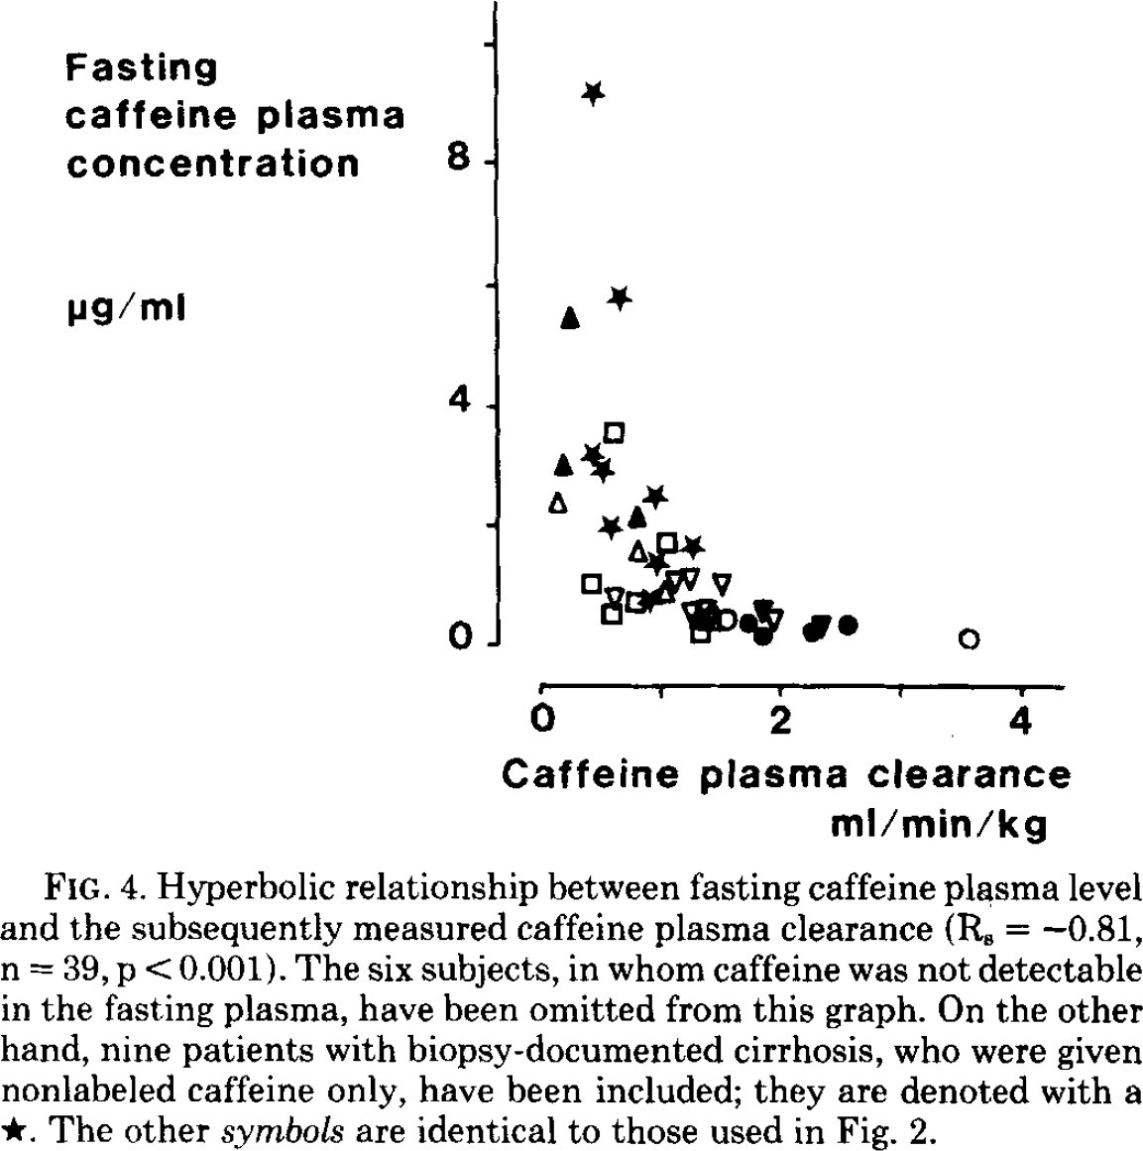
 | CLD_caffeine_plasma_concentration |  | CLD_smokers_caffeine_plasma_concentration |  | MLD_caffeine_plasma_concentration |  | MLD_smokers_caffeine_plasma_concentration |  | PBC_caffeine_plasma_concentration |  | volunteers_caffeine_plasma_concentration |  | volunteers_smokers_caffeine_plasma_concentration |  | biopsy documented cirrhosis nonlabeled caffeine_caffeine_plasma_concentration
0.1064 | 2.3291 | 0.1706 | 2.9395 | 0.5987 | 0.8359 | 1.8223 | 0.6698 | 0.3996 | 1.0641 | 1.5340 | 0.3861 | 1.6992 | 0.3882 | 0.4176 | 3.2391
0.7866 | 1.5302 | 0.2041 | 5.4606 | 1.0854 | 1.1220 | 2.3438 | 0.3961 | 0.5655 | 3.5375 | 3.5512 | 0.1475 | 1.8156 | 0.1754 | 0.3825 | 9.2192
1.0202 | 0.8246 | 0.7765 | 2.1067 | 1.2257 | 1.1731 |  |  | 0.5665 | 0.5389 |  |  | 2.2452 | 0.2302 | 0.6081 | 5.7786
 |  | 1.2942 | 0.4161 | 1.2357 | 0.6296 |  |  | 0.7892 | 0.7064 |  |  | 2.5257 | 0.3984 | 0.5095 | 2.9436
 |  |  |  | 1.3347 | 0.6638 |  |  | 1.0008 | 1.7470 |  |  |  |  | 0.5538 | 1.9886
 |  |  |  | 1.4904 | 1.0940 |  |  | 1.3612 | 0.1204 |  |  |  |  | 0.9322 | 2.5370
 |  |  |  | 1.9139 | 0.4567 |  |  |  |  |  |  |  |  | 0.9277 | 1.3507
 |  |  |  |  |  |  |  |  |  |  |  |  |  | 0.8884 | 0.6912
 |  |  |  |  |  |  |  |  |  |  |  |  |  | 1.2489 | 1.6842

 |  |  |  |  |  |  |  |  | trianglewhite | cirrhotic liver disease
 |  |  |  |  |  |  |  |  | triangleblack | cirrhotic liver disease smokers
 |  |  |  |  |  |  |  |  | reversetrianglewhite | miscalleneous liver disease
 |  |  |  |  |  |  |  |  | reversetriangleblack | miscalleneous liver disease smokers
 |  |  |  |  |  |  |  |  | squarewhite | PBC
 |  |  |  |  |  |  |  |  | circlewhite | volunteers
 |  |  |  |  |  |  |  |  | circleblack | volunteers smokers
 |  |  |  |  |  |  |  |  | starblack | biopsy documented cirrhosis nonlabeled caffeine

Table 1&3
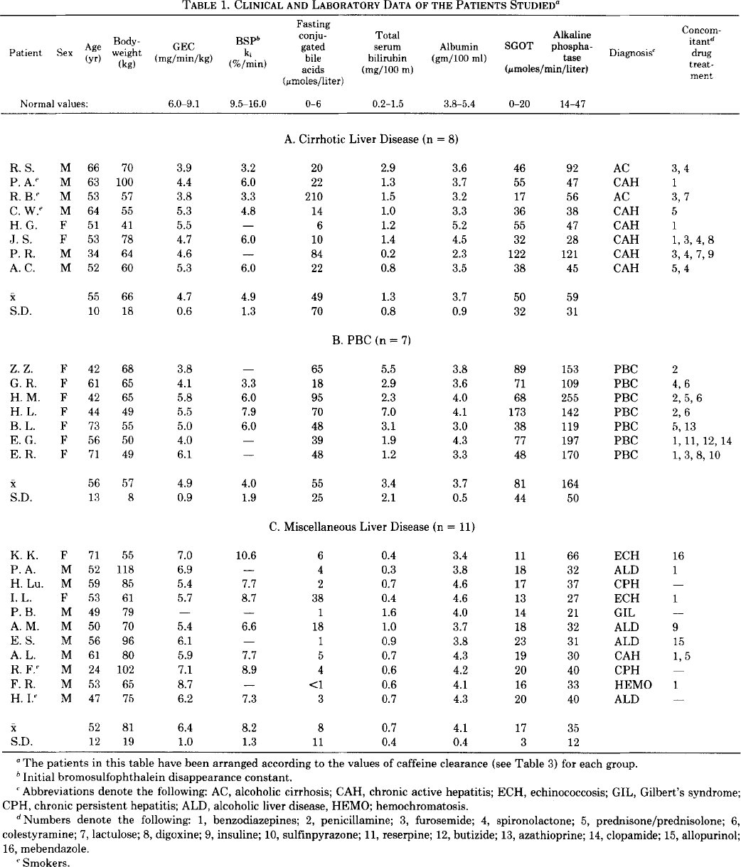
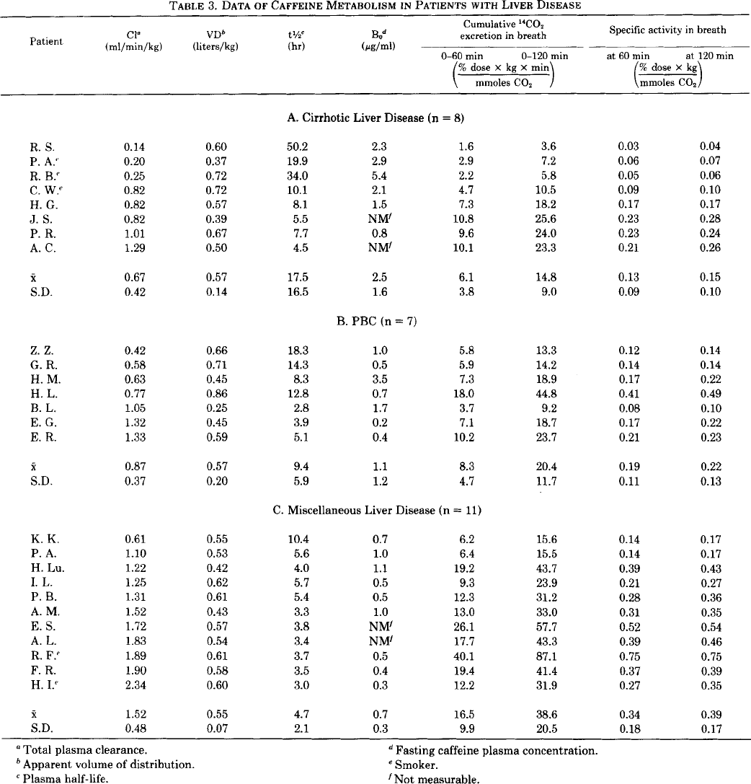
Renner1984-Caffeine, a model compoundfor measuring liver function

species
method
n
subjects

Table 1&3
study | Patient | Sex | Age [y] | Weight [kg] | Smoker | liver disease | GEC [mg/(min*kg)] | BSP ki (initial bromosulfophthalein diasappearance constant) [%/min] | Fasting conjugate bile acids [μmol/l] | Total serum bilirubin [mg/100m] | Albumin [gm/100ml] | SGOT [μmol/(min*l)] | Alkaline Phosphatase [μmol/(min*l)] | Diagnosis | Concomitant drug treatment | Cl (total plasma clearance) [ml/(min*kg)] | Vd (volume of distribution) [l/kg] | t1/2 (plasma half-life) [h] | Be (fasting caffeine plasma concentration) [μg/ml] | 0-60min Cumulative 14CO2 excretion in breath [(%dose*kg*min)/mmolCO2] | 0-120min Cumulative 14CO2 excretion in breath [(%dose*kg*min)/mmolCO2] | 60min Specific activity in breath [(%dose*kg)/mmolCO2] | 120min Specific activity in breath [(%dose*kg)/mmolCO2]
study | patient | sex | age | weight | smoker | liver_disease | GEC | BSP_ki | fasting_conjugate_bile_acids | total_serum_bilirubin | albumin | SGOT | alkaline_phosphatase | diagnosis | concominant_drug_treatment | Cl | Vd | t1/2 | Be | 0-60_CO2_excretion_breath | 0-120_CO2_excretion_breath | 60min_activity_breath | 120min_activity_breath
Renner1984 | RS | M | 66 | 70 | N | CLD | 3.9 | 3.2 | 20 | 2.9 | 3.6 | 46 | 92 | AC | 3.4 | 0.14 | 0.60 | 50.2 | 2.3 | 1.6 | 3.6 | 0.03 | 0.04
Renner1984 | PA | M | 63 | 100 | Y | CLD | 4.4 | 6.0 | 22 | 1.3 | 3.7 | 55 | 47 | CAH | 1 | 0.20 | 0.37 | 19.9 | 2.9 | 2.9 | 7.2 | 0.06 | 0.07
Renner1984 | RB | M | 53 | 57 | Y | CLD | 3.8 | 3.3 | 210 | 1.5 | 3.2 | 17 | 56 | AC | 3.7 | 0.25 | 0.72 | 34.0 | 5.4 | 2.2 | 5.8 | 0.05 | 0.06
Renner1984 | CW | M | 64 | 55 | Y | CLD | 5.3 | 4.8 | 14 | 1.0 | 3.3 | 36 | 38 | CAH | 5 | 0.82 | 0.72 | 10.1 | 2.1 | 4.7 | 10.5 | 0.09 | 0.10
Renner1984 | HG | F | 51 | 41 | N | CLD | 5.5 | NA | 6 | 1.2 | 5.2 | 55 | 47 | CAH | 1 | 0.82 | 0.57 | 8.1 | 1.5 | 7.3 | 18.2 | 0.17 | 0.17
Renner1984 | JS | F | 53 | 78 | N | CLD | 4.7 | 6.0 | 10 | 1.4 | 4.5 | 32 | 28 | CAH | 1.3.4.8 | 0.82 | 0.39 | 5.5 | NA | 10.8 | 25.6 | 0.23 | 0.28
Renner1984 | PR | M | 34 | 64 | N | CLD | 4.6 | NA | 84 | 0.2 | 2.3 | 122 | 121 | CAH | 3.4.7.9 | 1.01 | 0.67 | 7.7 | 0.8 | 9.6 | 24.0 | 0.23 | 0.24
Renner1984 | AC | M | 52 | 60 | N | CLD | 5.3 | 6.0 | 22 | 0.8 | 3.5 | 38 | 45 | CAH | 5.4 | 1.29 | 0.50 | 4.5 | NA | 10.1 | 23.3 | 0.21 | 0.26
Renner1984 | MEAN |  | 55 | 66 |  |  | 4.7 | 4.9 | 49 | 1.3 | 3.7 | 50 | 59 |  |  | 0.67 | 0.57 | 17.5 | 2.5 | 6.2 | 14.8 | 0.13 | 0.15
Renner1984 | SE |  | 10 | 18 |  |  | 0.6 | 1.3 | 70 | 0.8 | 0.9 | 32 | 31 |  |  | 0.42 | 0.14 | 16.5 | 1.6 | 3.8 | 9.0 | 0.09 | 0.10
Renner1984 | ZZ | F | 42 | 68 | N | PBC | 3.8 | NA | 65 | 5.5 | 3.8 | 89 | 153 | PBC | 2 | 0.42 | 0.66 | 18.3 | 1.0 | 5.8 | 13.3 | 0.12 | 0.14
Renner1984 | GR | F | 61 | 65 | N | PBC | 4.1 | 3.3 | 18 | 2.9 | 3.6 | 71 | 109 | PBC | 4.6 | 0.58 | 0.71 | 14.3 | 0.5 | 5.9 | 14.2 | 0.14 | 0.14
Renner1984 | HM | F | 42 | 65 | N | PBC | 5.8 | 6.0 | 95 | 2.3 | 4.0 | 68 | 255 | PBC | 2.5.6 | 0.63 | 0.45 | 8.3 | 3.5 | 7.3 | 18.9 | 0.17 | 0.22
Renner1984 | HL | F | 44 | 49 | N | PBC | 5.5 | 7.9 | 70 | 7.0 | 4.1 | 173 | 142 | PBC | 2.6 | 0.77 | 0.86 | 12.8 | 0.7 | 18.0 | 44.8 | 0.41 | 0.49
Renner1984 | BL | F | 73 | 55 | N | PBC | 5.0 | 6.0 | 48 | 3.1 | 3.0 | 38 | 119 | PBC | 5.13 | 1.05 | 0.25 | 2.8 | 1.7 | 3.7 | 9.2 | 0.08 | 0.10
Renner1984 | EG | F | 56 | 50 | N | PBC | 4.0 | NA | 39 | 1.9 | 4.3 | 77 | 197 | PBC | 1.11.12 | 1.32 | 0.45 | 3.9 | 0.2 | 7.1 | 18.7 | 0.17 | 0.22
Renner1984 | ER | F | 71 | 49 | N | PBC | 6.1 | NA | 48 | 1.2 | 3.3 | 48 | 170 | PBC | 1.3.8.1 | 1.33 | 0.59 | 5.1 | 0.4 | 10.2 | 23.7 | 0.21 | 0.23
Renner1984 | MEAN |  | 56 | 57 |  |  | 4.9 | 5.8 | 55 | 3.4 | 3.7 | 81 | 164 |  |  | 0.87 | 0.57 | 9.4 | 1.1 | 8.3 | 20.4 | 0.19 | 0.22
Renner1984 | SE |  | 13 | 8 |  |  | 0.9 | 1.9 | 25 | 2.1 | 0.5 | 44 | 50 |  |  | 0.37 | 0.20 | 5.9 | 1.2 | 4.7 | 11.7 | 0.11 | 0.13
Renner1984 | KK | F | 71 | 55 | N | MLD | 7.0 | 10.6 | 6 | 0.4 | 3.4 | 11 | 66 | ECH | 16 | 0.61 | 0.55 | 10.4 | 0.7 | 6.2 | 15.6 | 0.14 | 0.17
Renner1984 | PA | M | 52 | 118 | N | MLD | 6.9 | NA | 4 | 0.3 | 3.8 | 18 | 32 | ALD | 1 | 1.10 | 0.53 | 5.6 | 1.0 | 6.4 | 15.5 | 0.14 | 0.17
Renner1984 | HLU | M | 59 | 85 | N | MLD | 5.4 | 7.7 | 2 | 0.7 | 4.6 | 17 | 37 | CPH | NA | 1.22 | 0.42 | 4.0 | 1.1 | 19.2 | 43.7 | 0.39 | 0.43
Renner1984 | IL | F | 53 | 61 | N | MLD | 5.7 | 8.7 | 38 | 0.4 | 4.6 | 13 | 27 | ECH | 1 | 1.25 | 0.62 | 5.7 | 0.5 | 9.3 | 23.9 | 0.21 | 0.27
Renner1984 | PB | M | 49 | 79 | N | MLD | NA | NA | 1 | 1.6 | 4.0 | 14 | 21 | GIL | NA | 1.31 | 0.61 | 5.4 | 0.5 | 12.3 | 31.2 | 0.28 | 0.36
Renner1984 | AM | M | 50 | 70 | N | MLD | 5.4 | 6.6 | 18 | 1.0 | 3.7 | 18 | 32 | ALD | 9 | 1.52 | 0.43 | 3.3 | 1.0 | 13.0 | 33.0 | 0.31 | 0.35
Renner1984 | ES | M | 56 | 96 | N | MLD | 6.1 | NA | 1 | 0.9 | 3.8 | 23 | 31 | ALD | 15 | 1.72 | 0.57 | 3.8 | NA | 26.1 | 57.7 | 0.52 | 0.54
Renner1984 | AL | M | 61 | 80 | N | MLD | 5.9 | 7.7 | 5 | 0.7 | 4.3 | 19 | 30 | CAH | 1.5 | 1.83 | 0.54 | 3.4 | NA | 17.7 | 43.3 | 0.39 | 0.46
Renner1984 | RF | M | 24 | 102 | Y | MLD | 7.1 | 8.9 | 4 | 0.6 | 4.2 | 20 | 40 | CPH | NA | 1.89 | 0.61 | 3.7 | 0.5 | 40.1 | 87.1 | 0.75 | 0.75
Renner1984 | FR | M | 53 | 65 | N | MLD | 8.7 | NA | <1 | 0.6 | 4.1 | 16 | 33 | HEMO | 1 | 1.90 | 0.58 | 3.5 | 0.4 | 19.4 | 41.4 | 0.37 | 0.39
Renner1984 | HI | M | 47 | 75 | Y | MLD | 6.2 | 7.3 | 3 | 0.7 | 4.3 | 20 | 40 | ALD | NA | 2.34 | 0.60 | 3.0 | 0.3 | 12.2 | 31.9 | 0.27 | 0.35
Renner1984 | MEAN |  | 52 | 81 |  |  | 6.4 | 8.2 | 8 | 0.7 | 4.1 | 17 | 35 |  |  | 1.52 | 0.55 | 4.7 | 0.7 | 16.5 | 38.6 | 0.34 | 0.39
Renner1984 | SE |  | 12 | 19 |  |  | 1.0 | 1.3 | 12 | 0.4 | 0.4 | 3 | 12 |  |  | 0.48 | 0.07 | 2.1 | 0.3 | 9.9 | 20.5 | 0.18 | 0.17

Table 2
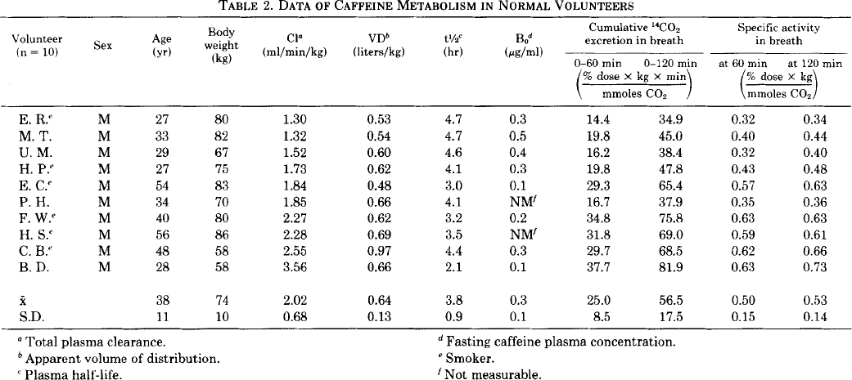
Renner1984-Caffeine, a model compoundfor measuring liver function

species | human
method
n
subjects

Table 1&3
study | Volunteer | Sex | Age [y] | Weight [kg] | Smoker | Cl (total plasma clearance) [ml/(min*kg)] | Vd (volume of distribution) [l/kg] | t1/2 (plasma half-life) [h] | Bo (fasting caffeine plasma concentration) [μg/ml] | 0-60min Cumulative 14CO2 excretion in breath [(%dose*kg*min)/mmolCO2] | 0-120min Cumulative 14CO2 excretion in breath [(%dose*kg*min)/mmolCO2] | 60min Specific activity in breath [(%dose*kg)/mmolCO2] | 120min Specific activity in breath [(%dose*kg)/mmolCO2]
study | volunteer | sex | age | weight | smoker | Cl | Vd | t1/2 | Bo | 0-60_CO2_excretion_breath | 0-120_CO2_excretion_breath | 60min_activity_breath | 120min_activity_breath
Renner1984 | ER | M | 27 | 80 | Y | 1.30 | 0.53 | 4.7 | 0.3 | 14.4 | 34.9 | 0.32 | 0.34
Renner1984 | MT | M | 33 | 82 | N | 1.32 | 0.54 | 4.7 | 0.5 | 19.8 | 45.0 | 0.40 | 0.44
Renner1984 | UM | M | 29 | 67 | N | 1.52 | 0.60 | 4.6 | 0.4 | 16.2 | 38.4 | 0.32 | 0.40
Renner1984 | HP | M | 27 | 75 | Y | 1.73 | 0.62 | 4.1 | 0.3 | 19.8 | 47.8 | 0.43 | 0.48
Renner1984 | EC | M | 54 | 83 | Y | 1.84 | 0.48 | 3.0 | 0.1 | 29.3 | 65.4 | 0.57 | 0.63
Renner1984 | PH | M | 34 | 70 | N | 1.85 | 0.66 | 4.1 | NA | 16.7 | 37.9 | 0.35 | 0.36
Renner1984 | FW | M | 40 | 80 | Y | 2.27 | 0.62 | 3.2 | 0.2 | 34.8 | 75.8 | 0.63 | 0.63
Renner1984 | HS | M | 56 | 86 | Y | 2.28 | 0.69 | 3.5 | NA | 31.8 | 69.0 | 0.59 | 0.61
Renner1984 | CB | M | 48 | 58 | Y | 2.55 | 0.97 | 4.4 | 0.3 | 29.7 | 98.5 | 0.62 | 0.66
Renner1984 | BD | M | 28 | 58 | N | 3.56 | 0.66 | 2.1 | 0.1 | 37.7 | 81.9 | 0.63 | 0.73
Renner1984 | MEAN |  | 38 | 74 |  | 2.02 | 0.64 | 3.8 | 0.3 | 25.0 | 59.5 | 0.49 | 0.53
Renner1984 | SE |  | 11 | 10 |  | 0.68 | 0.13 | 0.9 | 0.1 | 8.5 | 21.8 | 0.13 | 0.14

