Figure 1
Turpault 2009 - Pharmacokinetic assessment of a five-probe cocktail

species | human
method
n | 30
subjects | men
Caffeine
Figure 1 (Caffeine)
study | time [h] | Caffeine plasma concentration [ng/ml] (Caffeine alone) | Caffeine plasma concentration_ SE [ng/ml] (Caffeine alone) | Caffeine plasma concentration [ng/ml] (Cocktail) | Caffeine plasma concentration_ SE [ng/ml] (Cocktail)
study | time | caffeine | caffeine_SE | caffeine_cocktail | caffeine_cocktail_SE
Turpault 2009 | 0.0 | 240.2135 | 421.7082 | 234.8754 | 225.9786
Turpault 2009 | 0.5 | 2236.6548 | 688.6120 | 2316.7260 | 677.9360
Turpault 2009 | 1.0 | 2188.6120 | 523.1317 | 2051.6013 | 419.9287
Turpault 2009 | 2.0 | 1857.6512 | 432.3844 | 1813.1672 | 441.2811
Turpault 2009 | 3.0 | 1638.7900 | 437.7225 | 1571.1743 | 434.1637
Turpault 2009 | 4.0 | 1451.9573 | 405.6939 | 1379.0035 | 441.2811
Turpault 2009 | 5.0 | NA | NA | 1247.3309 | 444.8398
Turpault 2009 | 6.0 | 1067.6156 | 389.6798 | 1069.3950 | 459.0747
Turpault 2009 | 7.0 | NA | NA | 905.6940 | 402.1353
Turpault 2009 | 8.0 | 832.7402 | 357.6513 | 774.0214 | 341.6370
Turpault 2009 | 12.0 | 469.7509 | 234.8754 | 485.7651 | 316.7260
Turpault 2009 | 24.0 | 117.4377 | 85.4093 | 115.6584 | 138.7900

Figure 1 (Paraxanthine)
study | time [h] | Paraxanthine plasma concentration [ng/ml] (caffeine alone) | Paraxanthine plasma concentration_ SE [ng/ml] (caffeine alone) | Paraxanthine plasma concentration [ng/ml] (Cocktail) | Paraxanthine plasma concentration_ SE [ng/ml] (Cocktail)
study | time | paraxanthine | paraxanthine_SE | paraxanthine_cocktail | paraxanthine_cocktail_SE
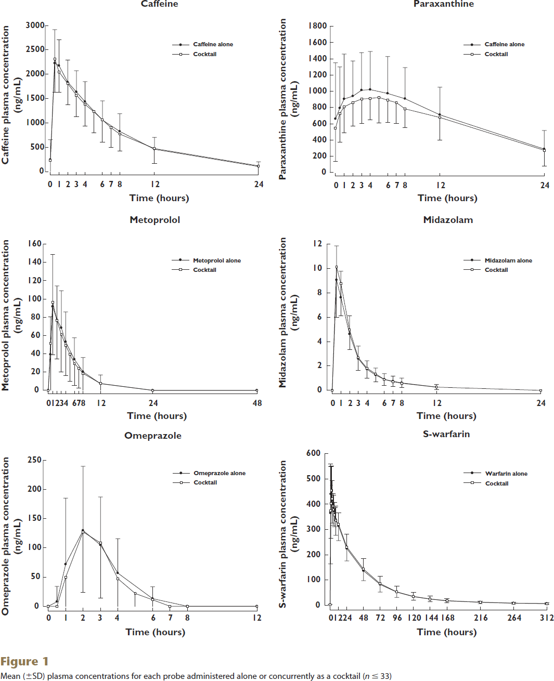
Turpault 2009 | 0.0 | 662.9893 | 685.4093 | 544.4840 | 409.9644
Turpault 2009 | 0.5 | 797.5089 | 499.6442 | 723.8434 | 352.3132
Turpault 2009 | 1.0 | 909.6085 | 547.6869 | 807.1174 | 320.2847
Turpault 2009 | 2.0 | 941.6370 | 429.1815 | 858.3630 | 288.2563
Turpault 2009 | 3.0 | 1012.0997 | 461.2099 | 900.0000 | 297.8648
Turpault 2009 | 4.0 | 1021.7082 | 467.6157 | 912.8114 | 265.8363
Turpault 2009 | 5.0 | NA | NA | 922.4199 | 313.8790
Turpault 2009 | 6.0 | 976.8684 | 451.6014 | 890.3915 | 275.4449
Turpault 2009 | 7.0 | NA | NA | 858.3630 | 259.4306
Turpault 2009 | 8.0 | 912.8114 | 377.9359 | 781.4947 | 230.6050
Turpault 2009 | 12.0 | 711.0320 | 339.5018 | 675.8007 | 275.4448
Turpault 2009 | 24.0 | 291.4591 | 224.1993 | 265.8363 | 185.7651

Figure 1 (Metoprolol)
study | time [h] | Metoprolol plasma concentration [ng/ml] (metoprolol alone) | Metoprolol plasma concentration_ SE [ng/ml] (metoprolol alone) | Metoprolol plasma concentration [ng/ml] (Cocktail) | Metoprolol plasma concentration_ SE [ng/ml] (Cocktail)
study | time | metoprolol | metoprolol_SE | metoprolol_cocktail | metoprolol_cocktail_SE
Turpault 2009 | 0.0 | 0.2842 | NA | 5.68E-14 | NA
Turpault 2009 | 0.5 | 39.5027 | 40.6394 | 52.0071 | 51.1545
Turpault 2009 | 1.0 | 92.3623 | 55.9858 | 96.0568 | 56.8384
Turpault 2009 | 2.0 | 78.4369 | 35.8082 | 76.1634 | 42.0604
Turpault 2009 | 3.0 | 68.4902 | 40.3552 | 61.1012 | 40.9236
Turpault 2009 | 4.0 | 53.1439 | 32.6821 | 49.1652 | 32.9663
Turpault 2009 | 5.0 | NA | NA | 39.5027 | 29.2718
Turpault 2009 | 6.0 | 33.8188 | 23.3037 | 29.2718 | 23.5879
Turpault 2009 | 7.0 | NA | NA | 24.1563 | 21.8828
Turpault 2009 | 8.0 | 21.0302 | 15.0622 | 18.4725 | 17.9041
Turpault 2009 | 12.0 | 7.3890 | 9.3783 | 7.6732 | 7.6732
Turpault 2009 | 24.0 | 0.2842 | NA | 5.68E-14 | NA
Turpault 2009 | 48.0 | 0.5684 | NA | 0.2842 | NA

Figure 1 (Midazolam)
study | time [h] | Midazolam plasma concentration [ng/ml] (midazolam alone) | Midazolam plasma concentration_ SE [ng/ml] (midazolam alone) | Midazolam plasma concentration [ng/ml] (Cocktail) | Midazolam plasma concentration_ SE [ng/ml] (Cocktail)
study | time | midazolam | midazolam_SE | midazolam_cocktail | midazolam_cocktail_SE
Turpault 2009 | 0.0 | 0.0421 | NA | 0.0208 | NA
Turpault 2009 | 0.5 | 9.0738 | 2.7544 | 10.1200 | 4.1209
Turpault 2009 | 1.0 | 7.6213 | 2.1353 | 8.7530 | 2.6477
Turpault 2009 | 2.0 | 4.6738 | 1.4306 | 4.9514 | 1.6228
Turpault 2009 | 3.0 | 2.5377 | 1.0676 | 2.6445 | 1.0249
Turpault 2009 | 4.0 | 1.6614 | 0.7473 | 1.7895 | 0.8327
Turpault 2009 | 5.0 | 1.1694 | 0.6406 | 1.2762 | 0.5979
Turpault 2009 | 6.0 | 0.9337 | 0.4270 | 0.8482 | 0.4698
Turpault 2009 | 7.0 | 0.7406 | 0.4057 | 0.6979 | 0.4057
Turpault 2009 | 8.0 | 0.5902 | 0.3843 | 0.5475 | 0.3417
Turpault 2009 | 12.0 | 0.2664 | 0.2349 | 0.2450 | 0.2349
Turpault 2009 | 24.0 | 0.0218 | NA | 0.0218 | NA

Figure 1 (Omeprazole)
study | time [h] | Omeprazole plasma concentration [ng/ml] (omeprazole alone) | Omeprazole plasma concentration_ SE [ng/ml] (omeprazole alone) | Omeprazole plasma concentration [ng/ml] (Cocktail) | Omeprazole plasma concentration_ SE [ng/ml] (Cocktail)
study | time | omeprazole | omeprazole_SE | omeprazole_cocktail | omeprazole_cocktail_SE
Turpault 2009 | 0.0 | 1.3274 | NA | 0.8850 | NA
Turpault 2009 | 0.5 | 9.7345 | 25.2212 | 0.8850 | NA
Turpault 2009 | 1.0 | 72.5664 | 112.3894 | 50.4425 | 50.0000
Turpault 2009 | 2.0 | 129.6460 | 109.7345 | 127.4336 | 103.0973
Turpault 2009 | 3.0 | 104.8673 | 82.3009 | 108.8496 | 93.8053
Turpault 2009 | 4.0 | 58.8496 | 57.0797 | 47.7876 | 46.4602
Turpault 2009 | 5 | NA | NA | 23.0089 | 22.1239
Turpault 2009 | 6.0 | 15.0442 | 19.4690 | 11.5044 | 10.6195
Turpault 2009 | 7 | NA | NA | 1.3274 | NA
Turpault 2009 | 8.0 | 0.8850 | NA | 1.3274 | NA
Turpault 2009 | 12.0 | 0.8850 | NA | 0.8850 | NA

Figure 1 (S-Warfarin)
study | time [h] | S-Warfarin plasma concentration [ng/ml] (S-Warfarin alone) | S-Warfarin plasma concentration_ SE [ng/ml] (S-Warfarinalone) | S-Warfarin plasma concentration [ng/ml] (Cocktail) | S-Warfarin plasma concentration_ SE [ng/ml] (Cocktail)
study | time | warfarin | warfarin_SE | warfarin_cocktail | warfarin_cocktail_SE
Turpault 2009 | 0.1 | NA | NA | 3.4130 | NA
Turpault 2009 | 0.6 | 440.9556 | 116.7236 | 372.6963 | NA
Turpault 2009 | 1.4 | NA | NA | 402.7304 | NA
Turpault 2009 | 1.9 | NA | NA | 453.9249 | NA
Turpault 2009 | 2.6 | NA | NA | 421.1604 | NA
Turpault 2009 | 4.1 | NA | NA | 391.8089 | NA
Turpault 2009 | 4.9 | NA | NA | 378.1570 | NA
Turpault 2009 | 5.9 | NA | NA | 357.6792 | NA
Turpault 2009 | 7.1 | NA | NA | 340.6144 | NA
Turpault 2009 | 8.1 | NA | NA | 334.4710 | 56.6553
Turpault 2009 | 12.1 | 313.3106 | 52.5597 | 320.1365 | 64.1638
Turpault 2009 | 23.8 | 224.5734 | 56.6553 | 230.0341 | 52.5597
Turpault 2009 | 48.0 | 135.8362 | 49.8294 | 144.7099 | 47.0990
Turpault 2009 | 71.9 | 83.9590 | 31.3993 | 86.6894 | 34.1297
Turpault 2009 | 95.8 | 53.9249 | 22.5256 | 54.6075 | 23.2082
Turpault 2009 | 119.7 | 35.4949 | 17.0648 | 35.4949 | 12.2867
Turpault 2009 | 143.9 | 25.2560 | 12.9693 | 25.2560 | 10.2389
Turpault 2009 | 168.3 | 19.1126 | 8.1911 | 19.1126 | 8.8737
Turpault 2009 | 216.1 | 12.9693 | 4.7782 | 13.6519 | 6.8259
Turpault 2009 | 263.7 | 8.8737 | 4.7782 | 8.8737 | 4.7782
Turpault 2009 | 311.8 | 6.8259 | 5.4608 | 6.8259 | 2.0478

