Figure 1
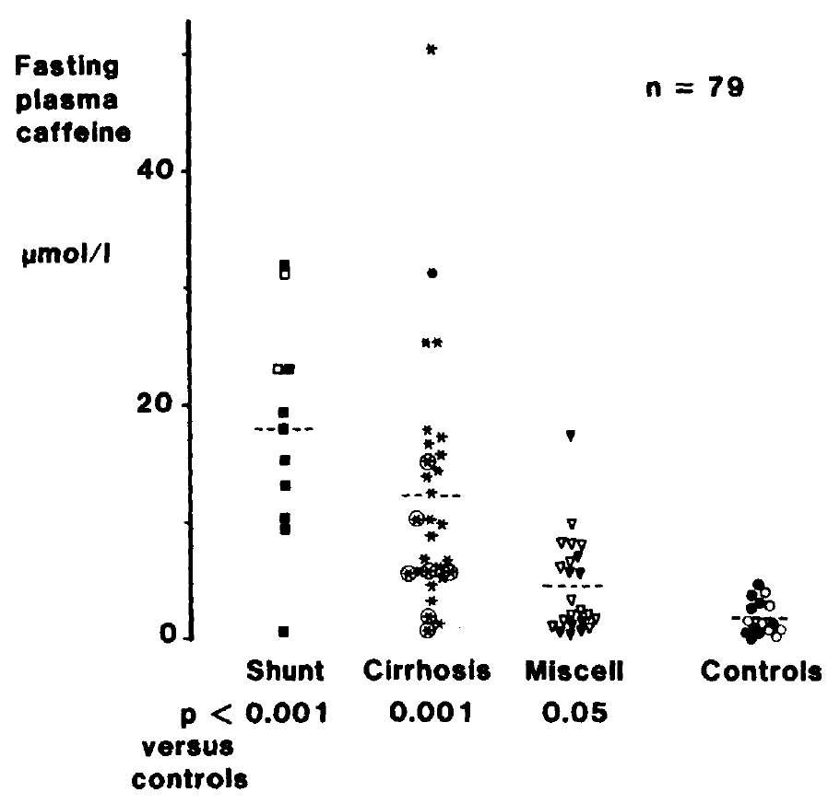
Wahllaender 1985 - Fasting Plasma Caffeine Concentration: A Guide to the Severity of Chronic Liver Disease

species | human
method
n
subjects

Figure 1
study | x axis | Shunt-smokers fasting plasma caffeine concentration [μmol/l] | x axis | Shunt- fasting plasma caffeine concentration [μmol/l] | x axis | Cirrhosis-smokers fasting plasma caffeine concentration [μmol/l] | x axis | Cirrhosis- fasting plasma caffeine concentration [μmol/l] |  | Miscell-smokers fasting plasma caffeine concentration [μmol/l] | x axis | Miscell- fasting plasma caffeine concentration [μmol/l] | x axis | Controls-smokers fasting plasma caffeine concentration [μmol/l] | x axis | Controls- fasting plasma caffeine concentration [μmol/l]
study | x_shunt_smokers | shunt_smokers_fasting_plasma_caffeine_concentration | x_shunt | shunt_fasting_plasma_caffeine_concentration | x_cirrhosis_smokers | cirrhosis_smokers_fasting_plasma_caffeine_concentration | x_cirrhosis | cirrhosis_fasting_plasma_caffeine_concentration | x_miscell_smokers | miscell_smokers_fasting_plasma_caffeine_concentration | x_miscell | miscell_fasting_plasma_caffeine_concentration | x_controls_smokers | controls_smokers_fasting_plasma_caffeine_concentration | x_controls | controls_fasting_plasma_caffeine_concentration
Wahllaender1985 | 1.0000 | 0.8391 | 2.0000 | 23.1909 | 3.0000 | 1.0834 | 4.0000 | 1.4038 | 5.0000 | 0.4699 | 6.0000 | 1.0259 | 7.0000 | -0.5531 | 8.0000 | 1.2515
Wahllaender1985 | 1.0000 | 9.3898 | 2.0000 | 31.0395 | 3.0000 | 2.2600 | 4.0000 | 3.3603 | 5.0000 | 0.3044 | 6.0000 | 1.6439 | 7.0000 | 0.3919 | 8.0000 | 1.0052
Wahllaender1985 | 1.0000 | 10.5664 | 2.0000 |  | 3.0000 | 5.6979 | 4.0000 | 5.0075 | 5.0000 | 0.5303 | 6.0000 | 1.9522 | 7.0000 | -0.0127 | 8.0000 | 0.2155
Wahllaender1985 | 1.0000 | 13.1554 | 2.0000 |  | 3.0000 | 6.1039 | 4.0000 | 7.1982 | 5.0000 | 0.8511 | 6.0000 | 0.9170 | 7.0000 | 0.4617 | 8.0000 | -0.4197
Wahllaender1985 | 1.0000 | 15.2726 | 2.0000 |  | 3.0000 | 5.8813 | 4.0000 | 9.0862 | 5.0000 | 1.1562 | 6.0000 | 1.4613 | 7.0000 | 0.7590 | 8.0000 | 0.3606
Wahllaender1985 | 1.0000 | 17.9384 | 2.0000 |  | 3.0000 | 10.5671 | 4.0000 | 9.8772 | 5.0000 | 5.5496 | 6.0000 | 2.0942 | 7.0000 | 2.1118 | 8.0000 | 2.4083
Wahllaender1985 | 1.0000 | 19.4287 | 2.0000 |  | 3.0000 | 15.3578 | 4.0000 | 10.4196 | 5.0000 | 5.6367 | 6.0000 | 2.2581 | 7.0000 | 2.5753 | 8.0000 | 3.4302
Wahllaender1985 | 1.0000 | 23.1964 | 2.0000 |  | 3.0000 |  | 4.0000 | 12.8500 | 5.0000 | 6.8084 | 6.0000 | 3.1286 | 7.0000 | 3.3659 | 8.0000
Wahllaender1985 | 1.0000 | 32.0575 | 2.0000 |  | 3.0000 |  | 4.0000 | 14.0249 | 5.0000 | 17.3207 | 6.0000 | 5.9605 | 7.0000 | 4.1462 | 8.0000
Wahllaender1985 | 1.0000 |  | 2.0000 |  | 3.0000 |  | 4.0000 | 14.6585 | 5.0000 |  | 6.0000 | 6.3456 | 7.0000 |  | 8.0000
Wahllaender1985 | 1.0000 |  | 2.0000 |  | 3.0000 |  | 4.0000 | 15.9941 | 5.0000 |  | 6.0000 | 7.7456 | 7.0000 |  | 8.0000
Wahllaender1985 | 1.0000 |  | 2.0000 |  | 3.0000 |  | 4.0000 | 16.7708 | 5.0000 |  | 6.0000 | 7.9095 | 7.0000 |  | 8.0000
Wahllaender1985 | 1.0000 |  | 2.0000 |  | 3.0000 |  | 4.0000 | 17.4855 | 5.0000 |  | 6.0000 | 8.3118 | 7.0000 |  | 8.0000
Wahllaender1985 | 1.0000 |  | 2.0000 |  | 3.0000 |  | 4.0000 | 18.0258 | 5.0000 |  | 6.0000 | 9.5588 | 7.0000 |  | 8.0000
Wahllaender1985 | 1.0000 |  | 2.0000 |  | 3.0000 |  | 4.0000 | 25.4833 | 5.0000 |  | 6.0000 |  | 7.0000 |  | 8.0000
Wahllaender1985 | 1.0000 |  | 2.0000 |  | 3.0000 |  | 4.0000 | 25.5535 | 5.0000 |  | 6.0000 |  | 7.0000 |  | 8.0000
Wahllaender1985 | 1.0000 |  | 2.0000 |  | 3.0000 |  | 4.0000 | 50.6577 | 5.0000 |  | 6.0000 |  | 7.0000 |  | 8.0000

 | shunt_smokers_fasting_plasma_caffeine_concentration |  | shunt_fasting_plasma_caffeine_concentration |  | cirrhosis_smokers_fasting_plasma_caffeine_concentration |  | cirrhosis_fasting_plasma_caffeine_concentration |  | miscell_smokers_fasting_plasma_caffeine_concentration |  | miscell_fasting_plasma_caffeine_concentration |  | controls_smokers_fasting_plasma_caffeine_concentration |  | controls_fasting_plasma_caffeine_concentration
1.0000 | 0.8391 | 2.0000 | 23.1909 | 3.0000 | 1.0834 | 4.0000 | 1.4038 | 5.0000 | 0.4699 | 6.0000 | 1.0259 | 7.0000 | -0.5531 | 8.0000 | 1.2515
1.0000 | 9.3898 | 2.0000 | 31.0395 | 3.0000 | 2.2600 | 4.0000 | 3.3603 | 5.0000 | 0.3044 | 6.0000 | 1.6439 | 7.0000 | 0.3919 | 8.0000 | 1.0052
1.0000 | 10.5664 | 2.0000 |  | 3.0000 | 5.6979 | 4.0000 | 5.0075 | 5.0000 | 0.5303 | 6.0000 | 1.9522 | 7.0000 | -0.0127 | 8.0000 | 0.2155
1.0000 | 13.1554 | 2.0000 |  | 3.0000 | 6.1039 | 4.0000 | 7.1982 | 5.0000 | 0.8511 | 6.0000 | 0.9170 | 7.0000 | 0.4617 | 8.0000 | -0.4197
1.0000 | 15.2726 | 2.0000 |  | 3.0000 | 5.8813 | 4.0000 | 9.0862 | 5.0000 | 1.1562 | 6.0000 | 1.4613 | 7.0000 | 0.7590 | 8.0000 | 0.3606
1.0000 | 17.9384 | 2.0000 |  | 3.0000 | 10.5671 | 4.0000 | 9.8772 | 5.0000 | 5.5496 | 6.0000 | 2.0942 | 7.0000 | 2.1118 | 8.0000 | 2.4083
1.0000 | 19.4287 | 2.0000 |  | 3.0000 | 15.3578 | 4.0000 | 10.4196 | 5.0000 | 5.6367 | 6.0000 | 2.2581 | 7.0000 | 2.5753 | 8.0000 | 3.4302
1.0000 | 23.1964 | 2.0000 |  | 3.0000 |  | 4.0000 | 12.8500 | 5.0000 | 6.8084 | 6.0000 | 3.1286 | 7.0000 | 3.3659 | 8.0000
1.0000 | 32.0575 | 2.0000 |  | 3.0000 |  | 4.0000 | 14.0249 | 5.0000 | 17.3207 | 6.0000 | 5.9605 | 7.0000 | 4.1462 | 8.0000
1.0000 |  | 2.0000 |  | 3.0000 |  | 4.0000 | 14.6585 | 5.0000 |  | 6.0000 | 6.3456 | 7.0000 |  | 8.0000
1.0000 |  | 2.0000 |  | 3.0000 |  | 4.0000 | 15.9941 | 5.0000 |  | 6.0000 | 7.7456 | 7.0000 |  | 8.0000
1.0000 |  | 2.0000 |  | 3.0000 |  | 4.0000 | 16.7708 | 5.0000 |  | 6.0000 | 7.9095 | 7.0000 |  | 8.0000
1.0000 |  | 2.0000 |  | 3.0000 |  | 4.0000 | 17.4855 | 5.0000 |  | 6.0000 | 8.3118 | 7.0000 |  | 8.0000
1.0000 |  | 2.0000 |  | 3.0000 |  | 4.0000 | 18.0258 | 5.0000 |  | 6.0000 | 9.5588 | 7.0000 |  | 8.0000
1.0000 |  | 2.0000 |  | 3.0000 |  | 4.0000 | 25.4833 | 5.0000 |  | 6.0000 |  | 7.0000 |  | 8.0000
1.0000 |  | 2.0000 |  | 3.0000 |  | 4.0000 | 25.5535 | 5.0000 |  | 6.0000 |  | 7.0000 |  | 8.0000
1.0000 |  | 2.0000 |  | 3.0000 |  | 4.0000 | 50.6577 | 5.0000 |  | 6.0000 |  | 7.0000 |  | 8.0000

