SCN2-Figure1-TableA1
 | Integrated Assessment Model | Econometric (Cross-Section) | Econometric (Panel) | Computable General Equilibrium Models | Other
1.0 |  | -3.8
1.0 | -1.4
1.0 |  |  |  |  | 2.3
1.0 |  |  |  |  | -2.7
1.0 |  |  |  |  | 0.2
1.0 | -0.2
1.1 |  | -7.4
1.5 |  |  | -8.0
1.6 |  |  | -0.6
1.6 |  |  | -1.6
1.6 |  |  | -1.1
1.7 | -1.4
1.9 |  |  |  | -0.5
2.0 |  | -7.6
2.0 |  |  | -13.0
2.5 |  |  |  | -1.1
2.5 |  |  |  |  | -1.4
2.5 | -0.9
2.5 | -1.9
2.5 | -1.4
2.5 |  | 0.1
2.5 | -1.5
2.5 | -1.5
2.5 | -1.7
2.5 | -2.5
2.5 |  |  |  |  | -5.2
2.5 | -1.9
2.9 | -2.0
2.9 |  |  |  | -1.8
3.0 | -0.8
3.0 |  |  |  |  | -5.0
3.0 |  |  |  |  | -7.1
3.0 | -10.6
3.0 | -4.9
3.0 | -2.2
3.0 | -3.6 |  |  |  | -1.9
3.0 | -1.3
3.0 |  | -0.9
3.0 |  | -1.1
3.0 |  | -1.7
3.0 |  | -3.0
3.0 | -2.5
3.5 |  |  | -11.4
3.5 |  | -6.6
3.8 | -11.4
3.9 | -0.9
4.3 |  |  | -23.0
4.3 |  |  | -4.4
4.3 |  |  | -10.0
4.3 |  |  | -7.2
...
Author | Letter | Warming | Integrated Assessment Model | Econometric (Cross-Section) | Econometric (Panel) | Other | Computable General Equilibrium Models | Notes
Horowitz (2009) | i | 1.0 |  | -3.8 |  |  |  | Cross-section - Really strange result in base model. Not clear why sterner has 0.7C, it is 1C. | -3.8
Tol (2013 | af | 1.0 | -1.4 |  |  |  |  |  | -1.4
Tol 2002 | ah | 1.0 |  |  |  | 2.3 |  | Benchmark Estimates - simple aggregation | 2.3
Tol 2002 | ah | 1.0 |  |  |  | -2.7 |  | Benchmark Estimates - globally averaged prices for non-market goods | -2.7
Tol 2002 | ah | 1.0 |  |  |  | 0.2 |  | Benchmark Estimates - equity weights | 0.2
Nordhaus (2017) | r | 1.0 | -0.2 |  |  |  |  | Derived Using DICE2016R-090916ap-v2, which was used for PNAS 2017 paper | -0.2423
Choiniere and Horowitz (2006) | c | 1.1 |  | -7.4 |  |  |  | Cross-section - The study uses a 2F warming, which is +1.11C | -7.4
Pretis et al (2018) | ab | 1.5 |  |  | -8.0
Kahn et al (2021) - HA | k | 1.6 |  |  | -0.6
Kahn et al (2021) - LA | k | 1.6 |  |  | -1.6
Kahn et al (2021) - MA | k | 1.6 |  |  | -1.1
Gunasekera et al. (2008) | f | 1.7 | -1.4 |  |  |  |  | 1.3 wrt 2000 (2050) | -1.4
Bosello et al. 2012 | a | 1.9 |  |  |  |  | -0.5 |  | -0.5
Horowitz (2009) | i | 2.0 |  | -7.6 |  |  |  | Extrapolated from +1 - paper says that the effect is roughtly linear | -7.6
Pretis et al (2018) | ab | 2.0 |  |  | -13.0
Dellink et al (2014) | d | 2.5 |  |  |  |  | -1.1 |  | -1.1
Fankhauser 1995 | e | 2.5 |  |  |  | -1.4 |  |  | -1.4
Hope 2006 | h | 2.5 | -0.9 |  |  |  |  |  | -0.9
Manne and Richels (2005) | m | 2.5 | -1.9 |  |  |  |  |  | -1.9
Manne et al. (1995) | n | 2.5 | -1.4 |  |  |  |  |  | -1.4
Mendelsohn et al. 2000 | p | 2.5 |  | 0.1 |  |  |  |  | 0.1
Nordhaus 2016 | x | 2.5 | -1.5 |  |  |  |  |  | -1.5053
Nordhaus and Boyer 2000 | y | 2.5 | -1.5 |  |  |  |  |  | -1.5
Nordhaus and Yang 1996 | z | 2.5 | -1.7 |  |  |  |  |  | -1.7
Plambeck and Hope 1996 | aa | 2.5 | -2.5 |  |  |  |  |  | -2.5
Schauer (1995) | ad | 2.5 |  |  |  | -5.2 |  |  | -5.2
Tol 1995 | ag | 2.5 | -1.9 |  |  |  |  |  | -1.9
Nordhaus 2013 | w | 2.9 | -2.0 |  |  |  |  |  | -2
Roson and van der Mensbrugghe 2012 | ac | 2.9 |  |  |  |  | -1.8 |  | -1.8
Hope (2011) | g | 3.0 | -0.8 |  |  |  |  |  | -0.8
Howard and Sylvan(2015) | j | 3.0 |  |  |  | -5.0 |  | median - economists | -5
Howard and Sylvan(2015) | j | 3.0 |  |  |  | -7.1 |  | mean - economists | -7.1
Nordhaus (2014) | q | 3.0 | -10.6 |  |  |  |  |  | -10.6
Nordhaus (2014) | q | 3.0 | -4.9 |  |  |  |  |  | -4.9
 | Integrated Assessment Model | Econometric (Panel)
1.0
1.0 | -3.8
1.0 | -1.4
1.0 | 2.3
1.0 | -2.7
1.0 | 0.2
1.1 | -0.2423
1.5 | -7.4 | -8.0
1.6 | 0 | -0.6
1.6 | 0 | -1.6
1.6 | 0 | -1.1
1.7 | 0
1.9 | -1.4
2.0 | -0.5
2.0 | -7.6 | -13.0
2.5 | 0
2.5 | -1.1
2.5 | -1.4
2.5 | -0.9
2.5 | -1.9
2.5 | -1.4
2.5 | 0.1
2.5 | -1.5053
2.5 | -1.5
2.5 | -1.7
2.5 | -2.5
2.5 | -5.2
2.9 | -1.9
2.9 | -2
3.0 | -1.8
3.0 | -0.8
3.0 | -5
3.0 | -7.1
3.0 | -10.6
3.0 | -4.9
3.0 | -2.1663
3.0 | -1.9
3.0 | -1.3
3.0 | -0.93
3.0 | -1.05
3.0 | -1.73
3.0 | -2.95
3.5 | -2.5 | -11.4
3.5 | 0
3.8 | -6.6
3.9 | -11.4
4.3 | -0.9 | -23.0
4.3 | 0 | -4.4
4.3 | 0 | -10.0
4.3 | 0 | -7.2
...
Nordhaus (2017) | r | 3.0 | -2.2 |  |  |  |  |  | -2.1663
Nordhaus 1994a | s | 3.0 | -3.6 |  |  | -1.9 |  |  | -1.9
Nordhaus 1994b | t | 3.0 | -1.3 |  |  |  |  |  | -1.3
Nordhaus 2006 | u | 3.0 |  | -0.9 |  |  |  | only warming - output weights | -0.93
Nordhaus 2006 | u | 3.0 |  | -1.1 |  |  |  | warming and drying - population weights | -1.05
Nordhaus 2006 | u | 3.0 |  | -1.7 |  |  |  | only warming - population weights | -1.73
Nordhaus 2006 | u | 3.0 |  | -3.0 |  |  |  | warming and drying - population weights | -2.95
Nordhaus 2008 | v | 3.0 | -2.5 |  |  |  |  |  | -2.5
Kalkuhl and Wenz (2020) | l | 3.5 |  |  | -11.4
Kalkuhl and Wenz (2020) | l | 3.5 |  | -6.6 |  |  |  |  | -6.6
Gunasekera et al. (2008) | f | 3.8 | -11.4 |  |  |  |  | 3.4 wrt to 2000 (2100) | -11.4
Stern 2006 | ae | 3.9 | -0.9 |  |  |  |  |  | -0.9
Burke et al (2015) | b | 4.3 |  |  | -23.0
Kahn et al (2019) - HA | k | 4.3 |  |  | -4.4
Kahn et al (2019) - LA | k | 4.3 |  |  | -10.0
Kahn et al (2019) - MA | k | 4.3 |  |  | -7.2
Nordhaus (2017) | r | 4.3 | -4.4 |  |  |  |  |  | -4.4465
Stern 2006 | ae | 4.3 | -2.9 |  |  |  |  |  | -2.9

Average |  | -2.7
Median |  | -1.5
Max |  | 0.1
Min |  | -13.0
average |  | -5.1
median |  | -3.3
max |  | -0.8
min |  | -23.0

SCN2-Figure2
 | UNEP (2014) |  | Agrawala and others - Unmitigated |  | Agrawala and others - +2.5C |  | WB (2010) |  | WB (2006) |  | UNFCCC (2009) |  | Parry and others (2009) - Unmitigated |  | Parry and others (2009) - +2C
 | Low | High | AD-DICE | AD-WITCH | AD-DICE | AD-WITCH | Low | High | Low | High | Low | High | Low | High | Low | High
2030 | 0.13% | 0.27% | 0.10% | 0.01% | 0.05% | 0.01% | 0.09% | 0.07% | 0.01% | 0.03% | 0.04% | 0.16%
2050 | 0.17% | 0.31% | 0.30% | 0.15% | 0.20% | 0.10% | 0.08% | 0.07% |  |  |  |  | 0.04% | 0.08% | 0.04% | 0.08%

 | UNEP (2014) | UNEP (2014) | Agrawala and others - Unmitigated | Agrawala and others - Unmitigated | Agrawala and others - +2.5C | Agrawala and others - +2.5C | WB (2010) | WB (2010) | WB (2006) | WB (2006) | UNFCCC (2009) | UNFCCC (2009)
2030 | 0.13% | 0.27% | 0.10% | 0.01% | 0.05% | 0.01% | 0.09% | 0.07% | 0.01% | 0.03% | 0.04% | 0.16%
2050 | 0.17% | 0.31% | 0.30% | 0.15% | 0.20% | 0.10% | 0.08% | 0.07%

SCN2-Fig3
(in percent of GDP) | Strengthening new projects | Strengthening existing assets | Coastal protection to future sea-level rise | total | total (USD billions) | total (USD, just strengthening) | total (EUR billions) |  | coastal protection to future sea-level rise (maintenance costs only) |  | (in percent of GDP) |  | (in percent of GDP)
 |  |  |  |  |  |  |  | iso | protec_MinvCBA_1530 | missing | resid_risksCBA_1530 | missing | wb_resid_risks6 | missing | Risk reduction

 |  |  |  |  |  |  |  |  |  |  |  |  |  |  |  |  | strengthening new projects | strengthening existing assets | Coastal protection | coastal protection (maintenance) | Residual risks (right scale) | Reduction in residual risks (RHS) | strengthening new projects | strengthening existing assets | coastal protection (total) | coastal protection (maintenance) | Residual risks

 |  |  |  |  |  |  |  |  |  |  |  |  |  |  |  |  |  |  | (total)
 |  |  |  |  |  |  |  |  |  |  |  |  |  |  |  |  | GDP weighted average |  |  |  |  |  | In billion USD
 |  |  |  |  |  |  |  |  |  |  |  |  |  |  |  | AE | 0.02 | 0.23 | 0.08 | 0.05 | 0.01 | 0.05 | 8.3 | 119.4 | 39.8 | 24.4 | 6.4
 |  |  |  |  |  |  |  |  |  |  |  |  |  |  |  | EME | 0.32 | 0.76 | 0.10 | 0.04 | 0.04 | 0.05 | 106.5 | 253.1 | 31.5 | 13.4 | 12.6
 |  |  |  |  |  |  |  |  |  |  |  |  |  |  |  | LIC | 0.13 | 0.38 | 0.45 | 0.12 | 0.06 | 0.29 | 2.9 | 8.5 | 10.0 | 2.8 | 1.3
 |  |  |  |  |  |  |  |  |  |  |  |  |  |  |  | SDS | 0.06 | 0.28 | 1.90 | 0.92 | 0.07 | 0.14 | 0.1 | 0.3 | 2.1 | 1.0 | 0.1

 |  |  |  |  |  |  |  |  |  |  |  |  |  |  |  | TOTAL |  |  |  |  |  |  |  |  | 83.3 | 41.5
 | GDP weighted averages |  |  |  |  |  |  |  |  |  |  |  |  |  |  |  |  |  |  |  |  |  |  |  |  | half coastal protection is maintenance
AE | 0.02 | 0.23 | 0.08 | 0.32 | 167.5
EME | 0.32 | 0.76 | 0.10 | 1.18 | 391.1
LIC | 0.13 | 0.38 | 0.45 | 0.96 | 21.3
SDS | 0.06 | 0.28 | 1.90 | 2.24 | 2.4

SCN2-Figure4
Historic Outcomes
Macro Projection for Years 1-2
Macro Framework for Years 3-20
Impact of past disasters
…but near-term risks assessed using alternative scenario…
Forecast excludes shocks…
…and long-term policy sustainability assessed after adjusting for average annual impact of disasters

SCN2-Box3-Fig1
 |  |  |  |  |  |  | Data as of Jan 2021
 | Upgrade | Retrofit | Coastal | Total | GDP (2018) | Total US$ Annual | GCF Approved | GCF Disbursed
Fiji | 0.17 | 0.74 | 0.7 | 1.61 | 5,581 | 89.9 | 40 | 21
Kiribati |  |  | 26.3 | 26.3 | 197 | 51.7 | 29 | 0
Marshall Islands | 0.09 | 0.42 | 5.9 | 6.41 | 221 | 14.2 | 56 | 27
Micronesia | 0.01 | 0.03 | 0.03 | 0.07 | 402 | 0.3 | 2 | 2
Nauru |  |  |  | 0 | 124 | 0.0 | 29 | 26
Palau | 0.01 | 0.04 |  | 0.05 | 280 | 0.1 | 10 | 0
PNG | 0.08 | 0.76 | 1.2 | 2.04 | 24,110 | 491.8 | 2 | 2
Samoa |  |  | 2.6 | 2.6 | 822 | 21.4 | 60 | 26
Solomon Islands | 0.03 | 0.08 | 2.5 | 2.61 | 1,594 | 41.6 | 86 | 78
Tonga | 0.14 | 0.47 | 3.6 | 4.21 | 489 | 20.6 | 32 | 26
Tuvalu |  |  | 17.7 | 17.7 | 43 | 7.5 | 46 | 7
Vanuatu | 0.11 |  | 13.8 | 13.91 | 915 | 127.2 | 23 | 5

Total | 0.64 | 2.54 | 74.33 | 77.51 | 34,777 | 866 | 415 | 220

GCF data as of May 2021
Estimated Annual Financing Need | 866
GCF Approved | 423
GCF Disbursed | 239

SCN2-Box3-Fig2
Country | exposure2018 | adaptation_pctGDP
Fiji | 0.46027958976 | 0.039077764752
Kiribati | 0.6184998834 | 0.59788359788
Marshall Islands | 0.58698716681 | 0.33177570093
Micronesia | 0.59765587345 | 0.061497326203
Nauru | 0.5863922458 | 0.36752136752
Palau | 0.53168630769 | 0.097643097643
Papua New Guinea | 0.49093342172 | 0.022421314321
Samoa | 0.47780061486 | 0.22183507549
Solomon Islands | 0.55707925981 | 0.15238764045
Tonga | 0.54469784551 | 0.17872340426
Vanuatu | 0.48668894334 | 0.34913793103

SNC2-Box4-Figure1
Fiscal Year | t | t+1 | t+2 | t+3 | t+4 | t+5
Overal resilliance investment (%GDP) | 0.25 | 0.75 | 1.00 | 1.00 | 0.80 | 0.70
Cumulative | 0.25 | 1.00 | 2.00 | 3.00 | 3.80 | 4.50

Climate dedicated taxation (new/increase) | - | - | 0.10 | 0.20 | 0.20 | 0.20
Current spending (subventions) | - | 0.10 | 0.15 | 0.15 | 0.15 | 0.10
Development spending, o/w: | 0.25 | 0.65 | 0.85 | 0.85 | 0.65 | 0.60
Development spending (Foreign financed) | 0.05 | 0.15 | 0.30 | 0.30 | 0.30 | 0.30
Development spending (Domestically financed) | 0.2 | 0.5 | 0.55 | 0.55 | 0.35 | 0.3
Crowding out | 0 | 0.2 | 0.2 | 0.2 | 0.2 | 0.2
 | 0.2 | 0.3 | 0.35 | 0.35 | 0.15 | 0.1
Impact on DPB (RHS) | -0.2 | -0.4 | -0.4 | -0.3 | -0.1 | 0

total resiliance investment | 0.25 | 0.75 | 1 | 1 | 0.8 | 0.7
Financed by: | 0.05 | 0.35 | 0.6 | 0.7 | 0.7 | 0.7
Dedicated tax revenue | 0 | 0 | 0.1 | 0.2 | 0.2 | 0.2
Foreign grants/loans | 0.05 | 0.15 | 0.3 | 0.3 | 0.3 | 0.3
Crowding-out of existing non-priority invest | 0 | 0.2 | 0.2 | 0.2 | 0.2 | 0.2
Addition to DPB | 0.2 | 0.4 | 0.4 | 0.3 | 0.1 | 0
<check> | TRUE | TRUE | TRUE | TRUE | TRUE | TRUE

Impact on DPB | -0.2 | -0.4 | -0.4 | -0.3 | -0.1 | 0
Impact on Primary Balance | -0.225 | -0.675 | -0.75 | -0.65 | -0.45 | -0.35
[assumes half of FFDS is grant financed]

Primary Balance assumes half of the FFDS is grant financed

Fiscal Year | t | t+1 | t+2 | t+3 | t+4 | t+5 | Average
total resiliance investment | 0.25 | 0.75 | 1 | 1 | 0.8 | 0.7
Financed by: | 0.05 | 0.35 | 0.6 | 0.7 | 0.7 | 0.7
Dedicated tax revenue | 0 | 0 | 0.1 | 0.2 | 0.2 | 0.2
Foreign grants/loans | 0.05 | 0.15 | 0.3 | 0.3 | 0.3 | 0.3
Crowding-out of existing non-priority invest | 0 | 0.2 | 0.2 | 0.2 | 0.2 | 0.2
Addition to DPB | 0.2 | 0.4 | 0.4 | 0.3 | 0.1 | 0

FFDS as share of total spending (percent) | 20.0 | 20.0 | 30.0 | 30.0 | 37.5 | 42.9 | 32.1
FFDS as share of increased capital spending | 20.0 | 23.1 | 35.3 | 35.3 | 46.2 | 50.0 | 38.0

SCN2-FigureA1
(in percent of GDP) | Strengthening new projects | Strengthening existing assets | total

 | Strengthening new projects | Strengthening existing assets | #REF!
AE | 0.25 | 0.43
EME | 0.65 | 0.66
LIC | 0.45 | 0.66
SDS | 0.45 | 0.97

 | GDP weighted averages
AE | 0.25 | 0.43 | 0.68
EME | 0.65 | 0.66 | 1.31
LIC | 0.45 | 0.66 | 1.11
SDS | 0.45 | 0.97 | 1.42

TOTAL

SCN2-FigureA2
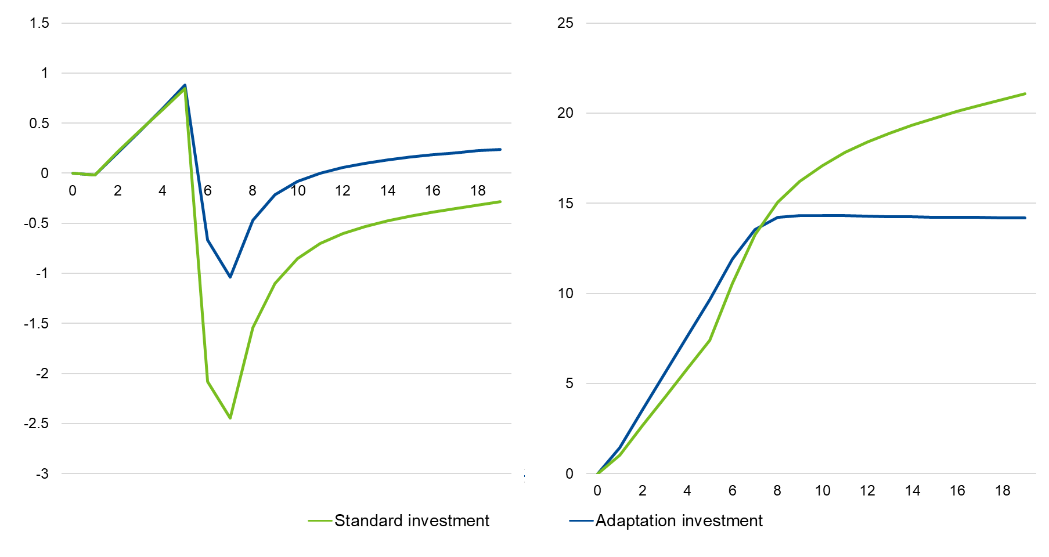
0 | 0 | 0
1 | -0.018825050766 | -0.015446035714
2 | 0.20149562274 | 0.21450447927
3 | 0.42279600316 | 0.43143842077
4 | 0.64767771794 | 0.64022820195
5 | 0.87837167678 | 0.84466377322
6 | -0.66434086811 | -2.0778071729
7 | -1.0356366213 | -2.4465808152
8 | -0.46983274022 | -1.5394880159
9 | -0.21606529618 | -1.102585077
10 | -0.080923010188 | -0.85433165703
11 | 0.0012671066371 | -0.70378727939
12 | 0.057117996645 | -0.6040367866
13 | 0.098253072408 | -0.53179441422
14 | 0.13141568825 | -0.47523574213
15 | 0.15953211989 | -0.42820049144
16 | 0.18381939353 | -0.3873564558
17 | 0.20496597535 | -0.35081322249
18 | 0.22338997172 | -0.31743803536
19 | 0.23938014336 | -0.28651262357
0 | 0 | 0
1 | 1.4406688676 | 1.0315304849
2 | 3.5366852261 | 2.6559159209
3 | 5.6028587891 | 4.2559765291
4 | 7.6419786982 | 5.8361070804
5 | 9.663223547 | 7.4096024606
6 | 11.903551418 | 10.535692155
7 | 13.552330988 | 13.262611037
8 | 14.220039934 | 15.068841108
9 | 14.330443964 | 16.213382226
10 | 14.331244477 | 17.100767349
11 | 14.311377418 | 17.810346011
12 | 14.28276509 | 18.398393686
13 | 14.25624785 | 18.901218045
14 | 14.236603729 | 19.3429588
15 | 14.22235448 | 19.740084031
16 | 14.211919702 | 20.104149645
17 | 14.204356763 | 20.443468503
18 | 14.19902991 | 20.764138181
19 | 14.195485887 | 21.070693104

 | Standard investment | Adaptation investment
0 | 0 | 0
1 | -0.0164831106 | -0.018825050766
2 | 0.1888438432 | 0.20149562274
3 | 0.38724381058 | 0.42279600316
4 | 0.58135480508 | 0.64767771794
5 | 0.77287717612 | 0.87837167678
6 | -0.81942564212 | -0.66434086811
7 | -1.2121020695 | -1.0356366213
8 | -0.63781049993 | -0.46983274022
9 | -0.38465521636 | -0.21606529618
10 | -0.2502183648 | -0.080923010188
11 | -0.16773057507 | 0.0012671066371
12 | -0.11034926319 | 0.057117996645
13 | -0.066556721761 | 0.098253072408
14 | -0.030031598267 | 0.13141568825
15 | 0.0016157456859 | 0.15953211989
16 | 0.029615757438 | 0.18381939353
17 | 0.054610754655 | 0.20496597535
18 | 0.076972703755 | 0.22338997172
19 | 0.096947982423 | 0.23938014336

SCN2-FigureA3
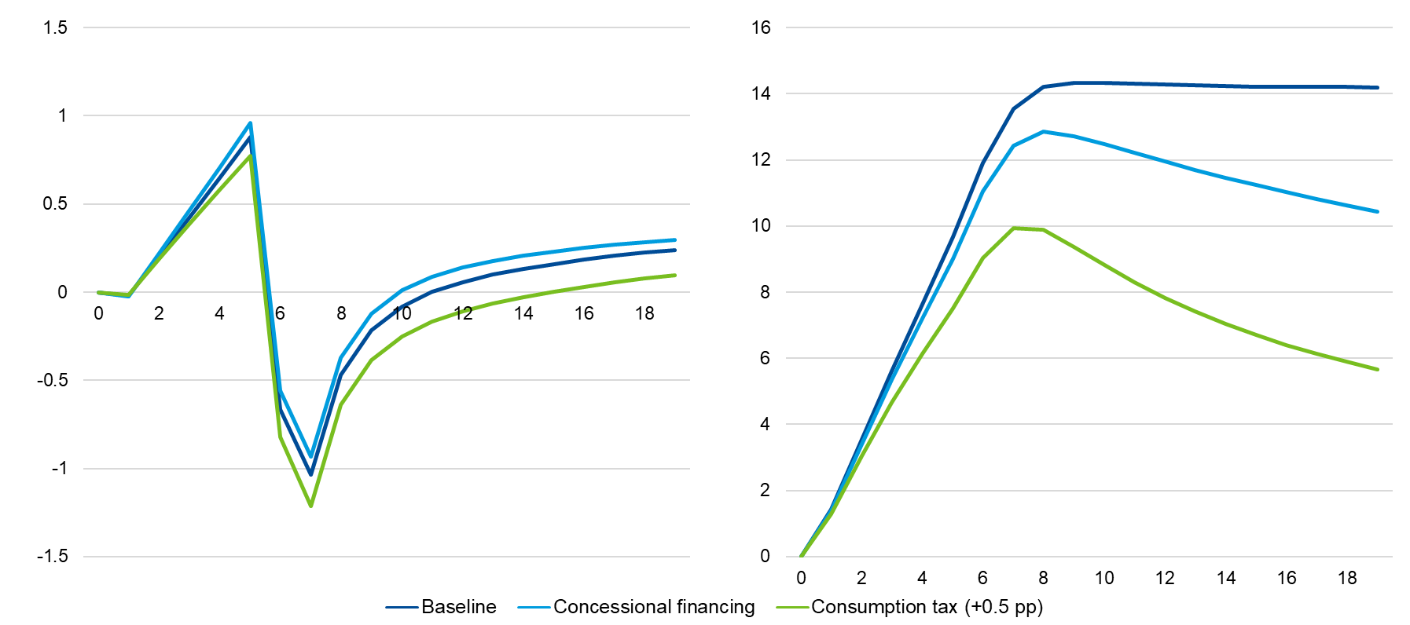
 | Baseline | Low investment efficiency | High investment efficiency
0 | 0 | 0 | 0
1 | 1.4406688676 | 1.4182998295 | 1.46754574
2 | 3.5366852261 | 3.5623639924 | 3.511472887
3 | 5.6028587891 | 5.6722836577 | 5.528986036
4 | 7.6419786982 | 7.7521445517 | 7.5221182646
5 | 9.663223547 | 9.8116030876 | 9.49929338
6 | 11.903551418 | 12.14328136 | 11.613110652
7 | 13.552330988 | 13.875255483 | 13.14134592
8 | 14.220039934 | 14.656500873 | 13.698724202
9 | 14.330443964 | 14.84698442 | 13.724210164
10 | 14.331244477 | 14.918677452 | 13.657391988
11 | 14.311377418 | 14.965481329 | 13.608975739
12 | 14.28276509 | 15.000417992 | 13.581113395
13 | 14.25624785 | 15.025452937 | 13.564817116
14 | 14.236603729 | 15.042678095 | 13.555760332
15 | 14.22235448 | 15.053888022 | 13.551563497
16 | 14.211919702 | 15.060518442 | 13.550845865
17 | 14.204356763 | 15.063674437 | 13.552742937
18 | 14.19902991 | 15.064188491 | 13.556671354
19 | 14.195485887 | 15.062680546 | 13.562210357
 | Baseline | Low investment efficiency | High investment efficiency
0 | 0 | 0 | 0
1 | 1.4406688676 | 1.4182998295 | 1.46754574
2 | 3.5366852261 | 3.5623639924 | 3.511472887
3 | 5.6028587891 | 5.6722836577 | 5.528986036
4 | 7.6419786982 | 7.7521445517 | 7.5221182646
5 | 9.663223547 | 9.8116030876 | 9.49929338
6 | 11.903551418 | 12.14328136 | 11.613110652
7 | 13.552330988 | 13.875255483 | 13.14134592
8 | 14.220039934 | 14.656500873 | 13.698724202
9 | 14.330443964 | 14.84698442 | 13.724210164
10 | 14.331244477 | 14.918677452 | 13.657391988
11 | 14.311377418 | 14.965481329 | 13.608975739
12 | 14.28276509 | 15.000417992 | 13.581113395
13 | 14.25624785 | 15.025452937 | 13.564817116
14 | 14.236603729 | 15.042678095 | 13.555760332
15 | 14.22235448 | 15.053888022 | 13.551563497
16 | 14.211919702 | 15.060518442 | 13.550845865
17 | 14.204356763 | 15.063674437 | 13.552742937
18 | 14.19902991 | 15.064188491 | 13.556671354
19 | 14.195485887 | 15.062680546 | 13.562210357
 | Baseline | Low investment efficiency | High investment efficiency
0 | 0 | 0 | 0
1 | -0.018825050766 | -0.021286832986 | -0.016011286907
2 | 0.20149562274 | 0.140823039 | 0.25718836662
3 | 0.42279600316 | 0.29883172051 | 0.5313990267
4 | 0.64767771794 | 0.45639762442 | 0.80729679088
5 | 0.87837167678 | 0.61611281603 | 1.0856074862
6 | -0.66434086811 | -1.0244004734 | -0.39174078957
7 | -1.0356366213 | -1.469914216 | -0.73453997014
8 | -0.46983274022 | -0.97356710975 | -0.074017276787
9 | -0.21606529618 | -0.72942821508 | 0.20023449712
10 | -0.080923010188 | -0.58968763584 | 0.33933026034
11 | 0.0012671066371 | -0.49977124353 | 0.42190541415
12 | 0.057117996645 | -0.43516637307 | 0.47872467213
13 | 0.098253072408 | -0.38447789322 | 0.52083418989
14 | 0.13141568825 | -0.34209978624 | 0.55376326612
15 | 0.15953211989 | -0.30521683258 | 0.58027641673
16 | 0.18381939353 | -0.27235543368 | 0.60184173959
17 | 0.20496597535 | -0.24269546463 | 0.6193080952
18 | 0.22338997172 | -0.21574104539 | 0.63322435262
19 | 0.23938014336 | -0.19116191096 | 0.64398951476
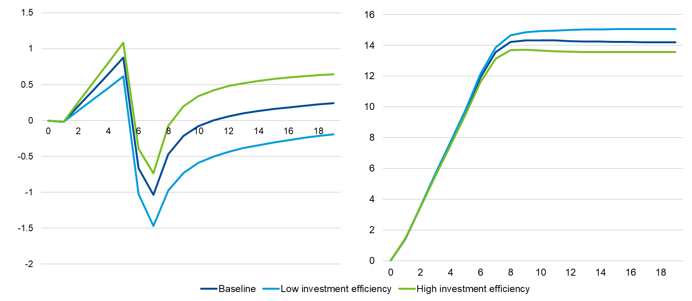

 | Baseline | Concessional financing | Consumption tax (+0.5 pp)
0 | 0 | 0 | 0
1 | -0.018825050766 | -0.022331462937 | -0.0164831106
2 | 0.20149562274 | 0.21899777636 | 0.1888438432
3 | 0.42279600316 | 0.46125218023 | 0.38724381058
4 | 0.64767771794 | 0.7073976237 | 0.58135480508
5 | 0.87837167678 | 0.95995647357 | 0.77287717612
6 | -0.66434086811 | -0.56025385446 | -0.81942564212
7 | -1.0356366213 | -0.93295898172 | -1.2121020695
8 | -0.46983274022 | -0.37185564263 | -0.63781049993
9 | -0.21606529618 | -0.12168329627 | -0.38465521636
10 | -0.080923010188 | 0.0093037695483 | -0.2502183648
11 | 0.0012671066371 | 0.087270219659 | -0.16773057507
12 | 0.057117996645 | 0.13891567451 | -0.11034926319
13 | 0.098253072408 | 0.17591924611 | -0.066556721761
14 | 0.13141568825 | 0.205297854 | -0.030031598267
15 | 0.15953211989 | 0.22982399489 | 0.0016157456859
16 | 0.18381939353 | 0.25071224582 | 0.029615757438
17 | 0.20496597535 | 0.26863551403 | 0.054610754655
18 | 0.22338997172 | 0.28399990434 | 0.076972703755
19 | 0.23938014336 | 0.29708365408 | 0.096947982423
0 | 0 | 0 | 0
1 | -0.018825050766 | -0.022331462937 | -0.0164831106
2 | 0.20149562274 | 0.21899777636 | 0.1888438432
3 | 0.42279600316 | 0.46125218023 | 0.38724381058
4 | 0.64767771794 | 0.7073976237 | 0.58135480508
5 | 0.87837167678 | 0.95995647357 | 0.77287717612
6 | -0.66434086811 | -0.56025385446 | -0.81942564212
7 | -1.0356366213 | -0.93295898172 | -1.2121020695
8 | -0.46983274022 | -0.37185564263 | -0.63781049993
9 | -0.21606529618 | -0.12168329627 | -0.38465521636
10 | -0.080923010188 | 0.0093037695483 | -0.2502183648
11 | 0.0012671066371 | 0.087270219659 | -0.16773057507
12 | 0.057117996645 | 0.13891567451 | -0.11034926319
13 | 0.098253072408 | 0.17591924611 | -0.066556721761
14 | 0.13141568825 | 0.205297854 | -0.030031598267
15 | 0.15953211989 | 0.22982399489 | 0.0016157456859
16 | 0.18381939353 | 0.25071224582 | 0.029615757438
17 | 0.20496597535 | 0.26863551403 | 0.054610754655
18 | 0.22338997172 | 0.28399990434 | 0.076972703755
19 | 0.23938014336 | 0.29708365408 | 0.096947982423
0 | 0 | 0 | 0
1 | 1.4406688676 | 1.3770598719 | 1.2928258343
2 | 3.5366852261 | 3.4099342235 | 3.0540277145
3 | 5.6028587891 | 5.3534662914 | 4.6579245578
4 | 7.6419786982 | 7.2123077772 | 6.1313747641
5 | 9.663223547 | 8.9987534056 | 7.5036464385
6 | 11.903551418 | 11.047980405 | 9.0367064481
7 | 13.552330988 | 12.4412309 | 9.9353643422
8 | 14.220039934 | 12.856131753 | 9.8935505605
9 | 14.330443964 | 12.719170766 | 9.3726364266
10 | 14.331244477 | 12.476161989 | 8.8149425635
11 | 14.311377418 | 12.217307352 | 8.2984892143
12 | 14.28276509 | 11.954964412 | 7.8271402288
13 | 14.25624785 | 11.702776964 | 7.4096318548
14 | 14.236603729 | 11.464695193 | 7.0390571848
15 | 14.22235448 | 11.238659548 | 6.7075761525
16 | 14.211919702 | 11.022863245 | 6.4091942565
17 | 14.204356763 | 10.816127755 | 6.1390819887
18 | 14.19902991 | 10.617602378 | 5.8932787739
19 | 14.195485887 | 10.426633466 | 5.6684960354

