ABNAmro
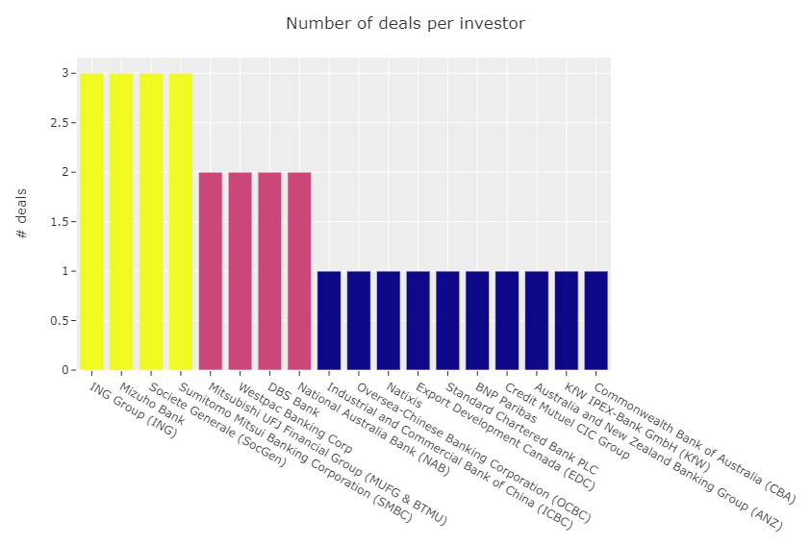
Region | Asset Type | Site Name | DUID | Fuel Type | Number of Units | Announced Capacity | 2020 MLF | 2021 MLF | Ranking MLF
VIC1 | Existing Plant | Ararat Wind Farm | ARWF1 | Wind | 75.00 | 240.0000 | 0.9038 | 0.8983 | Bottom 25%
QLD1 | Existing Plant | Coopers Gap Wind Farm | COOPGWF1 | Wind | 123.00 | 452.89 | 0.9705 | 0.9681 | Median

